Welcome
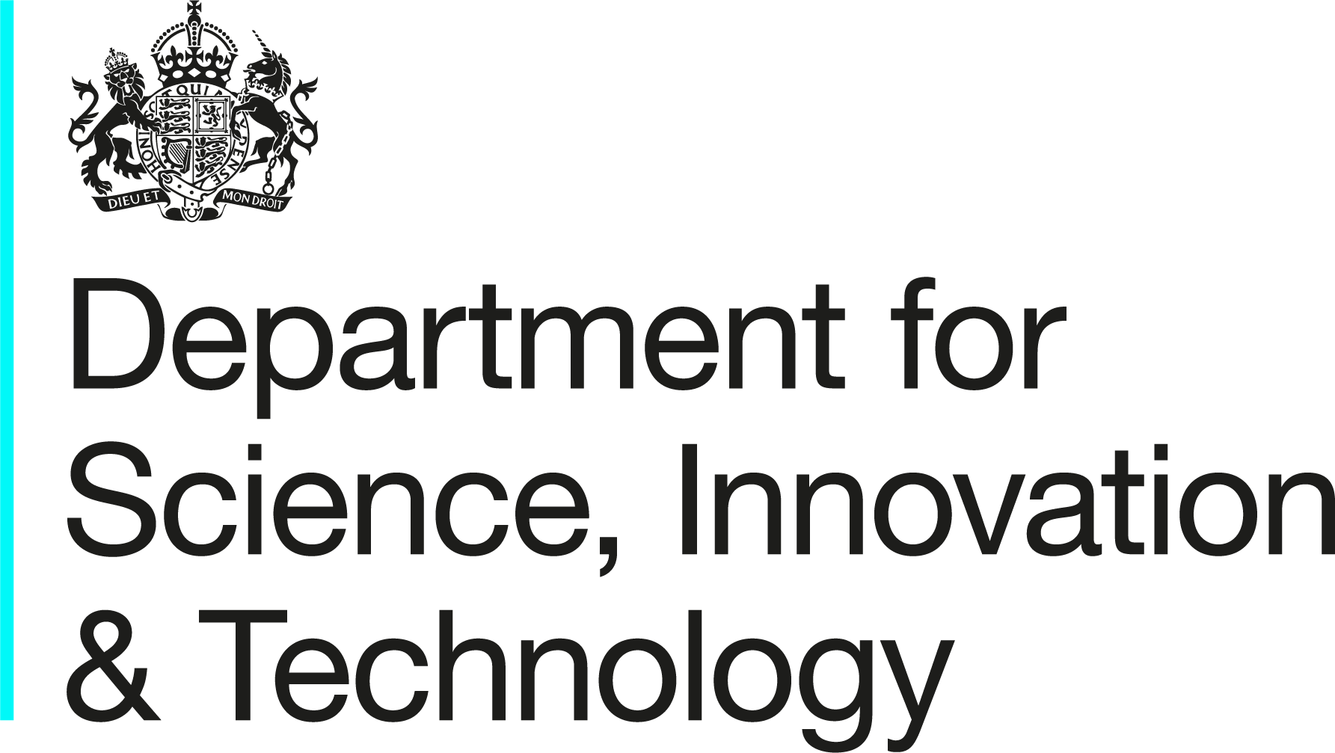
 | AI Risk Assessment Tools

 | Version 1.0
 | 2026-05-01

 | This workbook sets out self-assessment tools aligned with the Orange Book for AI project teams to identify, assess, treat, monitor and report risks associated with individual AI projects. These tools form part of the overarching Technology Risk Assessment Framework. This can be found on the NIST site. For any queries or feedback, please contact psai-tech@dsit.gov.uk.

