Read Me
Tracker Overview |  |  | Map of SNS SAC with offshore windfarms:
Noisy activities that will have an impact on the Southern North Sea SAC should be recorded on the 'noisy activities' tab. This is the main tab that case teams should use for entering data - the yellow and orange columns should be updated whenever you have new information about a case. The grey columns are automatically calculated and shouldn't be edited. Please refer to the table below for additional guidance on what information to include in each column.
All piling and UXO activities must be included in the tracker. As most surveys are currently exempt from requiring a marine licence these are not included in our calculations, however we have asked developers to provide data on noisy surveys on a voluntary basis. Therefore if you do have data on noisy surveys please include this in the tracker as well.
The 'Summer' and 'Winter' tabs show calendars with predicted noise levels on each day. The calendars show all projects scheduled to work during that season, along with the % area of the SAC they are expected to disturb on each day based on the data in the 'noisy activities' tab. The impact from each activity is then added up to calculate the total disturbance on each day. If you don't want to include an activity in the daily total (for example, if we have voluntary data from a geophysical survey), find the activity on the 'noisy activity' tab and change 'Include in calculations?' to No. The activity will then appear in the calendar in red, and data will be crossed out.
Finally the 'Assessment Summary' tab provides summary information that may be helpful for the in-combination assessment in an HRA. Please refer to the desknote for more information on how to use this tab.
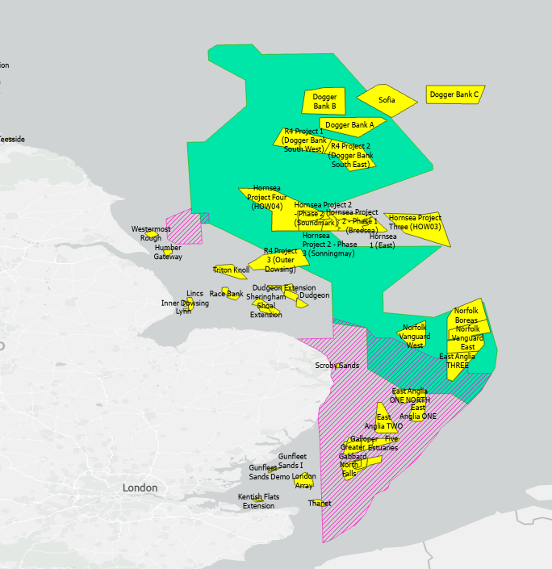
Summer area: Green
Winter area: Pink
Note the summer and winter areas overlap.
Activities such as piling and UXO clearance can cause disturbance outside of the project boundaries. So some projects will impact the SAC even if they are not inside it - for example piling in Hornsea 3 will impact the summer SAC even though the project is outside the SAC boundary.

Guidance - Noisy Activities Tab
Column | Description | Example
Project/Activity Name | The name of the project and activity | Dogger Bank B Piling (Abated)
Applicant | The applicant/developer | SSE
Regulator | Select regulator from the drop down menu | MMO
Activity Type | Select activity type from drop down menu | Piling (Abated)
Which part of the SAC does the activity impact? | Select whether the activity will impact the summer or winter parts of the SAC (or both) | Summer
Quad/block (OPRED only) | OPRED may include information on which oil and gas licensing blocks the activities will impact
Case Contacts (CO, CM and Senior) | Names of the case team working on this application | Joe Bloggs (CO), Josie Bloggs (CM), Josephine Bloggs (SCM)
Case Reference | The MCMS case reference for this activity | DCO/2022/0001
Wildlife Licence ref | To record the wildlife licence reference
Case Status | Information on the status of the licence / project, eg has the licence been granted, has the project been cancelled. | Proposed
Tracker Last Updated | The date that you last updated the tracker for this project | 2025-01-01 | Supporting information on threshold calculations
Daily and seasonal thresholds
Current advice from SNCBs is that there is an Adverse Effect on Site Integrity if -
Harbour porpoise are excluded from more than 20% of the SAC on one day OR
Harbour porpoise are excluded from more than 10% of the SAC per day, on average across a season.
How are impacts calculated?
SNCBs have also provided advice on the 'effective deterrent range' for noisy activities (EDRs). For each activity, the EDR is the size of the area which harbour porpoise are excluded from due to the noise created by that activity. For example, unabated piling has an EDR of 26km which means that harbour porpoise are excluded from a 26km radius around the pile being installed. Using the formula for area of a circle, this means the disturbed area is 3.14 * 26 * 26 = 2123km2.
Developers use the EDRs to calculate how much of the SAC their activities will impact (in km2), and provide this figure to the MMO so we can understand the in-combination impact of all projects in the SAC. The figures submitted by the developer should be included in the 'Area overlap with SAC' column. The tracker then adds up the impacts from all projects and converts this into a % figure to check that noise levels are below the daily and seasonal thresholds.
The daily threshold is calculated like this:
Daily threshold (%) = 100 x Activity size in km2 ÷ Summer Area in km²
The seasonal threshold is calculated like this:
Seasonal threshold (%) = Daily threshold x Duration of activity impacting the SAC (in days) ÷ Days in Summer Season
To calculate the thresholds for the winter SAC use the 'Winter Area' and 'Days in Winter Season' instead of the values for the summer SAC.
What does this mean for management?
When a project applies for their licence or submits their SIP, they will often not know exactly what days they will work on and therefore there is some uncertainty in the overall level of impact on each day. MMO take a precautionary approach and assume projects will work on every day that they can, although this is very unlikely to be the case. This measn that the daily impact figures in the calendar are a worst case scenario and the actual impacts are likely to be lower. In recent years, MMO and OPRED have included licence conditions which require projects to co-ordinate their schedules, to ensure that the daily threshold is not exceeded.
Proposed Start Date | The proposed start and end dates for noisy activities - based on the best information you have (eg dates specified in SIP, conditions placed on marine licence). The proposed dates are used to fill in the calendar and assessment summary tabs - if no proposed dates are entered then the activity won't show up in the calendars. | 2025-04-01
Proposed End Date |  | 2025-06-30
Duration of Activity Impacting SAC (days) | If known, the number of days the project will be doing works impacting the SAC. This data will be provided by the applicant and may be updated several times prior to activities being carried out. This information is also used to calculate the seasonal disturbance in the assessment summary. | 2
Area overlap with SAC (km2) | The area of the SAC (in km2) impacted by this noisy activity. This information will be provided by the applicant and may be refined several times prior to activities taking place. This is key information for the calendar and assessment tabs. | 2100
Magnitude (OPRED only) | For surveys, OPRED may record the volume of the airgun or array being used (expressed in cubic inches)
Abatement (MMO only) | Add details of any noise abatement being used by the project eg bubble curtains, MENK | Big Bubble Curtain
Any Other Comments | Any other comments - especially further information on dates/timings of works. It is helpful if you can include where the 'proposed dates' came from (eg "Dates proposed by developer in SIP" or "Proposed dates of work are from Development Coordination Forum"). | Only 2 piles to install - aiming to do these in April but have agreed in their SIP that they could work in May / June as well in case of delays
Include in assessment? | Should the activity be included when calculating the in-combination impact on the SAC? In most cases this should be 'yes' - see desk note for further guidance. | Yes
Include in winter calendar | These columns are locked to avoid accidental editing. They determine whether an activity should be included in the summer and/or winter calendars, based on the information included in the tracker. Please see box to the right for more information on how the % figures are calculated. | No
Include in summer calendar |  | Yes
% of Winter SAC impacted |  | 0
% of Summer SAC impacted |  | 7.80%
TrackerID |  | 6

