Cover_sheet
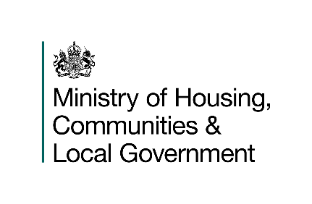
Fire prevention and protection statistics
England, year ending March 2026: data tables
Table 1205
This is the first published version of this table. The data held within this table was previously published in table FIRE1204.
Responsible Statistician: Daniel Farrugia
Please email us at firestatistics@communities.gov.uk
Press enquiries: NewsDesk@communities.gov.uk
Published: 02 September 2026
Next update: Summer 2027
Crown copyright © 2026
Contents
We’re always looking to improve the accessibility of our documents.
If you find any problems, or have any feedback, relating to accessibility please email us at firestatistics@communities.gov.uk
The full set of fire statistics releases, tables and guidance can be found on our landing page, here:
https://www.gov.uk/government/collections/fire-statistics

