Cover_sheet
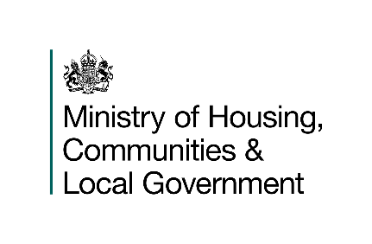
Fire prevention and protection statistics
England, year ending March 2026: data tables
Table 1201
Responsible Statistician: Daniel Farrugia
Email: Firestatistics@communities.gov.uk
Press enquiries: NewsDesk@communities.gov.uk
Published: 02 September 2026
Next update: Summer 2027
Crown copyright © 2026
Contents
We’re always looking to improve the accessibility of our documents.
If you find any problems, or have any feedback, relating to accessibility please email us at
Please email us at firestatistics@communities.gov.uk

