Intro

Monthly Provisional UK Sea Fisheries Statistics July 2026

This workbook was updated on 28 August 2026, based on activity recorded on UK systems as at 24 August 2026

Contents

Highlights - Time series | Highlights - Live weight landings (t) and Value (£000's) by month and cumulative totals over the year.
Highlights - Time series Data | Highlights - Breakdown of data used for time series graphs by each month in 2025 & 2026
Highlights - July | Highlights - July (compared to same month in 2025)
Table 1 | Landings by UK vessels into all ports (Live weight (tonnes) and Value (£000's)) by vessel nationality, vessel length and species group (Summary)
Table 1a | Landings of UK vessels into UK ports (Live weight (tonnes) and Value (£000's)) by vessel nationality, vessel length and species group (Summary)
Table 1b | Landings of UK vessels into Foreign ports (Live weight (tonnes) and Value (£000's)) of UK vessels into Foreign ports by vessel nationality, vessel length and species group (Summary)
Table 2 | Landings of UK vessels into UK ports (Live weight (tonnes), Value (£000's) and Price (£/tonne)) by Species
Table 3 | Landings of UK vessels into all ports (Live weight (tonnes), Value (£000's) and Price (£/tonne)) by Species
Table 4 | Landings of foreign vessels into the UK (Live weight (tonnes), Value (£000's) and Price (£/tonne)) by species
Table 5 | Landings into UK ports by all vessels (Live weight (tonnes) and Value (£000's)) by country of landing and port
Table 6 | Landings by all UK vessels into all ports (Live weight (t) and Value (£000's)) by species group and vessel nationality
Table 7 | Landings (Live weight (t) and Value (£000's)) and number of trips of UK vessels in all ports by country and vessel length
Table 8 | Quantity of landings (t) and value landed (£000's) by UK vessels and Foreign vessels into the UK in last 2 years

Intro
This is an official statistics publication.
This notice provides an overview of the reported weight and value of landings by UK vessels into the UK and abroad, and by foreign vessels into the UK.
This release was previously published as accredited official statistics (formerly known as National Statistics). However, the MMO has written to the Office for Statistics Regulation to request a temporary suspension to the accredited official statistics designation for these statistics. This was agreed by the Director General for Regulation on 3 December 2024. For further details on the reason for the suspension and its impact please see the following statistical https://www.gov.uk/government/publications/uk-sea-fisheries-statistics-temporary-suspension-of-the-accredited-official-statistics-designation
Data are used to provide analysis and evidence to researchers and the media and to respond to ad-hoc requests from fishers, other fishing organisations and the general public. They are also used to formulate and monitor fishing policy for fisheries administrations.
This data is provisional and represents the best available data the MMO holds on fishing activity by the UK fleet and into the UK. Data will be revised each month and lags will be reviewed following protocol documented here: https://www.gov.uk/guidance/fishing-activity-and-landings-data-collection-and-processing.
Please note, the monthly data in these reports for tables 1 to 7 represent a 'snapshot' at the time of release, therefore the totals may not align with the latest published 'underlying dataset', which is downloaded from our 'live' database and presented alongside the monthly reports.
The raw data that feeds into this publication is equivalent to the data used to produce our regular official statistics and is processed and collected as outlined above.
Landings data for English, Welsh and Isle of Man under 10m vessels in this release are primarily based on sales notes for tonnage and value. Where available, matching catch records provide extra details such as fishing area and gear type. This change follows the catch recording statistical quality assessment published on 9 October 2025. https://www.gov.uk/government/publications/uk-sea-fisheries-statistics-catch-recording-data-statistical-quality-assessment
Because of the updated data source, total landings figures may differ from earlier provisional releases 2025 which were providing an underestimate of landings and therefore, should not be used. A report detailing revisions to 2025 under 10m English, Welsh and Isle of man landings data was released on 2 December 2025. https://www.gov.uk/government/statistics/monthly-sea-fisheries-statistics-revisions-january-to-september-2025
The Marine Management Organisation (MMO) is consulting on proposals to consolidate the provisional monthly Non-Quota Species (NQS) uptake by UK vessels in EU waters release and the monthly UK Sea Fisheries Statistical (SFS) series at the end of 2026.
The consolidation of the two official statistics series will simplify the statistical offering for users, providing a single source for provisional landings data and making it easier for users to access the data they need. It will also increase the data available to users of the monthly UK SFS release series better aligning with the annual UK SFS statistical series.
The MMO would like to hear your thoughts and feedback on the proposal, further details can be found in the monthly publication consultation, published 18 August 2026. https://www.gov.uk/government/statistics/monthly-official-statistics-consolidation-consultation

Highlights - Time Series
Highlights - Time Series showing landings by month and cumulative totals over the year.

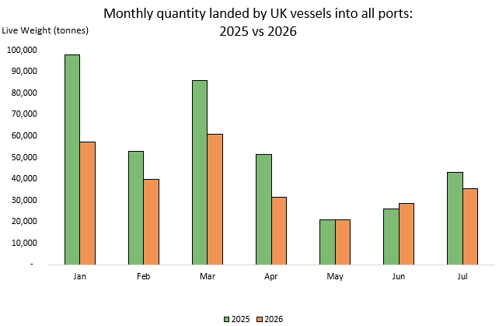
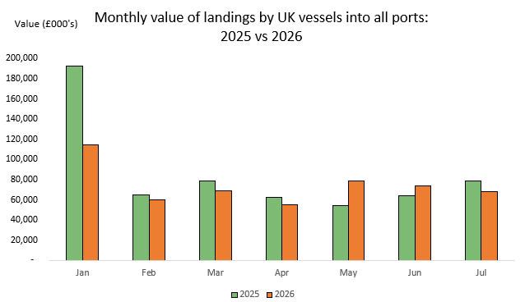

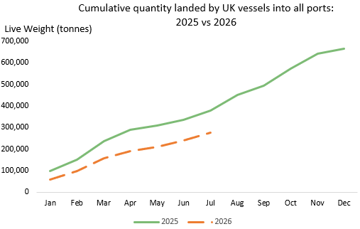
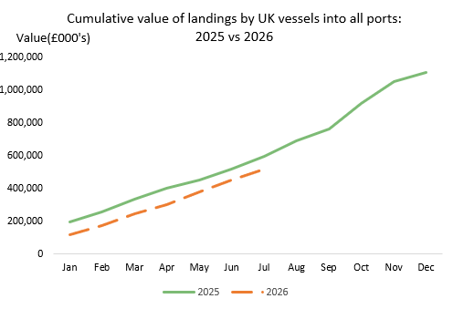

In this release, fishing activity recorded from January to July 2026 is compared to 2025. All quantities are reported as live weight tonnage and values are at first sale in pounds sterling (£000s).
Cumulatively for 2026, the value of landings decreased by 13% (£77.6 million) compared to 2025. Quantity of landings has decreased by 27% (103 thousand tonnes) compared to tonnage landed in between January - July 2025.
For breakdown and comparisons of value and quantity landed for individual months see Highlights - Time Series Data tab.

Highlights - July
Highlights - July 2026

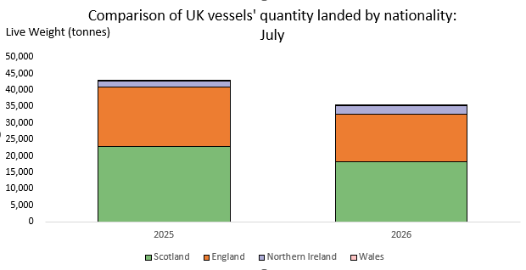
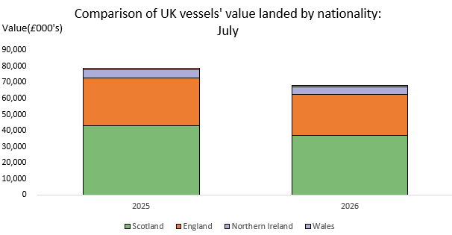

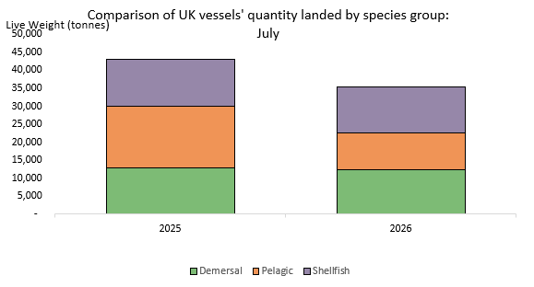
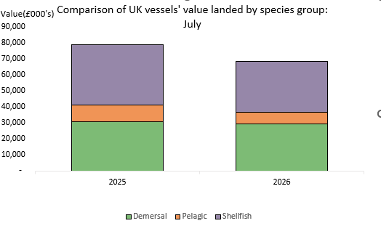

Here, fishing activity recorded in July 2026 is compared to activity in July 2025. All quantities are reported as live weight tonnes and values are at first sale in pounds sterling (£000's).
The total quantity of landings by UK vessels (35 thousand tonnes) decreased by 18% in July 2026 compared to 2025. The value of landings in July 2026 (£68 million) also decreased, by 14% (£10.8 million) compared to July 2025.
Landings of species groups typically fluctuate over the year due to seasonality of UK stocks. Landings in July 2026 were comprised of mostly Shellfish species (36%) followed closely by Demersal species (35%) (Table 6). Shellfish species also comprised the majority of the value landed (47%). Nephrops contributed 33% of the total shellfish landings by UK vessels in July (4 thousand tonnes).
The landings into UK ports (by UK and foreign vessels) in July 2026 decreased by 20% (decreased by 6.9 thousand tonnes) compared to 2025 (Table 5). The value landed also decreased, by 13% (decreased by £8.9 million) compared to 2025.

