Cover Sheet
Boiler Upgrade Scheme (BUS) monthly statistics England and Wales: July 2026 | 
Queries and feedback about this publication are welcomed and can be sent to:
energyefficiency.stats@energysecurity.gov.uk
Press enquiries:
0300 068 8084
Publication dates
These statistics were published on 27 August 2026.
These statistics will next be published on 24 September 2026.
A publication timetable for all upcoming DESNZ statistics is available online.
Description
This spreadsheet forms part of the statistics publication for the Boiler Upgrade Scheme (BUS) produced by the Department for Energy Security and Net Zero (DESNZ). The data presented show the uptake in the scheme to date: number of vouchers applications and redemptions, as well as costs of installation.
Data period
This workbook contains cumulative, monthly, quarterly and annual data. Figures are published one month in arrears.
Amendments
Amendments to these published statistics may occur when: a. revised or validated data is subsequently received from a data supplier, for example, due to the approval processes involved there may be a time lag in an application appearing in the figures or an applicant may cancel or re-submit applications in order to change certain details b. a figure was incorrect due to a typographical or similar error c. methodological improvements For cumulative and monthly statistics, these changes will be reflected in the next statistical release. For quarterly and annual statistics, any changes will be updated on a quarterly basis in January, April, July and October. If the revision is considered to be major and has a material impact that could affect decisions made on the basis of the data, then an unscheduled correction will be made as soon as possible, along with an explanation of the revision and any impact.
For more information, see the full DESNZ Revisions Policy.
Pre-release access
Some ministers and officials receive access to these statistics up to 24 hours before release. Details of the arrangements for doing this and a list of the ministers and officials that receive pre-release access to these statistics can be found in the DESNZ statement of compliance with the Pre-Release Access to Official Statistics Order 2008.
Code of Practice for Statistics
The Code of Practice for Statistics (“the Code”) sets the standards that producers of official statistics should commit to, giving users confidence in published statistics. Statistics published by the Department for Energy Security and Net Zero – including the Boiler Upgrade Scheme statistics – are produced in accordance with the standards set out in the Code. This set of documents provides more detail on this.
Statistical disclosure control
Some cells in the tables may be suppressed to prevent disclosure. Cost averages that are based on between 1 and 4 underlying records inclusive will be suppressed. Some values greater than 4 may also be suppressed where only one value within the group was suppressed to prevent disclosure.
Further information
The data tables and accompanying sheets have been edited to meet legal accessibility regulations.
Some tables refer to notes. When notes are mentioned, the note marker is presented in square brackets. The note text can be found in the Notes tab.

Charts
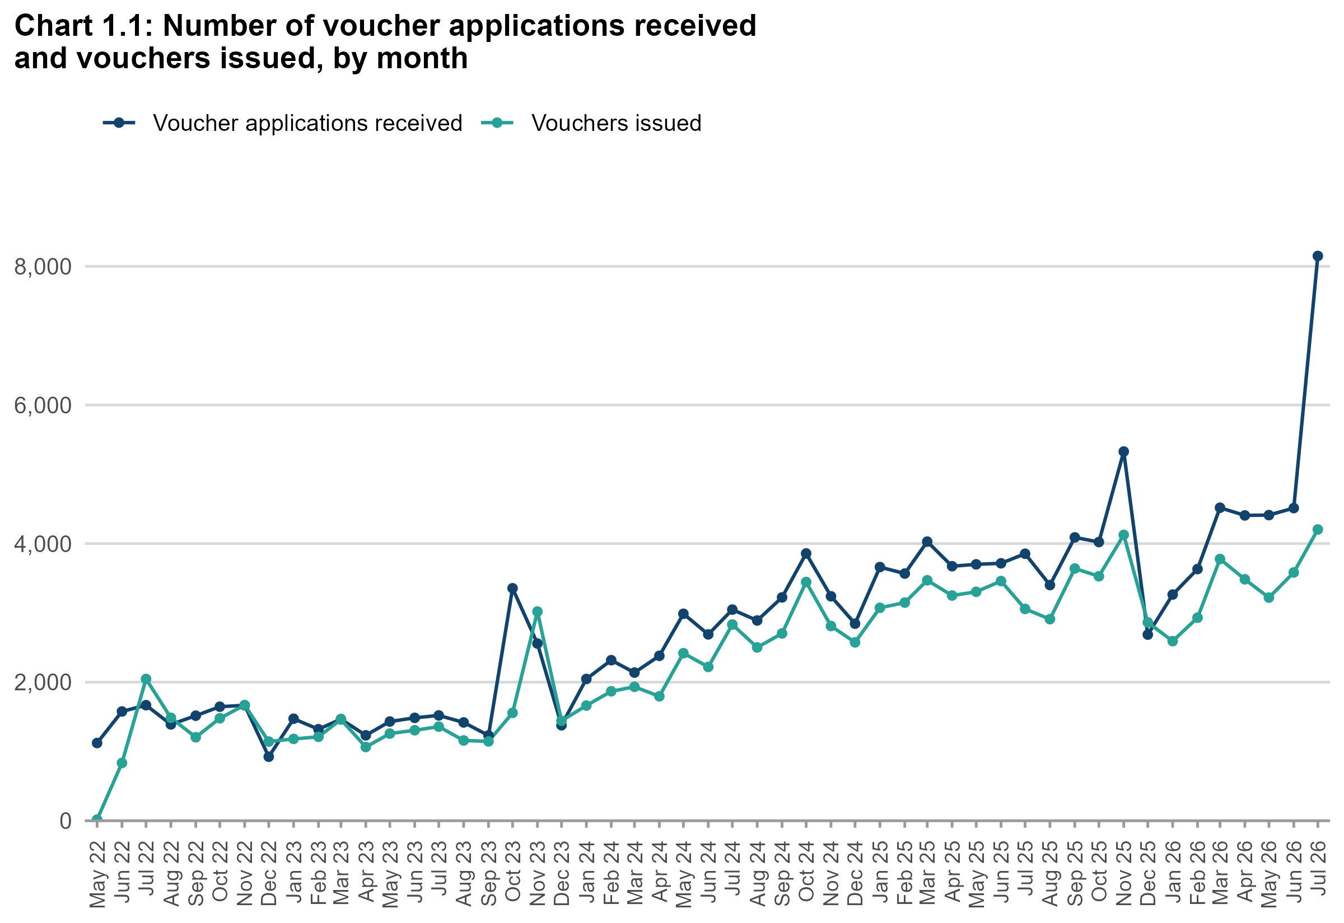
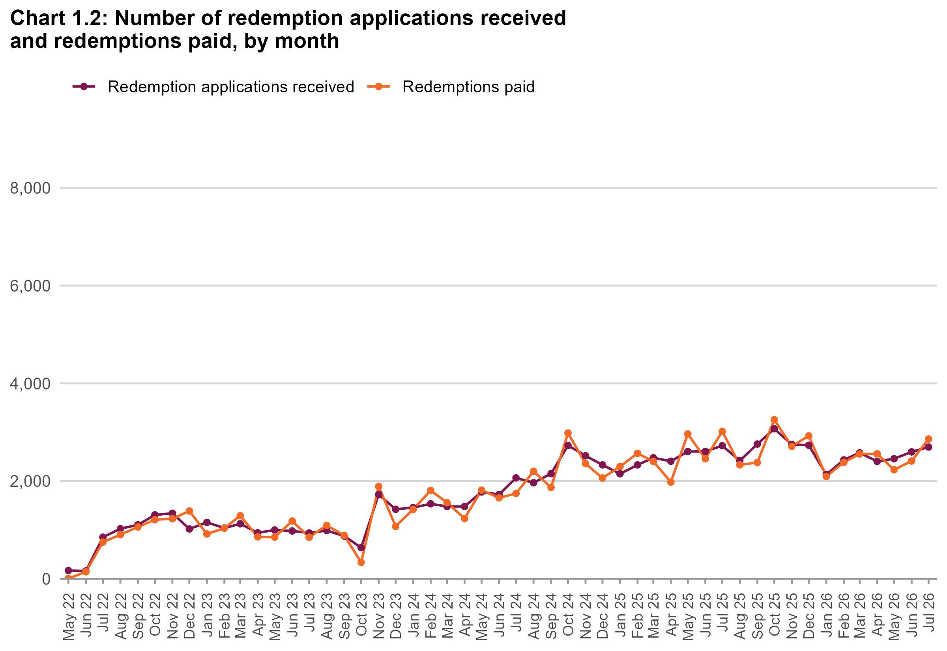
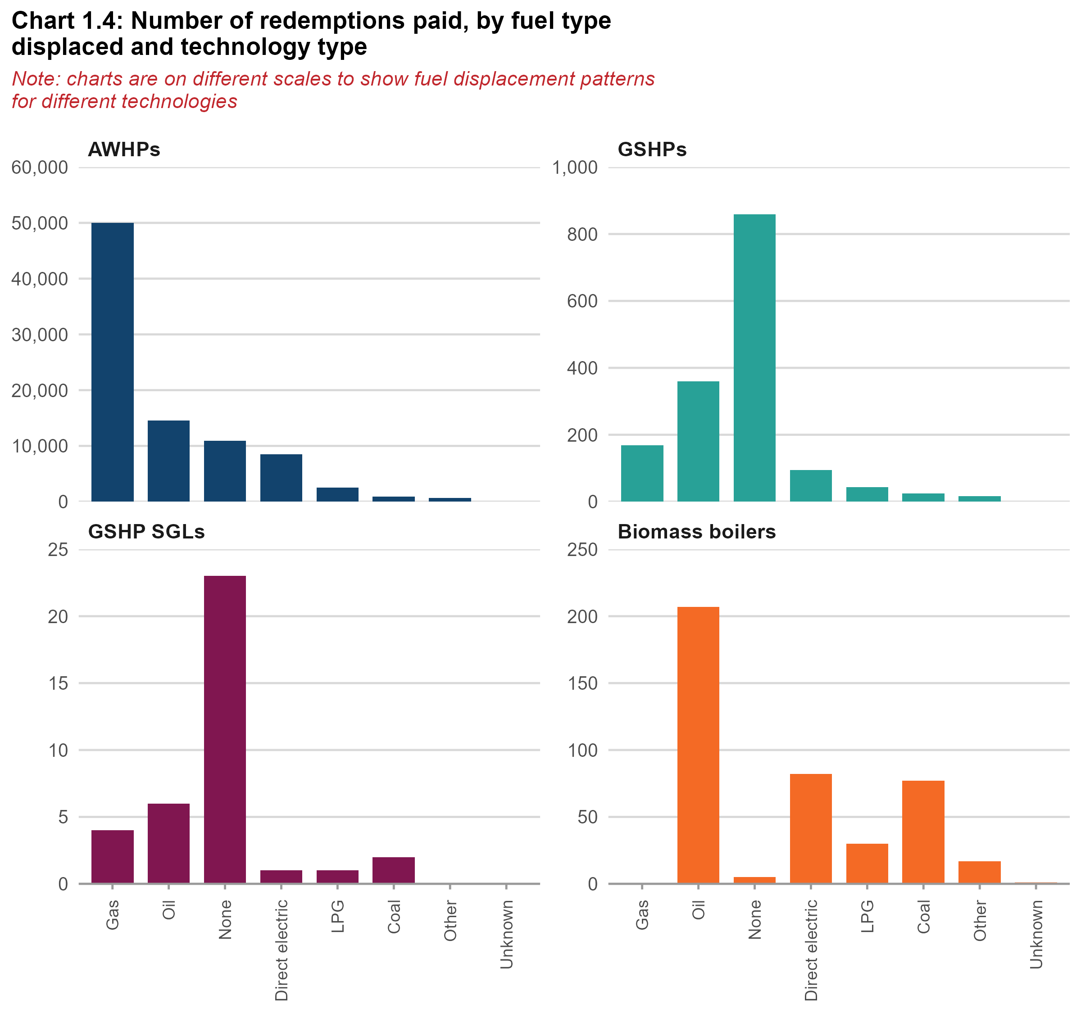
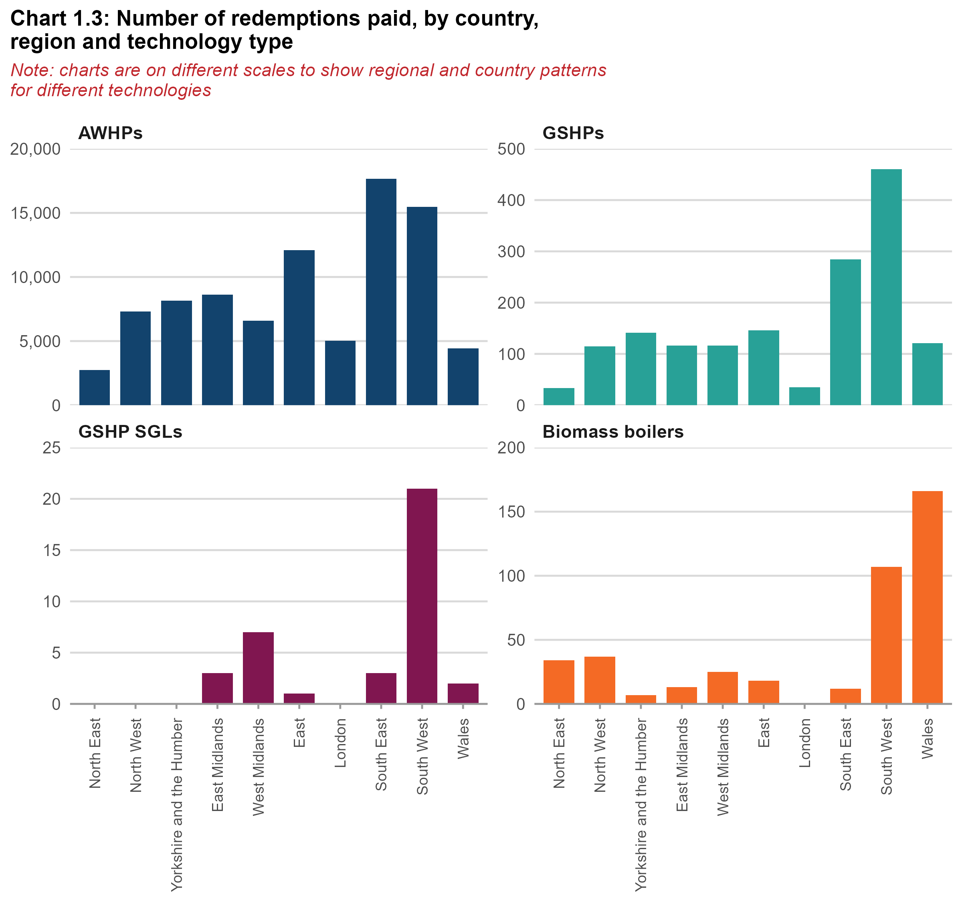
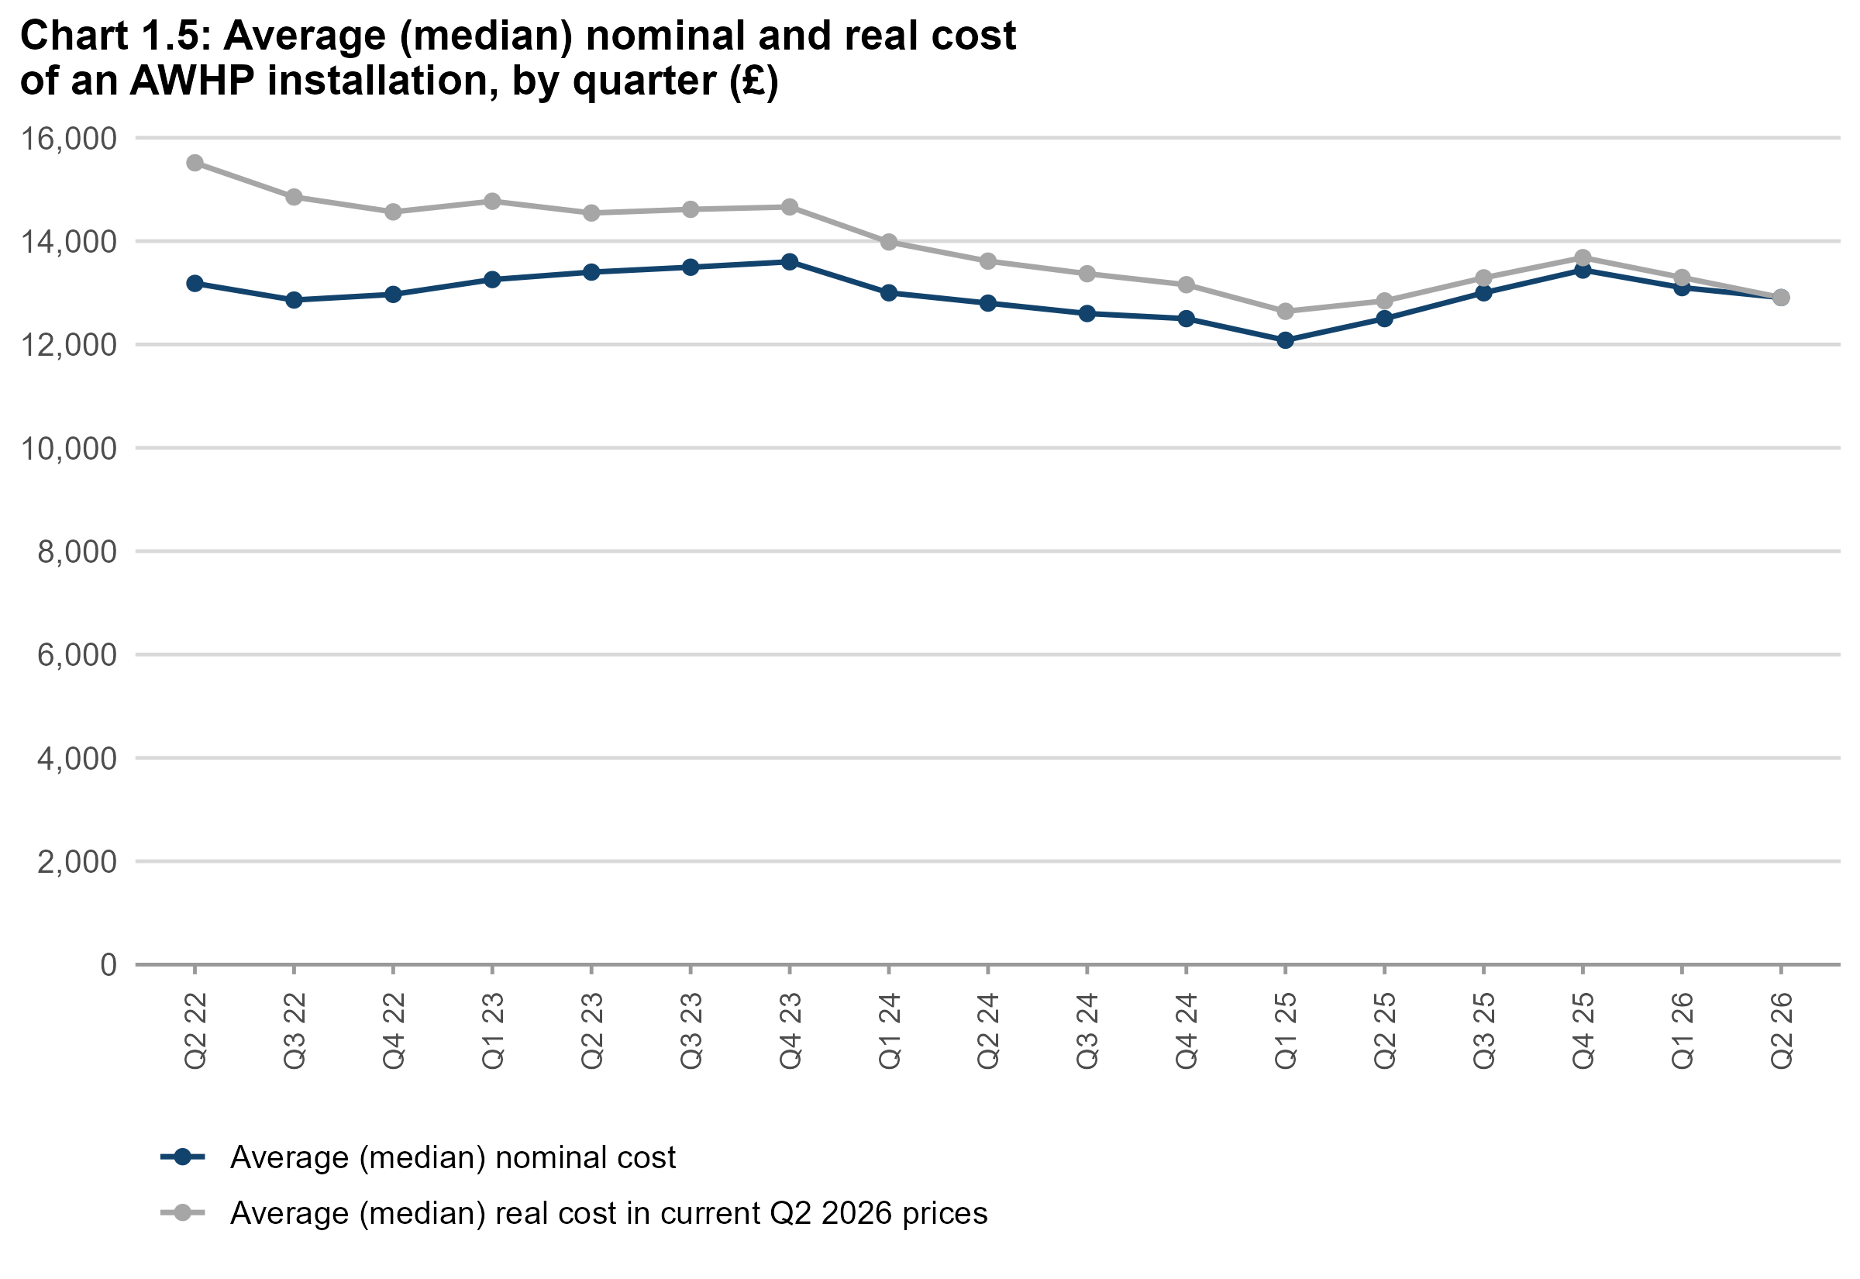
Charts visualising main statistics
This worksheet contains 5 charts. The charts visualise some of the main statistics within this release.

