Figure 1 - Appeals valid (type)
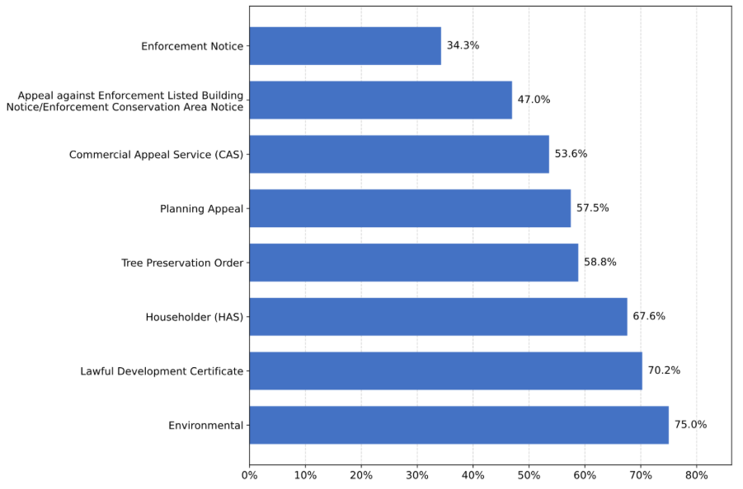
Figure 1 – Proportion of Appeals Valid on First Submission for Selected Appeal Types, Cases Received April 2025 to March 2026.

Figure 2 - Appeals Decided
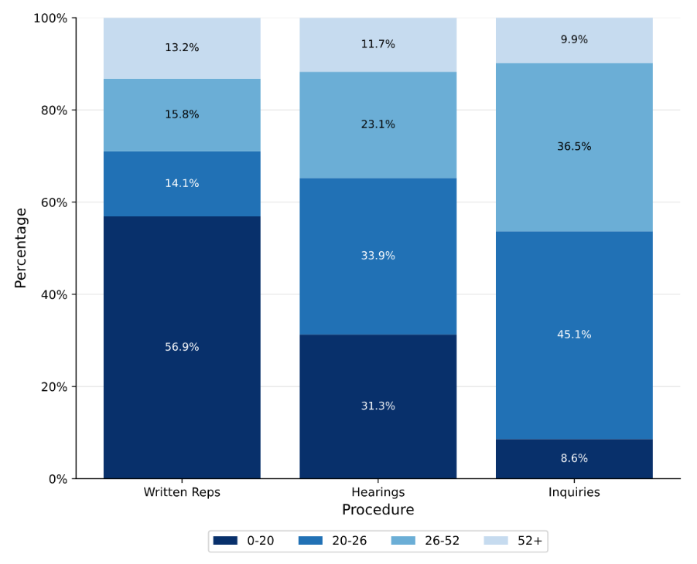
Figure 2: Time for Valid to Decision, for Decisions July 2025 to June 2026.

Figure 4 - 50th and 90th
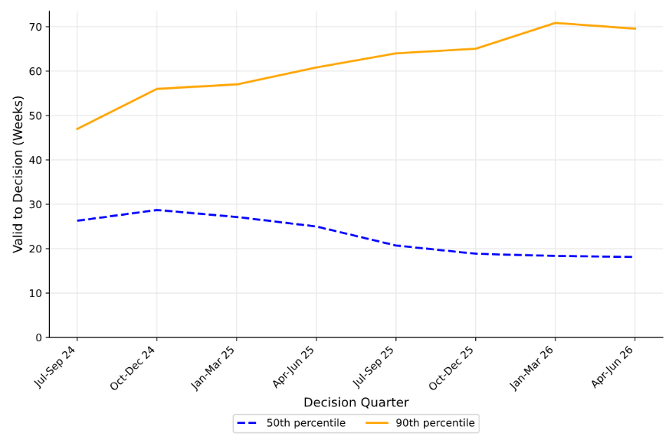
Figure 4: All Appeal Decisions, 50th and 90th Percentile for Valid to Decision, By Quarter, July 2025 to June 2026.

