Cover
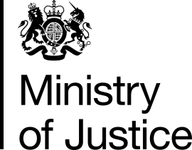

 | Knife and Offensive Weapon Sentencing
Coverage:
England and Wales

Released: | Statistics
20 August 2026

Next release:
19 November 2026

Frequency of release:
Quarterly

Media contact:
Ministry of Justice Press Office
020 3334 3536

Statistical contacts:
MOJPNCteam@justice.gov.uk

Ministry of Justice
Analysis: Prisons, Probation, Reoffending and Performance Data and Statistics
10th Floor
102 Petty France
London
SW1H 9AJ

