Cover_sheet
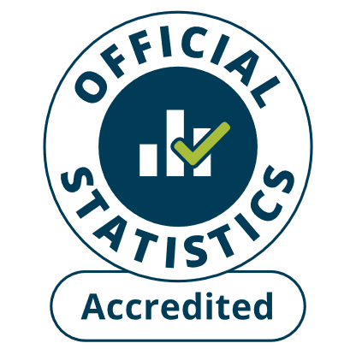 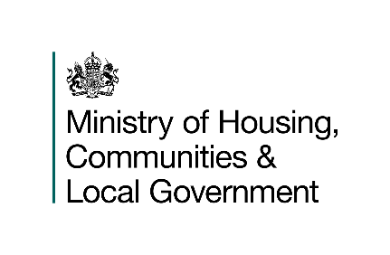
Detailed analysis of fires attended by FRSs
England, April 2024 to March 2025: Data tables
Tables 0511a and 0511b
Responsible Statistician: William Bagridge
firestatistics@communities.gov.uk
Press enquiries: NewsDesk@communities.gov.uk
Published: 14 August 2025
Next update: Autumn 2026
Crown copyright © 2025
Contents
We’re always looking to improve the accessibility of our documents.
If you find any problems, or have any feedback, relating to accessibility
Please email us at firestatistics@communities.gov.uk

