Cover_sheet
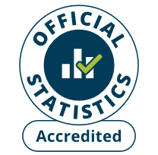
Detailed analysis of fires attended by FRSs
England, April 2023 to March 2024: data tables
Tables 0503a and 0503b
Responsible Statistician: Helene Clark
Email: Firestatistics@homeoffice.gov.uk
Press enquiries: 0300 123 3535
Published: 19 September 2024
Next update: Autumn 2025
Crown copyright © 2024
Contents
We’re always looking to improve the accessibility of our documents.
If you find any problems, or have any feedback, relating to accessibility
please email us at firestatistics@homeoffice.gov.uk

