Figure 1
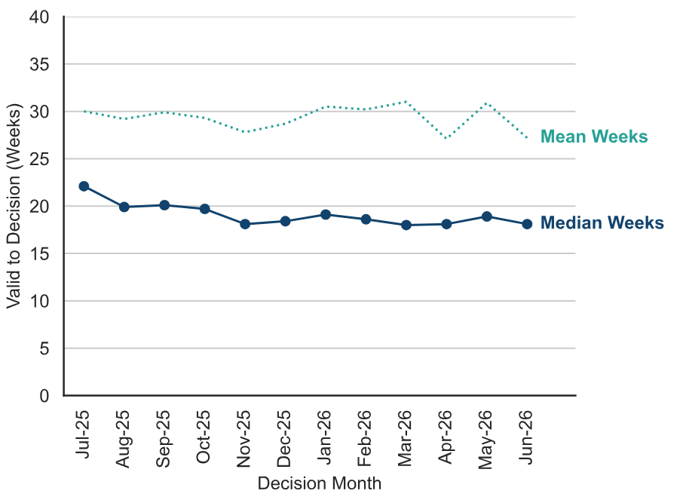
Figure 1: Mean and Median time to decision; July 2025 to June 2026

Figure 2
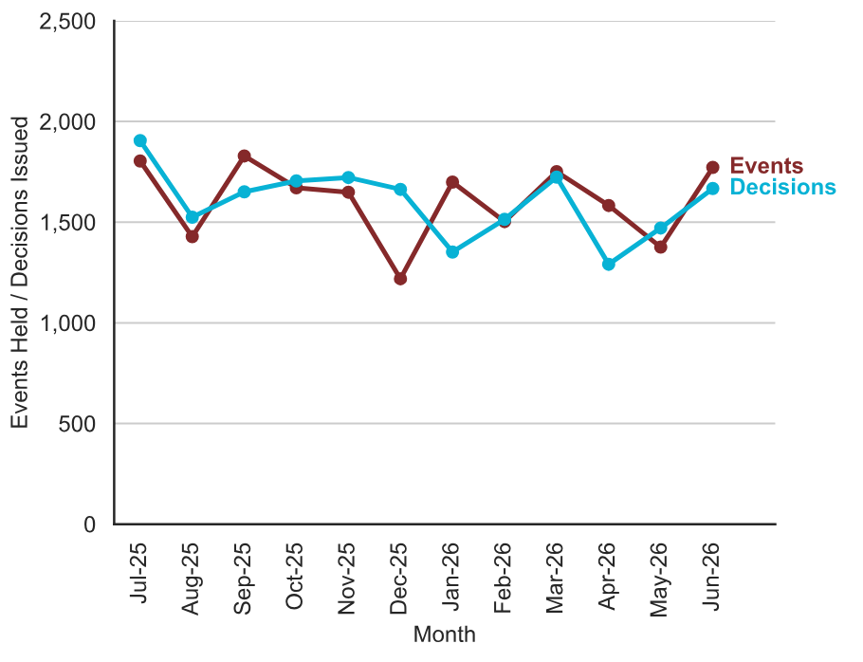
Figure 2: Number of events held and decisions issued; July 2025 to June 2026
Source: Horizon

Figure 3
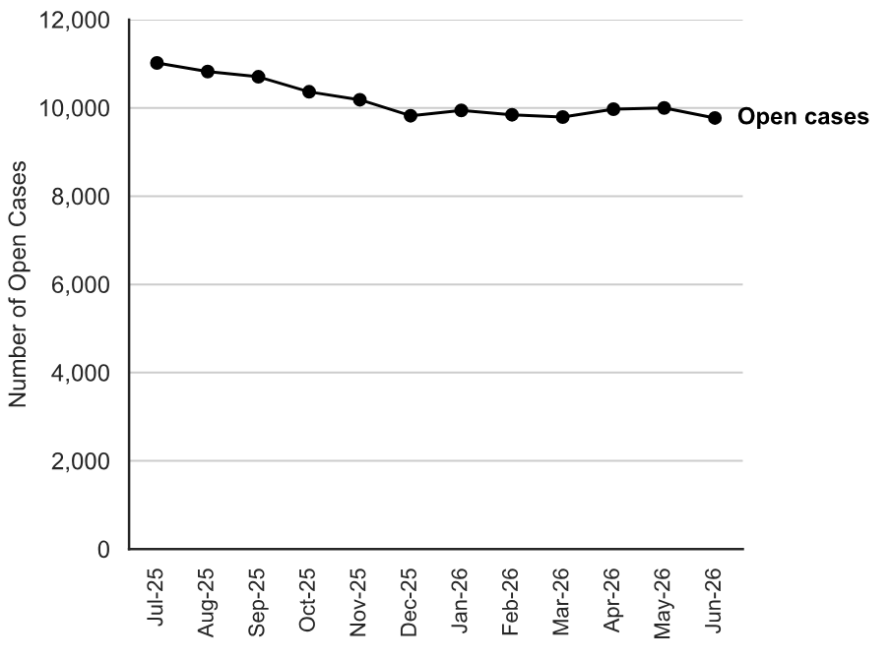
Figure 3: Number of cases open; July 2025 to June 2026
Source: Horizon and Picaso
Note 1: there is a known anomaly that means that the number of open cases does not exactly follow the volumes of cases closed or received (for example the number of open cases can increase between months even though the number closed exceeded the number received). The main reasons for this have been identified and are detailed in the Background Quality Report. The inspectorate are Investigating how to introduce new processes to improve the quality of this data which once complete may result in revisions to the number of open cases.

Figure 4
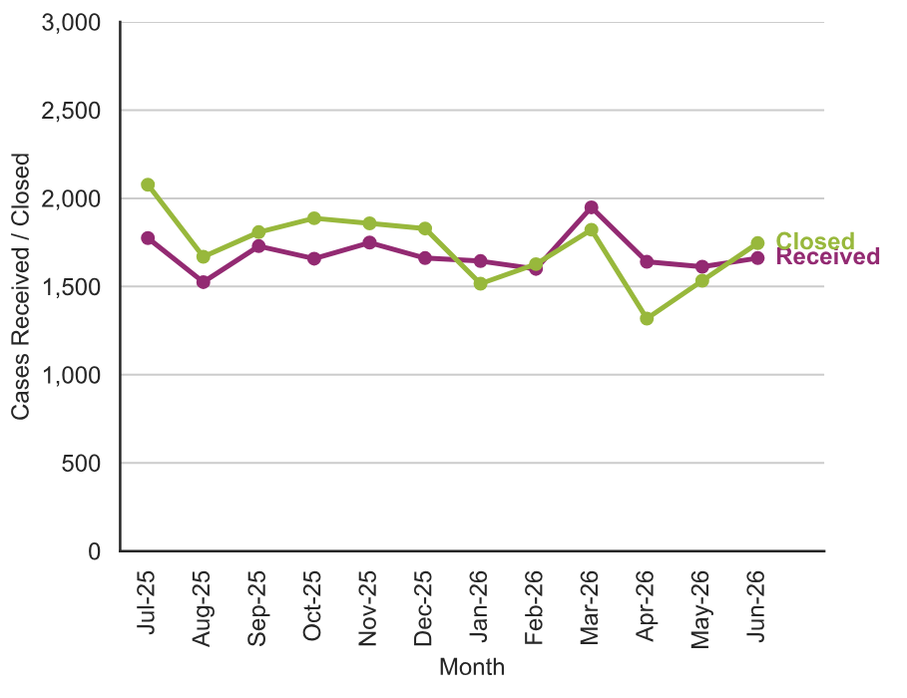
Figure 4 – Number of cases received and closed; July 2025 to June 2026
Note: The number of cases closed is higher than the number of decisions, as it includes cases where an appeal is withdrawn, notice is withdrawn, or the appeal is turned away

Figure 5
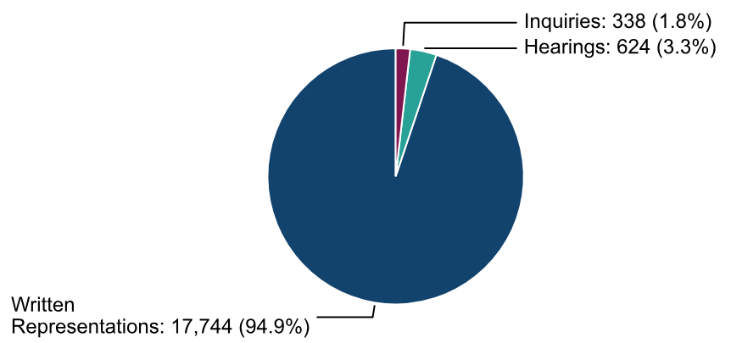
Figure 5: Appeal Decisions by Procedure; July 2025 to June 2026

Figure 6
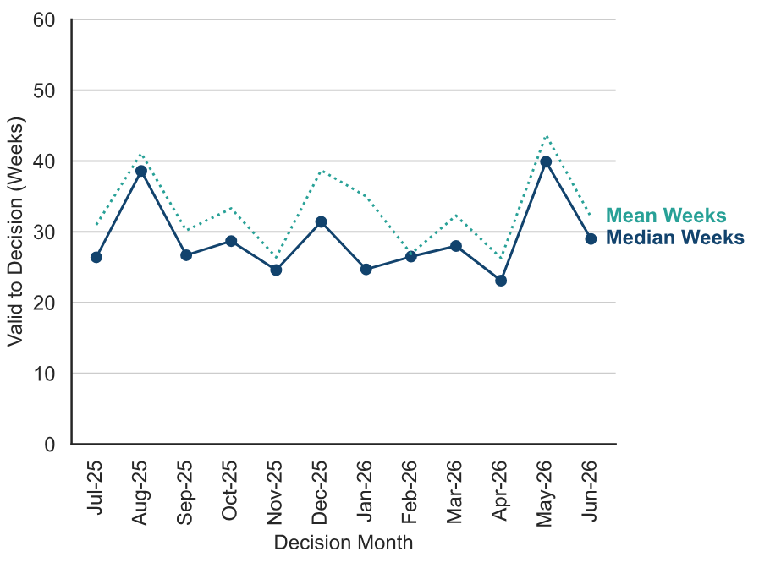
Figure 6 – Median and Mean Time to Decision, Rosewell Inquiry Process; July 2025 to June 2026

Figure 7
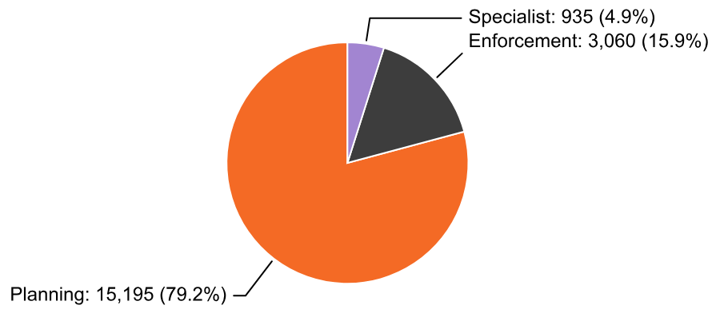
Figure 7 – Appeal Decisions by Casework Category; July 2025 to June 2026

Figure 8
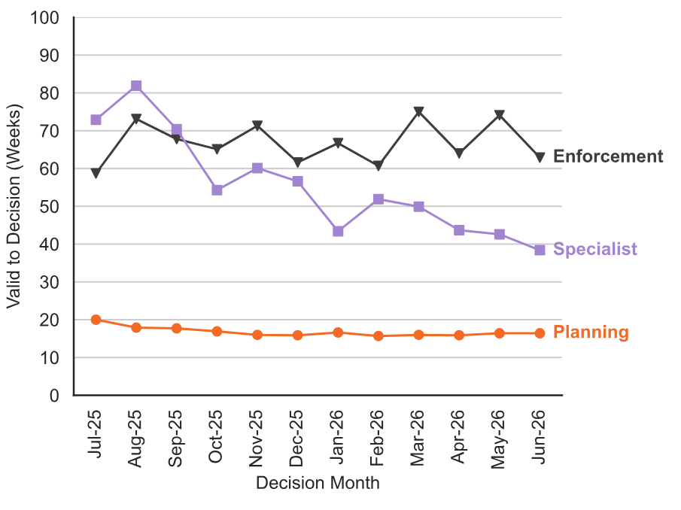
Figure 8 – Median Time to Decision by Casework Category: July 2025 to June 2026.

