Contents

Carbon Budget 7 - Impact Assessment: Charts and Tables
V1 - 30/03/2026
Any enquiries regarding this publication should be sent to us at https://www.gov.uk/guidance/contact-desnz
Tables and figures list
CB7 Impact Assessment
Table 1: Level of existing carbon budgets
Figure 1: The UK’s statutory carbon budget targets and Nationally Determined Contributions. Annual averages during each carbon budget period are shown, with totals for the period as labels. Carbon budget 6 includes emissions from international aviation and shipping, MtCO2e.
Table 2: Seventh carbon budget impact assessment outcomes
Figure 2: Example of a reinforcing feedback loop where clean technology demand encourages further investment, bringing about more innovation, reducing costs and further encouraging demand
Figure 3: Example of a balancing feedback loop relating to the operation of a heating thermostat. A lower indoor temperature increases the difference from the desired set temperature. This increases the heating system’s output and increases the indoor temperature.
Table 3: Key concepts and graphics within causal loop mapping
Table 4: Shortlisted seventh carbon budget level options
Figure 4: Modelled baselines for the seventh carbon budget impact assessment
Figure 5: Modelled seventh carbon budget options in terms of five-year budget level (right axis) and per annum emissions (left axis), assuming a straight line to net zero between 2042 and 2050, MtCO2e
Table 5: Net present values (NPV) breakdown by net costs and benefits, comparing target level options against the UK TIMES EEP baseline
Table 6: Net present values breakdown by net costs and benefits, comparing target level option against a no net zero baseline
Table 7: Net present values of the considered CB7 pathways at CCC recommended level (option 2) against UK TIMES EEP baseline, rounded to nearest £5bn
Table 8: Net present value of each sensitivity test compared to UK TIMES EEP baseline. 2025-2050 appraisal period, central carbon prices and 3.5% discount rate assumed unless otherwise stated
Table 9: Summary of sensitivity results compared to NNZ baseline. 2025-2050 appraisal period, central carbon prices and 3.5% discount rate assumed unless otherwise stated
Table 10: Range of annual average net costs between 2025 and 2050 as a percentage of GDP by target level, pathway and baseline comparison
Figure 6: Reinforcing feedback loop where increases in capital investment for net zero technologies increase their production, accelerating economies of scale and innovation, this reducing cost. This, in turn, further incentivises capital investment
Table 11: Illustrative territorial greenhouse gas emissions by sector in 2050 under the different modelled pathways
Table 12: Modelled sustainable energy carriers in 2050
Table 13: Illustrative summary of end-use sector technologies and their deployment requirements in 2050
Table 14: Illustrative emission ranges in 2040 under different seventh carbon budget levels, based on the modelled pathways
Table 15: Modelled sustainable energy carriers in 2040 across pathways by level option
Table 16: Illustrative summary of key technologies and their deployment requirements in 2040 based on the modelled pathways at each level option.
Figure 7: Reinforcing feedback loop whereby increases in the quality of global climate governance increase international climate policy development, driving increases in practical collaboration across nations, thus increasing the effectiveness of UK diplomacy
Table 17: Illustrative 2040 UK contributions to global emissions reductions, given as percent reduction on 1990 emissions. Excludes international aviation and shipping.
Table 18: Global temperature scenarios and CB7 options
Figure 8: Reinforcing feedback loop whereby reductions in the incidence of non-communicable disease, improve overall population health, increasing the number of people in work and reducing overall poverty rates (Green variables are health relevant variables, yellow are growth)
Figure 9: Reinforcing feedback loop where increases in UK NZ capital investment, increase domestic technology production, increasing economies of scale and innovation for these technologies, reducing costs, and further incentivising UK capital investment (blue variables are net zero variables, yellow are growth)
Figure 10: Logic chain from the systems assessment where increases in energy price shocks, increase UK energy prices, which reduce UK capital productivity and overall productivity in the economy
Table 19: Total jobs supported in clean energy sectors (direct and indirect)
Figure 11: Feedback loop demonstrating how NZ capital investment drives a transition away from fossil fuel sector employment and, subject to worker retraining, towards further capital investment
Figure 12: Illustrative primary energy demands to 2050 in pathway 1
Table 20: Primary energy demands and proportion of fossil fuels
Table 21: Whole economy energy efficiency in 2040 and 2050
Table 22: Projected change in key air pollutants by scenario (% change from 2025 baseline)
Figure 13: Reinforcing feedback loop where reductions in the concentration of air pollutants drive improved ecosystem health and natural capital productivity, further reducing air pollutant concentration.
Figure 14: Causal chain demonstrating the impact of extreme weather events on the incidence of communicable disease
Figure 15: Reinforcing feedback loop where worsening climate impacts reduces the health of UK ecosystems, this degrades UK natural capital and reduces natural flood defences, increasing the negative impact of future weather events.
Table 23: Net present value by natural capital pillar, appraised against UK TIMES EEP baseline providing the lower bound and no net zero baseline as the upper bound. Core pathway presented only, differences between pathways and levels are small in aggregate.
CB7 Impact Assessment - Annexes
Table 24: Summary of appraisal assumptions
Table 25: Percentage share of total UK emissions across sectors for each nation in 2023
Table 26: Percentage share of total UK emissions for each sector between nations in 2023
Table 27: Summary of UK TIMES sectoral assumptions
Table 28: Summary of modelling approach for each baseline
Table 29: Summary of effort-share approach assumptions
CB7 IA - A6. Acronyms

CB7 IA Figure 1
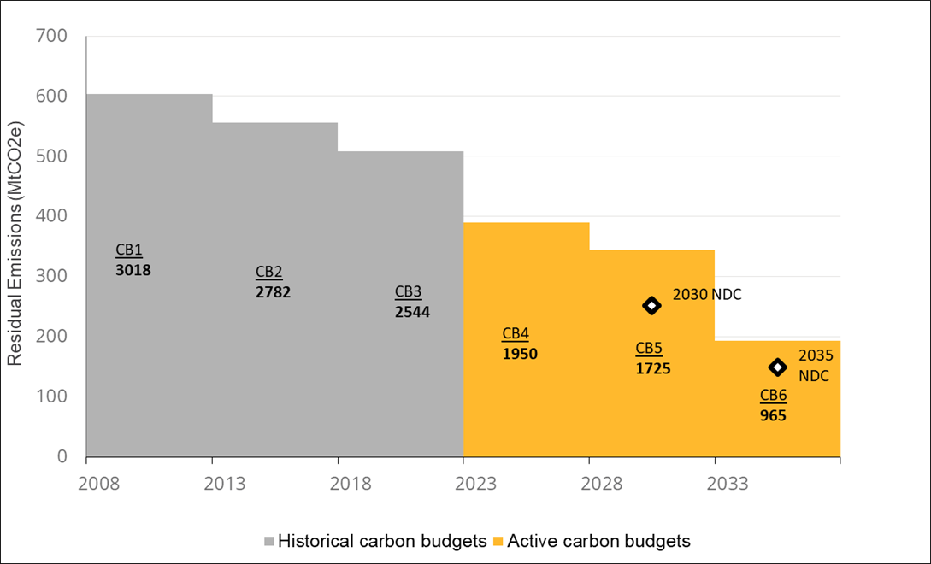
Carbon Budget 7 - Impact Assessment
Figure 1: The UK’s statutory carbon budget targets and Nationally Determined Contributions. Annual averages during each carbon budget period are shown, with totals for the period as labels. Carbon budget 6 includes emissions from international aviation and shipping, MtCO2e.
Chapter: | Existing carbon budgets
Figure number | 1
Figure title | Figure 1: The UK’s statutory carbon budget targets and Nationally Determined Contributions. Annual averages during each carbon budget period are shown, with totals for the period as labels. Carbon budget 6 includes emissions from international aviation and shipping, MtCO2e.
Source(s): | DESNZ Internal Analysis, 2026
Labels | 2030 NDC, 2035 NDC
Primary y axis | Residual Emissions (MtCO2e)
Primary x axis | Year
Author notes
DATA
 | 2008 | 2009 | 2010 | 2011 | 2012 | 2013 | 2014 | 2015 | 2016 | 2017 | 2018 | 2019 | 2020 | 2021 | 2022 | 2023 | 2024 | 2025 | 2026 | 2027 | 2028 | 2029 | 2030 | 2031 | 2032 | 2033 | 2034 | 2035 | 2036 | 2037
CB1 | 604 | 604 | 604 | 604 | 604
CB2 |  |  |  |  |  | 556 | 556 | 556 | 556 | 556
CB3 |  |  |  |  |  |  |  |  |  |  | 509 | 509 | 509 | 509 | 509
CB4 |  |  |  |  |  |  |  |  |  |  |  |  |  |  |  | 390 | 390 | 390 | 390 | 390
CB5 |  |  |  |  |  |  |  |  |  |  |  |  |  |  |  |  |  |  |  |  | 345 | 345 | 345 | 345 | 345
NDC 2030 |  |  |  |  |  |  |  |  |  |  |  |  |  |  |  |  |  |  |  |  |  |  | 252
CB6 |  |  |  |  |  |  |  |  |  |  |  |  |  |  |  |  |  |  |  |  |  |  |  |  |  | 193 | 193 | 193 | 193 | 193
NDC 2035 |  |  |  |  |  |  |  |  |  |  |  |  |  |  |  |  |  |  |  |  |  |  |  |  |  |  |  | 149

CB7 IA Figure 2
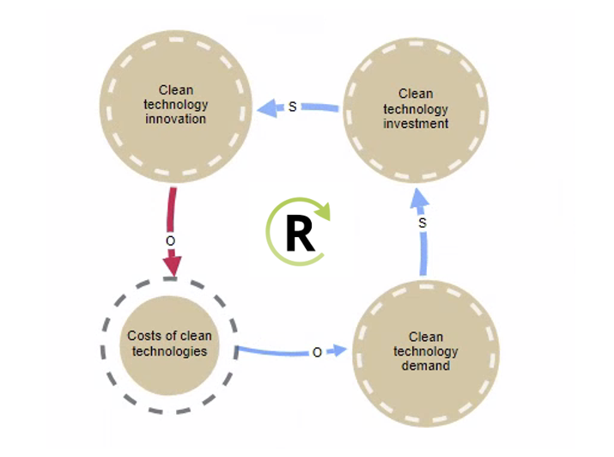
Carbon Budget 7 - Impact Assessment
Figure 2: Example of a reinforcing feedback loop where clean technology demand encourages further investment, bringing about more innovation, reducing costs and further encouraging demand
Chapter: | Analysis of transformational change
Figure number | 2
Figure title | Example of a reinforcing feedback loop where clean technology demand encourages further investment, bringing about more innovation, reducing costs and further encouraging demand
Source(s): | https://www.scurveeconomics.org/publications/systems-archetypes-of-the-energy-transition/

CB7 IA Figure 3
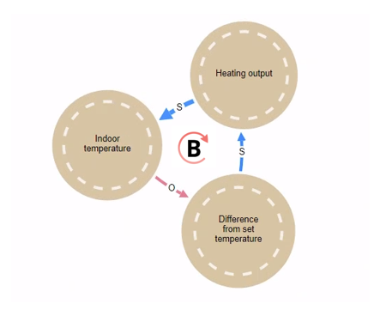
Carbon Budget 7 - Impact Assessment
Figure 3: Example of a balancing feedback loop relating to the operation of a heating thermostat. A lower indoor temperature increases the difference from the desired set temperature. This increases the heating system’s output and increases the indoor temperature.
Chapter: | Analysis of transformational change
Figure number | 3
Figure title | Example of a balancing feedback loop relating to the operation of a heating thermostat. A lower indoor temperature increases the difference from the desired set temperature. This increases the heating system’s output and increases the indoor temperature.
Source(s): | https://www.scurveeconomics.org/publications/systems-archetypes-of-the-energy-transition/

CB7 IA Figure 4
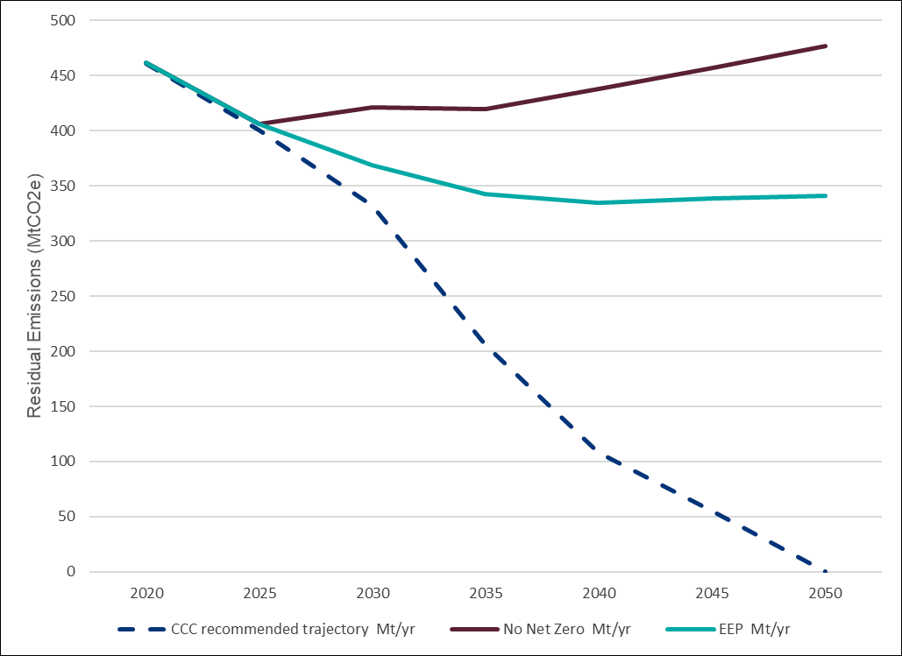
Carbon Budget 7 - Impact Assessment
Figure 4: Modelled baselines for the seventh carbon budget impact assessment
Chapter: | Baselines
Figure number | 4
Figure title | Modelled baselines for the seventh carbon budget impact assessment
Source(s): | DESNZ Internal Analysis, 2026
Labels
Primary y axis | Residual Emissions (MtCO2e)
Primary x axis | Year
Author notes
DATA
Baseline | Unit | 2020 | 2025 | 2030 | 2035 | 2040 | 2045 | 2050
CCC recommended trajectory | Mt/yr | 461 | 400 | 332 | 206 | 108 | 55 | 0
No Net Zero | Mt/yr | 462 | 406 | 421 | 420 | 438 | 457 | 477
EEP | Mt/yr | 462 | 406 | 369 | 342 | 335 | 338 | 341

CB7 IA Figure 5
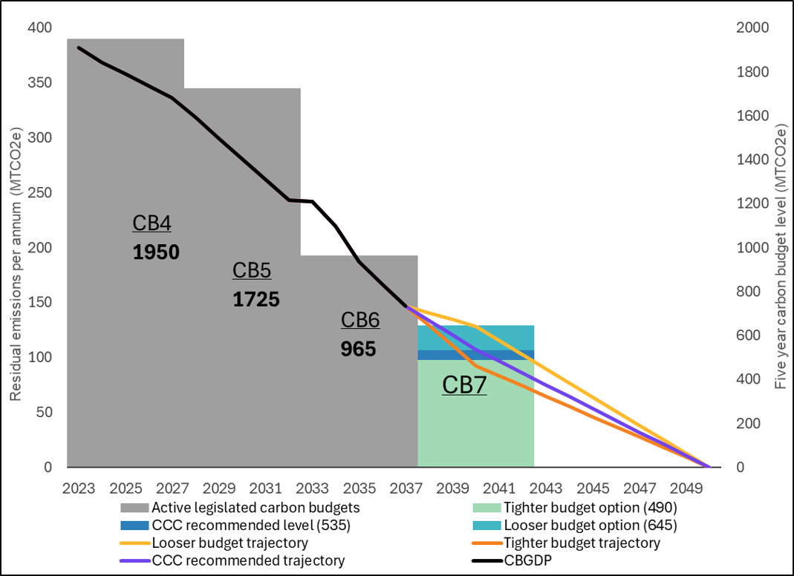
Carbon Budget 7 - Impact Assessment
Figure 5: Modelled seventh carbon budget options in terms of five-year budget level (right axis) and per annum emissions (left axis), assuming a straight line to net zero between 2042 and 2050, MtCO2e
Chapter: | Seventh carbon budget option levels
Figure number | 5
Figure title | Modelled seventh carbon budget options in terms of five-year budget level (right axis) and per annum emissions (left axis), assuming a straight line to net zero between 2042 and 2050, MtCO2e
Source(s): | DESNZ Internal Analysis, 2026
Labels | CB4 1950, CB5 1725, CB6 965, CB7
Primary y axis | Residual emissions per anum (MtCO2e), Five year carbon budget level (MTCO2e)
Primary x axis | Year
Author notes
DATA
 | 2023 | 2024 | 2025 | 2026 | 2027 | 2028 | 2029 | 2030 | 2031 | 2032 | 2033 | 2034 | 2035 | 2036 | 2037 | 2038 | 2039 | 2040 | 2041 | 2042 | 2043 | 2044 | 2045 | 2046 | 2047 | 2048 | 2049 | 2050
CB4 | 390 | 390 | 390 | 390 | 390
CB5 |  |  |  |  |  | 345 | 345 | 345 | 345 | 345
CB6 |  |  |  |  |  |  |  |  |  |  | 193 | 193 | 193 | 193 | 193
5 year CBs | 1950 | 1950 | 1950 | 1950 | 1950 | 1725 | 1725 | 1725 | 1725 | 1725 | 965 | 965 | 965 | 965 | 965
CB7 |  |  |  |  |  |  |  |  |  |  |  |  |  |  |  | 490 | 490 | 490 | 490 | 490
CCC recommended level (535) |  |  |  |  |  |  |  |  |  |  |  |  |  |  |  | 45 | 45 | 45 | 45 | 45
Looser budget option (645) |  |  |  |  |  |  |  |  |  |  |  |  |  |  |  | 110 | 110 | 110 | 110 | 110
CBGDP | 382 | 368 | 359 | 347 | 336 | 319 | 299 | 281 | 262 | 243 | 242 | 220 | 188 | 167 | 147
CCC recommended level (535) |  |  |  |  |  |  |  |  |  |  |  |  |  |  |  | 134 | 120 | 107 | 97 | 86 | 75 | 64 | 54 | 43 | 32 | 21 | 11 | 0
Tighter budget option (490) |  |  |  |  |  |  |  |  |  |  |  |  |  |  |  | 129 | 111 | 93 | 83 | 74 | 65 | 56 | 46 | 37 | 28 | 19 | 9 | 0
Looser budget option (645) |  |  |  |  |  |  |  |  |  |  |  |  |  |  |  | 141 | 134 | 128 | 115 | 103 | 90 | 77 | 64 | 51 | 38 | 26 | 13 | 0

CB7 IA Figure 6
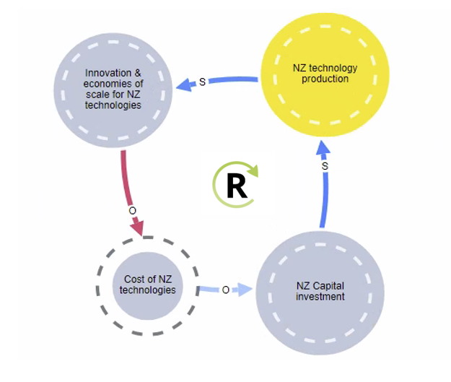
Carbon Budget 7 - Impact Assessment
Figure 6: Reinforcing feedback loop where increases in capital investment for net zero technologies increase their production, accelerating economies of scale and innovation, this reducing cost. This, in turn, further incentivises capital investment
Chapter: | Achieving net zero by 2050
Figure number | 6
Figure title | Reinforcing feedback loop where increases in capital investment for net zero technologies increase their production, accelerating economies of scale and innovation, this reducing cost. This, in turn, further incentivises capital investment
Source(s): | DESNZ Internal Analysis, 2026

CB7 IA Figure 7
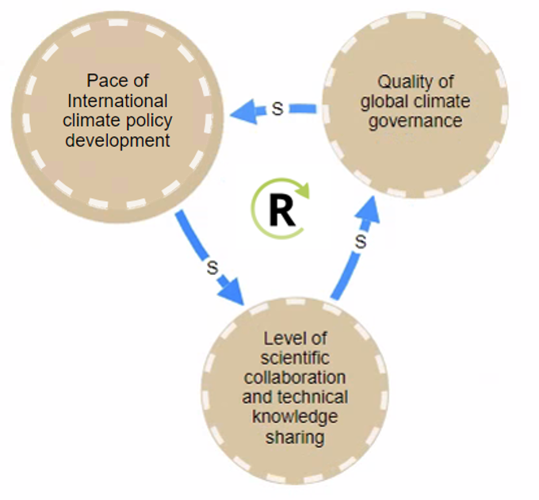
Carbon Budget 7 - Impact Assessment
Figure 7: Reinforcing feedback loop whereby increases in the quality of global climate governance increase international climate policy development, driving increases in practical collaboration across nations, thus increasing the effectiveness of UK diplomacy
Chapter: | Strengthening international ambition
Figure number | 7
Figure title | Reinforcing feedback loop whereby increases in the quality of global climate governance increase international climate policy development, driving increases in practical collaboration across nations, thus increasing the effectiveness of UK diplomacy
Source(s): | DESNZ Internal Analysis, 2026

CB7 IA Figure 8
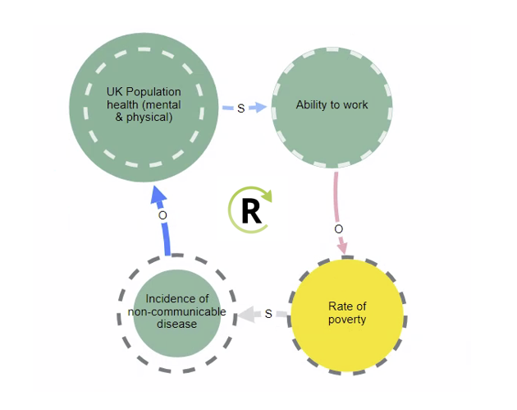
Carbon Budget 7 - Impact Assessment
Figure 8: Reinforcing feedback loop whereby reductions in the incidence of non-communicable disease, improve overall population health, increasing the number of people in work and reducing overall poverty rates (Green variables are health relevant variables, yellow are growth)
Chapter: | Delivering a positive impact on growth
Figure number | 8
Figure title | Reinforcing feedback loop whereby reductions in the incidence of non-communicable disease, improve overall population health, increasing the number of people in work and reducing overall poverty rates (Green variables are health relevant variables, yellow are growth)
Source(s): | DESNZ Internal Analysis, 2026

CB7 IA Figure 9
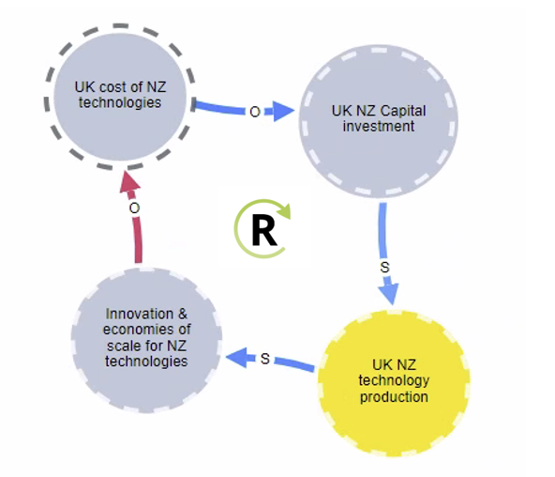
Carbon Budget 7 - Impact Assessment
Figure 9: Reinforcing feedback loop where increases in UK NZ capital investment, increase domestic technology production, increasing economies of scale and innovation for these technologies, reducing costs, and further incentivising UK capital investment (blue variables are net zero variables, yellow are growth)
Chapter: | Delivering a positive impact on growth
Figure number | 9
Figure title | Reinforcing feedback loop where increases in UK NZ capital investment, increase domestic technology production, increasing economies of scale and innovation for these technologies, reducing costs, and further incentivising UK capital investment (blue variables are net zero variables, yellow are growth)
Source(s): | DESNZ Internal Analysis, 2026

CB7 IA Figure 11
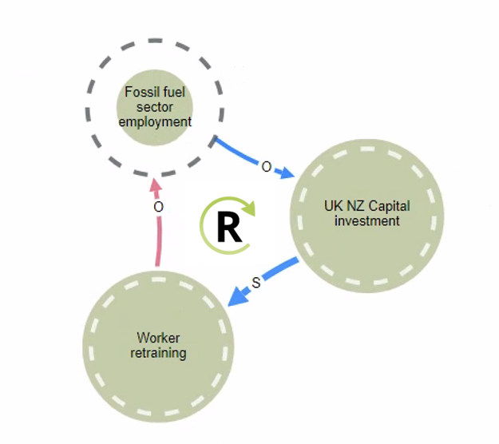
Carbon Budget 7 - Impact Assessment
Figure 11: Feedback loop demonstrating how NZ capital investment drives a transition away from fossil fuel sector employment and, subject to worker retraining, towards further capital investment
Chapter: | Delivering a positive impact on growth
Figure number | 11
Figure title | Feedback loop demonstrating how NZ capital investment drives a transition away from fossil fuel sector employment and, subject to worker retraining, towards further capital investment
Source(s): | DESNZ Internal Analysis, 2026

CB7 IA Figure 12
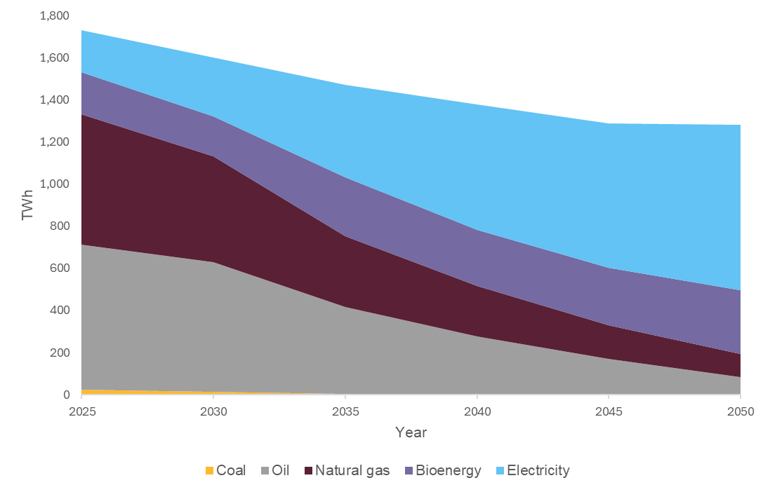
Carbon Budget 7 - Impact Assessment
Figure 12: Illustrative primary energy demands to 2050 in pathway 1
Chapter: | Delivering energy security
Figure number | 12
Figure title | Illustrative total energy demands to 2050 in pathway 1
Source(s): | DESNZ Internal Analysis, 2026
Labels
Primary y axis | Energy demand (TWh)
Primary x axis | Year
Author notes
DATA
 | 2025 | 2030 | 2035 | 2040 | 2045 | 2050
Natural gas | 620 | 503 | 336 | 240 | 159 | 109
Oil | 690 | 615 | 413 | 271 | 165 | 80
Coal | 23 | 14 | 4 | 4 | 4 | 4
Electricity | 198 | 282 | 441 | 597 | 684 | 786
Bioenergy | 200 | 189 | 278 | 267 | 276 | 305

CB7 IA Figure 13
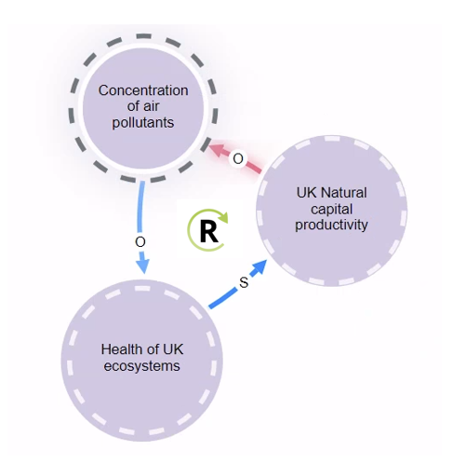
Carbon Budget 7 - Impact Assessment
Figure 13: Reinforcing feedback loop where reductions in the concentration of air pollutants drive improved ecosystem health and natural capital productivity, further reducing air pollutant concentration.
Chapter: | Supporting health
Figure number | 13
Figure title | Reinforcing feedback loop where reductions in the concentration of air pollutants drive improved ecosystem health and natural capital productivity, further reducing air pollutant concentration.
Source(s): | DESNZ Internal Analysis, 2026

CB7 IA Figure 14
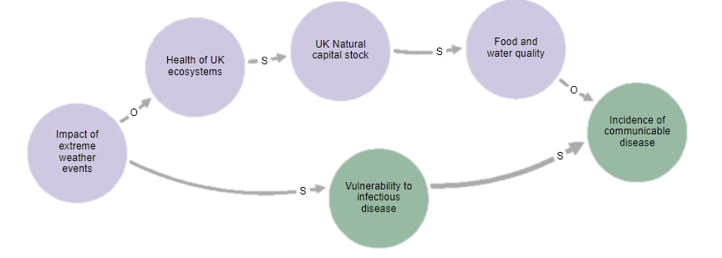
Carbon Budget 7 - Impact Assessment
Figure 14: Causal chain demonstrating the impact of extreme weather events on the incidence of communicable disease
Chapter: | Supporting health
Figure number | 14
Figure title | Causal chain demonstrating the impact of extreme weather events on the incidence of communicable disease
Source(s): | DESNZ Internal Analysis, 2026

CB7 IA Figure 15
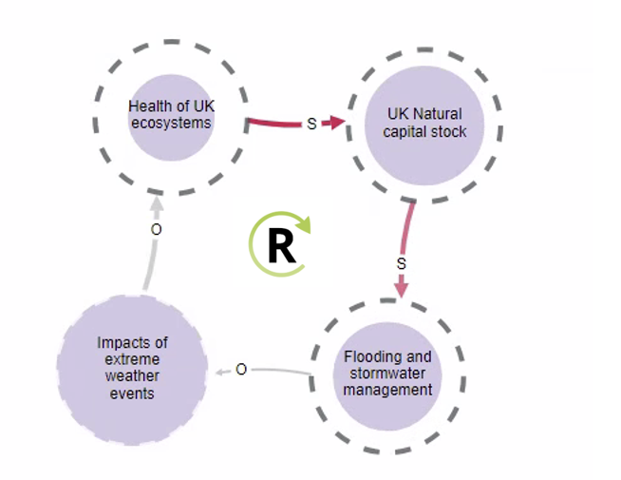
Carbon Budget 7 - Impact Assessment
Figure 15: Reinforcing feedback loop where worsening climate impacts reduces the health of UK ecosystems, this degrades UK natural capital and reduces natural flood defences, increasing the negative impact of future weather events.
Chapter: | Protecting nature
Figure number | 15
Figure title | Reinforcing feedback loop where worsening climate impacts reduces the health of UK ecosystems, this degrades UK natural capital and reduces natural flood defences, increasing the negative impact of future weather events.
Source(s): | DESNZ Internal Analysis, 2026

