F1.1
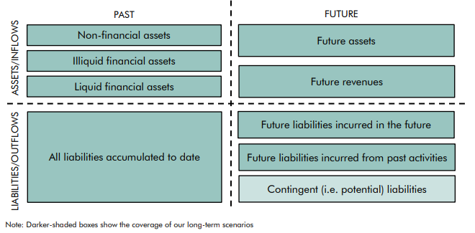
Back to contents
 | Figure 1.1: The fiscal consequences of past and future government activity

C1.1
Back to contents
 | Chart 1.1: General government borrowing and net debt in advanced economies

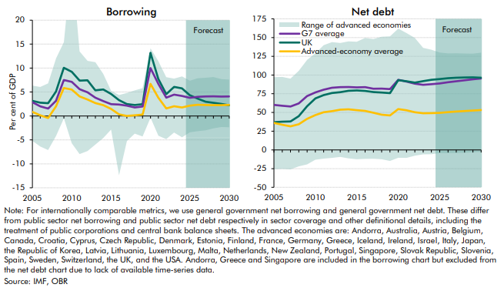

 | Borrowing | 2005 | 2006 | 2007 | 2008 | 2009 | 2010 | 2011 | 2012 | 2013 | 2014 | 2015 | 2016 | 2017 | 2018 | 2019 | 2020 | 2021 | 2022 | 2023 | 2024 | 2025 | 2026 | 2027 | 2028 | 2029 | 2030
 | Range of advanced economies:
 | Minimum | -5.2 | -6.4 | -7.1 | -4.2 | -0.5 | -5.7 | -8.0 | -7.3 | -6.0 | -4.6 | -2.9 | -12.4 | -5.2 | -3.7 | -4.3 | -0.4 | -4.1 | -4.8 | -3.5 | -4.5 | -3.4 | -3.2 | -3.0 | -2.6 | -2.3 | -2.4
 | Maximum | 6.3 | 6.0 | 6.8 | 12.0 | 15.4 | 32.1 | 13.5 | 11.5 | 11.2 | 8.8 | 5.3 | 4.4 | 4.8 | 5.3 | 5.8 | 14.1 | 11.4 | 8.1 | 7.8 | 8.3 | 7.4 | 7.9 | 8.0 | 8.1 | 7.7 | 7.6
 | G7 average | 2.9 | 2.0 | 1.5 | 3.1 | 7.5 | 7.1 | 5.6 | 4.9 | 3.8 | 3.1 | 2.5 | 2.4 | 2.1 | 1.8 | 2.0 | 10.0 | 6.7 | 3.8 | 4.5 | 4.2 | 3.8 | 4.0 | 4.1 | 4.1 | 4.1 | 4.1
 | UK | 3.2 | 2.8 | 2.7 | 5.1 | 10.1 | 9.2 | 7.4 | 7.4 | 5.3 | 5.5 | 4.6 | 3.3 | 2.5 | 2.3 | 2.5 | 13.2 | 7.7 | 4.6 | 6.1 | 5.7 | 4.3 | 3.6 | 3.0 | 2.7 | 2.5 | 2.2
 | Advanced-economy average | 0.9 | 0.1 | -0.4 | 2.0 | 5.8 | 5.5 | 4.1 | 3.4 | 2.7 | 2.3 | 1.5 | 0.3 | 0.0 | 0.1 | 0.3 | 6.7 | 3.8 | 1.6 | 2.0 | 1.8 | 2.1 | 2.3 | 2.3 | 2.2 | 2.3 | 2.3

 | Net debt | 2005 | 2006 | 2007 | 2008 | 2009 | 2010 | 2011 | 2012 | 2013 | 2014 | 2015 | 2016 | 2017 | 2018 | 2019 | 2020 | 2021 | 2022 | 2023 | 2024 | 2025 | 2026 | 2027 | 2028 | 2029 | 2030
 | Range of advanced economies
 | Minimum | -25.8 | -25.4 | -26.0 | -22.0 | -19.4 | -13.2 | -11.7 | -10.6 | -9.4 | -11.3 | -12.4 | -12.0 | -11.7 | -12.5 | -14.8 | -10.4 | -10.7 | -7.8 | -5.9 | -5.7 | -4.1 | -4.3 | -4.1 | -3.7 | -3.2 | -2.5
 | Maximum | 97.2 | 97.5 | 95.3 | 105.7 | 120.3 | 128.9 | 139.9 | 144.0 | 142.8 | 144.9 | 144.4 | 149.5 | 148.1 | 151.1 | 151.6 | 162.0 | 156.0 | 149.5 | 136.3 | 133.9 | 130.1 | 128.9 | 129.1 | 128.7 | 128.6 | 129.9
 | G7 average | 60.1 | 58.9 | 58.0 | 62.1 | 71.9 | 76.9 | 80.4 | 83.0 | 83.9 | 84.0 | 83.5 | 83.9 | 81.8 | 81.8 | 81.1 | 93.6 | 91.2 | 88.4 | 86.9 | 87.8 | 88.8 | 90.3 | 91.7 | 93.0 | 94.2 | 95.5
 | UK | 37.1 | 37.7 | 38.1 | 45.0 | 58.2 | 68.8 | 73.2 | 76.0 | 77.1 | 78.9 | 79.3 | 78.8 | 77.2 | 76.6 | 75.8 | 93.1 | 91.7 | 89.8 | 91.8 | 93.7 | 94.6 | 95.9 | 96.4 | 96.8 | 96.9 | 96.4
 | Advanced-economy average | 36.1 | 33.7 | 31.5 | 34.3 | 41.5 | 46.5 | 50.2 | 51.8 | 53.7 | 54.2 | 53.1 | 52.1 | 49.6 | 47.0 | 46.1 | 54.5 | 52.9 | 50.3 | 49.0 | 49.1 | 49.4 | 50.4 | 51.2 | 51.9 | 52.6 | 53.3

C1.2
Back to contents
 | Chart 1.2: Age profile for total primary spending and primary receipts

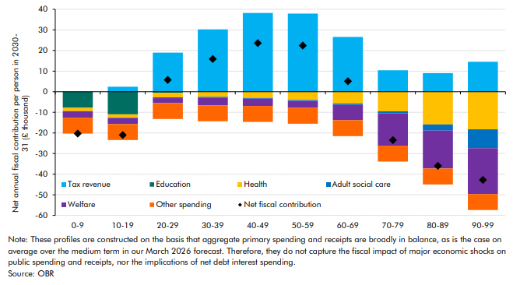

 | Age | 0-9 | 10-19 | 20-29 | 30-39 | 40-49 | 50-59 | 60-69 | 70-79 | 80-89 | 90-99
 | Tax revenue | 0.0 | 2.4 | 18.9 | 30.2 | 38.2 | 37.9 | 26.6 | 10.4 | 9.0 | 14.6
 | Education | -7.8 | -11.0 | -0.5 | -0.1 | -0.1 | -0.1 | 0.0 | 0.0 | 0.0 | -0.1
 | Health | -1.6 | -1.6 | -2.2 | -2.4 | -2.9 | -3.9 | -5.7 | -9.5 | -15.9 | -18.1
 | Adult social care | 0.0 | -0.1 | -0.4 | -0.4 | -0.4 | -0.5 | -0.6 | -0.9 | -3.0 | -9.1
 | Welfare | -3.2 | -3.0 | -2.4 | -3.8 | -3.5 | -3.3 | -7.4 | -15.7 | -18.4 | -22.3
 | Other spending | -7.7 | -7.7 | -7.7 | -7.7 | -7.7 | -7.7 | -7.7 | -7.7 | -7.7 | -7.7
 | Net fiscal contribution | -20.3 | -21.0 | 5.7 | 15.9 | 23.6 | 22.4 | 5.1 | -23.5 | -35.9 | -42.8

