Instructions
1 | Complete 1.1 Information Tab and update final date when approved
 | NOTE: 'Exchange Rate' - enter the exchange rate used to convert local currency to GBP for budget purposes including the source and date. FCDO recommends using OANDA (www.oanda.com) for exchange rates. Other rates may be used but are subject to review and approval by FCDO.

2 | 1.2 Budget Tab, this tab is self populating and driven by formulae.

2.1 | This tab should be completed for the 1st year of the budget only and as budget should be profiled at a minimum on a quarterly basis.
 | Column 'B' ' Budget Heading' - Complete each row for each 'Budget Heading' selecting the budget heading from the dropdown list in column 'B' Suggest to work through each budget heading individualy
 | Column 'C' Consortium Member - all grants (including those that are not consoritum grants) must fill this in for every item on the budget. Please see notes on sheet 2.1.
 | Column 'D' 'Organisation' - enter the name of the organisation that will provide the service or if contracting staff please enter 'Contractor'
 | Column 'E' Country - Input the country that the goods or servies will be procured in.
 | Column 'F', 'Detailed Decription' - provide a detailed description of the nature of the goods or services being procured. Provide name of sub-contractor or person filling the role if known.
 | Column 'G', 'Purchase Rationale' - why are the goods/services required for the project? This must be completed for items of Capital Expenditure. Provide detail of fee rates and budget assumptions for contractors/ outsourced services
 | Column 'H', 'Job Family' This is only completed if Budget Heading 'Project Staff Costs - Pay' has been selected in column 'B'. Select the role type from the dropdown list. Cell will be highlighted 'Orange' to indicate that input is required.
 | Column 'I', 'Role' This is only completed if Budget Heading 'Project Staff Costs - Pay' has been selected in column 'B'. Cell will be highlighted 'Orange' to indicate that input is required.
 | Column 'J' , 'Travel & Subsistence' This is only completed in Budget Heading ' Project Staff Costs - Travel & Subsistence' has been selected in column 'B'. Cell will be highlighte 'Orange ' to indicate input is required.
 | Column 'K' , 'Amount Local Currency' - If goods or services purchased in local currency input the gross vaue in that currency. Gross cost per item should be quoted. If Salary Costs them input gross monthly/ quarterly salary. If contractor costs input gross day/ hourly rate. Use column ' G', 'Detailed Desctription' to input name of contractor if known and use column 'G' , 'Purchase Rationale' to provide detail of budget assumption/ fee rate used
 | Column 'L', 'Exchange Rate' - enter the exchange rate used to convert local currency to GBP for budget purposes. Exchange rates should be from www.OANDA.com. Complete the Exchange rate table at the top of Columns P:R.
 | Column 'M' calculate the gross amount in GBP using information in columns 'K' and 'L'
 | Column 'N' 'Quantity' - input the quantity based on the budget assumption input in column 'L' and detailed in column 'G'
 | Column 'O' 'Rate' - input the unit cost/rate based on the budget assumption input in column 'L' and detailed in column 'G'
 | Columns "P" to "AA" enter monthly/ quarterly amounts
 | Column 'AB' , 'Total' This cell will automatically populate based on the information input in Columns 'O' and 'P'.

Additional | Items of capital expenditure do need to be itemised and detailed at unit cost level
 | Other Items of a similar nature can be aggregated and do not have to be detailled at 'unit cost or rate' level
 | There is the option enter the Project Outcome as per the logframe to aid budgeting process. This is an optional function.
 | Check that the Total Check at the end of column 'Q' is zero. If there is a difference then there is an error between what has been entered on tab 2.1 to what is showing on tab 1.2.
 | To insert another row in "2.1 Budget Detail YR1" copy the row above and select insert copied cells
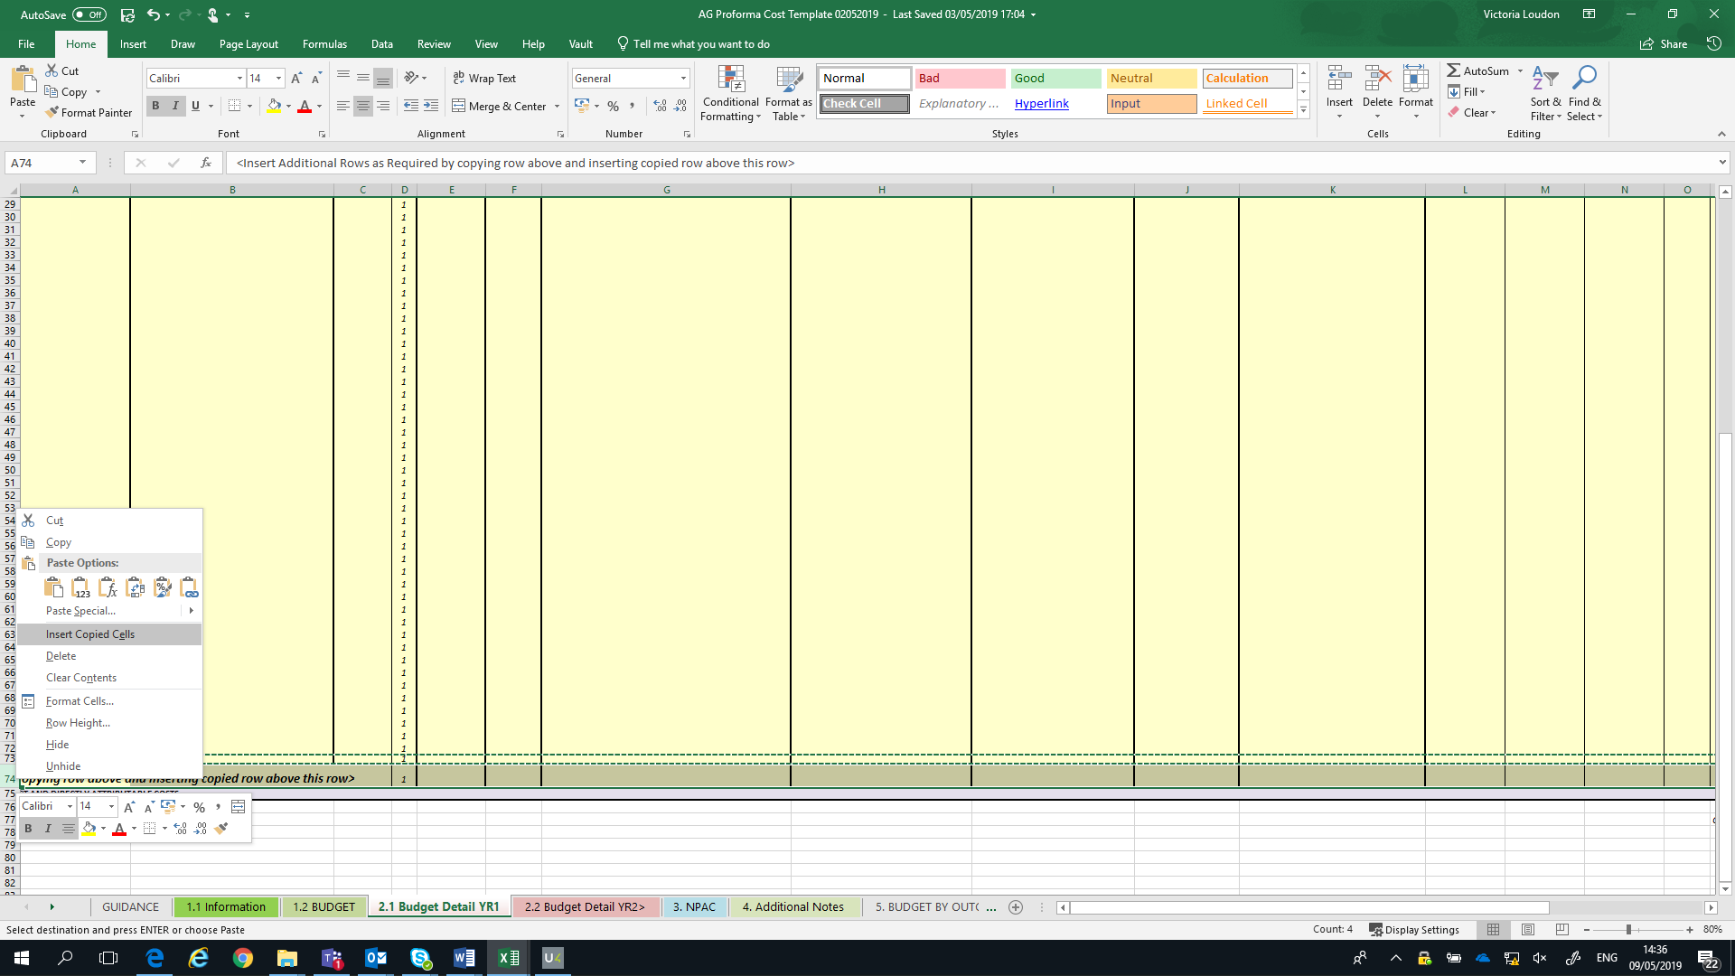

2.2 | This tab should be completed for the 2nd year onwards of the budget only and s budget should be profiled at a minimum on a annual basis.
 | Column 'B' ' Budget Heading' - Complete each row for each 'Budget Heading' selecting the budget heading from the dropdown list in column 'B' Suggest to work through each budget heading individualy
 | Column 'C' Consortium Member - all grants (including those that are not consoritum grants) must fill this in for every item on the budget. Please see notes on sheet 2.1.
 | Column 'D' 'Organisation' - enter the name of the organisation that will provide the service or if contracting staff please enter 'Contractor'
 | Column 'E' Country - Input the country that the goods or servies will be procured in.
 | Column 'F', 'Detailed Decription' - provide a detailed description of the nature of the goods or services being procured. Provide name of sub-contractor or person filling the role if known.
 | Column 'G', 'Purchase Rationale' - why are the goods/services required for the project? This must be completed for items of Capital Expenditure. Provide detail of fee rates and budget assumptions for contractors/ outsourced services
 | Column 'H', 'Job Family' This is only completed if Budget Heading 'Project Staff Costs - Pay' has been selected in column 'B'. Select the role type from the dropdown list. Cell will be highlighted 'Orange' to indicate that input is required.
 | Column 'I', 'Role' This is only completed if Budget Heading 'Project Staff Costs - Pay' has been selected in column 'B'. Cell will be highlighted 'Orange' to indicate that input is required.
 | Column 'J' , 'Travel & Subsistence' This is only completed in Budget Heading ' Project Staff Costs - Travel & Subsistence' has been selected in column 'B'. Cell will be highlighte 'Orange ' to indicate input is required.
 | Column 'K' , 'Amount Local Currency' - If goods or services purchased in local currency input the gross vaue in that currency. Gross cost per item should be quoted. If Salary Costs them input gross monthly/ quarterly salary. If contractor costs input gross day/ hourly rate. Use column ' G', 'Detailed Desctription' to input name of contractor if known and use column 'G' , 'Purchase Rationale' to provide detail of budget assumption/ fee rate used
 | Column 'L', 'Exchange Rate' - enter the exchange rate used to convert local currency to GBP for budget purposes. Exchange rates should be from www.OANDA.com . Complete the Exhange Rate table at top of colums P:R
 | Column 'M' calculate the gross amount in GBP using information in columns 'K' and 'L'
 | Column 'N' 'Quantity' - input the quantity based on the budget assumption input in column 'L' and detailed in column 'G'
 | Column 'O' '/Rate' - input the unit cost/rate based on the budget assumption input in column 'L' and detailed in column 'G'
 | Columns "P" to "S" inplu the total amounts per year
 | Column 'T' , 'Total' This cell will automatically populate based on the information input in Columns 'O' to 'R'.

Additional | Items of capital expenditure do need to be itemised and detailed at unit cost level
 | Other Items of a simillar nature can be aggregated and do not have to be detailled at 'unit cost or rate' level
 | There is the option enter the Project Outcome as per the logframe to aid budgeting process. This is an optional function.
 | Check that the Total Check at the end of column 'Q' is zero. If there is a difference then there is an error between what has been entered on tab 2.1 to what is showing on tab 1.2.
 | To insert another row in "2.1 Budget Detail YR2" copy the row above and select insert copied cells as per above.

3 | NPAC

 | Table 1
 | This is just for information and does not need to be completed.
 | Table 2
 | In Cells B17, C17 & D17 enter the direct charitable costs of your organisation for the previous three years as per your organisation’s financial statements, with the most recent year in year three. If your organisation has been operating for less than three years, just include the years you have.
 | In column F make any adjustments required to ensure the three-year average produced is a true reflection of your organisations financial position. You must explain this adjustment in the notes section.
 | In the ‘Adjustments (Ineligible direct charitable costs)’ section in Table 2, please include any ineligible direct costs. These should be entered as a positive number – the spreadsheet will subtract them from the total automatically. Ineligible costs are set out in the guidance available at: https://www.gov.uk/government/publications/dfid-accountable-grant-arrangement-budget-template-and-guidance
 | Table 3
 | Under the ‘Costs per Audited Accounts allocated to Indirect Costs’ section, insert the indirect/NPAC/overhead costs your organisation has incurred for the previous three years, with the most recent year in year three.
...
 | If the grant lead is a consortia, the partner engaging with FCDO is the lead partner and should fill in the NPAC % (as calculated using FCDO’s methodology) into the yellow cells as appropriate.
 | It is not necessary to do this for downstream (Tier 2) partners, but we would expect the approach of full cost recovery to be passed on to these partners.

4 | Additional Notes
 | To include any clarification that would be helpful interpreting the Budgeted figures

5 | Budget by Outcome
 | This tab is only for use if you are completing tabs 2.1 (columns 'AB' and 'AC') and 2.2 (Columns 'T'and 'U') with the Project Outcomes that the budget relates to.
 | you can refresh the piviot tables by right clicking on each pivot table and select 'Refresh' and this will automatically populate with the information in tabs 2.1 and 2.2

