Title Sheet
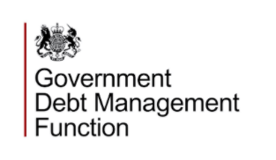

GovS 014: Debt Functional Standard
Continuous Improvement Assessment Framework Tool

Version: 2.1
Status: Approved for internal use
Date Issued:

