Cover_sheet
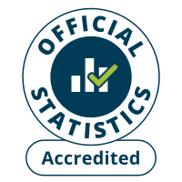
Fire and rescue incident statistics
England, year ending December 2025: data tables
Table 0201
Responsible Statistician: Katrina Ihebunezie
Email: FireStatistics@communities.gov.uk
Press enquiries: NewsDesk@communities.gov.uk
Published: 29 April 2026
Next update: 22 July 2026
Crown copyright © 2026
Contents
We’re always looking to improve the accessibility of our documents.
If you find any problems, or have any feedback, relating to accessibility
Please email us at firestatistics@communities.gov.uk

