Figure 1
Figure 1: Mean and Median time to decision; April 2025 to March 2026
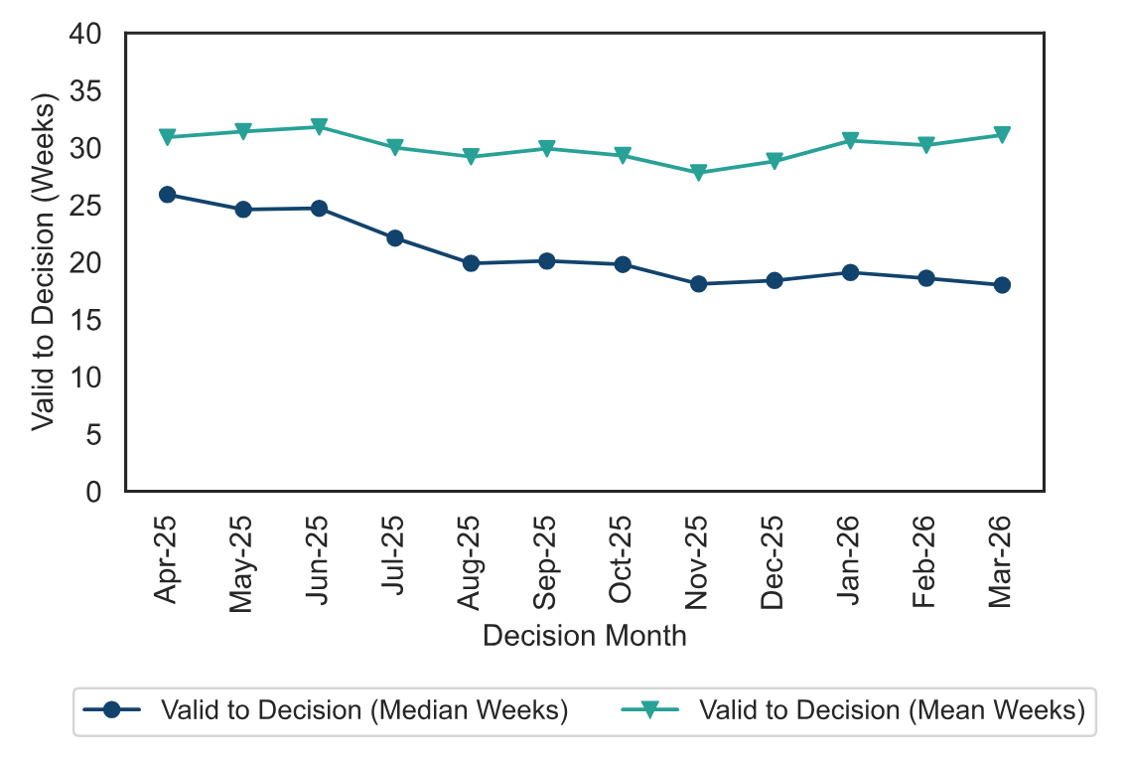

Figure 2
Figure 2: Number of events held, decisions issued and median time between valid date & decision date; April 2025 to March 2026
Source: Horizon

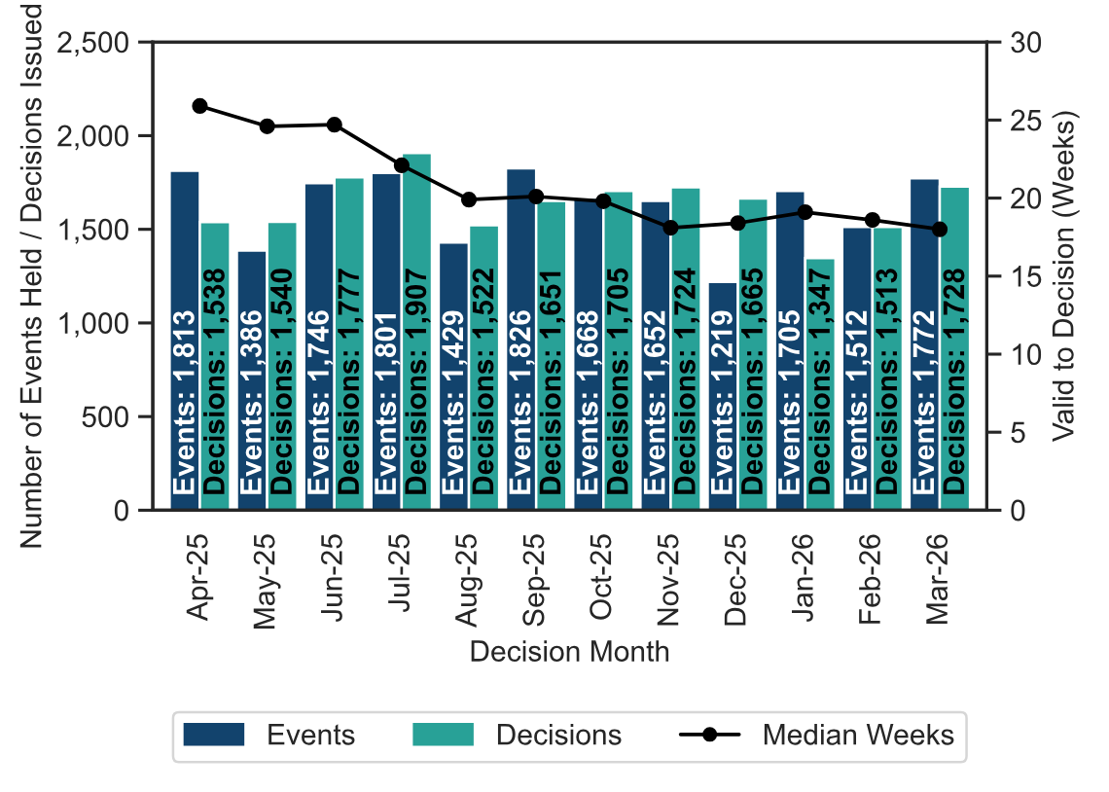

Figure 3
Figure 3: Number of cases received, closed and open; April 2025 to March 2026
Source: Horizon and Picaso
Note 1: there is a known anomaly that means that the number of open cases does not exactly follow the volumes of cases closed or received (for example the number of open cases can increase between months even though the number closed exceeded the number received). The main reasons for this have been identified and are detailed in the Background Quality Report. The inspectorate are Investigating how to introduce new processes to improve the quality of this data which once complete may result in revisions to the number of open cases.

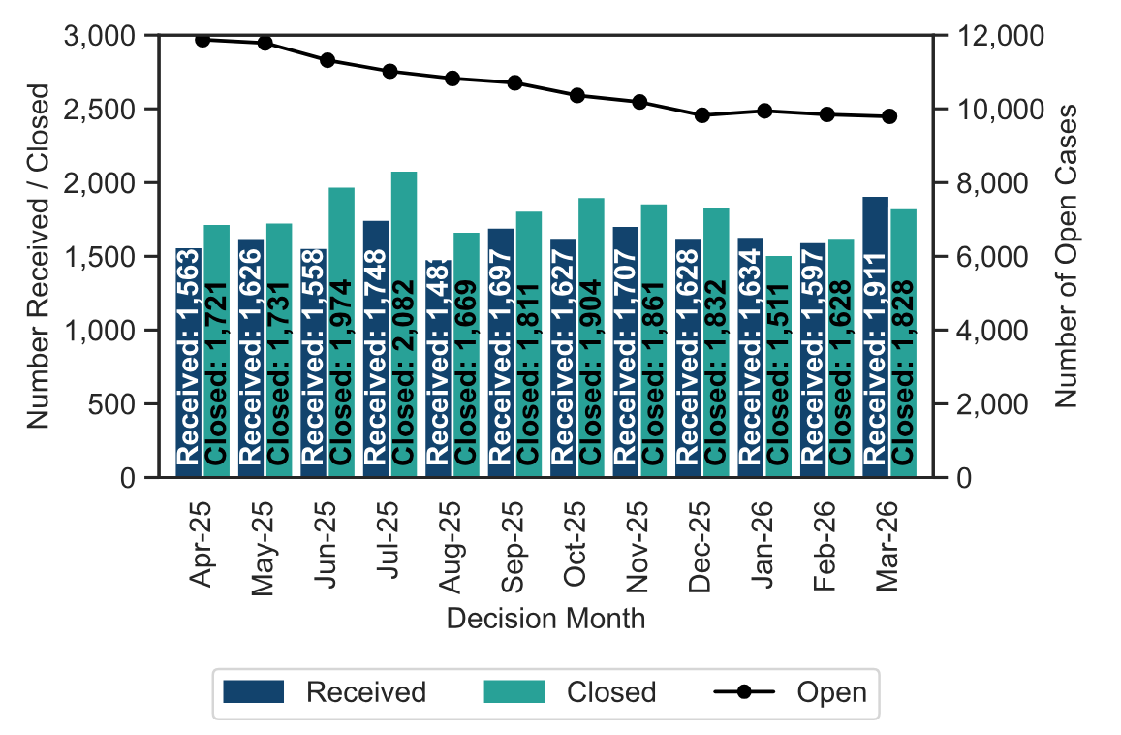

Figure 4
Figure 4 – Appeal Decisions by Procedure; April 2025 to March 2026

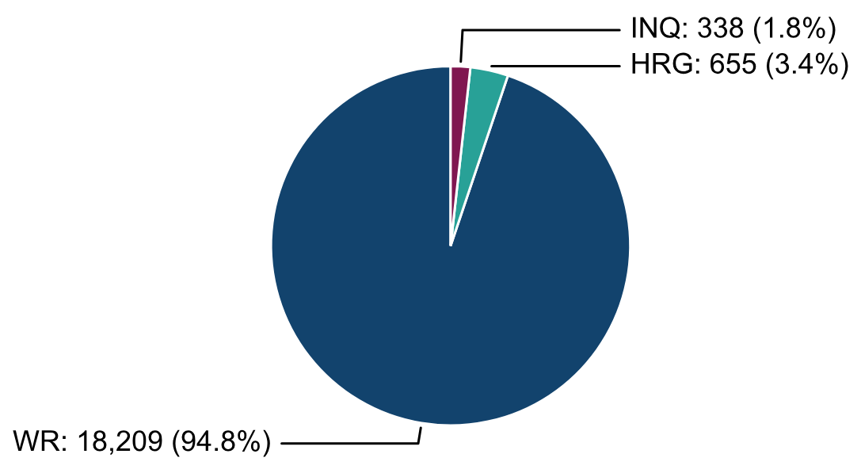

Figure 5
Figure 5: Mean, Median Time to Decision, Rosewell Inquiry Process; April 2025 to March 2026

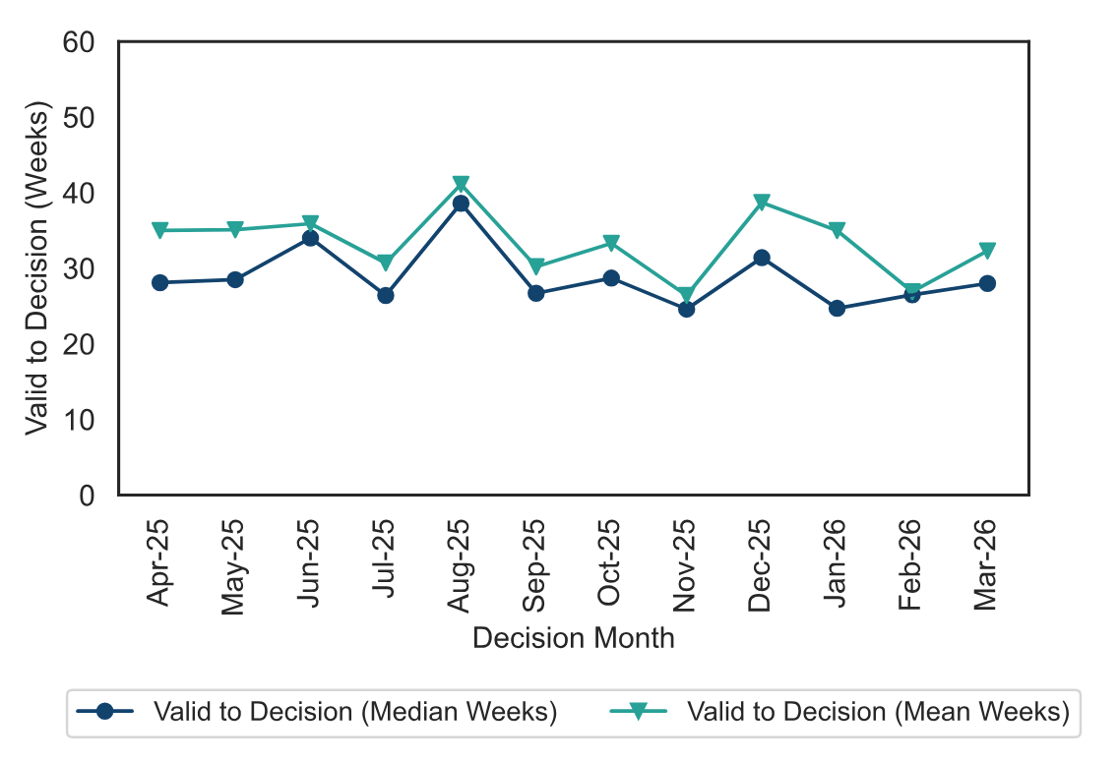

Figure 6
Figure 6 – Appeal Decisions by Casework Category; April 2025 to March 2026
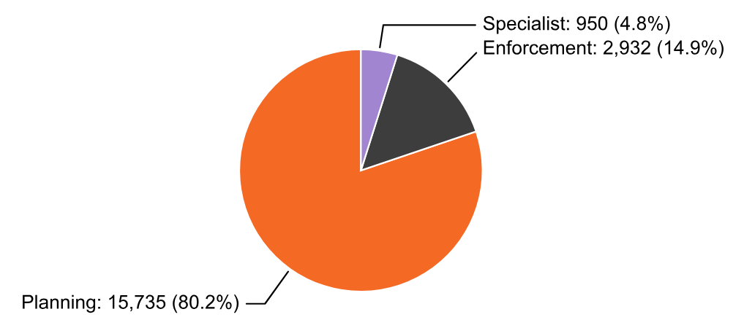

Figure 7
Figure 7 – Median time to decision by casework area; April 2025 to March 2026

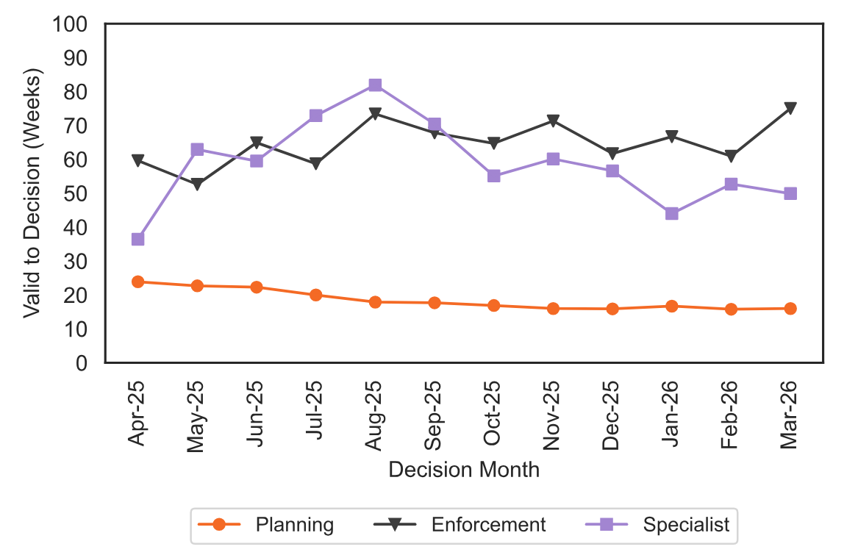

Annex C
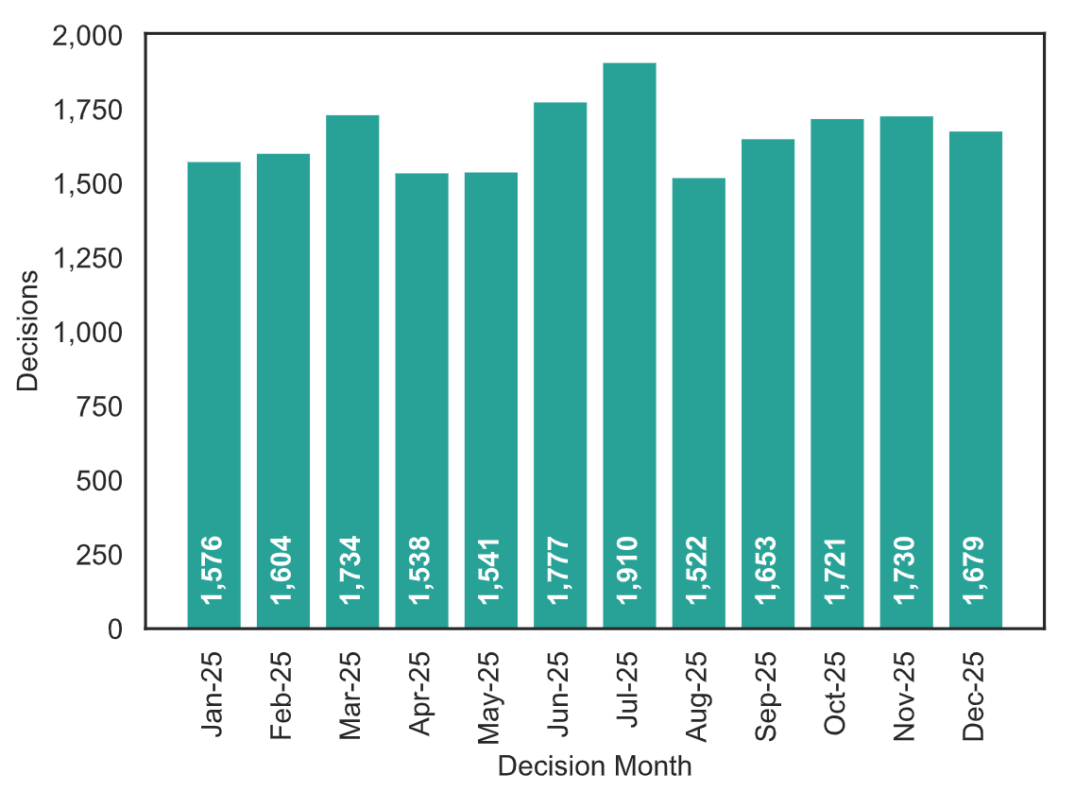
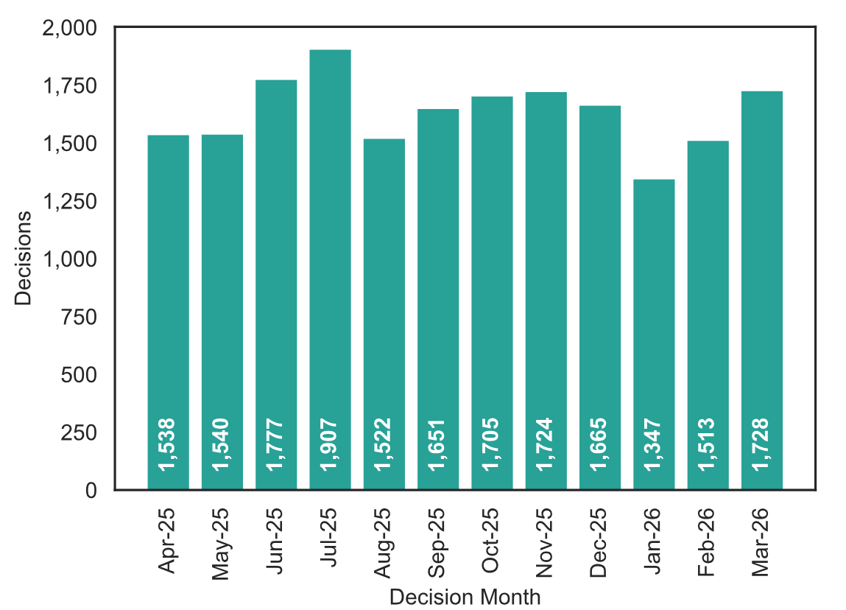
Annex C– Appeal Decisions; January to December 2025
Source: Horizon

