Contents
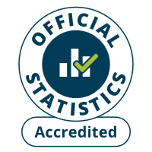
Contents
To access data tables, select the table headings or tabs.
To return to contents click "Back to contents" link at the top of each page.
This release contains 16 worksheets, a guidance page and a page of notes.
For more information about the Family Resources Survey please see our guidance section.
Guidance
Notes
Table | Table Description
2.1 | Sources of total gross household income, financial year ending 2014 to financial year ending 2025, United Kingdom
2.2a | Sources of total gross household income by region/country, 2024 to 2025, United Kingdom
2.2b | Sources of total gross household income by region/country, 2024 to 2025, United Kingdom
2.3 | Sources of total gross household income by ethnic group of head, average of 2022 to 2023, 2023 to 2024 and 2024 to 2025, United Kingdom
2.4 | Sources of total gross household income by age of head, 2024 to 2025, United Kingdom
2.5 | Households by composition and total gross weekly household income, 2024 to 2025, United Kingdom
2.6 | Households by region/country and total gross weekly household income, 2024 to 2025, United Kingdom
2.7 | Households by ethnic group of head and total gross weekly household income, average of 2022 to 2023, 2023 to 2024 and 2024 to 2025, United Kingdom
2.8 | Benefit units by state support receipt and region/country, 2024 to 2025, United Kingdom
2.9 | Benefit units by state support receipt and benefit unit type, 2024 to 2025, United Kingdom
2.10 | Benefit units by state support receipt and ethnic group of head, average of 2022 to 2023, 2023 to 2024 and 2024 to 2025, United Kingdom
2.11 | Benefit units by state support receipt and age of head, 2024 to 2025, United Kingdom
2.12 | Benefit units by state support receipt and tenure, 2024 to 2025, United Kingdom
2.13 | Benefit units by state support receipt and economic status, 2024 to 2025, United Kingdom
2.14a | Number of benefit units by amount of annual state support received, financial year ending 2023 to financial year ending 2025, United Kingdom
2.14b | Percentage of benefit units by amount of annual state support received, financial year ending 2023 to financial year ending 2025, United Kingdom

2_1
Data Tables: Income and state support, Family Resources Survey, financial year 2024 to 2025, United Kingdom
This worksheet contains 1 table and 1 chart presented horizontally with 1 blank column in between.
Relevant notes can be found on the Notes worksheet. See [Note 1] [Note 2] [Note 3] [Note 4] [Note 5] [Note 6] [Note 25] [Note 27] [Note 28].
There is a break in series from 2021/22 with the introduction of integrated survey and benefit admin data.
Back to Contents | See Notes
Source: Family Resources Survey
Table 2.1: Sources of total gross household income [Note 1], FYE 2015 to FYE 2025, United Kingdom |  |  |  |  |  |  |  | Chart 2.1: Sources of total gross household income [Note 1] [Note 25], FYE 2015 to FYE 2025 [Note 2], United Kingdom
 |  |  |  |  |  | Percentage of total gross household income [Note 3]
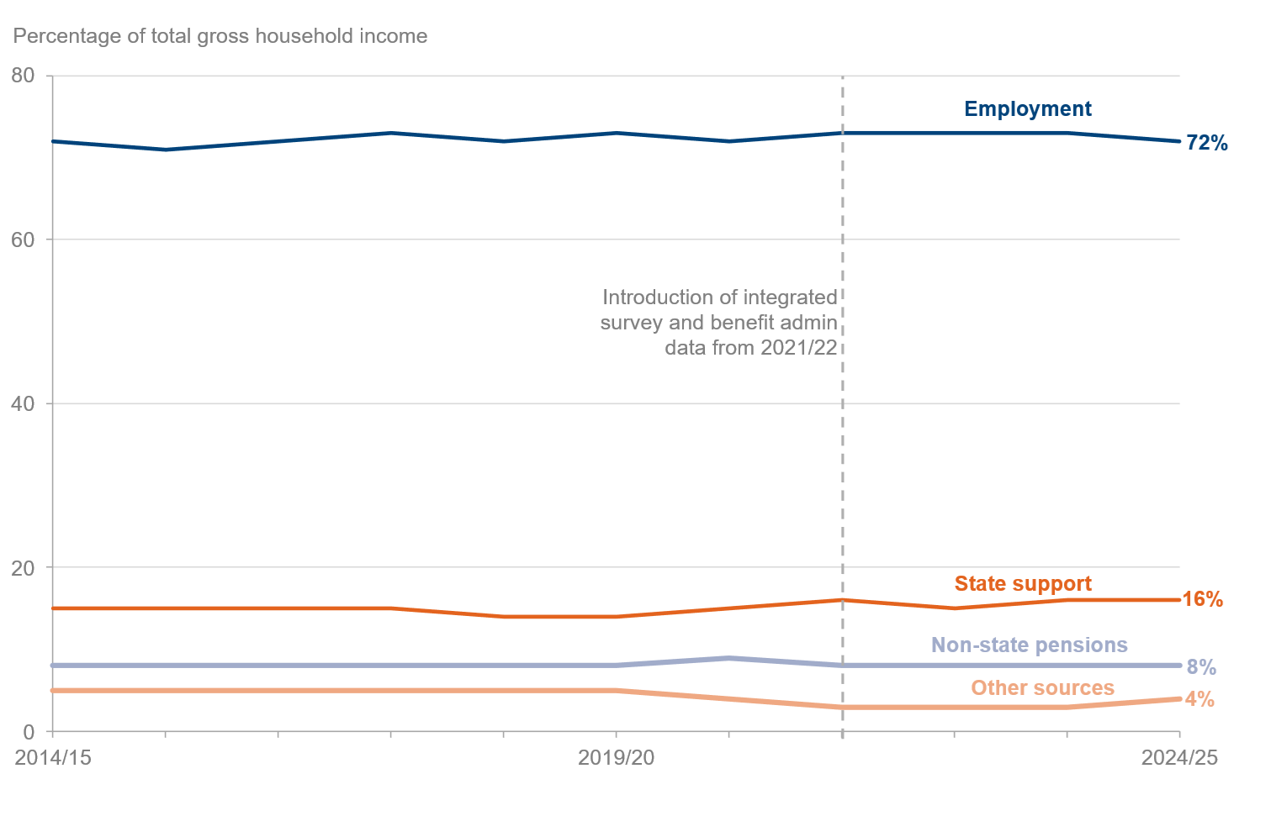
 |  |  |  | Source of income
 | Year | All | Employment [Note 4] | State support [Note 6] | Non-state pensions [Note 5] | Other sources [Note 28] | Sample size
 | 2014/15 | 100 | 72 | 15 | 8 | 5 | 19,538
 | 2015/16 | 100 | 71 | 15 | 8 | 5 | 19,324
 | 2016/17 | 100 | 72 | 15 | 8 | 5 | 19,380
 | 2017/18 | 100 | 73 | 15 | 8 | 5 | 19,110
 | 2018/19 | 100 | 72 | 14 | 8 | 5 | 19,175
 | 2019/20 | 100 | 73 | 14 | 8 | 5 | 19,213
 | 2020/21 [Note 2] | 100 | 72 | 15 | 9 | 4 | 10,007
Admin-linked benefits data from 2021/22 | 2021/22 [Note 25] | 100 | 73 | 16 | 8 | 3 | 16,365
 | 2022/23 | 100 | 73 | 15 | 8 | 3 | 25,050
 | 2023/24 | 100 | 73 | 16 | 8 | 3 | 16,754
 | 2024/25 | 100 | 72 | 16 | 8 | 4 | 16,288

2_2b
Data Tables: Income and state support, Family Resources Survey, financial year 2024 to 2025, United Kingdom
This worksheet contains 1 table and 1 chart presented horizontally with 1 blank column in between.
Relevant notes can be found on the Notes worksheet. See [Note 3] [Note 4] [Note 5] [Note 6] [Note 7] [Note 8] [Note 25] and [Note 30].
Back to Contents | See Notes
Source: Family Resources Survey
Table 2.2b: Sources of total gross household income by region/country [Note 8] [Note 25], 2024 to 2025, United Kingdom |  |  |  |  |  |  | Chart 2.2b: Percentage of total gross household income from employment [Note 4] by region/country, 2024 to 2025
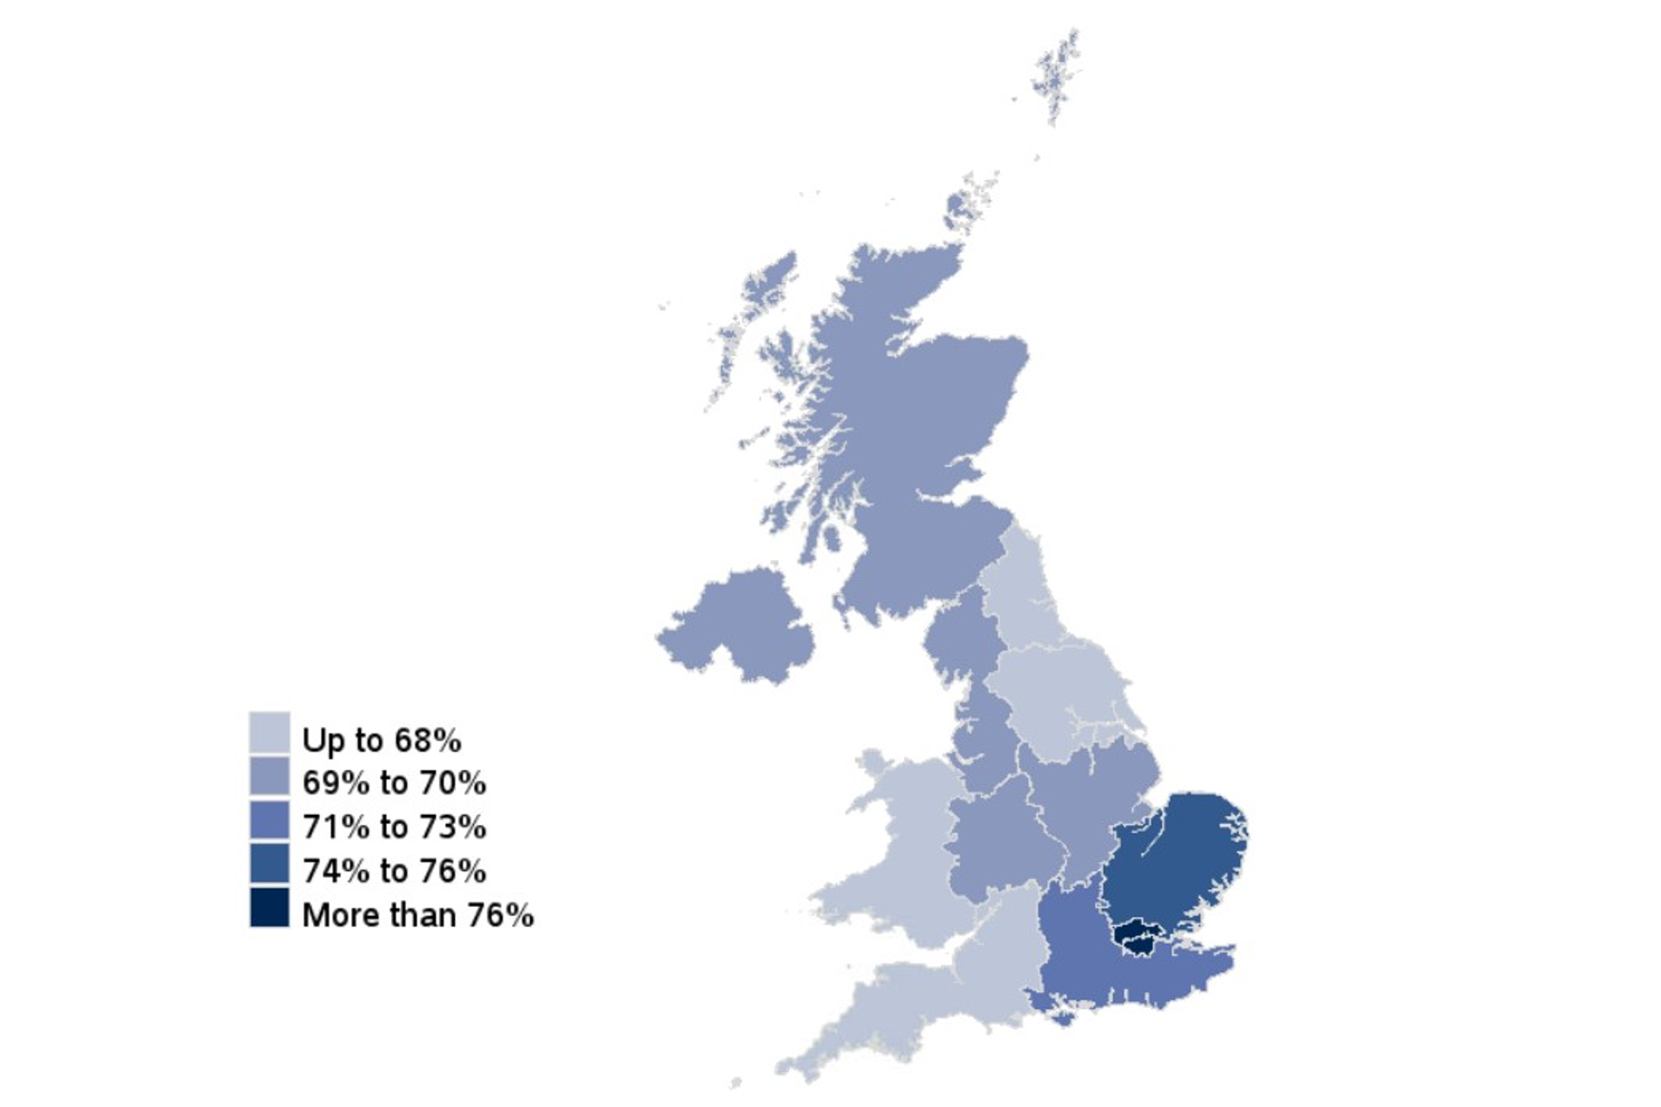
 |  |  |  |  |  | Percentage of total gross household income [Note 3]
 |  | Source of income
Region/Country | All | Employment [Note 4] | State support [Note 6] | Non-state pensions [Note 5] | Other sources [Note 7] | Sample size
United Kingdom | 100 | 72 | 16 | 8 | 4 | 16,288
Country
England | 100 | 72 | 15 | 8 | 5 | 11,689
Wales | 100 | 66 | 20 | 10 | 4 | 1,176
Scotland | 100 | 69 | 18 | 9 | 4 | 1,684
Northern Ireland | 100 | 70 | 20 | 7 | 3 | 1,739
Great Britain | 100 | 72 | 16 | 8 | 4 | 14,549
Region
North East | 100 | 65 | 21 | 10 | 4 | 666
North West | 100 | 69 | 19 | 9 | 4 | 1,469
Yorkshire and the Humber | 100 | 68 | 18 | 9 | 5 | 1,588
East Midlands | 100 | 70 | 17 | 9 | 4 | 1,007
West Midlands | 100 | 70 | 18 | 8 | 5 | 1,003
East | 100 | 74 | 14 | 8 | 5 | 1,357
London | 100 | 80 | 11 | 4 | 4 | 1,262
Inner London | 100 | 83 | 10 | 2 | 5 | 446
Outer London | 100 | 78 | 12 | 5 | 4 | 816
South East | 100 | 73 | 13 | 9 | 5 | 1,995
South West | 100 | 68 | 16 | 11 | 5 | 1,342

2_11
Data Tables: Income and state support, Family Resources Survey, financial year 2024 to 2025, United Kingdom
This worksheet contains 1 table and 3 charts presented horizontally with 1 blank column in between.
Relevant notes can be found on the Notes worksheet. See [Note 9] [Note 17] [Note 18] [Note 19] [Note 20] [Note 25] [Note 29].
Back to Contents | See Notes
Source: Family Resources Survey
Table 2.11: Benefit units by state support receipt [Note 19] [Note 25] and age of head, 2024 to 2025, United Kingdom |  |  |  |  |  |  |  |  |  |  | Chart 2.11a: Benefit units by state support receipt and age of head, 2024 to 2025, United Kingdom | Chart 2.11b: Benefit units by income-related benefit receipt and age of head, 2024 to 2025, United Kingdom | Chart 2.11c: Benefit units by non-income-related benefit receipt and age of head, 2024 to 2025, United Kingdom
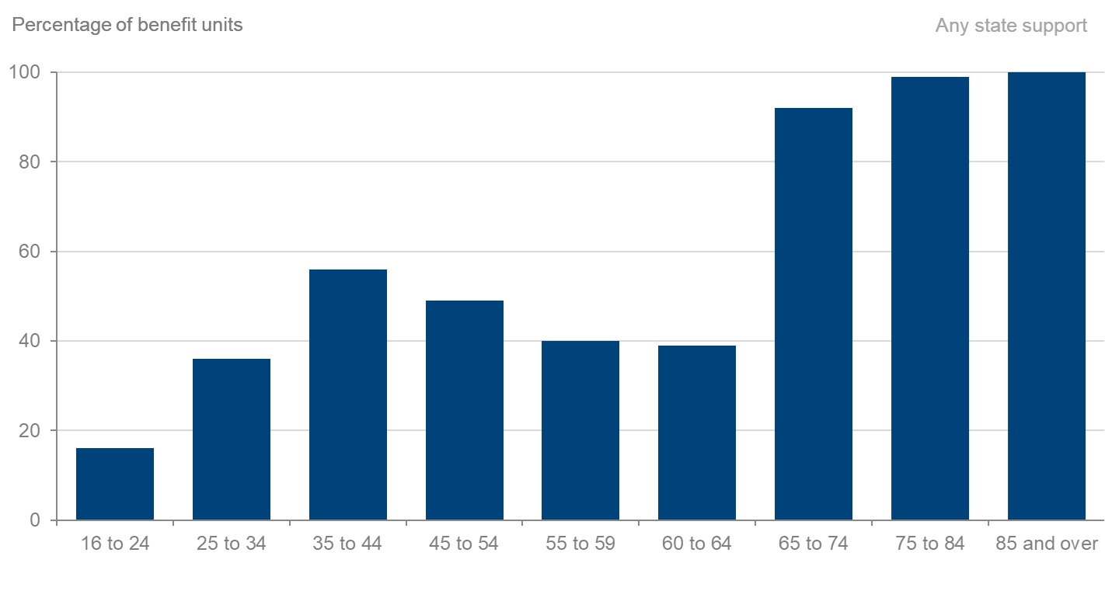
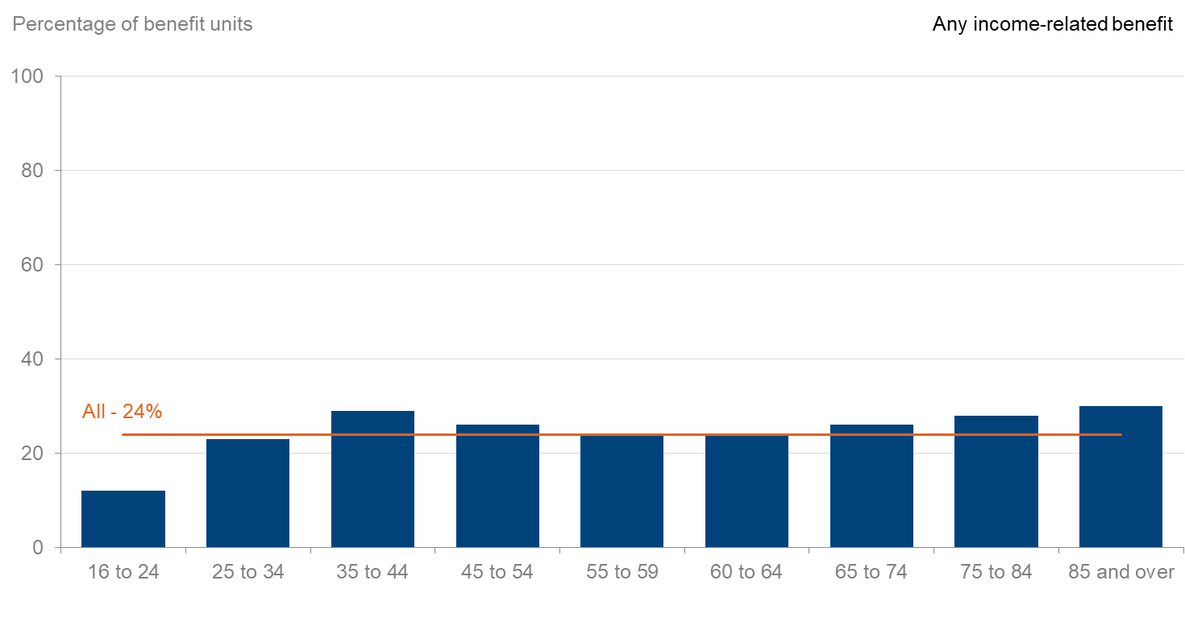
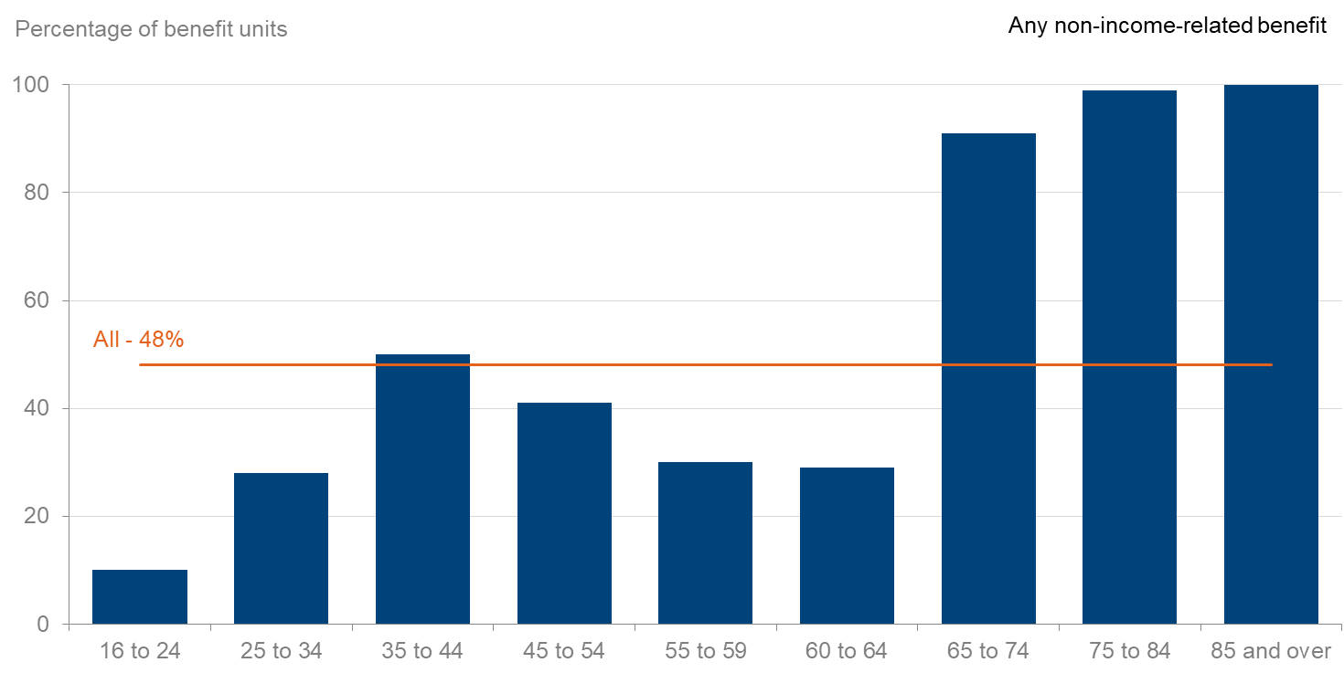
 |  |  |  |  |  |  |  |  |  | Percentage of benefit units
 |  |  |  |  |  | Age of head
State support received | All benefit units | 16 to 24 | 25 to 34 | 35 to 44 | 45 to 54 | 55 to 59 | 60 to 64 | 65 to 74 | 75 to 84 | 85 and over
All in receipt of state support | 54 | 16 | 36 | 56 | 49 | 40 | 39 | 92 | 99 | 100
On any income-related benefit [Note 17] | 24 | 12 | 23 | 29 | 26 | 24 | 24 | 26 | 28 | 30
On any non-income related benefit [Note 18] | 48 | 10 | 28 | 50 | 41 | 30 | 29 | 91 | 99 | 100
Child Benefit | 16 | 2 | 21 | 43 | 30 | 10 | 3 | 1 | [low] | [w]
Universal Credit [Note 19] | 14 | 12 | 20 | 26 | 19 | 15 | 13 | 2 | [low] | [w]
Pension Credit [Note 9] | 3 | [w] | [w] | [w] | [low] | [w] | [low] | 10 | 16 | 18
Housing Benefit | 4 | [w] | 1 | 1 | 3 | 4 | 4 | 13 | 12 | 11
Council Tax Reduction [Note 20] | 10 | 2 | 7 | 8 | 10 | 11 | 11 | 14 | 15 | 17
State Pension [Note 9] | 24 | [w] | [w] | [low] | [low] | 3 | 6 | 88 | 98 | 100
Employment and Support Allowance | 3 | [low] | 2 | 2 | 4 | 7 | 9 | 2 | [low] | [w]
Attendance Allowance | 4 | [w] | [w] | [w] | [w] | [low] | [low] | 6 | 17 | 38
Carer's Allowance | 3 | 2 | 2 | 4 | 4 | 5 | 6 | 1 | [low] | [w]
Disability Living Allowance (care component) [Note 29] | 3 | [low] | 3 | 6 | 3 | 1 | [low] | 1 | 5 | 7
Disability Living Allowance (mobility component) [Note 29] | 2 | [low] | 2 | 4 | 3 | 1 | 1 | 1 | 5 | 7
Personal Independence Payment (daily living component) [Note 29] | 9 | 6 | 8 | 8 | 10 | 14 | 16 | 13 | 2 | [low]
Personal Independence Payment (mobility component) [Note 29] | 7 | 5 | 6 | 6 | 8 | 12 | 13 | 11 | 2 | [low]
Sample size | 18,850 | 1,536 | 2,406 | 2,828 | 2,514 | 1,444 | 1,607 | 3,162 | 2,526 | 827

2_14a
Data Tables: Income and state support, Family Resources Survey, financial year 2024 to 2025, United Kingdom
This worksheet contains 1 table and 1 chart presented horizontally with 1 blank column in between.
Relevant notes can be found on the Notes worksheet. See [Note 3] [Note 6] [Note 24] [Note 25].
Back to Contents | See Notes
Source: Family Resources Survey
Table 2.14a: Number of benefit units by amount of annual state support received [Note 6] [Note 24], FYE 2023 to FYE 2025, United Kingdom |  |  |  | Chart 2.14a: Number of benefit units by amount of annual state support received [Note 6] [Note 24], 2024 to 2025, United Kingdom
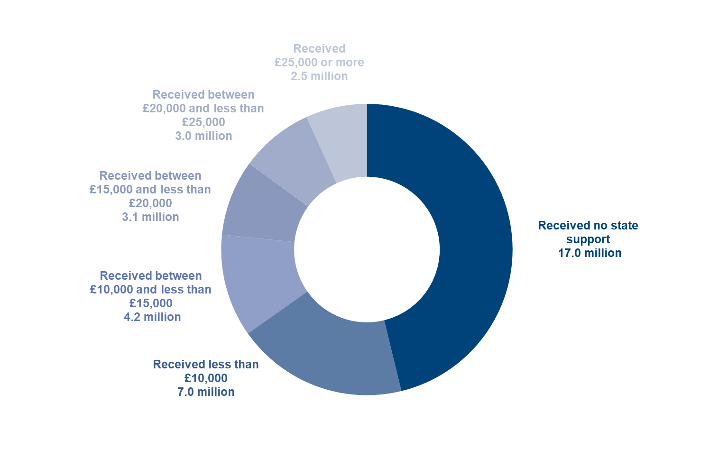
 |  |  | Number of benefit units (millions) [Note 3]
 |  | Year
Annual amount | 2022 to 2023 | 2023 to 2024 | 2024 to 2025
All benefit units | 35.5 | 36.0 | 36.7
Not in receipt of any state support | 15.9 | 16.9 | 17.0
In receipt of state support
less than £10,000 | 7.6 | 6.4 | 7.0
between £10,000 and less than £15,000 | 4.0 | 4.2 | 4.2
between £15,000 and less than £20,000 | 3.5 | 3.2 | 3.1
between £20,000 and less than £25,000 | 2.6 | 2.9 | 3.0
£25,000 or more | 1.9 | 2.4 | 2.5
Sample size | 28,640 | 19,374 | 18,850

2_14b
Data Tables: Income and state support, Family Resources Survey, financial year 2024 to 2025, United Kingdom
This worksheet contains 1 table and 1 chart presented horizontally with 1 blank column in between.
Relevant notes can be found on the Notes worksheet. See [Note 3] [Note 6] [Note 24] [Note 25].
Back to Contents | See Notes
Source: Family Resources Survey
Table 2.14b: Percentage of benefit units by amount of annual state support received [Note 6] [Note 24], FYE 2023 to FYE 2025, United Kingdom |  |  |  | Chart 2.14b: Percentage of benefit units by amount of annual state support received [Note 6] [Note 24], 2024 to 2025, United Kingdom
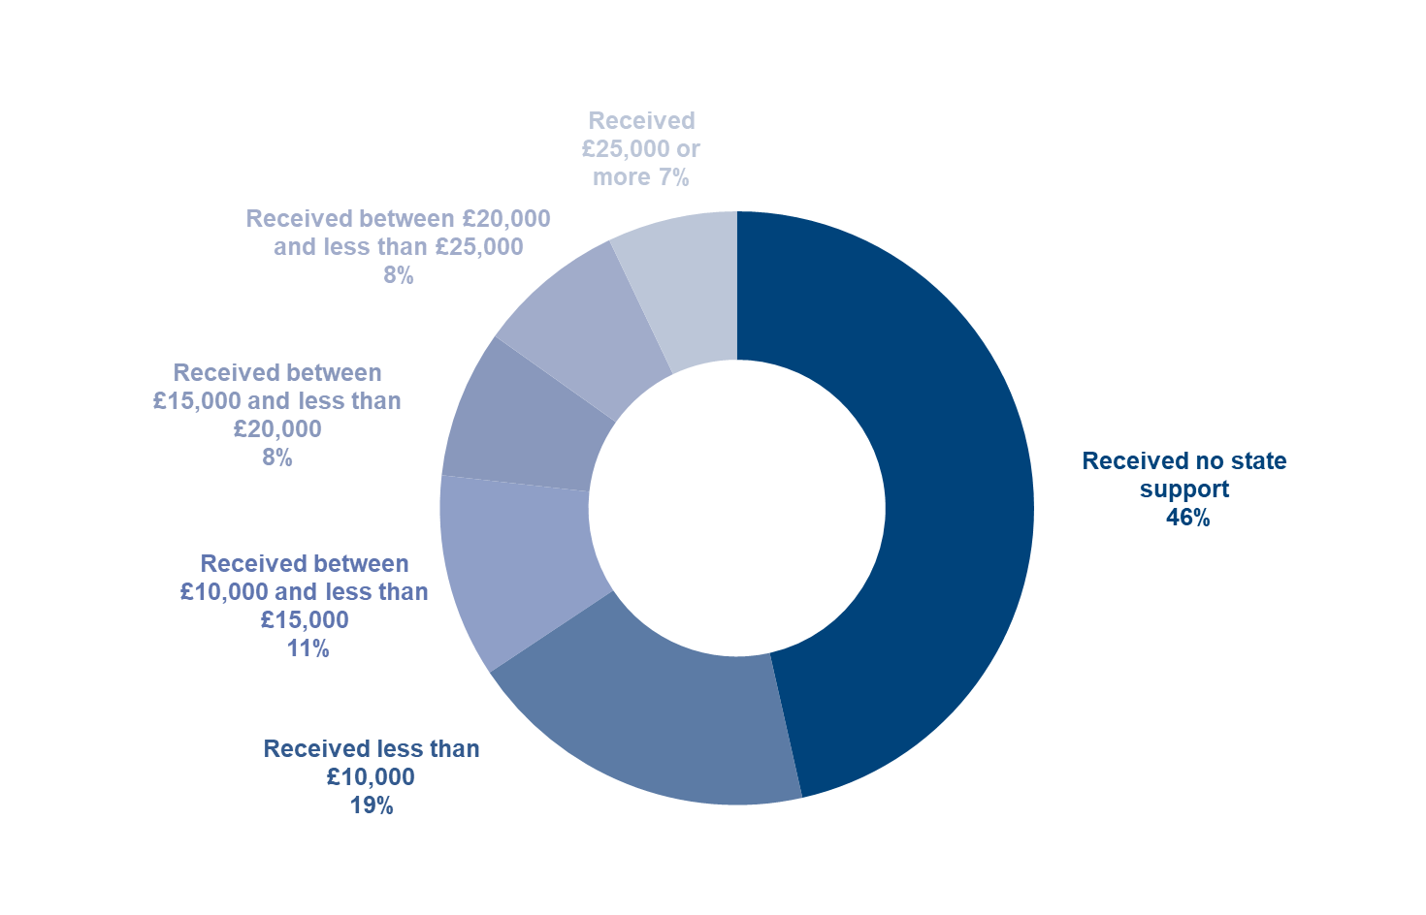
 |  |  | Percentage of benefit units [Note 3]
 |  | Year
Annual amount | 2022 to 2023 | 2023 to 2024 | 2024 to 2025
All benefit units | 100 | 100 | 100
Not in receipt of any state support | 45 | 47 | 46
In receipt of state support
less than £10,000 | 22 | 18 | 19
between £10,000 and less than £15,000 | 11 | 12 | 11
between £15,000 and less than £20,000 | 10 | 9 | 8
between £20,000 and less than £25,000 | 7 | 8 | 8
£25,000 or more | 5 | 7 | 7
Sample size | 28,640 | 19,374 | 18,850

