6_1
Data Tables: Pension Participation, Family Resources Survey, financial year 2024 to 2025, United Kingdom
This worksheet contains 1 table and 1 chart presented horizontally with 1 blank column in between.
Relevant notes can be found on the Notes worksheet. See [Note 1] [Note 2] [Note 3] and [Note 8].
Back to Contents | See Notes
Source: Family Resources Survey
Table 6.1: Pension scheme participation: percentage of adults by gender and economic status, 2024 to 2025, United Kingdom |  |  |  |  |  |  | Chart 6.1: Pension scheme participation: percentage of working-age adults by pension type and gender, 2024 to 2025, United Kingdom
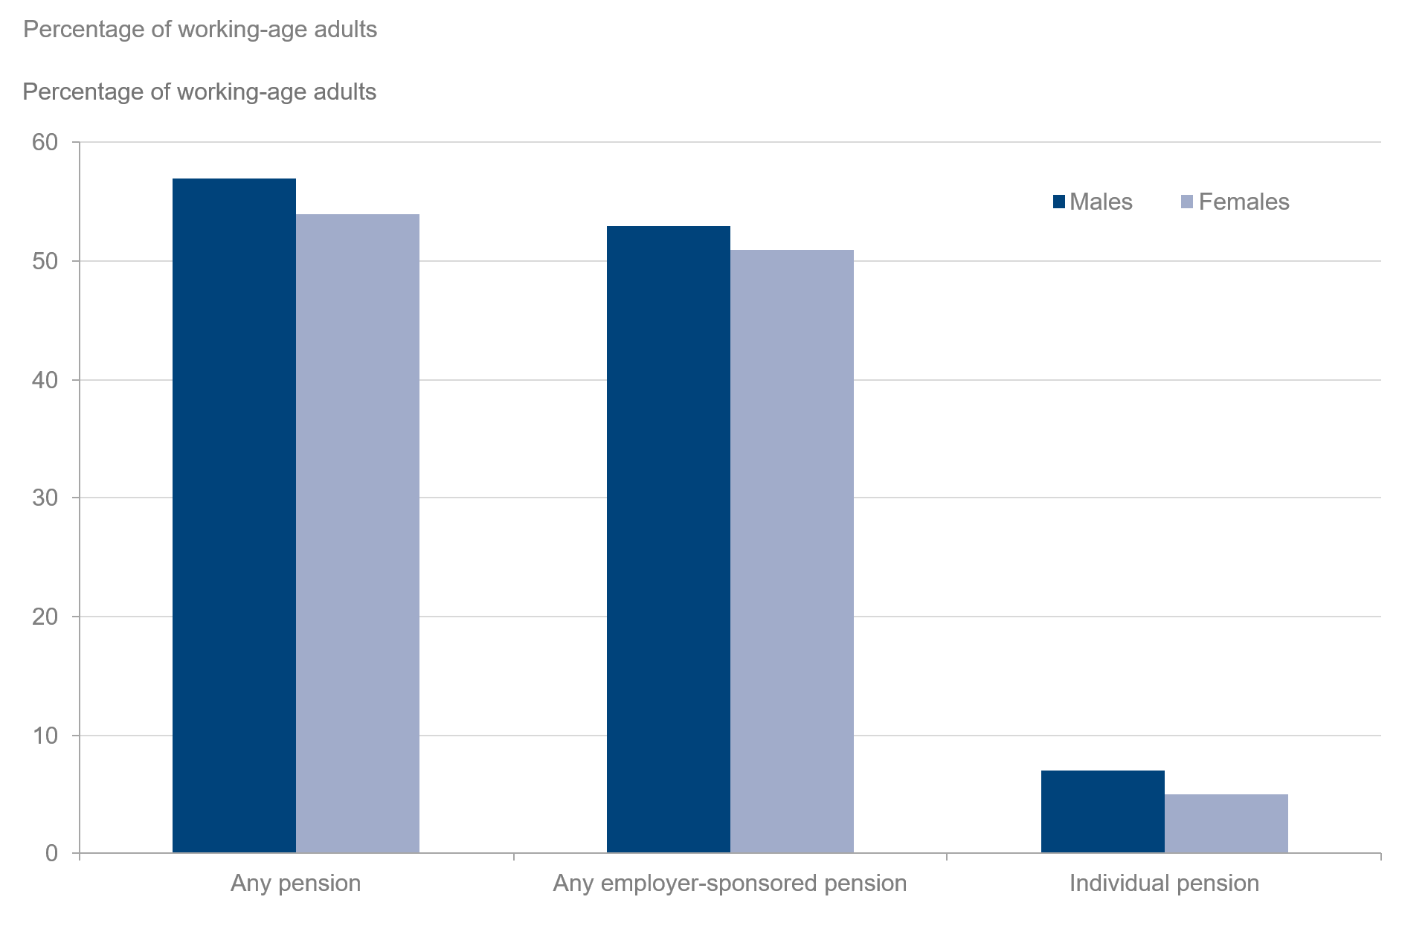
 |  |  |  |  |  | Percentage of adults
 |  | Gender |  |  | Gender
Pension scheme participation [Note 8] | All adults | Male (adults) | Female (adults) | All working-age adults | Male (working-age adults) | Female (working-age adults)
All adults | 44 | 46 | 41 | 55 | 57 | 54
Any employer-sponsored pension [Note 1] | 41 | 42 | 39 | 52 | 53 | 51
Occupational pension | 19 | 20 | 19 | 25 | 25 | 25
Group personal pension | 18 | 19 | 17 | 23 | 24 | 22
Group stakeholder pension | 2 | 2 | 2 | 3 | 3 | 3
Individual pension | 5 | 6 | 4 | 6 | 7 | 5
Personal pension | 4 | 5 | 3 | 5 | 7 | 4
Stakeholder pension | [low] | [low] | [low] | [low] | [low] | [low]
Sample size | 27,714 | 13,113 | 14,601 | 18,979 | 8,978 | 10,001
All employees | 79 | 80 | 78 | 80 | 80 | 79
Any employer-sponsored pension [Note 1] | 77 | 78 | 77 | 78 | 78 | 78
Occupational pension | 37 | 37 | 38 | 38 | 37 | 38
Group personal pension | 34 | 35 | 33 | 34 | 35 | 33
Group stakeholder pension | 4 | 4 | 4 | 4 | 4 | 4
Personal pension | 5 | 6 | 4 | 5 | 5 | 4
Stakeholder pension | [low] | [low] | [low] | [low] | [low] | [low]
Sample size | 12,998 | 6,267 | 6,731 | 12,520 | 6,001 | 6,519
All self-employed | 19 | 20 | 18 | 21 | 21 | 20
Personal pension | 18 | 19 | 17 | 20 | 20 | 19
Stakeholder pension | 1 | 1 | 1 | 1 | 1 | 1
Other [Note 1][Note 2] | [low] | [low] | 1 | 1 | [low] | 1
Sample size | 2,110 | 1,315 | 795 | 1,758 | 1,079 | 679
All inactive [Note 3] | 2 | 2 | 1 | 3 | 3 | 3
Personal pension | 1 | 2 | 1 | 2 | 3 | 2
Stakeholder pension | [low] | [low] | [low] | [low] | [low] | [low]
Sample size | 12,606 | 5,531 | 7,075 | 4,701 | 1,898 | 2,803

6_5
Data Tables: Pension Participation, Family Resources Survey, financial year 2024 to 2025, United Kingdom
This worksheet contains 1 table and 1 chart presented horizontally with 1 blank column in between.
Relevant notes can be found on the Notes worksheet. See [Note 12].
Back to Contents |  | See Notes
Source: Family Resources Survey
Table 6.5: Pension scheme participation of working-age adults by employment status, FYE 2015 to FYE 2025, United Kingdom |  |  |  |  |  |  |  |  | Chart 6.5: Pension scheme participation of working-age adults by employment status, FYE 2015 to FYE 2025, United Kingdom
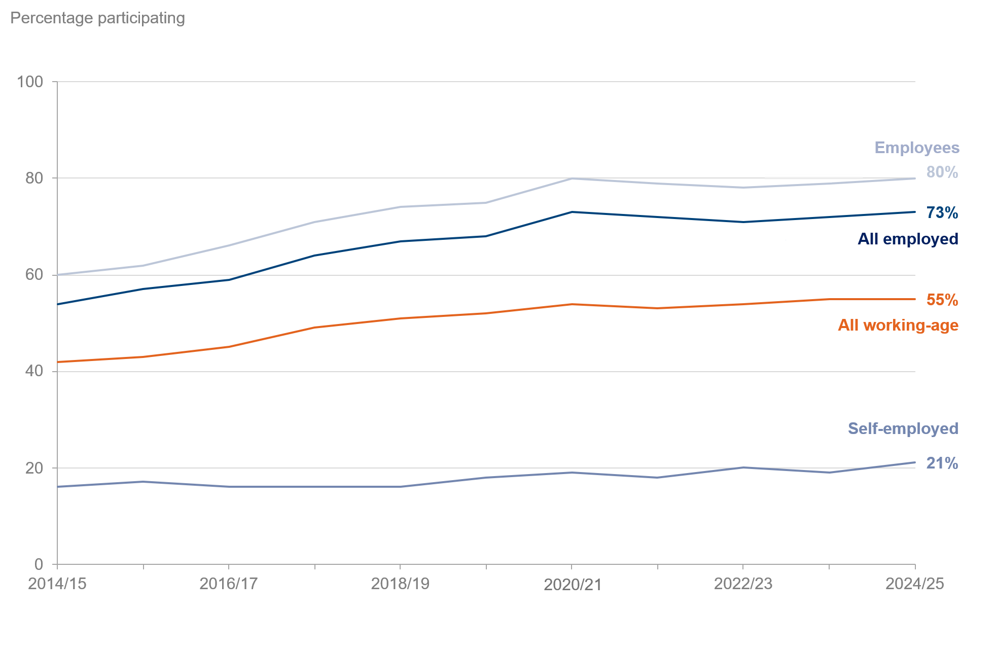
 |  |  |  |  |  |  |  | Percentage of working-age adults
Year | All working-age | Sample size (working-age) | All employed | Sample size (employed) | Employees | Sample size (employees) | Self-employed | Sample size (self-employed)
2014/15 | 42 | 24,673 | 54 | 18,605 | 60 | 16,274 | 16 | 2,331
2015/16 | 43 | 23,991 | 57 | 17,865 | 62 | 15,688 | 17 | 2,177
2016/17 | 45 | 24,274 | 59 | 18,189 | 66 | 15,885 | 16 | 2,304
2017/18 | 49 | 23,839 | 64 | 17,963 | 71 | 15,605 | 16 | 2,358
2018/19 | 51 | 23,835 | 67 | 17,915 | 74 | 15,700 | 16 | 2,215
2019/20 | 52 | 24,264 | 68 | 18,271 | 75 | 15,933 | 18 | 2,338
2020/21 [Note 12] | 54 | 11,581 | 73 | 8,486 | 80 | 7,523 | 19 | 963
2021/22 | 53 | 18,920 | 72 | 14,034 | 79 | 12,255 | 18 | 1,779
2022/23 | 54 | 29,565 | 71 | 22,219 | 78 | 19,449 | 20 | 2,770
2023/24 | 55 | 19,936 | 72 | 14,974 | 79 | 13,175 | 19 | 1,799
2024/25 | 55 | 18,979 | 73 | 14,278 | 80 | 12,520 | 21 | 1,758

