Fig 1.1
Figure 1.1: Households with one bedroom available, by tenure, 2019-20 and 2024-25

 | Underlying data for Figure 1.1: Households with one bedroom available, by tenure, 2019-20 and 2024-25

 |  | owner occupied | private rented | social rented
 |  |  |  | percentages
 | 2019-20 | 2.8 | 17.9 | 28.1
 | 2024-25 | 3.9 | 21.1 | 32.2

Base: all households
Note: underlying data are presented in Annex Table 1.1
Source: English Housing Survey, full household sample

Fig 1.2
Figure 1.2: Overcrowding, by tenure, 1995-96 to 2024-25

 | Underlying Data for Figure 1.2: Overcrowding, by tenure, 1995-96 to 2024-25

 |  | owner occupiers | private renters | social renters
 |  |  |  | percentages
 | 1995-96 | 1.8 | 3.2 | 5.1
 | 1996-97 | 1.7 | 3.1 | 4.9
 | 1997-98 | 1.6 | 3.4 | 4.8
 | 1998-99 | 1.6 | 3.5 | 4.8
 | 1999-00 | 1.5 | 3.6 | 5.0
 | 2000-01 | 1.5 | 3.5 | 5.2
 | 2001-02 | 1.4 | 3.7 | 5.4
 | 2002-03 | 1.4 | 4.0 | 5.3
 | 2003-04 | 1.4 | 4.2 | 4.9
 | 2004-05 | 1.4 | 4.6 | 5.2
 | 2005-06 | 1.4 | 4.7 | 5.5
 | 2006-07 | 1.4 | 5.1 | 5.9
 | 2007-08 | 1.4 | 4.9 | 5.9
 | 2008-09 | 1.4 | 5.3 | 6.4
 | 2009-10 | 1.4 | 5.1 | 7.2
Base: all households | 2010-11 | 1.3 | 5.6 | 7.3
Notes: | 2011-12 | 1.3 | 5.7 | 6.6
1) data are based on three year averages, which are the average of the three years up to and including the labelled date | 2012-13 | 1.4 | 5.6 | 6.4
2) underlying data are presented in Annex Table 1.2 | 2013-14 | 1.5 | 5.4 | 6.2
Sources: | 2014-15 | 1.5 | 5.1 | 6.4
1995-96 to 2007-08: Survey of English Housing; | 2015-16 | 1.3 | 5.2 | 6.6
2008-09 onwards: English Housing Survey, full household sample | 2016-17 | 1.3 | 5.1 | 6.8
 | 2017-18 | 1.2 | 5.7 | 7.8
 | 2018-19 | 1.3 | 6.2 | 8.0
 | 2019-20 | 1.2 | 6.7 | 8.7
 | 2020-21 | 1.1 | 5.6 | 7.9
 | 2021-22 | 1.1 | 5.3 | 8.1
 | 2022-23 | 0.9 | 5.1 | 8.2
 | 2023-24 | 1.0 | 5.8 | 8.9
 | 2024-25 | 1.1 | 6.1 | 9.0

Fig 1.3
Figure 1.3: Under-occupation, by tenure, 1995-96 to 2024-25 | Underlying Data for Figure 1.3: Under-occupation, by tenure, 1995-96 to 2024-25

 |  | owner occupiers | private renters | social renters
 |  |  |  | percentages
 | 1995-96 | 39.4 | 18.4 | 12.1
 | 1996-97 | 39.4 | 17.2 | 12.1
 | 1997-98 | 41.1 | 16.9 | 11.6
 | 1998-99 | 41.5 | 20.0 | 12.3
 | 1999-00 | 43.0 | 19.2 | 11.6
 | 2000-01 | 42.8 | 16.6 | 12.7
 | 2001-02 | 44.3 | 19.2 | 11.3
 | 2002-03 | 44.9 | 17.2 | 13.2
 | 2003-04 | 45.0 | 17.3 | 11.8
 | 2004-05 | 46.4 | 16.5 | 11.6
 | 2005-06 | 46.6 | 18.2 | 11.5
 | 2006-07 | 47.1 | 17.0 | 11.0
 | 2007-08 | 46.7 | 16.2 | 12.1
 | 2008-09 | 48.0 | 18.2 | 10.5
 | 2009-10 | 48.9 | 16.2 | 10.5
 | 2010-11 | 49.3 | 15.5 | 10.0
 | 2011-12 | 48.8 | 15.4 | 10.2
Base: all households | 2012-13 | 49.8 | 15.0 | 9.4
Note: underlying data are presented in Annex Table 1.3 | 2013-14 | 50.5 | 14.2 | 10.2
Sources: | 2014-15 | 50.7 | 13.1 | 8.6
1995-96 to 2007-08: Survey of English Housing; | 2015-16 | 51.9 | 14.4 | 10.0
2008-09 onwards: English Housing Survey, full household sample | 2016-17 | 50.5 | 14.8 | 8.0
 | 2017-18 | 53.5 | 14.6 | 9.6
 | 2018-19 | 51.8 | 13.7 | 8.5
 | 2019-20 | 52.3 | 15.4 | 10.2
 | 2020-21 | 52.5 | 12.7 | 8.0
 | 2021-22 | 53.0 | 14.8 | 10.1
 | 2022-23 | 54.8 | 16.2 | 9.8
 | 2023-34 | 55.7 | 13.0 | 9.0
 | 2024-25 | 54.7 | 15.0 | 9.5

Fig 1.4
Figure 1.4: Non-decent homes, by tenure, 2011 to 2024

 | Underlying Data for Figure 1.4: Non-decent homes, by tenure, 2011 to 2024
 |  | owner occupied | private rented | social rented
 |  |  |  | percentages
 | 2011 | 22.3 | 35.0 | 16.8
 | 2012 | 20.3 | 33.1 | 15.2
 | 2013 | 19.4 | 29.8 | 14.7
 | 2014 | 18.6 | 28.6 | 14.3
 | 2015 | 18.3 | 28.5 | 13.0
 | 2016 | 19.7 | 26.8 | 12.6
 | 2017 | 18.7 | 24.5 | 12.7
 | 2018 | 17.3 | 24.6 | 12.0
 | 2019 | 16.3 | 23.3 | 12.3
 | 2020 (R) | 13.8 | 22.8 | 11.3
 | 2021 | 13.2 | 22.9 | 9.6
 | 2022 | 13.7 | 21.1 | 10.4
Base: 2011-2019 and 2022-2023 all dwellings; 2020-2021 occupied dwellings | 2023 | 14.3 | 21.1 | 10.3
Notes: | 2024 | 14.8 | 22.3 | 10.2
1) 2020 and 2021 figures are estimated based on dwelling level modelled data
2) 2020 have been revised from extrapolated to dwelling modelled data and marked with an (R)
3) underlying data are presented in Annex Table 1.4
Sources:
2011-2019: English Housing Survey, dwelling sample
2020-2021: English Housing Survey, modelled data
2022: English Housing survey dwelling sample, modelled and observed data based on all dwellings
2023 onwards: English Housing Survey, dwelling sample

Fig 1.5
Figure 1.5: Non-decent homes, by region, 2024

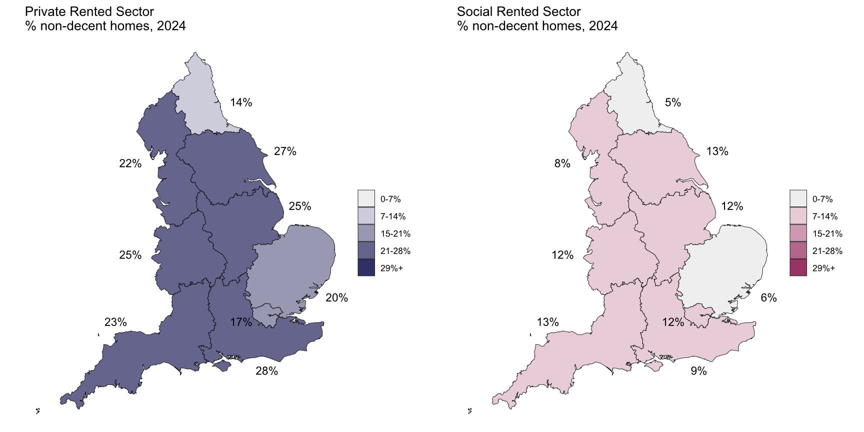

 | Underlying data for Figure 1.5: Non-decent homes, by region, 2024

 |  | Private Rented Sector | Social Rented Sector
 |  |  | percentages
 | North East | 14.1 | 4.6
 | North West | 21.9 | 7.8
 | Yorkshire and the Humber | 27.4 | 12.9
 | East Midlands | 24.9 | 12.2
 | West Midlands | 24.6 | 11.7
 | East of England | 20.1 | 6.4
 | London | 16.9 | 11.7
 | South East | 28.0 | 9.4
 | South West | 22.9 | 13.5

Base: all dwellings
Note: underlying data are presented in Annex Table 1.5
Source: English Housing Survey, dwelling sample

Fig 1.6
Figure 1.6: Statistically significant changes in the proportion of non-decent dwellings, 2022 to 2024 | Underlying data for Figure 1.6: Statistically significant changes in the proportion of non-decent dwellings, 2022 to 2024
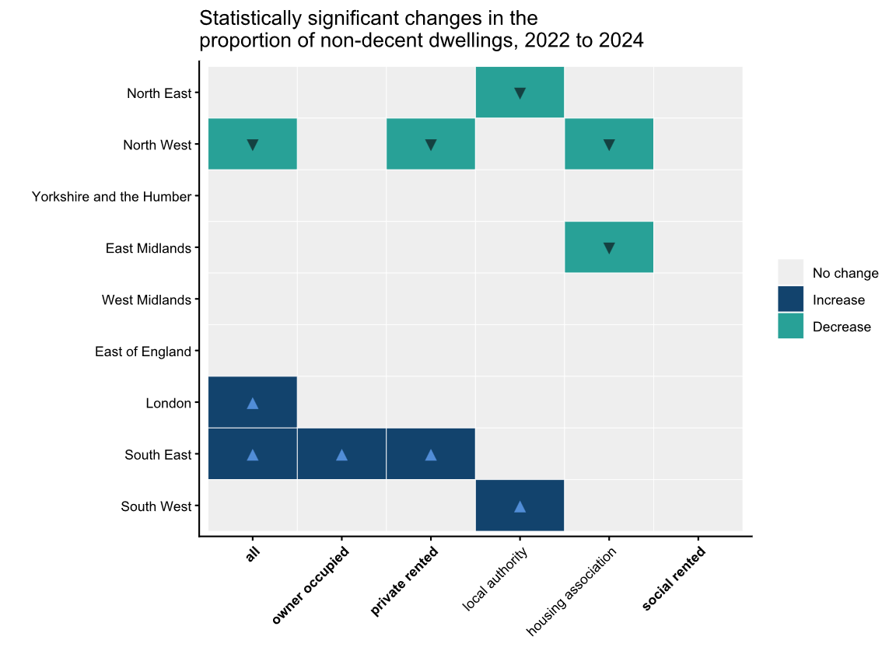
 | Region | Tenure | Non-Decent Dwellings 2022 | Non-Decent Dwellings 2024 | Statistical Significance | Direction of change
 | North East | owner occupied | 12.7 | 9.1 | Not significant
 | North East | private rented | 16.1 | 14.1 | Not significant
 | North East | local authority | 19.6 | 8.0 | Significant | ▼
 | North East | housing association | 3.0 | 3.1 | Not significant
 | North East | social rented | 8.4 | 4.6 | Not significant
 | North East | all | 12.4 | 9.0 | Not significant
 | North West | owner occupied | 18.3 | 16.1 | Not significant
 | North West | private rented | 32.3 | 21.9 | Significant | ▼
 | North West | local authority | 10.1 | 20.2 | Not significant
 | North West | housing association | 10.5 | 5.8 | Significant | ▼
 | North West | social rented | 10.4 | 7.8 | Not significant
 | North West | all | 19.3 | 15.7 | Significant | ▼
 | Yorkshire and the Humber | owner occupied | 16.9 | 16.6 | Not significant
 | Yorkshire and the Humber | private rented | 25.4 | 27.4 | Not significant
 | Yorkshire and the Humber | local authority | 8.3 | 12.4 | Not significant
 | Yorkshire and the Humber | housing association | 13.4 | 13.5 | Not significant
 | Yorkshire and the Humber | social rented | 10.7 | 12.9 | Not significant
 | Yorkshire and the Humber | all | 17.4 | 17.8 | Not significant
 | East Midlands | owner occupied | 16.8 | 14.1 | Not significant
 | East Midlands | private rented | 28.9 | 24.9 | Not significant
 | East Midlands | local authority | 13.8 | 16.4 | Not significant
 | East Midlands | housing association | 19.0 | 7.6 | Significant | ▼
 | East Midlands | social rented | 16.3 | 12.2 | Not significant
 | East Midlands | all | 18.8 | 15.7 | Not significant
 | West Midlands | owner occupied | 14.8 | 14.6 | Not significant
 | West Midlands | private rented | 24.7 | 24.6 | Not significant
Base: all dwellings | West Midlands | local authority | 11.3 | 9.5 | Not significant
Notes: underlying data are presented in Annex Table 1.5 | West Midlands | housing association | 10.4 | 13.4 | Not significant
Source: English Housing Survey, dwelling sample | West Midlands | social rented | 10.8 | 11.7 | Not significant
 | West Midlands | all | 15.9 | 15.9 | Not significant
 | East of England | owner occupied | 12.4 | 12.2 | Not significant
 | East of England | private rented | 18.9 | 20.1 | Not significant
 | East of England | local authority | 9.4 | 5.4 | Not significant
 | East of England | housing association | 6.7 | 7.0 | Not significant
 | East of England | social rented | 7.7 | 6.4 | Not significant
 | East of England | all | 12.8 | 12.8 | Not significant
 | London | owner occupied | 7.9 | 11.7 | Not significant
 | London | private rented | 12.4 | 16.9 | Not significant
 | London | local authority | 13.1 | 11.4 | Not significant
 | London | housing association | 9.5 | 11.9 | Not significant
 | London | social rented | 11.3 | 11.7 | Not significant
 | London | all | 10.0 | 13.2 | Significant | ▲
 | South East | owner occupied | 9.7 | 16.2 | Significant | ▲
 | South East | private rented | 18.1 | 28.0 | Significant | ▲
 | South East | local authority | 7.6 | 9.0 | Not significant
 | South East | housing association | 5.7 | 9.7 | Not significant
 | South East | social rented | 6.3 | 9.4 | Not significant
 | South East | all | 10.8 | 17.3 | Significant | ▲
 | South West | owner occupied | 15.9 | 18.0 | Not significant
 | South West | private rented | 24.9 | 22.9 | Not significant
 | South West | local authority | 8.8 | 19.5 | Significant | ▲
 | South West | housing association | 16.0 | 11.2 | Not significant
 | South West | social rented | 13.9 | 13.5 | Not significant
 | South West | all | 17.3 | 18.4 | Not significant

Fig 1.7
Figure 1.7: Homes with Category 1 hazards, by tenure, 2011 to 2024

 | Underlying Data for Figure 1.7: Homes with Category 1 hazards, by tenure, 2011 to 2024
 |  | owner occupied | private rented | social rented
 |  |  |  | percentages
 | 2011 | 15.6 | 21.8 | 7.4
 | 2012 | 14.1 | 19.3 | 6.6
 | 2013 | 12.3 | 16.6 | 6.1
 | 2014 | 11.6 | 16.4 | 6.0
 | 2015 | 12.7 | 16.8 | 6.0
 | 2016 | 12.9 | 15.4 | 5.6
 | 2017 | 11.3 | 14.4 | 5.8
 | 2018 | 10.9 | 14.1 | 5.5
 | 2019 | 10.3 | 13.2 | 5.3
 | 2020 (R) | 9.1 | 13.3 | 5.0
 | 2021 | 9.5 | 14.2 | 4.1
 | 2022 | 8.5 | 11.9 | 4.0
Base: 2011-2019 and 2022-2023 all dwellings; 2020-2021 occupied dwellings | 2023 | 8.1 | 10.2 | 4.2
Notes: | 2024 | 9.4 | 10.3 | 4.8
1) 2020 and 2021 figures are estimated based on dwelling level modelled data
2) 2020 have been revised from extrapolated to dwelling modelled data and marked with an (R)
3) underlying data are presented in Annex Table 1.6
Sources:
2011-2019: English Housing Survey, dwelling sample
2020-2021: English Housing Survey, modelled data
2022 English Housing survey dwelling sample, modelled and observed data based on all dwellings
2023 onwards: English Housing Survey, dwelling sample

Fig 1.8
Figure 1.8: Dwellings with any damp problems, 1996 to 2024

 | any damp problems
1996 | 12.8
2001 | 9.6
2003 | 10.6
2004 | 10.4
2005 | 10.1
2006 | 9.8
2007 | 8.6
2008 | 7.8
2009 | 8.1
2010 | 6.5
2011 | 4.6
2012 | 4.3
2013 | 4.3
2014 | 4.3
2015 | 4.4
2016 | 4.2
2017 | 3.7
2018 | 3.3
2019 | 3.4
2020 (R) | 4.0
2021 | 3.8
2022 | 4.1
2023 | 5.2
2024 | 5.5

Base: 1996-2019 and 2022-2024 all dwellings; 2020-2021 occupied dwellings
Notes:
1) 2020-2021 figures are estimated based on dwelling level modelled data
2) 2020 have been revised from extrapolated to dwelling modelled data and marked with an (R)
3) underlying data are presented in Annex Table 1.9
Sources:
1996-2007: English House Condition Survey, dwelling sample
2008-2019: English Housing Survey, dwelling sample
2020-2021: English Housing Survey, modelled data
2022 English Housing survey dwelling sample, modelled and observed data based on all dwellings
2023 onwards: English Housing Survey, dwelling sample

Underlying Data for Figure 1.8: Dwellings with any damp problems, 1996 to 2024
 | 1996 | 2001 | 2003 | 2004 | 2005 | 2006 | 2007 | 2008 | 2009 | 2010 | 2011 | 2012 | 2013 | 2014 | 2015 | 2016 | 2017 | 2018 | 2019 | 2020 (R) | 2021 | 2022 | 2023 | 2024
 |  |  |  |  |  |  |  |  |  |  |  |  |  |  |  |  |  |  |  |  |  |  |  | percentage
any damp problems | 12.8 | 9.6 | 10.6 | 10.4 | 10.1 | 9.8 | 8.6 | 7.8 | 8.1 | 6.5 | 4.6 | 4.3 | 4.3 | 4.3 | 4.4 | 4.2 | 3.7 | 3.3 | 3.4 | 4.0 | 3.8 | 4.1 | 5.2 | 5.5

Fig 1.9
Figure 1.9: Type of damp problems in dwellings, by tenure, 2024
 | Underlying Data for Figure 1.9: Dwellings with any damp problems, by tenure, 2024

 |  | rising damp | penetrating damp | serious condensation
 | owner occupied | 1.1 | 1.6 | 1.9
 | private rented | 3.2 | 4.2 | 5.7
 | local authority | 1.3 | 2.9 | 5.6
 | housing association | 0.7 | 1.5 | 5.1

Base: all dwellings
Note: Underlying data are presented in Annex Table 1.10
Source: English Housing Survey, dwelling sample

Fig 1.10
Figure 1.10: Households reporting at least one working smoke alarm by tenure, 2008-09 to 2024-25
 | housing association | local authority | owner occupiers | private renters
2008-09 | 89.0 | 81.9 | 85.1 | 75.8
2010-11 | 91.7 | 87.2 | 87.1 | 79.5
2011-12 | 92.9 | 88.2 | 87.8 | 79.7
2012-13 | 92.3 | 89.0 | 87.9 | 83.5
2013-14 | 94.4 | 91.2 | 88.1 | 82.4
2014-15 | 93.4 | 92.1 | 88.1 | 81.1
2015-16 | 94.6 | 93.3 | 89.0 | 83.5
2016-17 | 95.5 | 93.3 | 89.4 | 88.1
2017-18 | 95.7 | 93.3 | 89.4 | 88.5
 | housing association | local authority | owner occupiers | private renters
2008-09 | 89.0 | 81.9 | 85.1 | 75.8
2010-11 | 91.7 | 87.2 | 87.1 | 79.5
2011-12 | 92.9 | 88.2 | 87.8 | 79.7
2012-13 | 92.3 | 89.0 | 87.9 | 83.5
2013-14 | 94.4 | 91.2 | 88.1 | 82.4
2014-15 | 93.4 | 92.1 | 88.1 | 81.1
2015-16 | 94.6 | 93.3 | 89.0 | 83.5
2016-17 | 95.5 | 93.3 | 89.4 | 88.1
2017-18 | 95.7 | 93.3 | 89.4 | 88.5
2018-19 | 94.8 | 94.9 | 90.2 | 87.7
2019-20 | 96.9 | 95.3 | 90.6 | 88.7
2020-21 | 98.1 | 96.0 | 93.7 | 92.7
2021-22 | 96.5 | 96.3 | 92.7 | 92.7
2022-23 | 96.2 | 96.1 | 91.5 | 92.9
2023-24 | 97.3 | 96.8 | 91.5 | 91.4
2024-25 | 97.5 | 96.7 | 92.2 | 93.4
 | Underlying Data for Figure 1.10: Households reporting at least one working smoke alarm by tenure, 2008-09 to 2024-25
 |  | owner occupiers | private renters | local authority | housing association
 |  |  |  |  | percentage
 | 2008-09 | 85.1 | 75.8 | 81.9 | 89.0

 | 2010-11 | 87.1 | 79.5 | 87.2 | 91.7
 | 2011-12 | 87.8 | 79.7 | 88.2 | 92.9
 | 2012-13 | 87.9 | 83.5 | 89.0 | 92.3
 | 2013-14 | 88.1 | 82.4 | 91.2 | 94.4
 | 2014-15 | 88.1 | 81.1 | 92.1 | 93.4
 | 2015-16 | 89.0 | 83.5 | 93.3 | 94.6
 | 2016-17 | 89.4 | 88.1 | 93.3 | 95.5
 | 2017-18 | 89.4 | 88.5 | 93.3 | 95.7
 | 2018-19 | 90.2 | 87.7 | 94.9 | 94.8
 | 2019-20 | 90.6 | 88.7 | 95.3 | 96.9
 | 2020-21 | 93.7 | 92.7 | 96.0 | 98.1
 | 2021-22 | 92.7 | 92.7 | 96.3 | 96.5
 | 2022-23 | 91.5 | 92.9 | 96.1 | 96.2
 | 2023-24 | 91.5 | 91.4 | 96.8 | 97.3
 | 2024-25 | 92.2 | 93.4 | 96.7 | 97.5
Base: all households
Notes:
1) data were not collected in 2009-10
2) data are as reported by the householder
3) underlying data are presented in Annex Table 1.12
Source: English Housing Survey, full household sample

