Guidance
General Fund Revenue Account
Budget 2026-27
Data Preparation Template

The deadline for return of the RA suite of forms is 2 April 2026.

The purpose of this template is to enable the collation and bulk upload of the Revenue Account budget data to DELTA: https://delta.communities.gov.uk/login (the MHCLG online collection system). You can complete the 'Form' sheet in a similar way to previous returns.

The upload functionality now allows re-uploading and you will overwrite data uploaded previously. Please refer to the screenshot guidance when uploading. Information about the system can be found here: https://delta.communities.gov.uk/help-and-guidance

If you need access or need general support around logging in or using the system please contact the Help Desk at: MHCLG.Digital-Services@communities.gov.uk.

This template is provided to assist in your data preparation, but is not a replacement for DELTA.
You must complete the final submission in DELTA and this includes reviewing your data in
response to validation challenges and providing explanatory comments in DELTA where requested.

We hope that you will find this template helpful and we would welcome your feedback or any technical queries about the data to be recorded in the form itself by email to:

lgf1.revenue@communities.gov.uk

[SCROLL DOWN FOR GUIDANCE]

Full guidance notes are provided online at the link below.
https://www.gov.uk/government/publications/general-fund-revenue-account-budget

Sheet protection
Worksheets are protected to avoid overwriting where this is not necessary. However, should you need to overwrite
anything e.g. for grant data (be careful not to overwrite any other formula!), including everything in the 'Upload' worksheet.
Please follow the instructions below:
*On the File menu, point to Info
*In the protect workbook section, click on unprotect
*This will unprotect the sheet
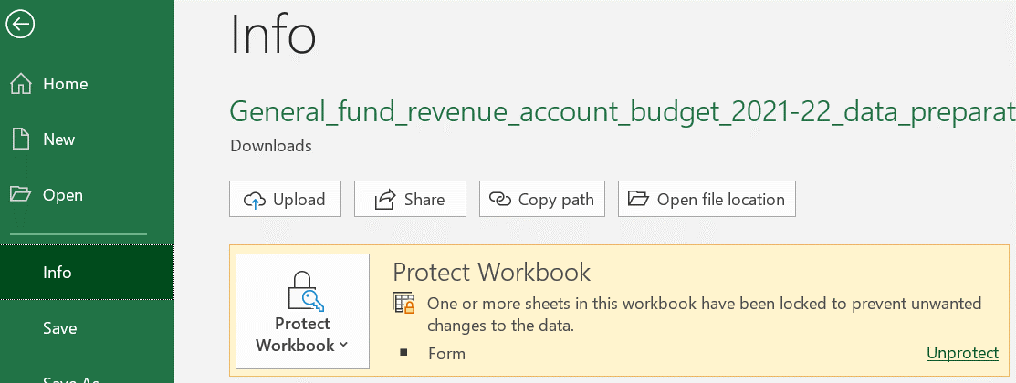

Changes to RA template since 2025-26

Deleted lines
* Line SG316 Social Care Grant
* Line SG322 Domestic Abuse Safe Accomodation Grant
* Line SG331 Market Sustainability and Improvement Fund
* Line SG343 Employer National Insurance Contributions Grant
* Line SG540 New Homes Bonus
* Line SG656 Officer Maintenance Grant
* Line RA377 Substance Misuse - Treatment for alcohol misuse in adults
* Line RA379 Substance Misuse - Preventing and reducing harm from alcohol misuse in adults

Lines moved
* Line RA4027 Other debt repayment or non-interest charges to the HRA in respect of credit arrangements (including on blance sheet PFI schemes)
* Line RA4028 Capital expenditure charged to the Housing Revenue Account (CERA)
* Line RA4029 Debt management costs
* Line RA4030 Transfers to GF
* Line RA4031 Transfers to MRR

Changes to existing lines
* Line SG324 Families First Partnership (within Children, Families and Youth Grant) (consolidates existing grants)
* Line SG342 Income Protection Floor (replaces funding floor)
* Line SG401 Homelessness, Rough Sleeping and Domestic Abuse Grant (consolidates existing grants)
* Line RA376 Substance Misuse - Adult drug and alcohol treatment and recovery services and commissioning (consolidates existing lines)
* Line RA378 Substance Misuse - Adult drug and alcohol prevention (consolidates existing lines)
* Line RA380 Substance misuse - Children and young people specialist substance use services and prevention (change of name)
* Line RA4026 Charges to the HRA for depreciation (splits out existing line)

Insertion of new lines
* Line SG104 High Needs Stability Grant
* Line SG326 Other Children, Families and Youth Grant
* Line SG327 Adjustment Support Grant
* Line SG407 Homes for Ukraine
* Line SG410 Crisis and Resilience Fund
* Line SG587 Packaging Extended Producer Responsibility (pEPR)
* Line RA4027 Other debt repayment or non-interest charges to the HRA in respect of credit arrangements (including on balance sheet PFI schemes)

