Cover_sheet
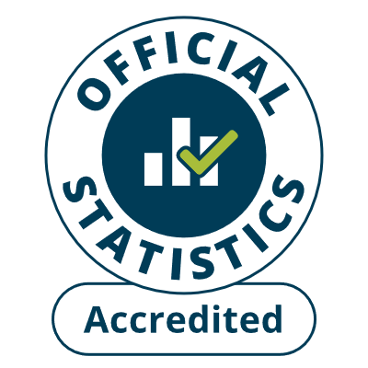
Fire and rescue incident statistics
England, year ending September 2024: data tables
Table 0402
Responsible Statistician: Will Bagridge
Email: Firestatistics@homeoffice.gov.uk
Press enquiries: 0300 123 3535
Published: 23 January 2025
Next update: Spring 2025
Crown copyright © 2025
Contents
We’re always looking to improve the accessibility of our documents.
If you find any problems, or have any feedback, relating to accessibility
please email us at firestatistics@homeoffice.gov.uk

