Instructions
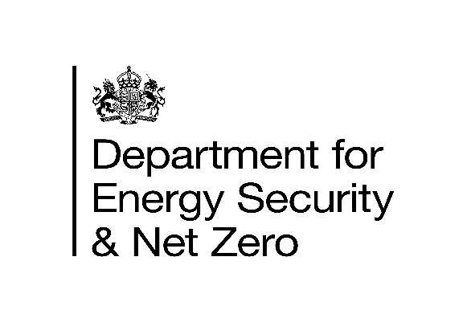
 | Notification(s) for Heat Networks under Regulation 3
 | of The Heat Network (Metering and Billing) Regulations 2014 as amended (2026)
 | Further guidance, including what is within scope of the Regulations is available at:
 | www.gov.uk/heat-networks
 | Please read our privacy notice of how your data will be used
Please read instructions box for guidance on how to complete this form. |  | Template Version 1.3

If you have any issues completing this, please email: HN.Meters@energysecurity.gov.uk

Instructions
1. Fill in your contact details in section Contact Details tab

2. Fill in section Notification tab
- Fill in ONE ROW per HEAT NETWORK Questions 1 - 8
- Fill in each column UNLESS greyed out
- Use the drop down menus where available

3. Check the validation section Validation tab and address any errors

4. Upon completion of checks, please follow guidance in 5. Submission

5. Submission
Please check that there are no errors flagged in the validation tab and that information provided is accurate, then email HN.Meters@energysecurity.gov.uk to inform us that you would like to make a notification. DESNZ will send you an access link to our online portal to upload this file. If you have completed any cost effectiveness assessment templates at the point of upload please also include them via the same link.

Validation
Validation Instructions
The box to the left (4. Validation) will count the number of heat networks (rows) with errors and/or warnings in the section 3. Notification. Errors must be checked and resolved prior to submitting. Warnings should be considered prior to submitting.
Error 1: Missed questions
If any questions have been missed an error will be flagged. Missed questions will be coloured in dark orange in the 3. Notification section of the document. The value '0' should be used in the Customers section to identify where no customers/buildings are supplied by the heat network.
Error 2: Network out of scope
A network must have more than 1 customer or more than 1 building to be in scope. Please remove networks identified as out of scope.
Error 3 and Error 4: Total Customers/Total Buildings
If the total number of customers or buildings is 0, an error will be flagged.
Error 5: Meter questions
If you have stated '0' building level meters, final customer meters or HCAs for Q6 please ensure you have installed any relevant meters before submitting a notification.
Warning 1 to Warning 4: Efficiency of supply/Load factor
The efficicency of supply and load factor have been calculated and compared to expected ranges. If there are errors flagged for these, please check your capacity and, where applicable, your generation and supply figures before submitting the form.
Warning 5: Heating supply
Not of all the networks listed provide heating
Warning 6: Heating supply
There apprear to be incosistancies between number of buildings recorded and number of buildings in each class
4.Validation
Any errors will be listed below: | Number of occurences (rows):
Error 1: You have missed questions from some of your entries | 0
Error 2: You have provided details of a network that is out of scope. | 0
Error 3: You have made an error in final customers (question 4.1-4.5). Please use 0 where appropriate. | 0
Error 4: You have made an error in number of buildings (question 4.6 - 4.10). Please use 0 where appropriate. | 0
Error 5: You have given inconsistent information on metering questions (question 6). | 0
Any warnings will be listed below:
Warning 1: The efficiency of heating supply relative to generation is outside of expected range. | 0
Warning 2: The ratio between heating capacity and annual generation is outside of expected range. | 0
Warning 3: The efficiency of cooling supply relative to generation is outside of expected range. | 0
Warning 4: The ratio between cooling capacity and annual generation is outside of expected range. | 0
Warning 5: Less than 100% of networks provide heating | 0
Warning 6: Possible error as number of buildings do not match number of buildings in classes in some rows | 0

