Readme
2026/27 Baseline Funding Level amount and Revenue Support Grant transfer This readme tab is intended to give additional information that helps local authorities and other relevant parties to understand this calculator. It sets out a method for measuring the baseline funding level (BFL) amount for local government, as well as what business rates retention grant amounts are being transferred to revenue support grant (RSG) as part of the 2026 business rates reset. Please ensure that you read this page before using the calculator. From 2026/27, business rates will be distributed according to new relative need shares except in bespoke circumstances which are set out in this calculator. All locally retained business rates will remain with local government across the reset. Proposals are also set out as part of the provisional Local Government Finance Settlement consultation and a high level approach was set out in the Reset delivery policy paper published alongside the Policy Statement. As highlighted in those documents, wherever possible, the same data which is used to set business rates baselines (BRBs) will be used to estimate the BFL amount. It will mean that data relevant to the reset period is used wherever possible, limiting the impact that pre-2026 revaluation data trends have on future funding allocations in the new reset period. In some instances, it is necessary to rely on past data to feed into the BFL amount. Where this is done it is specified clearly within this calculator. In setting the BFL amount for local government we have included a downward adjustment for the impact that business rates reliefs have in reducing local authority income. A sector wide estimate can be made more robustly for the reduction that reliefs are expected to have on collectible business rates in 2026/27. The exact calculations for this are included in the supporting tabs of this calculator. This will mean that the BFL amount will better reflect the actual business rates that local

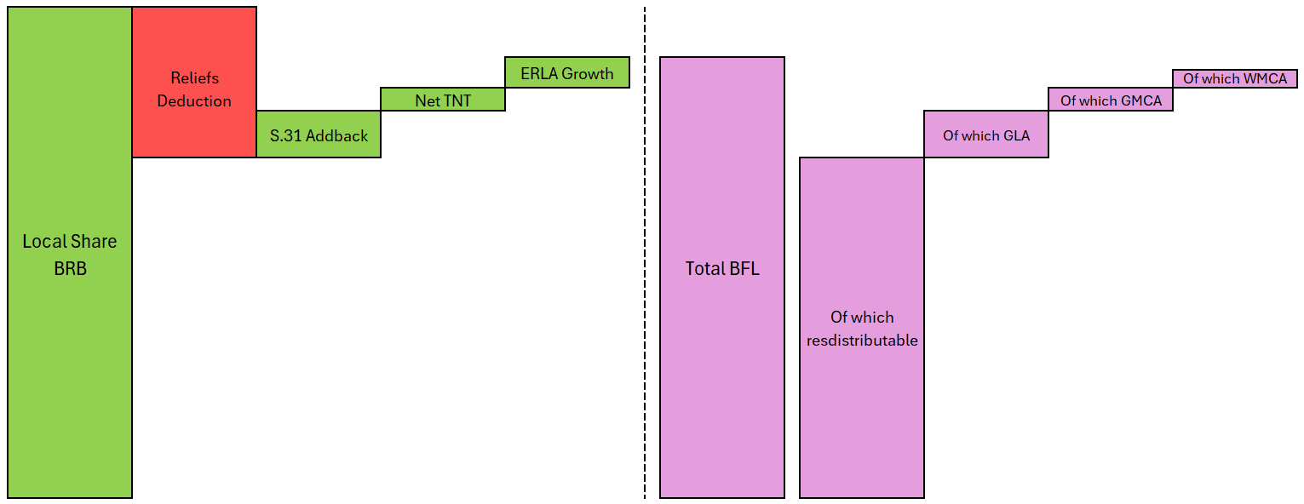
BFL methodology

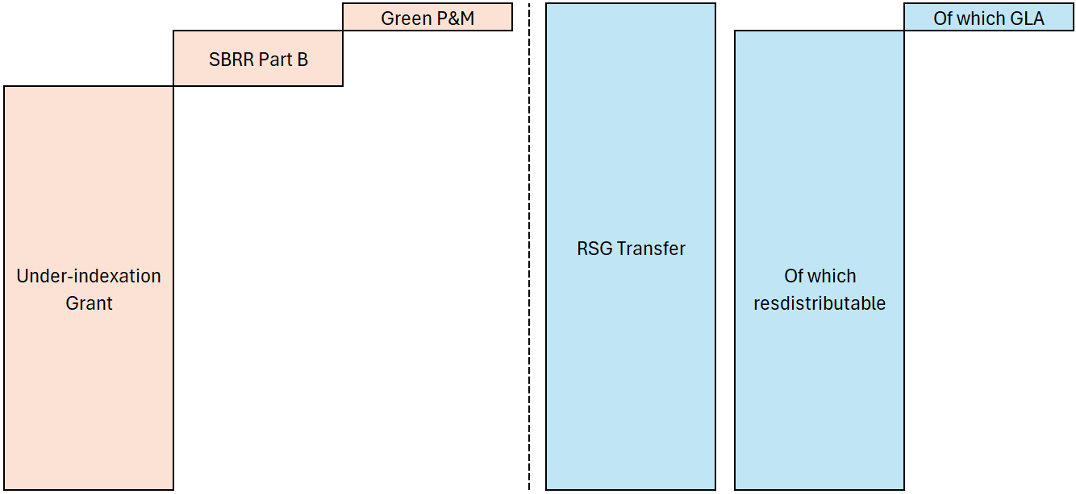

RSG transfer methodology

