Readme
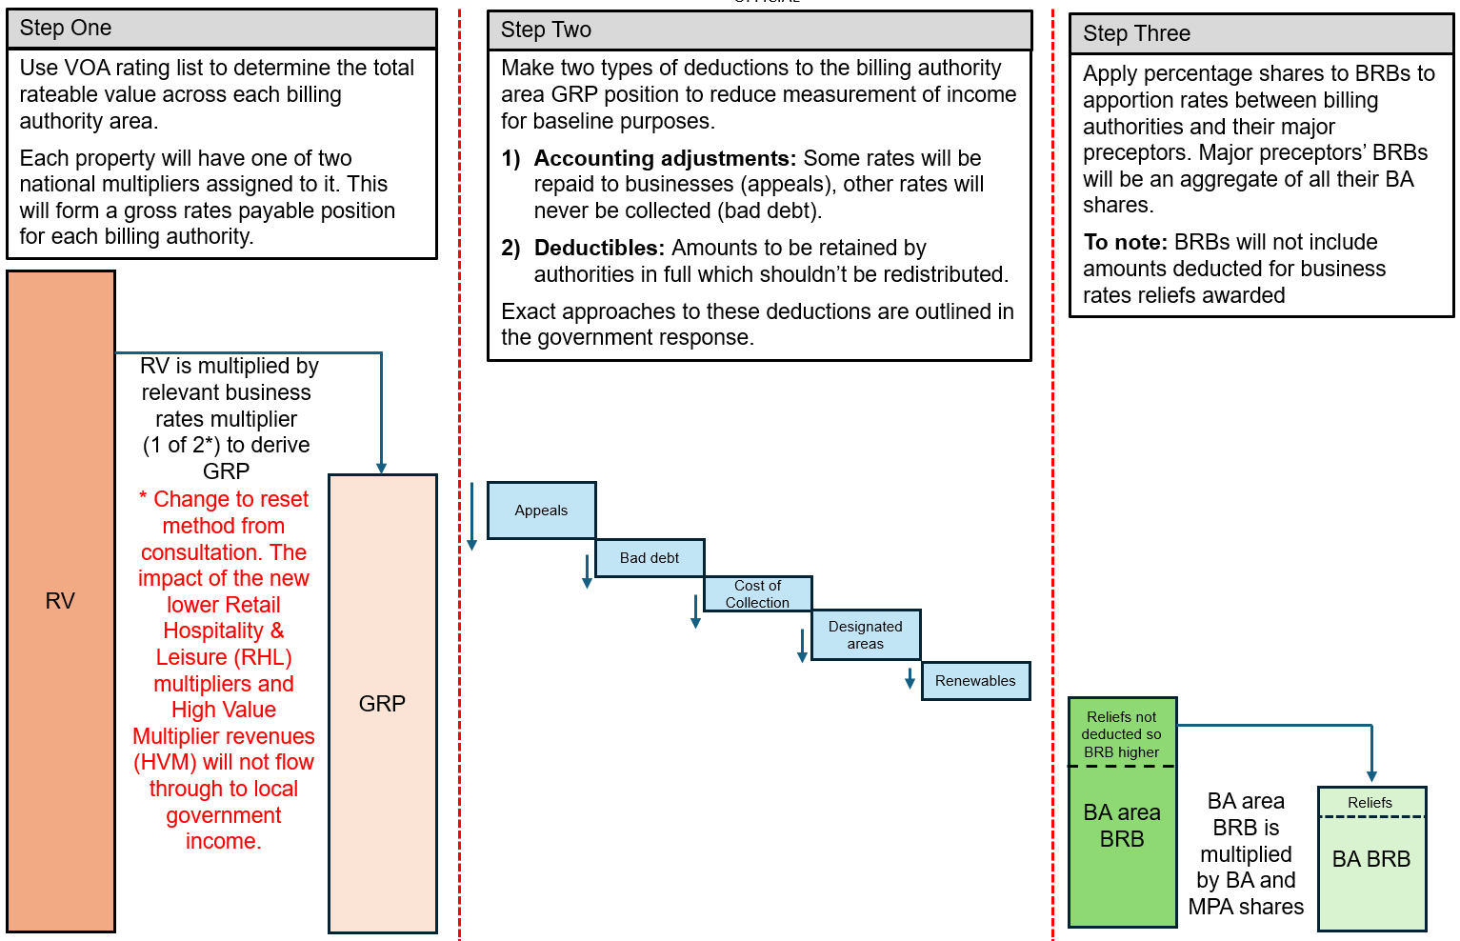
Local Authority Business Rates Baselines (BRBs) from 2026/27 This readme tab is intended to give additional information that helps local authorities and other relevant parties to understand how their business rates baselines have been estimated at the 2026 business rates reset. Please ensure that you read this page before using the calculator. The government ran an 8-week consultation, Local authority funding reform – Resetting the business rates retention system: technical consultation, from April – June 2025 which set out its proposed approach to measuring business rates baselines (BRBs). A government response to that consultation was published in November 2025 and Chapter 2 of the Reset delivery publication summarised the approach the government plans to take to setting BRBs at the reset. This calculator is intended to show local authorities how their 2026/27 BRB has been constructed. BRBs will be formed by setting a gross rates payable (GRP) figure, to which deductions will be made for accounting adjustments to form a ‘collectable rates’ equivalent figure, from which other deductions will be made for disregarded amounts and cost of collection. A deduction will not be made for business rates reliefs, which will be compensated for separately via section 31 grant. The government intends to conduct a retrospective adjustment to BRBs in 2027/28, facilitated by a one-off bespoke data collection in summer 2026. We will work with sector experts to set out a roadmap so that local authorities know the timing and plan for this adjustment. Updated figures will focus on three areas: GRP, designated areas (DAs), and renewable energy schemes. More details on this are set out in the government’s response to the technical consultation. The outputs of this calculator should not be used in isolation. They should be considered alongside the supporting materials which explain how BRBs have been constructed to support the delivery of the business rates reset. This calculator reflects

