Instructions
Impact Assessment Calculator | Last updated | Jan-2026
Instructions | This spreadsheet will next be updated: | end Q1 2026
This calculator can be used to calculate the Equivalent Annual Net Direct Cost to Business (EANDCB) and the Equivalent Annual Net Direct Cost to Households (EANDCH) for your measure. It can also be used to calculate the other figures required for the Impact Assessments and Options Assessments. If you have any questions regarding the use of this calculator, please contact:
Helen.Woodward3@businessandtrade.gov.uk
BRF@businessandtrade.gov.uk
The calculator is usually updated quaterly with HMT GDP deflators. It is not mandatory to use this spreadsheet, however it is recommended. When submitting your Options Assessment (OA) or Impact Assessment (IA) to the RPC for scrutiny we recommend that this spreadsheet accompanies the OA or IA. This helps RPC analysts to quickly check for issues and adds reassurance about the calculations.
Inputs
1. Please enter in the inputs tab the length of the appraisal period (default is 10 years), the price base year for the costs/benefits you enter, and the year the costs/benefits begin for each option.
2. For each Option sheet, costs and benefits should be entered based on each 12 month period following the date at which the cost/benefit stream begins e.g. if this is in February 2025. The first 'policy year' or 12 month period is therefore February 2025 to January 2026. Sheets are unlocked for accessibility but please only enter figures in blank cells.
3. For every policy option, you can input the best estimates, low values and high values. All values should be in millions of pounds, so £1,500,000 should be entered as 1.5. Please round final values for EANDCB/H to the nearest £0.1m
4. Select the type of impact in the drop down menus in column A. Choose "OTHER" if the cost item does not impact on business or households (i.e. if the impacts are on wider society). If the impact on business/households is direct then select "YES" in the "Direct impact on business or household?" column, otherwise select "NO". Costs and benefits that affect more than one category (business, households, and wider society) or that have both direct and indirect impacts, need to be split into their constituent parts and entered as separate cost items.
5. To reveal additional cost or benefit rows, or additional year columns, just click on the plus button, or use the 1/2 buttons at the top left of the sheet. The discount rate will change accordingly, as the IA calculator has been pre-programmed with the schedule of discount rates laid out in HMT's Green Book. 0-30 years = 3.5%; 31-50 years = 3.0%
Outputs
The Overview tab displays the cost of each option in terms of NPSV, Business NPV (direct and indirect impacts on business), EANDCB and EANDCH, ready for insertion in the Impact Assessment template (see below). The grey boxes are always in current year prices and present value.
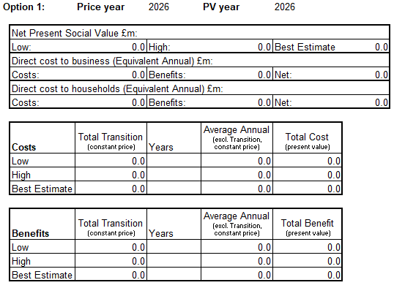 As a default, the white boxes on the overview page are calculated using the price and present value base years that have been input into the green table on the inputs tab, and so are not adjusted if that is different to current year prices and present value. The option to have the figures adjusted to the current year is available through the YES/NO box at the top of the Overview sheet.

