Pivot Table Help
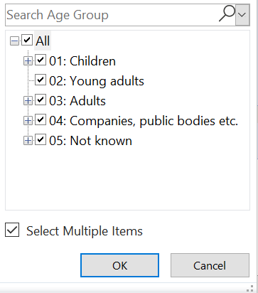
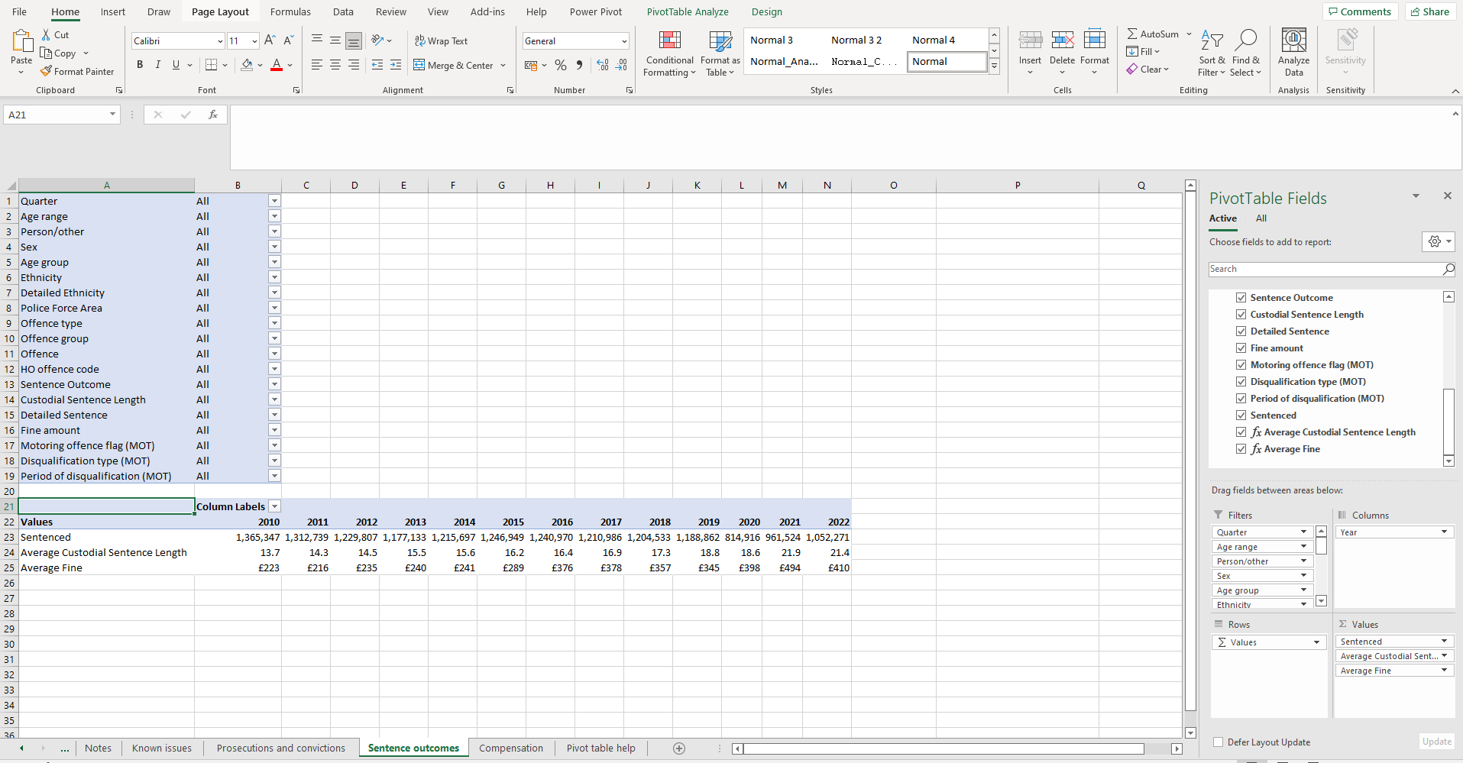
 |  | PivotTables
 |  |  | For ease, a PivotTable has been created to help analyse the data. This PivotTable creates an interactive summary that can be manipulated based on the information that you require.
To filter the data based on a characteristic, such as age group or detailed offence, select the downward facing arrow next to the filter you wish to apply to open the drop down menu for the filter. To select and deselect filters check the 'Select Multiple Items' box.

 |  |  |  |  |  | Click anywhere in the table to bring up the PivotTable fields. Also found: Analyze > Field List

 |  |  |  |  |  | PivotTable fields pane is used to include or exclude fields from your PivotTable by selecting or clearing the box(es) next to the field name(s). Or you can drag field(s) into areas below to change display data. pane is used to include or exclude fields from your PivotTable by selecting or clearing the box(es) next to the field name(s). Or you can drag field(s) into areas below to change display data.

 | If you are interested in looking at motoring offences only and motoring sentence outcomes such as period and type of disqualification, use the 'Motoring offence flag' filter to select only motoring offences. |  |  |  |  | Column area fields appear along the top of PivotTables. By default, this is 'Year'

 |  |  |  |  |  | Values - When multiple variables are in the 'Values' field, a 'Values' variable will appear, this should be moved to the 'Rows' area field to view data clearly. To remove any of these values from the pivot table, simply drag the variables out of the values field and into the fields pane at the top.

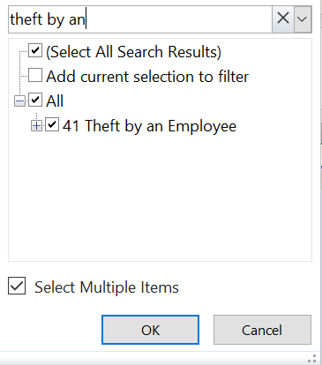

 |  |  |  |  | Row area fields are shown along the left side of a PivotTable. Drag a filter from the filters area to the rows area to view a detailed breakdown of the filter.

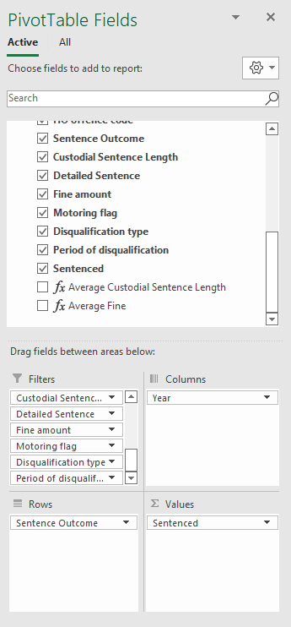
 |  |  |  |  |  |  | Example: To view only those sentenced, by sentence outcome, drag 'Average Custodial Sentence Length' add 'Average Fine' from the values field and drag 'Sentence Outcome' from the filters into the rows field.
 |  |  |  | Hint: when selecting multiple items within a filter, such as selecting multiple offences, select add current selection to filter to keep previously selected offences

