Fig 2.1
Figure 2.1: Mean SAP rating, by tenure, 1996 to 2024
 | Underlying Data for Figure 2.1: Mean SAP rating, by tenure, 1996 to 2024
 |  | 1996 |  |  |  |  | 2001 |  | 2003 | 2004 | 2005 | 2006 | 2007 | 2008 | 2009 | 2010 | 2011 | 2012 | 2013 | 2014 | 2015 | 2016 | 2017 | 2018 | 2019 | 2020 | 2021 | 2022 | 2023 | 2024
 |  |  |  |  |  |  |  |  |  |  |  |  |  |  |  |  |  |  |  |  |  |  |  |  |  |  |  |  |  | mean SAP rating
 | owner occupied | 43.8 | #N/A | #N/A | #N/A | #N/A | 45.0 | #N/A | 46.7 | 47.5 | 48.1 | 48.9 | 50.3 | 51.5 | 53.0 | 54.3 | 55.6 | 57.3 | 58.5 | 59.7 | 60.5 | 60.7 | 60.9 | 62.1 | 63.9 | 65.5 | 65.7 | 65.9 | 66.5 | 67.0
 | private rented | 40.4 | #N/A | #N/A | #N/A | #N/A | 42.8 | #N/A | 44.6 | 46.0 | 46.4 | 47.1 | 49.1 | 50.4 | 52.1 | 53.9 | 55.2 | 57.2 | 58.4 | 59.7 | 60.2 | 60.3 | 60.8 | 62.3 | 64.1 | 64.7 | 64.9 | 65.2 | 66.3 | 66.4
 | social sector | 48.7 | #N/A | #N/A | #N/A | #N/A | 51.5 | #N/A | 53.7 | 54.9 | 56.4 | 57.3 | 58.1 | 59.1 | 60.7 | 62.1 | 63.3 | 64.7 | 65.6 | 66.4 | 67.0 | 67.3 | 67.7 | 68.4 | 69.1 | 69.8 | 70.1 | 70.5 | 70.9 | 71.2

Base: 1996-2019 all dwellings; 2020-2021 occupied dwellings; 2022 modelled and observed data; 2023 all dwellings
Notes:
1) 2010-2012 uses SAP09
2) 2013-2018 uses SAP12. In 2018 RdSAP changed to version 9.94 and improvements were made to the modelling,
which has led to a larger increase in the mean SAP rating compared to previous years.
3) underlying data are presented in Annex Table 2.1
Sources:
1996 to 2007: English House Condition Survey, dwelling sample
2008-2019: English Housing Survey, dwelling sample
2020-2021: English Housing Survey, modelled data based on occupied dwellings
2022: English Housing Survey, dwelling sample, modelled and observed data based on all dwellings
2023 onwards: English Housing Survey, dwelling sample

Fig 2.2
Figure 2.2: Energy efficiency rating bands, 2014 to 2024 | Underlying data for Figure 2.2: Energy efficiency rating bands, 2014 to 2024
 |  | 2014 | 2015 | 2016 | 2017 | 2018 | 2019 | 2020 | 2021 | 2022 | 2023 | 2024
 | A/B | 1% | 1% | 1% | 1% | 1% | 2% | 3% | 3% | 3% | 4% | 4%
 | C | 25% | 27% | 28% | 29% | 33% | 38% | 43% | 44% | 45% | 49% | 52%
 | D | 51% | 50% | 50% | 51% | 49% | 47% | 43% | 43% | 43% | 39% | 35%
 | E | 17% | 17% | 16% | 14% | 12% | 10% | 8% | 7% | 7% | 6% | 6%
 | F | 4% | 4% | 4% | 4% | 3% | 3% | 2% | 2% | 2% | 2% | 2%
 | G | 1% | 1% | 1% | 1% | 1% | 1% | 1% | 0% | 1% | 0% | 1%

Base: 2013-2019 all dwellings; 2020-2021 occupied dwellings; 2022 modelled and observed data; 2023 onwards all dwellings
Notes:
1) from 2018 the SAP 2012 methodology used new U values for cavity, solid and stone walls, both insulated and uninsulated.

2) EER bands A and B are grouped. There are currently insufficient numbers of Band A properties existing for which meaningful estimates can be made through a sample survey.

3) due to the COVID-19 pandemic, EHS surveyors did not conduct any inspection of vacant properties in 2020. Although an external inspection of vacant homes occurred in 2021, the 2021 combined survey dwelling sample is for occupied properties only.

4) underlying data are presented in Annex Table 2.3
Sources:
2014-2019: English Housing Survey, dwelling sample
2020-2021: English Housing Survey, modelled data based on occupied dwellings
2022: English Housing Survey, dwelling sample, modelled and observed data based on all dwellings
2023 onwards: English Housing Survey, dwelling sample

Fig 2.3
Figure 2.3: Energy efficiency rating bands, by tenure, 2024 | Underlying Data for Figure 2.3: Energy efficiency rating bands, by tenure, 2024
 | A/B |  |  | C |  |  | D |  |  | E |  |  | F/G
owner occupied | 4.3
private rented | 2.9
social rented | 5.3
owner occupied | 49.0
private rented | 48.0
social rented | 68.7
owner occupied | 36.7
private rented | 37.3
social rented | 23.7
owner occupied | 6.8
private rented | 8.9
social rented | 1.8
owner occupied | 3.2
private rented | 2.9
social rented | 0.5
A/B
C
E
F/G
D
 | owner occupied | private rented | social rented | owner occupied | private rented | social rented | owner occupied | private rented | social rented | owner occupied | private rented | social rented | owner occupied | private rented | social rented
 |  |  |  |  |  |  |  |  |  |  |  |  |  |  | percentages
 | 4.3 | 2.9 | 5.3 | 49.0 | 48.0 | 68.7 | 36.7 | 37.3 | 23.7 | 6.8 | 8.9 | 1.8 | 3.2 | 2.9 | 0.5

Base: all dwellings
Notes: underlying data are presented in Annex Table 2.2
Source: English Housing Survey, dwelling sample

Fig 2.4
Figure 2.4: Energy efficiency rating bands, by tenure, 2019 to 2024
owner occupied
private rented
social rented

 | Underlying data for Figure 2.4: Energy efficiency rating by tenure, 2019 to 2024

 |  | owner occupied |  |  |  |  |  |  |  | private rented |  |  |  |  |  | social rented
 |  | 2019 | 2020 | 2021 | 2022 | 2023 | 2024 | 2019 | 2020 | 2021 | 2022 | 2023 | 2024 | 2019 | 2020 | 2021 | 2022 | 2023 | 2024
 |  |  |  |  |  |  |  |  |  |  |  |  |  |  |  |  |  |  | percentages
 | A/B | 1.9 | 3.1 | 2.9 | 3.1 | 3.7 | 4.3 | 2.0 | 2.4 | 3.0 | 3.2 | 3.3 | 2.9 | 2.5 | 2.9 | 3.5 | 3.9 | 3.8 | 5.3
 | C | 33.6 | 39.2 | 40.0 | 40.2 | 45.1 | 49.0 | 36.3 | 39.4 | 41.5 | 41.6 | 45.1 | 48.0 | 58.5 | 62.6 | 65.2 | 66.3 | 67.7 | 68.7
 | D | 50.1 | 46.4 | 46.8 | 46.4 | 40.9 | 36.7 | 46.9 | 44.3 | 41.7 | 43.2 | 41.5 | 37.3 | 34.4 | 30.9 | 28.1 | 26.8 | 26.2 | 23.7
 | E | 10.8 | 8.6 | 7.8 | 7.9 | 7.3 | 6.8 | 10.6 | 9.6 | 8.8 | 7.3 | 7.4 | 8.9 | 3.8 | 2.6 | 2.3 | 2.3 | 1.9 | 1.8
 | F/G | 3.5 | 2.7 | 2.5 | 2.5 | 3.0 | 3.2 | 4.2 | 4.3 | 4.9 | 4.6 | 2.7 | 2.9 | 0.8 | 1.0 | 0.9 | 0.7 | 0.4 | 0.5

Base: all dwellings
Notes: underlying data are presented in Annex Table 2.2
Source: English Housing Survey, dwelling sample

Fig 2.5
Figure 2.5: Dwellings with energy efficiency rating of A to C, by region, 2024 | Underlying data for Figure 2.5: Dwellings with EER of A to C, by region, 2024

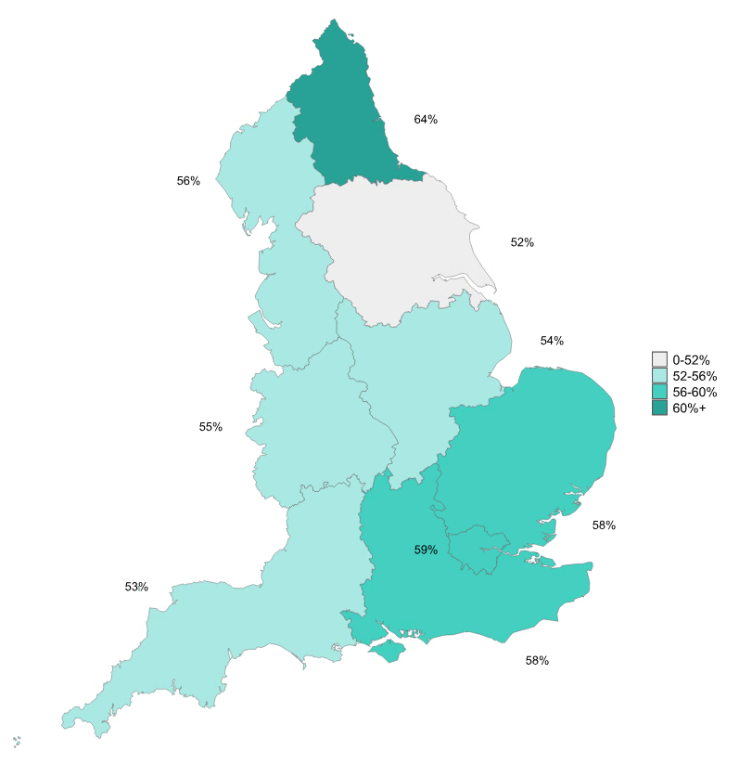
 |  | percentages
 | North East | 64.1
 | North West | 55.7
 | Yorkshire and the Humber | 51.5
 | East Midlands | 53.6
 | West Midlands | 54.7
 | East of England | 57.7
 | London | 59.2
 | South East | 57.8
 | South West | 53.2

Base: all dwellings
Note: underlying data are presented in Annex Table 2.4
Source: English Housing Survey, dwelling sample

Fig 2.6
 | condensing-combination boiler | standard boiler | condensing boiler | combination boiler | no boiler | back boiler
1996 | 0.0 | 51.4 | 0.0 | 13.8 | 21.2 | 13.6
 |  | 50.9 |  | 15.2 | 19.9 | 13.5
 |  | 50.4 |  | 16.7 | 18.6 | 13.4
 |  | 49.9 |  | 18.1 | 17.4 | 13.3
 |  | 49.4 |  | 19.5 | 16.1 | 13.2
2001 | 1.5 | 48.9 | 0.7 | 21.0 | 14.9 | 13.0
 | 1.6 | 46.9 | 0.7 | 23.3 | 15.0 | 12.5
2003 | 1.7 | 44.9 | 0.7 | 25.6 | 15.1 | 12.0
2004 | 1.9 | 44.6 | 0.9 | 27.5 | 14.0 | 11.1
2005 | 3.3 | 43.3 | 1.4 | 28.7 | 13.3 | 10.0
2006 | 5.9 | 41.0 | 2.1 | 28.7 | 12.6 | 9.7
2007 | 8.3 | 39.6 | 3.1 | 28.3 | 11.9 | 8.8
2008 | 12.5 | 36.3 | 4.3 | 27.3 | 12.0 | 7.6
2009 | 18.2 | 32.7 | 6.0 | 24.6 | 11.9 | 6.6
2010 | 23.7 | 29.2 | 7.9 | 21.6 | 11.8 | 5.7
2011 | 28.3 | 26.1 | 9.6 | 19.4 | 11.5 | 5.1
2012 | 31.6 | 24.3 | 11.9 | 16.8 | 11.2 | 4.2
2013 | 35.2 | 22.6 | 13.5 | 14.1 | 11.2 | 3.4
2014 | 39.0 | 20.0 | 14.5 | 12.8 | 10.5 | 3.2
2015 | 42.4 | 17.5 | 16.4 | 10.9 | 10.1 | 2.7
2016 | 44.8 | 15.3 | 17.9 | 9.3 | 10.4 | 2.3
2017 | 48.1 | 13.6 | 18.2 | 7.5 | 10.4 | 2.2
2018 | 51.9 | 12.3 | 18.1 | 5.9 | 10.2 | 1.7
2019 | 54.8 | 10.5 | 19.0 | 4.7 | 9.7 | 1.4
2020 | 56.8 | 8.5 | 19.2 | 3.9 | 10.3 | 1.2
2021 | 59.4 | 7.3 | 18.2 | 3.1 | 11.1 | 0.9
2022 | 61.8 | 5.8 | 18.6 | 2.7 | 10.4 | 0.7
2023 | 61.8 | 5.2 | 19.2 | 2.3 | 10.7 | 0.8
2024 | 62.7 | 4.9 | 18.8 | 1.7 | 11.3 | 0.7
Figure 2.6: Boiler types, 1996 to 2024
 | Underlying Data for Figure 2.6: Boiler types in dwellings, 1996 to 2024
 |  | 1996 |  |  |  |  | 2001 |  | 2003 | 2004 | 2005 | 2006 | 2007 | 2008 | 2009 | 2010 | 2011 | 2012 | 2013 | 2014 | 2015 | 2016 | 2017 | 2018 | 2019 | 2020 | 2021 | 2022 | 2023 | 2024
 |  |  |  |  |  |  |  |  |  |  |  |  |  |  |  |  |  |  |  |  |  |  |  |  |  |  |  |  |  | percentages
 | standard boiler | 51.4 | 50.9 | 50.4 | 49.9 | 49.4 | 48.9 | 46.9 | 44.9 | 44.6 | 43.3 | 41.0 | 39.6 | 36.3 | 32.7 | 29.2 | 26.1 | 24.3 | 22.6 | 20.0 | 17.5 | 15.3 | 13.6 | 12.3 | 10.5 | 8.5 | 7.3 | 5.8 | 5.2 | 4.9
 | back boiler | 13.6 | 13.5 | 13.4 | 13.3 | 13.2 | 13.0 | 12.5 | 12.0 | 11.1 | 10.0 | 9.7 | 8.8 | 7.6 | 6.6 | 5.7 | 5.1 | 4.2 | 3.4 | 3.2 | 2.7 | 2.3 | 2.2 | 1.7 | 1.4 | 1.2 | 0.9 | 0.7 | 0.8 | 0.7
 | combination boiler | 13.8 | 15.2 | 16.7 | 18.1 | 19.5 | 21.0 | 23.3 | 25.6 | 27.5 | 28.7 | 28.7 | 28.3 | 27.3 | 24.6 | 21.6 | 19.4 | 16.8 | 14.1 | 12.8 | 10.9 | 9.3 | 7.5 | 5.9 | 4.7 | 3.9 | 3.1 | 2.7 | 2.3 | 1.7
 | condensing boiler | : |  |  |  |  | 0.7 | 0.7 | 0.7 | 0.9 | 1.4 | 2.1 | 3.1 | 4.3 | 6.0 | 7.9 | 9.6 | 11.9 | 13.5 | 14.5 | 16.4 | 17.9 | 18.2 | 18.1 | 19.0 | 19.2 | 18.2 | 18.6 | 19.2 | 18.8
 | condensing-combination boiler | : |  |  |  |  | 1.5 | 1.6 | 1.7 | 1.9 | 3.3 | 5.9 | 8.3 | 12.5 | 18.2 | 23.7 | 28.3 | 31.6 | 35.2 | 39.0 | 42.4 | 44.8 | 48.1 | 51.9 | 54.8 | 56.8 | 59.4 | 61.8 | 61.8 | 62.7
 | no boiler | 21.2 | 19.9 | 18.6 | 17.4 | 16.1 | 14.9 | 15.0 | 15.1 | 14.0 | 13.3 | 12.6 | 11.9 | 12.0 | 11.9 | 11.8 | 11.5 | 11.2 | 11.2 | 10.5 | 10.1 | 10.4 | 10.4 | 10.2 | 9.7 | 10.3 | 11.1 | 10.4 | 10.7 | 11.3

Base: 1996-2019 all dwellings; 2020-2021 occupied dwellings; 2022 modelled and observed data; 2023 onwards all dwellings
Notes:
1) condensing and condensing-combination boilers were rare in 1996, so data on these types were not collected. Values of zero have been assumed to reflect this.
2) underlying data are presented in Annex Table 2.7
Sources:
1996-2007: English House Condition Survey, dwelling sample
2008-2019: English Housing Survey, dwelling sample
2020-2021: English Housing Survey, modelled data based on occupied dwellings
2022: English Housing Survey, dwelling sample, modelled and observed data based on all dwellings
2023 onwards: English Housing Survey, dwelling sample

Fig 2.7
 | Figure 2.7: Insulation measures, 2014 to 2024 | Underlying Data for Figure 2.7: Insulation measures in occupied dwellings, 2014 to 2024
 |  |  | 2014 | 2015 | 2016 | 2017 | 2018 | 2019 | 2020 | 2021 | 2022 | 2023 | 2024
 |  |  |  |  |  |  |  |  |  |  |  |  | percentages
 |  | cavity or solid wall insulation | 48.2 | 49.1 | 49.3 | 49.5 | 49.3 | 50.1 | 52.2 | 52.5 | 52.1 | 53.2 | 54.2
 |  | 200mm or more of loft insulation | 38.5 | 37.8 | 36.9 | 37.5 | 38.1 | 38.6 | 39.3 | 39.0 | 38.8 | 39.8 | 41.7
 |  | full double glazing | 80.8 | 81.4 | 82.5 | 84.6 | 85.3 | 85.8 | 86.7 | 87.5 | 87.7 | 88.5 | 88.9

 | Base: 2014-2019 all dwellings; 2020-2021 occupied dwellings; 2022 modelled and observed data; 2023 onwards all dwellings
 | Notes:
 | 1) Percentages are based on all dwellings, including those with no loft or other wall type.
 | 2) Underlying data are presented in Annex Table 2.9. See footnotes in this table for further detail on methodology for cavity and solid wall insulation.
 | Sources:
 | 2014-2019: English Housing Survey, dwelling sample
 | 2020-2021: English Housing Survey, modelled data based on occupied dwellings
 | 2022: English Housing Survey, dwelling sample, modelled and observed data based on all dwellings
 | 2023 onwards: English Housing Survey, dwelling sample

.

Fig 2.8
Figure 2.8: Wall insulation, by main wall type and tenure, 2024
 | Underlying Data for Figure 2.8: Wall insulation, by main wall type and tenure, 2024
 |  |  | percentages
 | cavity wall dwellings with insulation | owner occupied | 73.5
 |  | private rented | 60.1
 |  | local authority | 78.7
 |  | housing association | 79.4
 | solid wall dwellings with insulation | owner occupied | 11.4
 |  | private rented | 9.9
 |  | local authority | 34.0
 |  | housing association | 37.3

Base: dwellings with predominantly cavity walls (green); dwellings with predominantly solid walls (blue)
Note: underlying data are presented in Annex Table 2.10
Source: English Housing Survey, dwelling sample

Fig 2.9
Figure 2.9: Electricity smart meters, 2021-22 to 2024-25
 | Underlying Data for Figure 2.9: Electricity smart meters, 2021-22 to 2024-25

 |  | 2021-22 | 2022-23 | 2023-24 | 2024-25
 |  |  |  |  | percentages
 | owner occupiers | 47.0 | 56.1 | 58.6 | 63.3
 | private renters | 36.1 | 43.0 | 46.6 | 50.1
 | social renters | 47.9 | 52.7 | 53.4 | 57.9

Base: all households
Notes:
1) Self reported presence of electricity smart meters
2) Underlying data are presented in Annex Table 2.11
Source: English Housing Survey, full household sample

Fig 2.10
Figure 2.10: Subjective overheating, by dwelling age, 2024 |  | Underlying Data for Figure 2.10: Subjective overheating by dwelling age, 2024

 |  |  | percentages
 | dwelling age | pre-1919 | 11.4
 |  | 1919-44 | 10.8
 |  | 1945-64 | 11.5
 |  | 1965-80 | 12.6
 |  | 1981-90 | 15.6
 |  | 1991-2002 | 12.9
 |  | 2003-2013 | 12.5
 |  | post-2013 | 16.0

Base: all occupied dwellings with households reporting overheating
Note: underlying data are presented in Annex Table 2.12
Source: English Housing Survey, dwelling sub-sample

Fig 2.11
Figure 2.11: Average cost to improve to energy efficiency rating band C, by tenure, 2024
 | Underlying data for Figure 2.11: Average cost to improve to energy efficiency rating band C, by tenure, 2024

 |  | average cost
 | owner occupied | 7,869
 | private rented | 7,040
 | local authority | 5,050
 | housing association | 6,082

Base: all dwellings able to be improved to an EER band C
Note: underlying data are presented in Annex Table 2.14
Source: English Housing Survey, dwelling sample

Fig 2.12
Figure 2.12: Average cost to improve to energy efficiency rating band C, by region, 2024 | Underlying data for Figure 2.12: Average cost to improve to energy efficiency rating band C, by region, 2024
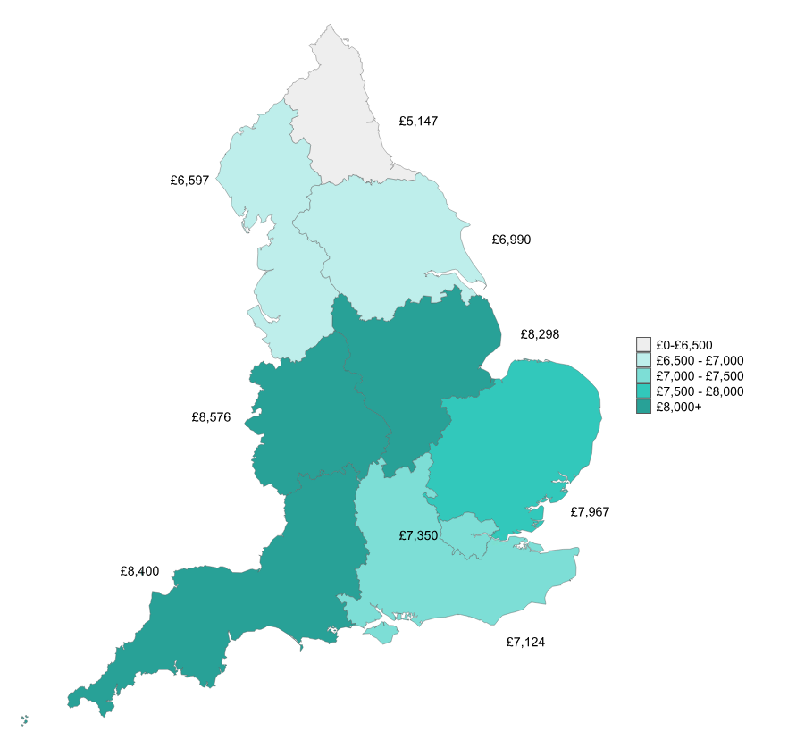
 |  | average cost (£)
 | North East | 5,147
 | North West | 6,597
 | Yorkshire and the Humber | 6,990
 | East Midlands | 8,298
 | West Midlands | 8,576
 | East of England | 7,967
 | London | 7,350
 | South East | 7,124
 | South West | 8,400

Base: all dwellings able to be improved to an EER band C
Note: underlying data are presented in Annex Table 2.14
Source: English Housing Survey, dwelling sample

Fig 2.13
Figure 2.13: Banded cost to improve to energy efficiency rating band C, 2024
 | Underlying Data for Figure 2.13: Banded cost to improve to energy efficiency rating band C, 2024

 |  | thousands of dwellings
 | less than £1,000 | 570
 | £1,000 to £4,999 | 2,939
 | £5,000 to £9,999 | 4,689
 | £10,000 to £14,999 | 1,667
 | £15,000 or more | 904

Base: all dwellings able to be improved to an EER band C
Note: underlying data are presented in Annex Table 2.15
Source: English Housing Survey, dwelling sample

