Pivot table slicer help
 |  | Pivot table slicer
 | For ease a PivotTable slicer has been created to help analyse the data. This PivotTable slicer creates an interactive summary and graph that can be manipulated based on the information that you require.

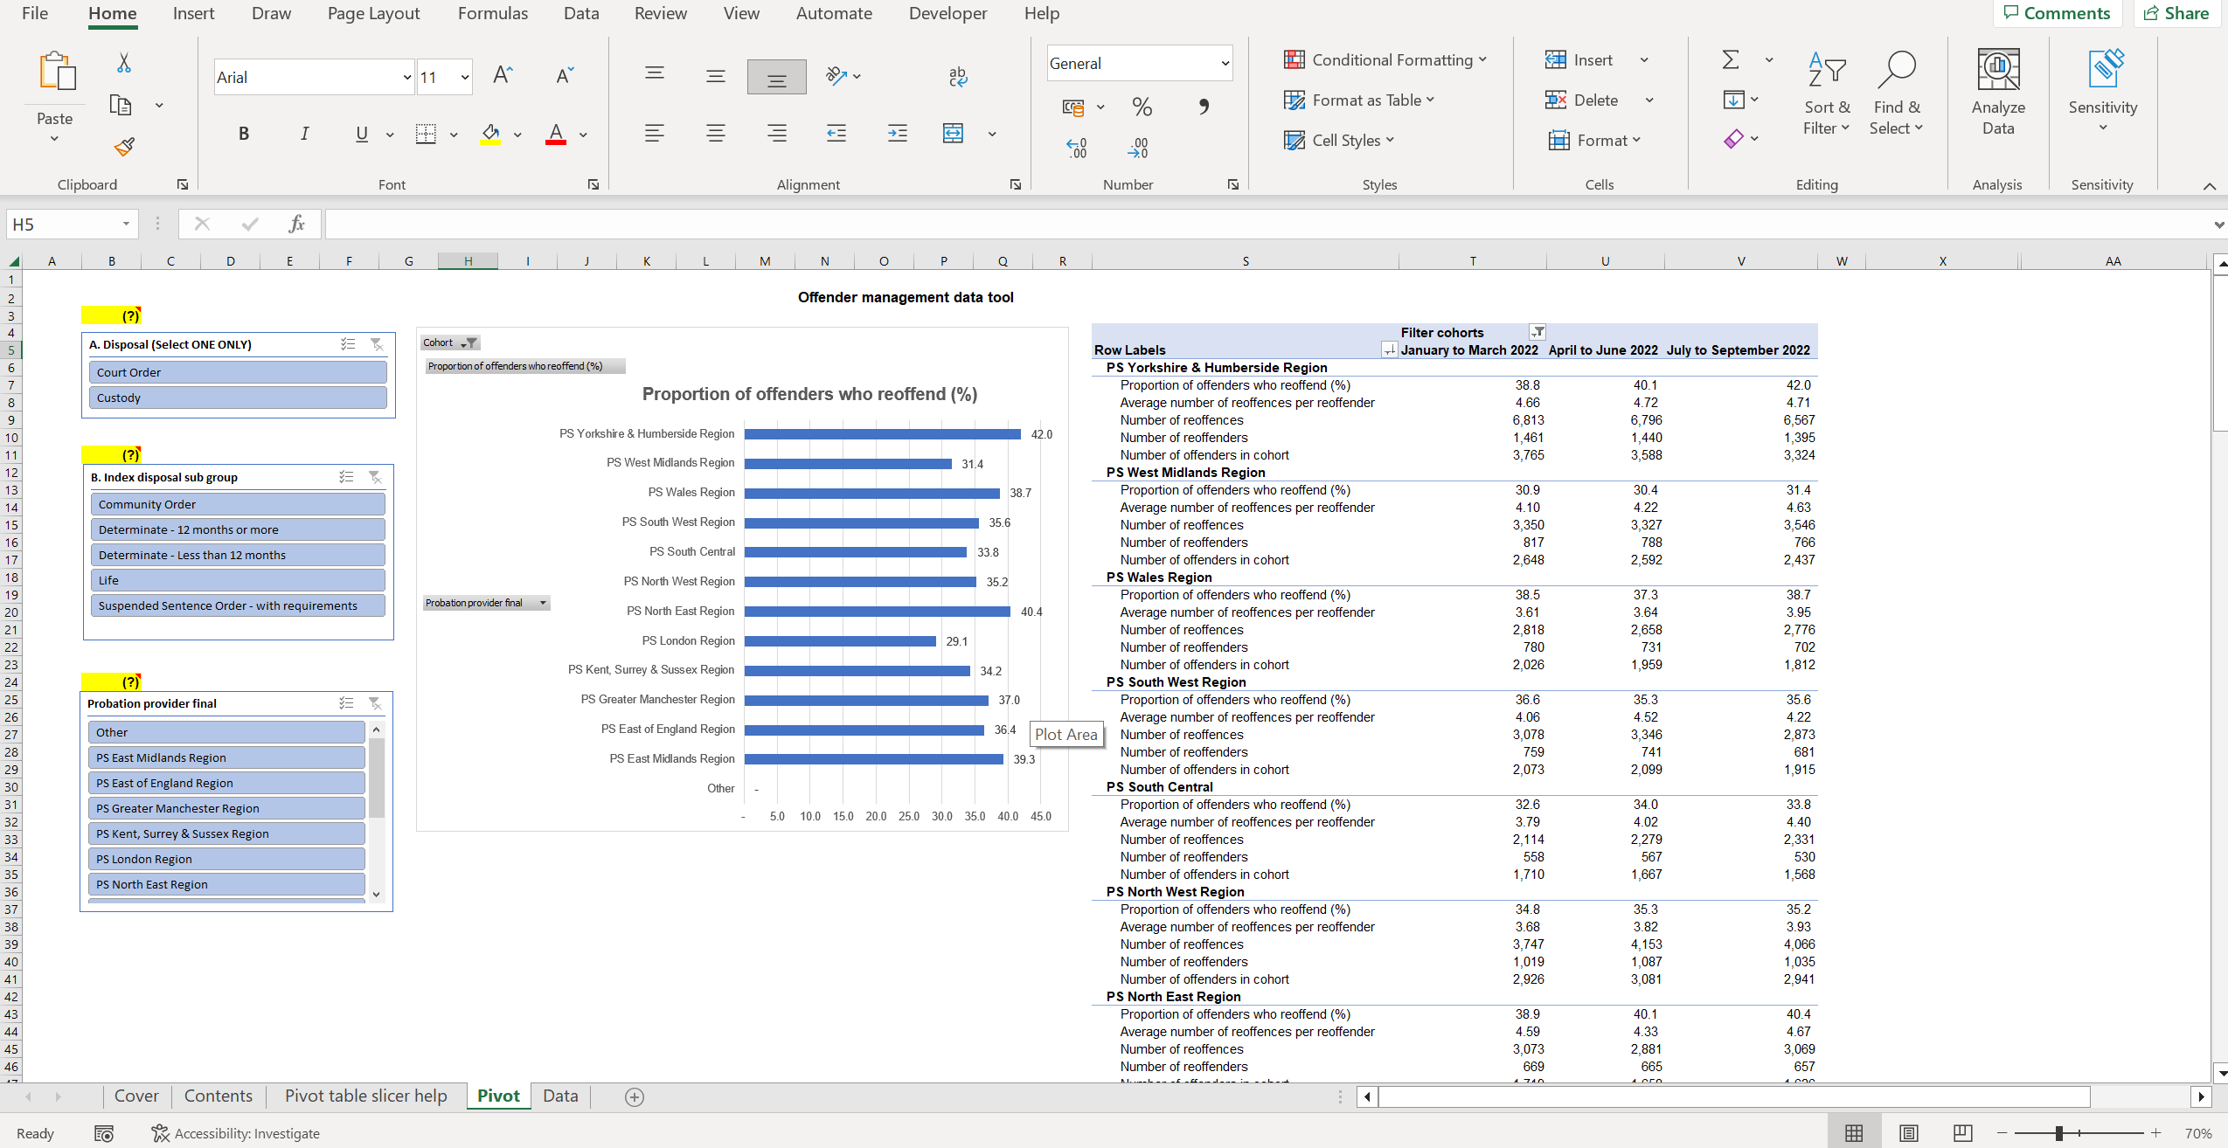

 |  |  | This box shows the proportion of offenders who reoffend (%) in a bar chart for a given cohort.

 |  |  | This box shows the proven reoffending data over time and by probation region.
Select a category
Note: Select ONE 'disposal' to avoid double counting. Once one 'disposal' has been selected, one or multiple categories can be chosen from 'index disposal sub group' and/or 'probation provider final'.

Pivot
Proportion of offenders who reoffend (%)
 | Total
Other | -
PS East Midlands Region | 45.5
PS East of England Region | 41.6
PS Greater Manchester Region | 39.0
PS Kent, Surrey & Sussex Region | 38.5
PS London Region | 31.6
PS North East Region | 50.1
PS North West Region | 42.1
PS South Central | 38.4
PS South West Region | 39.9
PS Wales Region | 42.4
PS West Midlands Region | 35.4
PS Yorkshire & Humberside Region | 47.4
 | Offender management data tool
(?)
 |  |  | Filter cohorts
 |  | Row Labels | January to March 2022 | April to June 2022 | July to September 2022 | October to December 2022 | January to March 2023 | April to June 2023 | July to September 2023 | October to December 2023 | January to March 2024
 |  | PS Yorkshire & Humberside Region
 |  | Proportion of offenders who reoffend (%) | 41.9 | 43.1 | 45.0 | 43.2 | 43.9 | 45.3 | 45.3 | 47.7 | 47.4
 |  | Average number of reoffences per reoffender | 4.66 | 4.68 | 4.81 | 5.38 | 5.42 | 5.89 | 6.09 | 6.34 | 7.00
 |  | Number of reoffences | 5,936 | 5,864 | 5,663 | 7,880 | 7,719 | 8,548 | 9,104 | 10,151 | 11,657
 |  | Number of reoffenders | 1,273 | 1,254 | 1,177 | 1,465 | 1,424 | 1,451 | 1,495 | 1,601 | 1,666
(?) |  | Number of offenders in cohort | 3,035 | 2,908 | 2,616 | 3,389 | 3,245 | 3,205 | 3,298 | 3,354 | 3,516
 |  | PS West Midlands Region
 |  | Proportion of offenders who reoffend (%) | 32.8 | 33.4 | 33.5 | 31.8 | 31.9 | 34.0 | 33.5 | 33.2 | 35.4
 |  | Average number of reoffences per reoffender | 4.20 | 4.36 | 4.67 | 4.52 | 4.57 | 4.95 | 4.99 | 5.34 | 6.02
 |  | Number of reoffences | 2,855 | 2,899 | 2,977 | 3,293 | 3,407 | 4,054 | 4,116 | 4,455 | 5,397
 |  | Number of reoffenders | 679 | 665 | 638 | 729 | 745 | 819 | 825 | 835 | 896
 |  | Number of offenders in cohort | 2,073 | 1,990 | 1,904 | 2,292 | 2,332 | 2,408 | 2,465 | 2,514 | 2,534
 |  | PS Wales Region
 |  | Proportion of offenders who reoffend (%) | 41.0 | 42.2 | 41.9 | 39.4 | 39.9 | 41.3 | 41.9 | 40.6 | 42.4
 |  | Average number of reoffences per reoffender | 3.69 | 3.62 | 3.96 | 3.80 | 4.13 | 4.51 | 4.53 | 5.18 | 5.69
 |  | Number of reoffences | 2,370 | 2,244 | 2,314 | 2,543 | 2,802 | 3,231 | 3,291 | 3,539 | 4,348
 |  | Number of reoffenders | 642 | 620 | 585 | 669 | 678 | 716 | 726 | 683 | 764
(?) |  | Number of offenders in cohort | 1,565 | 1,469 | 1,395 | 1,696 | 1,699 | 1,735 | 1,733 | 1,683 | 1,802
 |  | PS South West Region
 |  | Proportion of offenders who reoffend (%) | 39.3 | 38.2 | 38.1 | 40.7 | 39.5 | 39.7 | 38.9 | 39.4 | 39.9
 |  | Average number of reoffences per reoffender | 4.05 | 4.64 | 4.11 | 4.27 | 4.27 | 4.57 | 4.90 | 5.50 | 5.59
 |  | Number of reoffences | 2,628 | 2,952 | 2,412 | 3,308 | 3,365 | 3,608 | 3,862 | 4,486 | 4,987
 |  | Number of reoffenders | 649 | 636 | 587 | 775 | 788 | 790 | 788 | 816 | 892
 |  | Number of offenders in cohort | 1,651 | 1,663 | 1,540 | 1,903 | 1,993 | 1,988 | 2,026 | 2,070 | 2,235
 |  | PS South Central
 |  | Proportion of offenders who reoffend (%) | 34.9 | 34.8 | 37.3 | 34.4 | 35.9 | 37.0 | 36.9 | 38.6 | 38.4
 |  | Average number of reoffences per reoffender | 3.87 | 4.10 | 4.67 | 3.97 | 4.53 | 5.05 | 5.64 | 5.75 | 6.04
 |  | Number of reoffences | 1,772 | 1,838 | 2,135 | 2,099 | 2,646 | 2,886 | 3,462 | 3,542 | 4,247
 |  | Number of reoffenders | 458 | 448 | 457 | 529 | 584 | 572 | 614 | 616 | 703
 |  | Number of offenders in cohort | 1,312 | 1,287 | 1,224 | 1,539 | 1,627 | 1,546 | 1,666 | 1,596 | 1,832
 |  | PS North West Region
 |  | Proportion of offenders who reoffend (%) | 38.3 | 39.2 | 39.7 | 39.2 | 38.8 | 38.3 | 42.4 | 41.3 | 42.1
 |  | Average number of reoffences per reoffender | 3.75 | 3.89 | 4.02 | 3.94 | 4.17 | 4.20 | 4.28 | 4.81 | 4.85
 |  | Number of reoffences | 3,131 | 3,519 | 3,552 | 4,289 | 4,691 | 4,755 | 5,539 | 5,742 | 6,496
 |  | Number of reoffenders | 834 | 904 | 883 | 1,088 | 1,124 | 1,131 | 1,295 | 1,193 | 1,340
 |  | Number of offenders in cohort | 2,175 | 2,306 | 2,225 | 2,778 | 2,894 | 2,952 | 3,056 | 2,890 | 3,182
 |  | PS North East Region
 |  | Proportion of offenders who reoffend (%) | 42.3 | 43.5 | 43.1 | 45.3 | 44.6 | 45.9 | 51.0 | 48.2 | 50.1
 |  | Average number of reoffences per reoffender | 4.72 | 4.34 | 4.70 | 4.98 | 5.45 | 5.40 | 5.50 | 6.83 | 7.19
 |  | Number of reoffences | 2,638 | 2,449 | 2,616 | 3,263 | 3,807 | 3,701 | 4,154 | 5,130 | 5,820
 |  | Number of reoffenders | 559 | 564 | 557 | 655 | 698 | 685 | 755 | 751 | 809
 |  | Number of offenders in cohort | 1,322 | 1,297 | 1,292 | 1,446 | 1,566 | 1,492 | 1,480 | 1,557 | 1,616
 |  | PS London Region
 |  | Proportion of offenders who reoffend (%) | 30.6 | 29.3 | 30.7 | 26.5 | 25.8 | 28.2 | 30.3 | 30.1 | 31.6
 |  | Average number of reoffences per reoffender | 3.54 | 3.48 | 3.73 | 3.79 | 4.05 | 3.94 | 3.96 | 4.56 | 4.41
 |  | Number of reoffences | 3,271 | 2,938 | 3,402 | 3,593 | 3,752 | 3,604 | 3,820 | 4,194 | 4,652
 |  | Number of reoffenders | 925 | 844 | 912 | 947 | 927 | 915 | 964 | 920 | 1,056
 |  | Number of offenders in cohort | 3,023 | 2,883 | 2,972 | 3,580 | 3,599 | 3,250 | 3,181 | 3,057 | 3,341
 |  | PS Kent, Surrey & Sussex Region
 |  | Proportion of offenders who reoffend (%) | 35.0 | 35.9 | 36.8 | 31.5 | 32.3 | 33.6 | 37.8 | 34.6 | 38.5
 |  | Average number of reoffences per reoffender | 4.33 | 4.53 | 4.70 | 4.48 | 5.17 | 5.05 | 5.32 | 5.13 | 5.43
 |  | Number of reoffences | 1,827 | 1,915 | 1,912 | 2,178 | 2,767 | 2,607 | 2,904 | 2,870 | 3,521
 |  | Number of reoffenders | 422 | 423 | 407 | 486 | 535 | 516 | 546 | 560 | 649
 |  | Number of offenders in cohort | 1,205 | 1,177 | 1,107 | 1,543 | 1,655 | 1,535 | 1,444 | 1,617 | 1,687
 |  | PS Greater Manchester Region
 |  | Proportion of offenders who reoffend (%) | 38.4 | 42.2 | 38.6 | 40.3 | 40.3 | 39.0 | 37.3 | 35.6 | 39.0
 |  | Average number of reoffences per reoffender | 3.60 | 3.50 | 3.71 | 3.93 | 3.74 | 4.14 | 4.67 | 4.70 | 5.46
 |  | Number of reoffences | 1,769 | 1,945 | 1,800 | 2,366 | 2,462 | 2,743 | 3,141 | 3,325 | 4,074
 |  | Number of reoffenders | 491 | 555 | 485 | 602 | 659 | 662 | 673 | 707 | 746
 |  | Number of offenders in cohort | 1,279 | 1,315 | 1,256 | 1,494 | 1,635 | 1,698 | 1,806 | 1,987 | 1,915
 |  | PS East of England Region
 |  | Proportion of offenders who reoffend (%) | 41.8 | 39.8 | 40.9 | 39.2 | 38.1 | 39.0 | 37.4 | 41.3 | 41.6
 |  | Average number of reoffences per reoffender | 4.79 | 4.91 | 5.09 | 5.43 | 5.45 | 5.78 | 6.17 | 6.36 | 6.10
 |  | Number of reoffences | 4,245 | 3,996 | 3,975 | 5,265 | 5,358 | 5,886 | 6,076 | 6,768 | 6,966
 |  | Number of reoffenders | 886 | 814 | 781 | 970 | 983 | 1,019 | 985 | 1,064 | 1,142
 |  | Number of offenders in cohort | 2,122 | 2,047 | 1,910 | 2,475 | 2,583 | 2,616 | 2,633 | 2,575 | 2,746
 |  | PS East Midlands Region
 |  | Proportion of offenders who reoffend (%) | 40.8 | 43.0 | 42.6 | 40.9 | 40.7 | 43.7 | 45.8 | 44.0 | 45.5
 |  | Average number of reoffences per reoffender | 4.43 | 5.06 | 4.81 | 4.56 | 4.98 | 5.51 | 5.71 | 6.22 | 6.76
 |  | Number of reoffences | 2,393 | 2,841 | 2,730 | 3,216 | 3,796 | 4,307 | 5,027 | 5,101 | 5,973
 |  | Number of reoffenders | 540 | 561 | 567 | 706 | 762 | 782 | 880 | 820 | 883
 |  | Number of offenders in cohort | 1,322 | 1,304 | 1,331 | 1,727 | 1,871 | 1,788 | 1,920 | 1,863 | 1,939
 |  | Other
 |  | Proportion of offenders who reoffend (%) | - | - | - | 50.0 | - | - | - | - | -
 |  | Average number of reoffences per reoffender | - | - | - | - | - | - | - | - | -
 |  | Number of reoffences | 49 | 12 | 9 | 60 | 16 | 7 | 30 | 16 | 20
 |  | Number of reoffenders | 11 | 6 | 3 | 20 | 4 | 3 | 6 | 7 | 7
 |  | Number of offenders in cohort | 21 | 10 | * | 40 | 11 | 8 | 7 | 17 | 13

