Cover_sheet
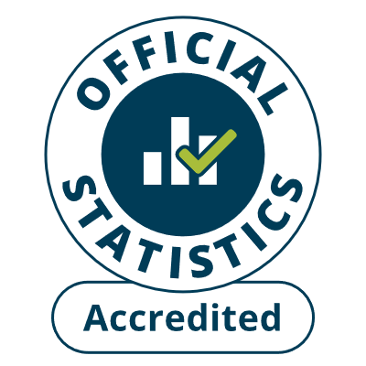
Fire and rescue incident statistics
England, year ending March 2025: data tables
Table 0202
Responsible Statistician: Paul Gaught-Allen
Email: firestatistics@communities.gov.uk
Press enquiries: NewsDesk@communities.gov.uk
Published: 10 July 2025
Next update: N/A
Crown copyright © 2025
Contents
We’re always looking to improve the accessibility of our documents.
If you find any problems, or have any feedback, relating to accessibility
Please email us at firestatistics@communities.gov.uk

