Cover_sheet
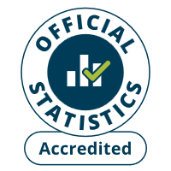
Fire and rescue incident statistics
England, year ending September 2025: data tables
Table 0103
Responsible Statistician: Ollie Gee
Email: FireStatistics@communities.gov.uk
Press enquiries: NewsDesk@communities.gov.uk
Published: 29 January 2026
Next update: TBC
Crown copyright © 2026
Contents
We’re always looking to improve the accessibility of our documents.
If you find any problems, or have any feedback, relating to accessibility
Please email us at firestatistics@communities.gov.uk

