Highlights
Weekly Road Fuel Prices

 |  |  | Average UK pump prices on | 2025-12-22
 |  |  | Published on | 2025-12-23

ULSP
(Unleaded Petrol)
136.23
p/litre
ULSD
(Diesel)
145.45
p/litre

 | Change on previous week |  |  |  |  | Change on previous week
 | -0.6 | pence per litre |  |  |  | -0.7 | pence per litre

 | Change on previous year |  |  |  |  | Change on previous year
 | -0.2 | pence per litre |  |  |  | 2.6 | pence per litre

 |  | Price excluding duty and tax |  | Duty rate | VAT @ 20 % |  | Total
 | ULSP | 60.57 |  | 52.95 | 22.70 |  | 136.23 | pence per litre
 | ULSD | 68.26 |  | 52.95 | 24.24 |  | 145.45 | pence per litre

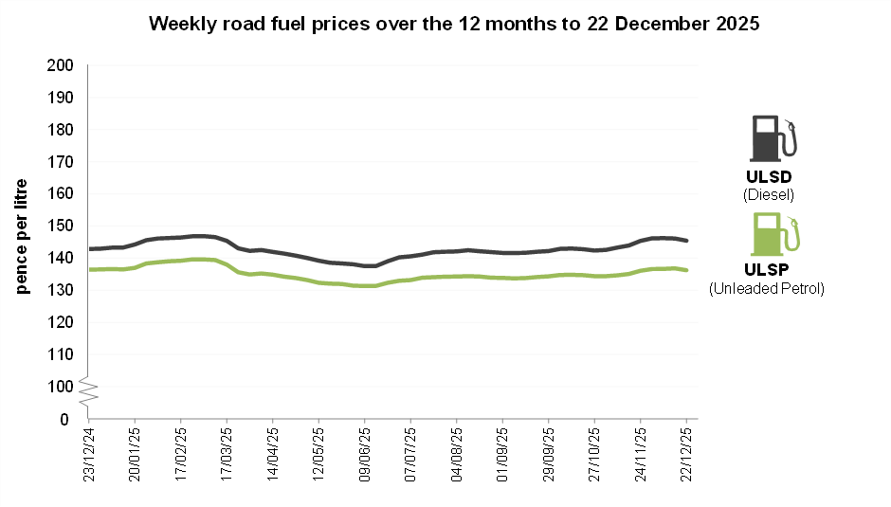

Return to Contents page

