Cover
 |  | The Housing and Regeneration Agency

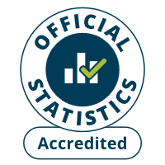

 | Housing Statistics Tables
 | 1 April 2025 - 30 September 2025
 | Published 3 December 2025

enquiries@homesengland.gov.uk
0300 1234 500
gov.uk/homes-england

