Cover_sheet
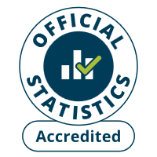 
Fire and rescue workforce and pensions statistics
England, year ending March 2025
Table 1302
Responsible Statistician: Paul Gaught-Allen
Email: firestatistics@communities.gov.uk
Press enquiries: NewsDesk@communities.gov.uk
Published: 4 December 2025
Next update: Autumn 2026
Crown copyright © 2025
Contents
We’re always looking to improve the accessibility of our documents.
If you find any problems, or have any feedback, relating to accessibility
please email us at firestatistics@communities.gov.uk

