Guide
Changes since FR2024
 | This section sets out a list of the most notable changes for the latest release of the Finance Record, FR2024. Not described here are minor changes to validation, text and formatting, which should not affect how users complete the template.
Miscellaneous
 | LGPS
 | As part of this year’s financial return, we are asking colleges to provide details of their LGPS contribution rates. This information will help us understand how the DfE’s FE Guarantee has been implemented across the sector.
 | Operating leases
 | Data on operating leases is being collected in this year's Finance Record to help understand the potential effect of the new FE & HE SORP which will first impact college accounts for the 2026/27 Financial Year. The SORP is expected to require changes in lease accounting. For some operating leases, institutions will now be required to recognise a lease liability and a corresponding right-of-use asset on the balance sheet. Such changes in the accounting treatment of operating leases may impact the ratios currently used for assessment of colleges' financial health scores, so it is important for the department and the sector to be able to assess the extent of any potential effects, in advance of the change.
 | 16-19 discretionary and vulnerable bursaries and free meals in further education (FEFM) funds
 | Section xxii, Annex D, of the College Accounts Direction 2024/25 requires colleges to make a disclosure in their financial statements about the 16-19 bursaries (discretionary and vulnerable) and free meals in further education (FEFM) they have distributed during the year. In the section beginning on row 218 of the Miscellaneous sheet, we are asking for the details which have been included in the relevant note to the financial statements. For any cells where the value is nil, please enter zero.

I&E | We have now included a cell to enter the Post-16 National Insurance grant at row 73.

Sheet Styles
Input sheets | Yellow tabs denote the main data entry sheets for users to complete.
Additional input | Dark blue tabs denote output sheets which display calculated values but also request narrative or self-assessment.
Other | Green tabs are for any other sheets containing information or calculations such as ToC, a sheet of parameters, etc. These sheets are not filled in by users but may be referred to for information.
Template | The red tab is an unprotected sheet that can be used by colleges for their own calculations. Colleges can also add additional sheets to the workbook, however, any structural changes, such as changing the names of existing tabs will result in a rejection of entire FR submission.

Cell Styles
Input | Input cells: data needs to be entered by the user.
Optional input | Optional input cells: data may be entered here for additional/optional information.
Calc | Calculation cells that are automatically calculated.
Calc - different | This darker shade for calculation cells denotes calculation of totals or a different formula within a calculation block.
Unassigned | Unassigned cells or placeholders that do not contain any data.

Benchmarking
 | The benchmarking tab was changed for the FR2022. The changes were based on consultation and feedback with colleges directly and through sector representative bodies. Some fields were removed altogether, others were moved to the Miscellaneous tab, and some new benchmarks were introduced. The new benchmarks are designed to provide colleges with more useful benchmarking data. The section on curriculum efficiency measures will not be published as part of the annual benchmarking tool, but will be available to individual colleges to undertake benchmarking of these ratios in View your education data (VYED). The benchmarks introduced in FR2022 and definitions of these are below:

Section 1 | Number of students qualifying for Element 2 High Needs Funding. This was clarified in FR2023.

Section 4 | Requires a yes/no in the drop-down menu to be selected against each of the services listed. The final input field requires a total value of all the college outsourced services in £000s. This section is designed to enable colleges to investigate differences between their staff to income ratio and that of other colleges.

Section 5 | The standalone estates sheet was removed from the template for FR2022. Section 5 requires colleges to input total gross internal area in m² for all college buildings. Three new ratios on energy costs have been introduced, requiring colleges to input total annual costs in £000s for electricity, gas, and other energy, as has one on total cleaning costs. The other input requirement is to select whether the college is considered to be a single site or multi-site. The purpose of this is to enable colleges to compare the curriculum efficiency ratios with colleges in the same category. For S1.5i (would you consider your college to be single- or multi-sited?), college with multi delivery sites means more than one geographical location operated by a corporation from which further education provision is delivered. A delivery site could in practice be labelled as a campus, college, farm, or as another similar term. Colleges with two sites, perhaps in different towns, will have different cost profiles and curriculum efficiency measures than single-sited colleges. When deciding how to answer this question, think about whether you have a reception, food available for students, constant senior management presence. It is unlikely that e.g. a shop in the town centre would meet the criteria for being a second site.

Section 6 | • Total planned teaching hours: total number of planned annual teaching delivery hours for the year, excluding remission. This total is for establishment staff only and should exclude any sessional or agency staff. • Total contracted teaching hours: total number of contracted hours of all staff with a teaching commitment in their contract. This is the gross number of hours, including remitted hours and excluding any sessional or agency staff. Starters and leavers during the year should be included with contracted hours on a pro-rata basis. • Total remitted hours: all remitted hours of any member of staff with a contractual teaching commitment, including curriculum managers. • The average class size (split out by level): the number of learners divided by number of classes. This should cover all learners by headcount, including part-time learners. For 16-19 learners this should be for main aim only.
 | •The 16-19 study programme hours: the total average actual annual study programme hours per learner, including English and maths hours, with the level based on main aim. If a learner is undertaking, for example, a level 2 programme alongside a main aim level 3, then that learner should be counted in level 3 only. • 16-19 student attrition rate: enter the total headcount enrolments (where a student has been active and attended at least one session) for the year of the finance record and the total headcount enrolled learners at R04 for the year of the finance record. This is to give an indication of the day 42 attrition rate. • Average assessor caseload: total FTE assessors and the headcount number of apprentices in learning. Both entries to be taken at the time of R06. The remaining cells in this section are self-calculating.

Errors and Warnings
 | Extra validation checks and warnings were introduced in FR2022:

I&E - Subcontracting | An error check has been added to the I&E sheet. If subcontracting out costs (G124) are non-zero, this checks whether subcontracted out income has been entered in any cells further up the sheet - G13; G23; G29; G38; G46; G53; or G60. If no subcontracted out income has been entered, the validation check in column O will return an error, meaning the template will be rejected if the error is not corrected. Please see below for an example.
 | 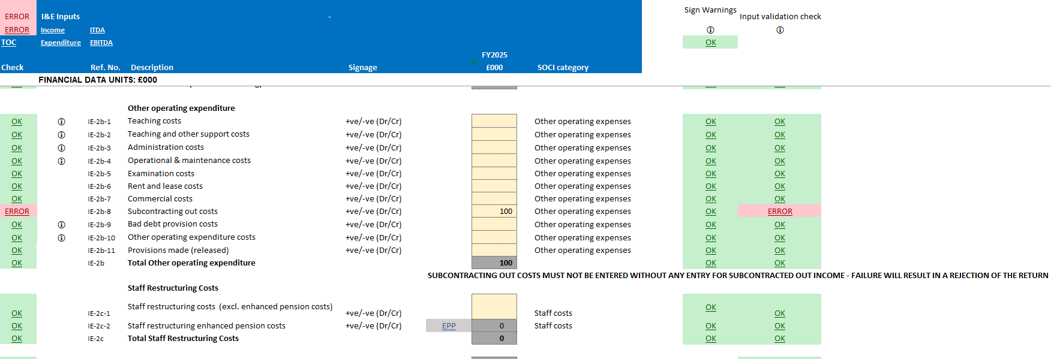

Financial Health | It is mandatory for colleges to provide their self-assessed financial health grades in the return. As a reminder of this, a warning has been added to the financial health sheet. The entry for college self-assessment (cell G26 on the financial health sheet) is set to default to the auto-calculated financial health grade, meaning that, if no change is made to this cell, it will be assumed that the college's self-assessed financial health grade is the same as the auto-calculated grade. If a college wants to enter a different self-assessed grade, this can be selected from the drop down in G26, as in previous returns. If cell G26 is cleared and left empty, a warning will appear, prompting colleges to enter their own self-assessed grade. Please see below for an example.
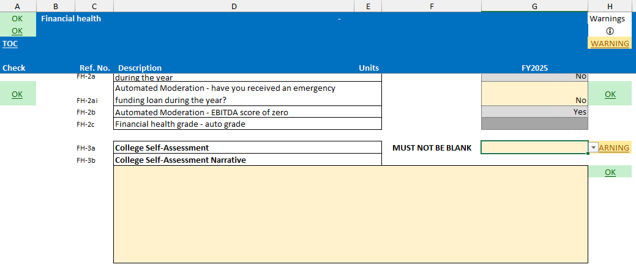

 | If colleges have selected a different self-assessed grade to the calculated grade, they must enter text in the narrative box, to explain their choice. When a different grade has been selected, but no narrative has been supplied, a warning will be generated as a reminder that narrative must be provided. See below for an example.

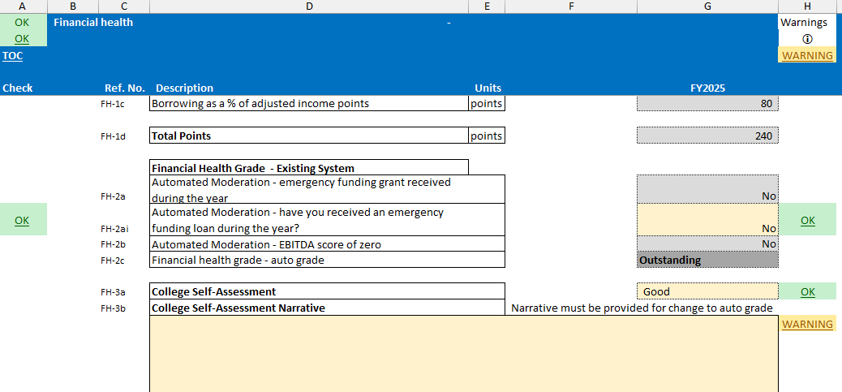

Miscellaneous tab

Related party transactions | Cell G114 of the Miscellaneous tab, as requested in previous years, requires colleges to enter the total value of goods and services purchased in the year from related parties external to the corporation. If there are no such transactions, please enter zero in the cell. Organisations whose results have been consolidated into the corporation’s financial statements (for example those of a subsidiary) are classed as internal related parties and purchases from such entities should be omitted from the value reported. Please report only external related party expenditure. This figure should exclude, for example: - expenses and other payments made to governors/trustees - income received by the corporation - loan and interest payments made by the corporation.
Governance reviews guidance | Guidance is included in a note for the question "Has an external governance review taken place during the period covered by the accounts?" (Miscellaneous sheet, line Misc-11b, cell G109), to provide clarity on how users should answer. This note is attached to cell F109 and the guidance within is as follows: "An external governance review is required every 3 years (with effect from 21-22). Please select: – 'Yes' where an external governance review has been held in this financial year – 'No but one was due' where the 3 year point fell this financial year but an external governance review has not been held (please note that DfE will follow up to explore the reasons why) – 'No, not due this year' where the 3 year point has not yet been reached."

Other guidance

Accounting Officer's remuneration | Accounting Officer's remuneration recorded in the section beginning at row 10 in the Miscellaneous sheet must be comprehensive, and fully comply with the College Accounts Direction: Annex D, part v. Remuneration of key management personnel and higher-paid staff, parts (b) and (e) starting at p22.
 | Please ensure that the entries in this section of the Miscellaneous sheet, G11 and below are entered in £000s per the column heading.
Movement in holiday pay accrual | It is important for the calculation of Education-specific EBITDA to ensure that the correct sign is used for the entry of Movement in holiday pay accrual in cell G175 of the I&E sheet. For an increase in the provision, the value entered should be +ve, for a decrease in provision, the value entered should be -ve.
LGPS Net Asset | For the purposes of the Finance Record, a net asset for the LGPS will be shown as a negative liability in the balance sheet. Note - this will raise a warning but will not prevent the FR from being submitted.
Capital Grant Liabilities | As instructed for the 2025 CFFR, where colleges have received capital funding in advance which forms part of their cash balance, they should use the restricted cash field (cell G29 in the BS sheet) to record that unspent capital cash balance to the extent that this has not already been included in current liabilities. Please refer to paragraph 14 of the College Financial Planning Handbook 2024/25 for further details.

Financial health
OK | Financial health |  | - |  |  | Warnings
OK |  |  |  |  |  | i
TOC |  |  |  |  |  | OK

Check |  | Ref. No. | Description | Units | FY2025 |  | Grading System
 |  |  | Financial Health Grading - Existing System
 |  |  |  |  |  |  | Ratio Scales

Outstanding
 |  | R-2c | Adjusted current ratio | ratio | - |  | Points | EBITDA | Adjusted current ratio | Debt as % of income | Points | FH Rating
 |  | R-5g | EBITDA as a % of adjusted income - education specific | % | 0.00%
 |  | R-4c | Borrowing as a % of adjusted income | % | 0.00% |  | 100 | >=10% | >=2.0 | 0 | 100
 |  |  |  |  |  |  | 90 | >=9% | >=1.8 | <10% | 90
 |  |  | Calculate Grades |  |  |  | 80 | >=8% | >=1.6 | <20% | 80
Good
Good
 |  | FH-1a | Adjusted current ratio points | points | - |  | 70 | >=7% | >=1.4 | <30% | 70
 |  | FH-1b | EBITDA as a % of income - education specific points | points | - |  | 60 | >=6% | >=1.2 | <35% | 60
Requires improvement
 |  | FH-1c | Borrowing as a % of adjusted income points | points | - |  | 50 | >=5% | >=1.0 | <40% | 50
 |  |  |  |  |  |  | 40 | >=4% | >=0.8 | <45% | 40
Inadequate
 |  | FH-1d | Total Points | points | - |  | 30 | >=3% | >=0.7 | <50% | 30
 |  |  |  |  |  |  | 20 | >=2% | >=0.6 | <55% | 20
 |  |  | Financial Health Grade - Existing System |  |  |  | 10 | >=1% | >=0.5 | <60% | 10
 |  | FH-2a | Automated Moderation - emergency funding grant received during the year |  | No |  | 0 | <1% | <0.5 | >=60% | 0
OK |  | FH-2ai | Automated Moderation - have you received an emergency funding loan during the year? |  | No | OK
 |  | FH-2b | Automated Moderation - EBITDA score of zero |  | Yes |  | FH Rating |  |  | Top Score
 |  | FH-2c | Financial health grade - auto grade |  | Inadequate |  | Inadequate |  |  | 110
 |  |  |  |  |  |  | Requires Improvement |  |  | 170
 |  | FH-3a | College Self-Assessment |  | Inadequate | OK | Good |  |  | 230
 |  | FH-3b | College Self-Assessment Narrative |  |  |  | Outstanding |  |  | 300
 |  |  |  |  |  | OK

