Contents
Concessionary Reimbursement Calculator - Contents
This sheet provides guidance on the formatting, contents and structure of the Calculator

 | Introduction

 | This workbook is the latest version of the Department for Transport's (DfT) Concessionary Reimbursement Calculator.

 | This spreadsheet tool is designed to assist Travel Concession Authorities (TCAs) and operators in calculating reimbursement due from concessionary fares schemes.
 | It should be used in conjunction with the appropriate written DfT guidance, the latest version of which can be found on the DfT website.

 | The written guidance and this calculator set out DfT preferred methodology for calculating reimbursement based on the best available evidence.
 | TCAs may use the methodology of their choice in calculating reimbursement for bus operators, subject to ensuring that operators are left no better, no worse off as a result of their participation into the scheme.

 | This Calculator is divided into five separate sections, with cells being colour-coded as follows:

 | Dropdown Inputs
 | User Inputs
 | Outputs
 | Calculations
 | Calculation Parameters

 | All DfT assumptions are defined in the input worksheets, which is where all user inputs is required.
 | The calculation and output worksheets are protected, to prevent formulae to be overwritten by mistake. There is no password, which means the user can decide to unprotect the worksheet if so desired.

 | Contents - Workbook Sheets and Descriptions

 | Sheet Name and Link | Sheet Description
 | Concessionary Reimbursement Calculator - Contents | This sheet provides guidance on the formatting, contents and structure of the Calculator
 | Instructions | This sheet provides instructions on the calculator methodology, inputs, and outputs.
 | Lists | This sheet records the lists used in the dropdown inputs
 | Inputs
 | General Inputs | This sheet records the user's selected methodologies and mandatory inputs
 | Average Fare - Basket of Fares Inputs | This sheet records the user's inputs to calculate the Average Fare using the Basket of Fares method
 | Average Fare - Discount Factor Inputs | This sheet records the user's inputs to calculate the Discount Factor using the Discount Factor method
 | Marginal Capacity Costs Inputs | This sheet records the user's inputs to calculate Marginal Capacity Costs
 | Inflation Inputs | This sheet records the user's inputs to update inflation.
 | Output
 | Outputs | This sheet gathers all of the Calculator outputs
 | Marginal Capacity Costs Outputs | This sheet gathers the detailed Marginal Capacity Costs outputs at network level
 | Calculations
 | Average Fare Calculations - Discount Factor Method | This sheet contains the calculations to derive the Average Fare via the Discount Factor method
 | Average Fare Calculations - Basket of Fares Method | This sheet contains the calculations to derive the Average Fare via the Basket of Fares method
 | Reimbursement Factor Calculations | This sheet contains the calculations to derive the Reimbursement Factor
 | Marginal Operating Costs Calculations | This sheet contains the calculations to derive the Marginal Operating Costs
 | Marginal Capacity Costs Calculations | This sheet contains the calculations to derive the Marginal Capacity Costs
 | Inflation Calculations | This sheet contains the calculations to derive Inflation
 | Lookup Table Selection | This sheet references the lookup table selected by the user to calculate the Average Fare using the Discount Factor method
 | Model Parameters
 | Lookup Tables Options | This sheet gives the four lookup tables options used to calculate the Average Fare using the Discount Factor method, and an additional slot to include a custom lookup table
 | Calculation Parameters | This sheet lists all the model parameters used to derive the Calculator outputs

 | Model Map

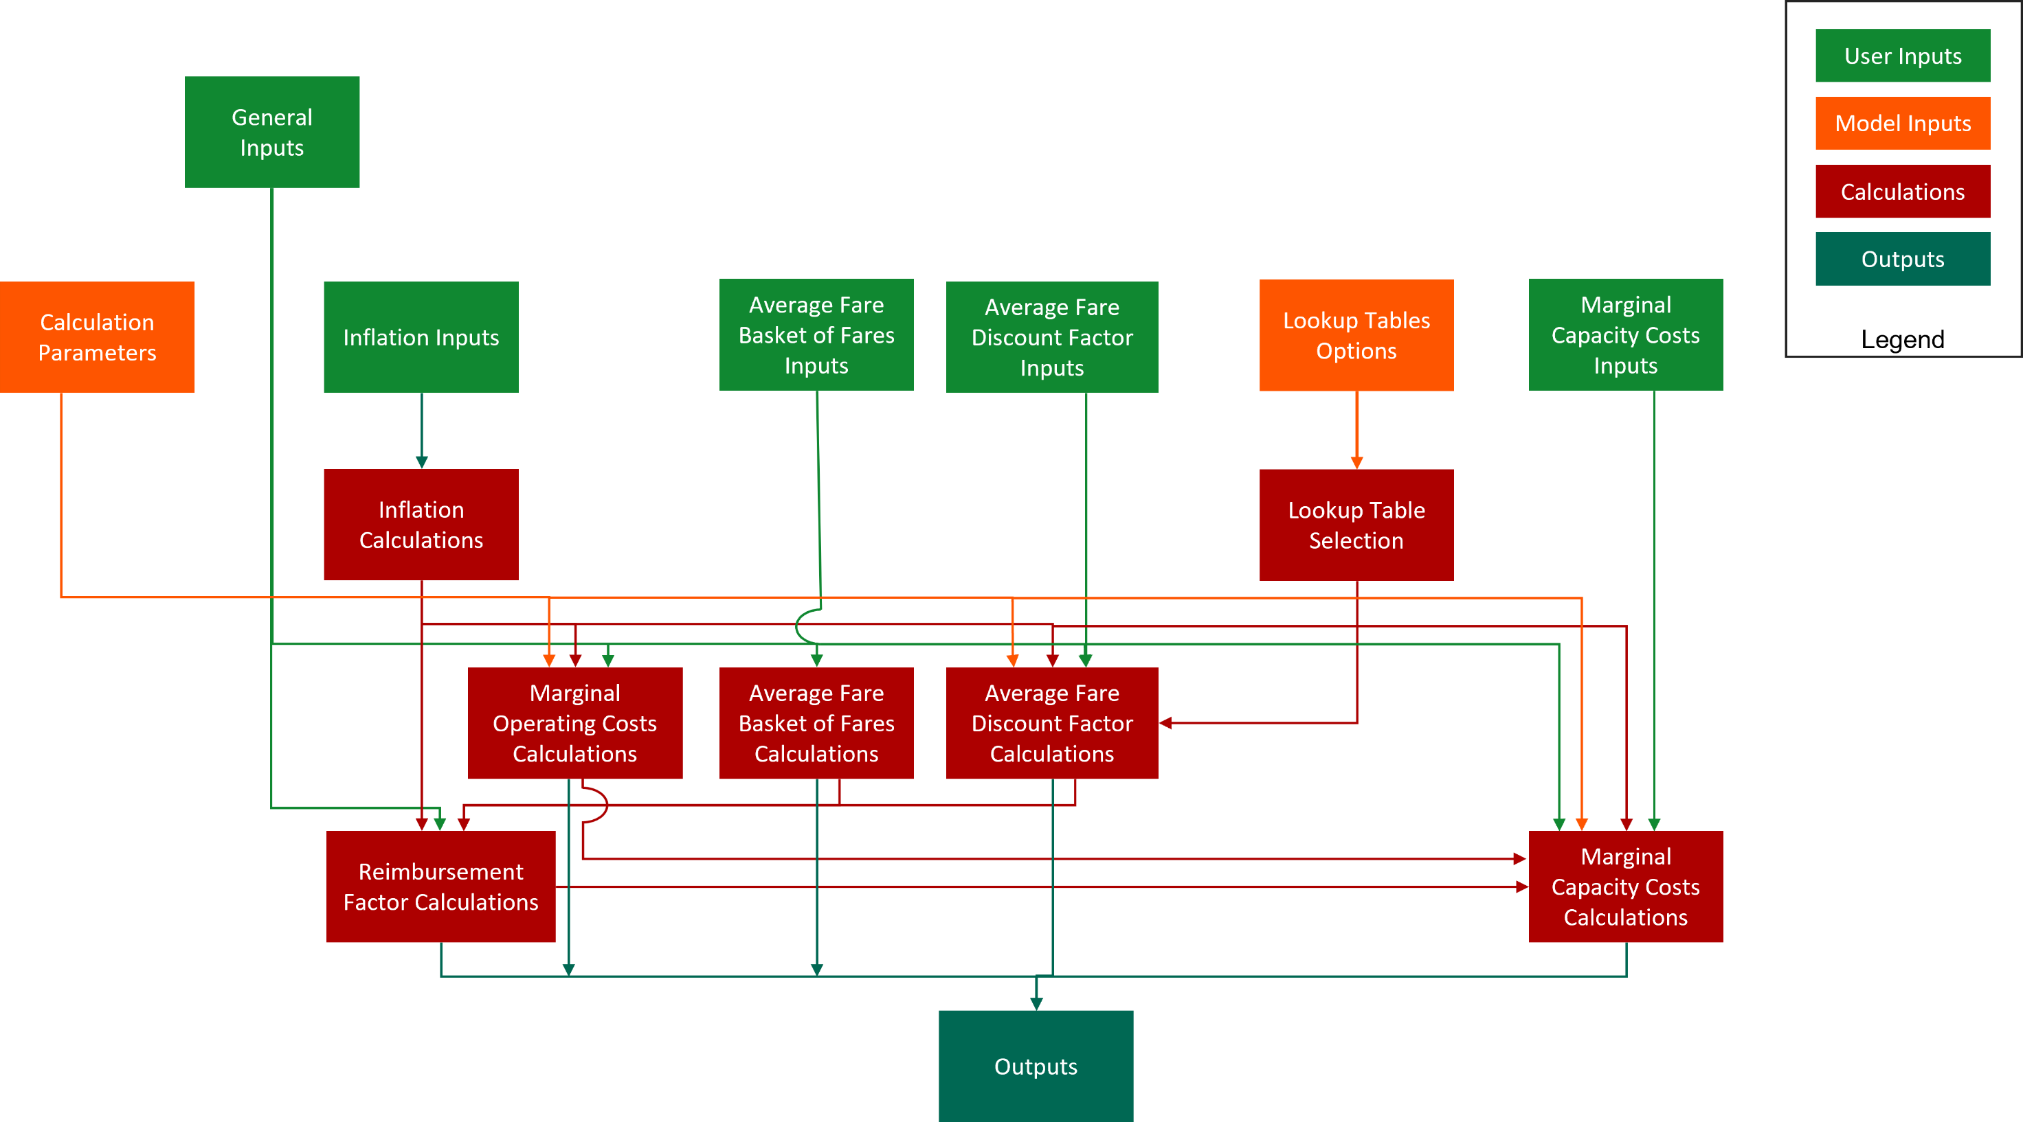

 | End of Worksheet

