TA Figure 1
Technical Annex
Figure 1: A comparison of the CBGDP adjusted baseline against the Energy and Emissions Projections (EEP) 2023-2050 reference case before adjustments, with and without International Aviation and Shipping (IAS)
Chapter: | Baseline Emissions
Figure number | 1
Figure title | Figure 1: A comparison of the CBGDP adjusted baseline against the Energy and Emissions Projections (EEP) 2023-2050 reference case before adjustments, with and without International Aviation and Shipping (IAS)
Source(s): | Energy and Emissions Projections 2023 – DESNZ Internal Analysis, 2025
Labels
Primary y axis | Annual total emissions, MtCO2e
Primary x axis | Year
Author notes
DATA
 | 2024 | 2025 | 2026 | 2027 | 2028 | 2029 | 2030 | 2031 | 2032 | 2033 | 2034 | 2035 | 2036 | 2037
EEP 2023-2050 Reference Baseline (excluding international aviation and shipping) | 376 | 368 | 361 | 352 | 344 | 339 | 327 | 318 | 313 | 309 | 307 | 304 | 301 | 298
EEP 2023-2050 Reference Baseline (including international aviation and shipping) | 419 | 411 | 404 | 396 | 388 | 383 | 371 | 362 | 358 | 354 | 352 | 349 | 345 | 343
CBGDP Adjusted Baseline (excluding international aviation and shipping) | 373 | 368 | 361 | 352 | 344 | 340 | 330 | 322 | 317 | 313 | 310 | 306 | 303 | 300
CBGDP Adjusted Baseline (including international aviation and shipping) | 416 | 411 | 403 | 394 | 386 | 382 | 371 | 362 | 358 | 353 | 349 | 345 | 341 | 338

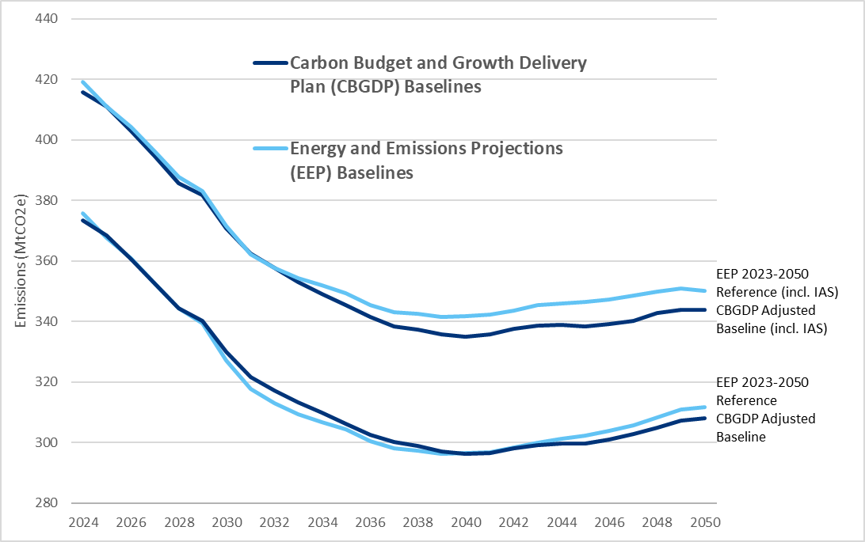

TA Figure 2
Technical Annex
Figure 2: A comparison of the CBGDP adjusted baseline against the Energy and Emissions Projections (EEP) 2023-2050 reference case before adjustments, with International Aviation and Shipping (IAS) included from 2033 onwards
Chapter: | Baseline Emissions
Figure number | 2
Figure title | Figure 2: A comparison of the CBGDP adjusted baseline against the Energy and Emissions Projections (EEP) 2023-2050 reference case before adjustments, with International Aviation and Shipping (IAS) included from 2033 onwards
Source(s): | Energy and Emissions Projections 2023 – DESNZ Internal Analysis, 2025
Labels
Primary y axis | Annual total emissions, MtCO2e
Primary x axis | Year
Author notes
DATA
 | 2024 | 2025 | 2026 | 2027 | 2028 | 2029 | 2030 | 2031 | 2032 | 2033 | 2034 | 2035 | 2036 | 2037
EEP 2023-2050 Reference Baseline (international aviation and shipping included from 2033) | 376 | 368 | 361 | 352 | 344 | 339 | 327 | 318 | 313 | 354 | 352 | 349 | 345 | 343
CBGDP Adjusted Baseline (international aviation and shipping included from 2033) | 373 | 368 | 361 | 352 | 344 | 340 | 330 | 322 | 317 | 353 | 349 | 345 | 341 | 338
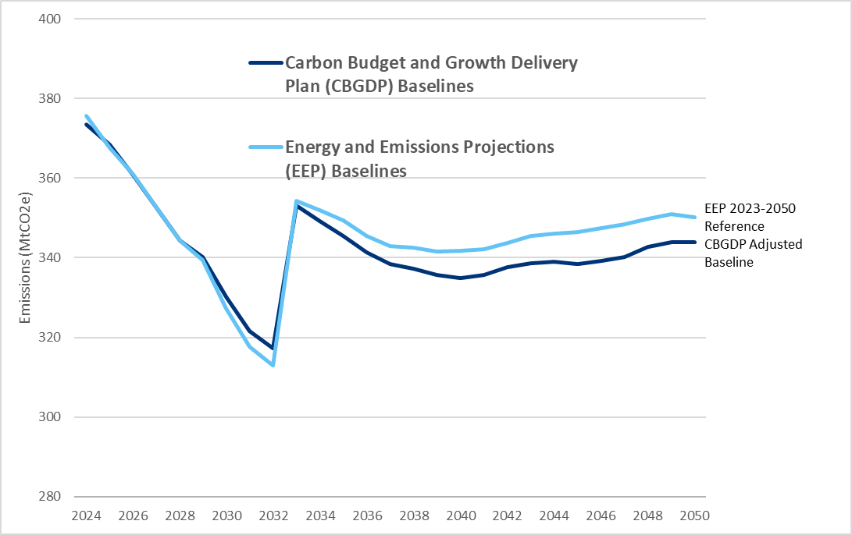

TA Figure 3
Technical Annex
Figure 3: A comparison of the CBGDP Adjusted baseline against the baseline used in the Carbon Budget Delivery Plan 2023, with International Aviation and Shipping (IAS) included from 2033 onwards
Chapter: | Baseline Emissions
Figure number | 3
Figure title | Figure 3: A comparison of the CBGDP Adjusted baseline against the baseline used in the Carbon Budget Delivery Plan 2023, with International Aviation and Shipping (IAS) included from 2033 onwards
Source(s): | Energy and Emissions Projections 2023 – DESNZ Internal Analysis, 2025
Labels
Primary y axis | Annual total emissions, MtCO2e
Primary x axis | Year
Author notes
DATA
 | 2024 | 2025 | 2026 | 2027 | 2028 | 2029 | 2030 | 2031 | 2032 | 2033 | 2034 | 2035 | 2036 | 2037
CBDP 2023 Baseline (international aviation and shipping included from 2033) | 383 | 382 | 382 | 379 | 370 | 365 | 357 | 356 | 353 | 396 | 394 | 390 | 389 | 388
CBGDP Adjusted Baseline (international aviation and shipping included from 2033) | 373 | 368 | 361 | 352 | 344 | 340 | 330 | 322 | 317 | 353 | 349 | 345 | 341 | 338
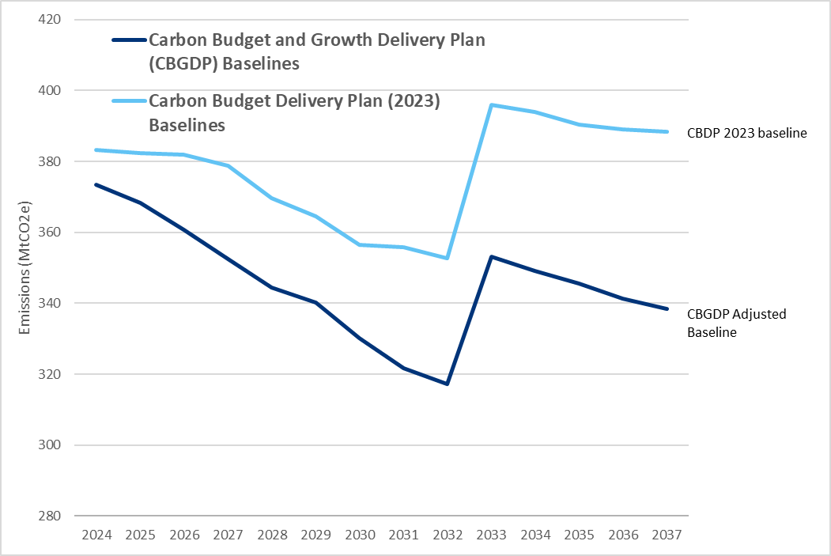

TA Figure 4
Technical Annex
Figure 4: Uncertainty around UK projected baseline emissions based on Energy and Emissions Projections (EEP) Monte Carlo analysis (International Aviation and Shipping included from 2033)
Chapter: | Baseline Emissions
Figure number | 4
Figure title | Figure 4: Uncertainty around UK projected baseline emissions based on Energy and Emissions Projections (EEP) Monte Carlo analysis (International Aviation and Shipping included from 2033)
Source(s): | Energy and Emissions Projections 2023 – DESNZ Internal Analysis, 2025
Labels
Primary y axis | Annual total emissions, MtCO2e
Primary x axis | Year
Author notes | The uncertainty ranges are indicative and are based on modelling from Energy and Emissions Projections 2024. The chart includes LULUCF.
DATA
 | 2010 | 2011 | 2012 | 2013 | 2014 | 2015 | 2016 | 2017 | 2018 | 2019 | 2020 | 2021 | 2022 | 2023 | 2024 | 2025 | 2026 | 2027 | 2028 | 2029 | 2030 | 2031 | 2032 | 2033 | 2034 | 2035 | 2036 | 2037 | 2038 | 2039 | 2040 | 2041 | 2042 | 2043 | 2044 | 2045 | 2046 | 2047 | 2048 | 2049 | 2050
EEP 2022 - 2040 | 613 | 567 | 583 | 569 | 528 | 510 | 485 | 473 | 465 | 450 | 406 | 427 | 420 | 396 | 385 | 380 | 372 | 364 | 355 | 353 | 348 | 345 | 343 | 387 | 386 | 385 | 382 | 381 | 382 | 382 | 384
EEP 2023 - 2050 | 612 | 565 | 582 | 567 | 525 | 508 | 481 | 469 | 462 | 448 | 404 | 421 | 406 | 389 | 376 | 368 | 361 | 352 | 344 | 339 | 327 | 318 | 313 | 354 | 352 | 349 | 345 | 343 | 342 | 342 | 342 | 342 | 344 | 345 | 346 | 346 | 347 | 348 | 350 | 351 | 350
Indicative 95% confidence interval |  |  |  |  |  |  |  |  |  |  |  |  |  | 25 | 29 | 28 | 31 | 31 | 33 | 34 | 34 | 36 | 35 | 45 | 48 | 49 | 49 | 53 | 55 | 55 | 56 | 58 | 60 | 62 | 62 | 63 | 63 | 64 | 65 | 67 | 67
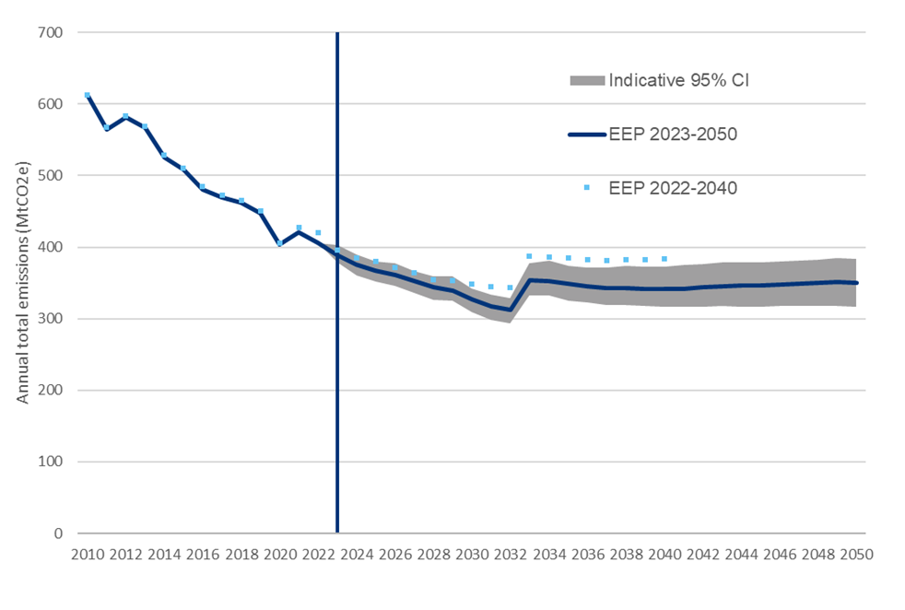

TA Figure 5
Technical Annex
Figure 5: The structure of the W1A model. Data and assumption inputs are shown in yellow, spreadsheet calculations in blue, the MELMod methane generation calculator in orange, and the final output in navy
Chapter: | Waste Baseline Modelling
Figure number | 5
Figure title | Figure 5: The structure of the W1A model. Data and assumption inputs are shown in yellow, spreadsheet calculations in blue, the MELMod methane generation calculator in orange, and the final output in navy
Source(s): | DEFRA internal analysis, 2025
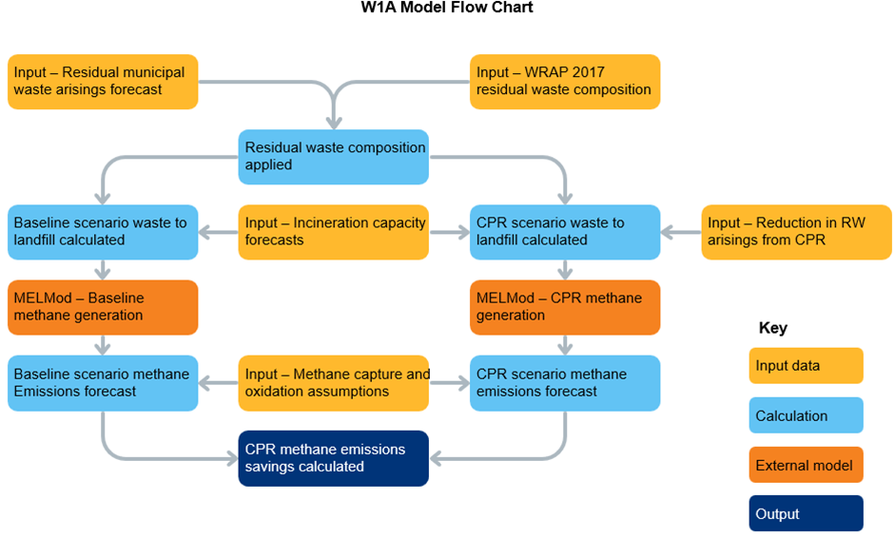

TA Figure 6
Technical Annex
Figure 6: Employment estimate calculation process. This EINA economic opportunity calculator schema displays how data inputs and assumptions are combined to calculate ‘calculated values’ (intermediate outputs) and eventually the calculators’ primary and secondary outputs related to jobs and GVA
Chapter: | Wider Analysis
Figure number | 6
Figure title | Figure 6: Employment estimate calculation process. This EINA economic opportunity calculator schema displays how data inputs and assumptions are combined to calculate ‘calculated values’ (intermediate outputs) and eventually the calculators’ primary and secondary outputs related to jobs and GVA
Source(s): | DESNZ internal anlysis, 2025
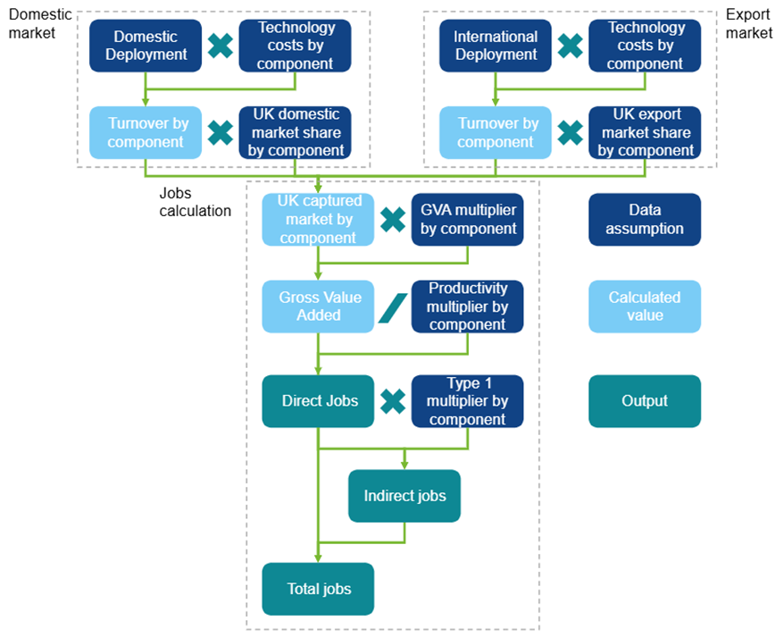

Methane Action Plan Figure 1
Methane Action Plan
Figure 1: UK territorial methane emissions by sector
Chapter number | 2
Figure number | 1
Figure title | Figure 1: UK territorial methane emissions by sector
Source(s): | DESNZ Greenhouse Gas Inventory 1990-2023
Labels
Primary y axis | Methane emissions, MtCO₂e
Primary x axis | Year
Author notes | Emission figures presented in Net Zero Strategy sectors as defined in Appendix A of the CBGDP.
DATA
 | 1990 | 1991 | 1992 | 1993 | 1994 | 1995 | 1996 | 1997 | 1998 | 1999 | 2000 | 2001 | 2002 | 2003 | 2004 | 2005 | 2006 | 2007 | 2008 | 2009 | 2010 | 2011 | 2012 | 2013 | 2014 | 2015 | 2016 | 2017 | 2018 | 2019 | 2020 | 2021 | 2022 | 2023
Agriculture | 32.6 | 32.2 | 32.3 | 32.3 | 32.4 | 32.2 | 32.8 | 32.6 | 32.7 | 32.5 | 31.5 | 29.9 | 29.5 | 29.8 | 30.0 | 30.0 | 29.4 | 29.2 | 28.3 | 28.0 | 28.2 | 28.0 | 27.9 | 27.8 | 28.5 | 28.6 | 28.5 | 28.6 | 28.1 | 28.1 | 27.7 | 27.9 | 27.8 | 27.2
Buildings | 2.0 | 2.2 | 2.0 | 2.1 | 1.9 | 1.5 | 1.6 | 1.5 | 1.4 | 1.4 | 1.3 | 1.2 | 1.1 | 1.0 | 1.0 | 0.9 | 0.9 | 0.9 | 0.9 | 0.8 | 0.9 | 0.8 | 0.9 | 0.9 | 0.8 | 0.9 | 0.9 | 0.9 | 1.0 | 1.0 | 1.0 | 1.0 | 1.0 | 0.9
Domestic Transport | 1.3 | 1.3 | 1.2 | 1.2 | 1.1 | 1.0 | 1.0 | 0.9 | 0.8 | 0.8 | 0.7 | 0.6 | 0.6 | 0.5 | 0.4 | 0.4 | 0.4 | 0.3 | 0.3 | 0.2 | 0.2 | 0.2 | 0.2 | 0.1 | 0.1 | 0.1 | 0.1 | 0.1 | 0.1 | 0.1 | 0.1 | 0.1 | 0.1 | 0.1
Fuel supply | 38.4 | 38.8 | 38.5 | 36.3 | 28.2 | 29.6 | 27.9 | 25.7 | 23.2 | 20.3 | 18.4 | 17.1 | 16.3 | 14.7 | 14.4 | 12.4 | 11.5 | 11.0 | 10.5 | 10.4 | 10.2 | 9.8 | 9.8 | 8.4 | 8.0 | 7.5 | 6.3 | 6.2 | 6.2 | 6.2 | 5.7 | 5.4 | 5.0 | 4.7
Industry | 0.5 | 0.5 | 0.5 | 0.4 | 0.5 | 0.4 | 0.4 | 0.4 | 0.3 | 0.3 | 0.3 | 0.3 | 0.3 | 0.3 | 0.3 | 0.3 | 0.3 | 0.3 | 0.2 | 0.2 | 0.2 | 0.2 | 0.2 | 0.2 | 0.2 | 0.2 | 0.2 | 0.2 | 0.2 | 0.2 | 0.2 | 0.2 | 0.2 | 0.1
LULUCF | 5.6 | 5.6 | 5.6 | 5.5 | 5.5 | 5.5 | 5.5 | 5.5 | 5.5 | 5.5 | 5.5 | 5.5 | 5.5 | 5.6 | 5.6 | 5.6 | 5.6 | 5.6 | 5.6 | 5.6 | 5.6 | 5.6 | 5.6 | 5.6 | 5.6 | 5.6 | 5.6 | 5.6 | 5.7 | 5.7 | 5.7 | 5.7 | 5.7 | 5.8
Power | 0.1 | 0.1 | 0.1 | 0.1 | 0.1 | 0.1 | 0.1 | 0.1 | 0.1 | 0.1 | 0.1 | 0.1 | 0.1 | 0.1 | 0.1 | 0.1 | 0.1 | 0.1 | 0.1 | 0.1 | 0.1 | 0.1 | 0.1 | 0.2 | 0.2 | 0.2 | 0.2 | 0.2 | 0.2 | 0.3 | 0.3 | 0.3 | 0.3 | 0.3
Waste | 68.1 | 69.0 | 69.1 | 69.9 | 70.5 | 71.2 | 71.8 | 71.9 | 71.4 | 69.0 | 66.1 | 63.9 | 63.4 | 60.0 | 55.3 | 53.0 | 51.1 | 47.4 | 42.6 | 38.5 | 33.2 | 30.9 | 29.1 | 25.7 | 23.2 | 22.4 | 21.2 | 21.4 | 21.3 | 20.8 | 19.3 | 18.2 | 18.1 | 17.9
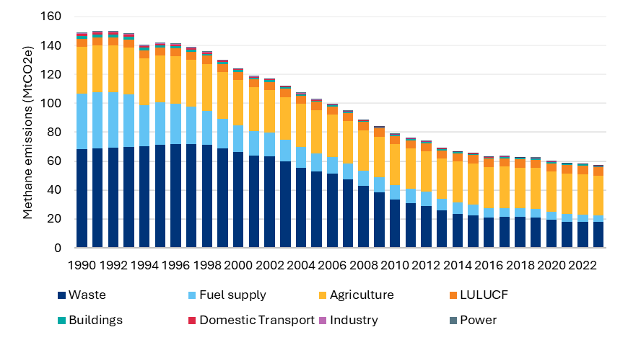

Methane Action Plan Figure 2
Methane Action Plan
Figure 2: Projected methane reductions based on Energy and Emission Projection (EEP) policies, and additional quantified measures and other quantifiable early-stage policies in the CBGDP
Chapter number | 3
Figure number | 2
Figure title | Figure 2: Projected methane reductions based on Energy and Emission Projection (EEP) policies, and additional quantified measures and other quantifiable early-stage policies in the CBGDP
Source(s): | DESNZ Greenhouse Gas (GHG) Inventory 1990-2023, DESNZ Energy and Emission Projections 2023-2050, DESNZ CBGDP Analysis
Labels
Primary y axis | Methane emissions, MtCO₂e
Primary x axis | Year
Author notes | 2020-23 is adjusted to capture the latest Greenhouse Gas Inventory estimates. Projections exclude methane impacts from additional wider factors.
DATA
Total (IAS post CB5) | 2020 | 2021 | 2022 | 2023 | 2024 | 2025 | 2026 | 2027 | 2028 | 2029 | 2030 | 2031 | 2032 | 2033 | 2034 | 2035 | 2036 | 2037
CBGDP Methane Pathway | 60 | 59 | 58 | 57 | 56 | 55 | 54 | 53 | 52 | 48 | 47 | 46 | 45 | 42 | 42 | 41 | 41 | 40
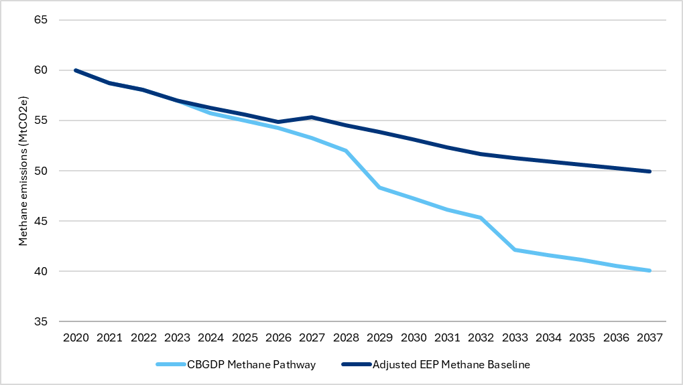
Adjusted EEP Methane Baseline | 60 | 59 | 58 | 57 | 56 | 56 | 55 | 55 | 55 | 54 | 53 | 52 | 52 | 51 | 51 | 51 | 50 | 50

Investor Prospectus Figure 1
Investor Prospectus
Figure 1: Public finance supports all stages of technology readiness
Chapter: | Public sources of finance
Figure number | 1
Figure title | Figure 1: Public finance supports all stages of technology readiness
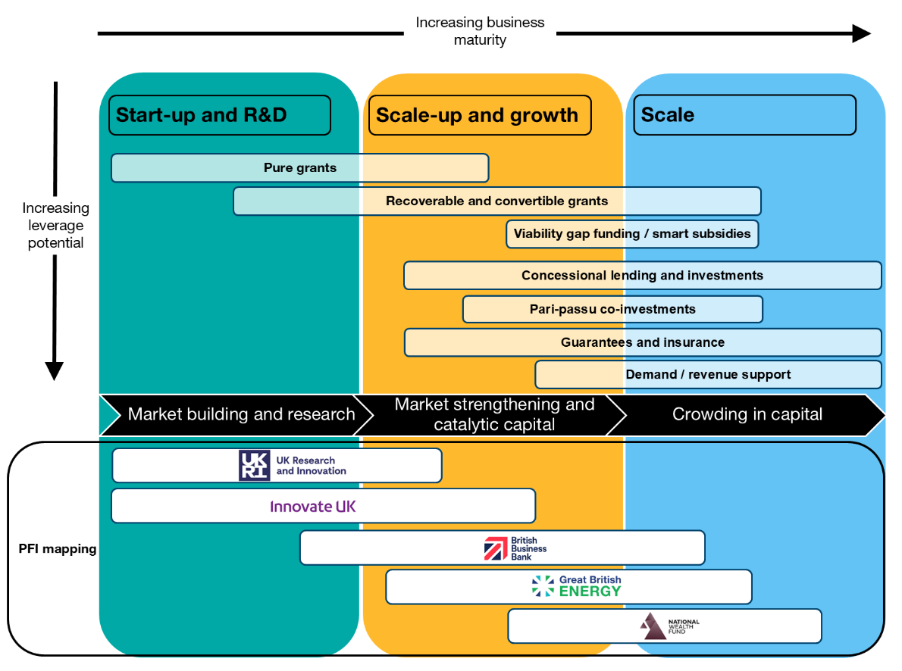
Source(s): | DESNZ internal analysis, 2025

