Intro
Monthly Provisional UK Sea Fisheries Statistics September 2025

This workbook was updated 31st October 2025

Contents

Highlights - Time series | Highlights - Live weight landings (t) and Value (£000's) by month and cumulative totals over the year.
Highlights - Time series Data | Highlights - Breakdown of data used for time series graphs by each month in 2024 & 2025
Highlights - September | Highlights - September (compared to same month in 2024)
Table 1 | Landings by UK vessels into all ports (Live weight (tonnes) and Value (£000's)) by vessel nationality, vessel length and species group (Summary)
Table 1a | Landings of UK vessels into UK ports (Live weight (tonnes) and Value (£000's)) by vessel nationality, vessel length and species group (Summary)
Table 1b | Landings of UK vessels into Foreign ports (Live weight (tonnes) and Value (£000's)) of UK vessels into Foreign ports by vessel nationality, vessel length and species group (Summary)
Table 2 | Landings of UK vessels into UK ports (Live weight (tonnes), Value (£000's) and Price (£/tonne)) by Species
Table 3 | Landings of UK vessels into all ports (Live weight (tonnes), Value (£000's) and Price (£/tonne)) by Species
Table 4 | Landings of foreign vessels into the UK (Live weight (tonnes), Value (£000's) and Price (£/tonne)) by species
Table 5 | Landings into UK ports by all vessels (Live weight (tonnes) and Value (£000's)) by country of landing and port
Table 6 | Landings by all UK vessels into all ports (Live weight (t) and Value (£000's)) by species group and vessel nationality
Table 7 | Landings (Live weight (t) and Value (£000's)) and number of trips of UK vessels in all ports by country and vessel length
Table 8 | Quantity of landings (t) and value landed (£000's) by UK vessels and Foreign vessels into the UK in last 2 years

Intro
This is an official statistics publication.
This notice provides an overview of the reported weight and value of landings by UK vessels into the UK and abroad, and by foreign vessels into the UK.
This release was previously published as accredited official statistics (formerly known as National Statistics). However, the MMO has written to the Office for Statistics Regulation to request a temporary suspension to the accredited official statistics designation for these statistics. This was agreed by the Director General for Regulation on 3 December 2024. For further details on the reason for the suspension and its impact please see the following statistical notice.

Data are used to provide analysis and evidence to researchers and the media and to respond to ad-hoc requests from fishers, other fishing organisations and the general public. They are also used to formulate and monitor fishing policy for fisheries administrations.
This data is provisional and represents the best available data the MMO holds on fishing activity by the UK fleet and into the UK. Data will be revised each month and lags will be reviewed following protocol documented here: https://www.gov.uk/guidance/fishing-activity-and-landings-data-collection-and-processing.
Please note, the monthly data in these reports for tables 1 to 7 represent a 'snapshot' at the time of release, therefore the totals may not align with the latest published 'underlying dataset', which is downloaded from our 'live' database and presented alongside the monthly reports.
The raw data that feeds into this publication is equivalent to the data used to produce our regular national statistics and is processed and collected as outlined above.
From 2024 data relating to fishing activity for English, Welsh and Isle of Man flagged under 10m vessels is obtained from our new 'catch app' recorded data source. Therefore observed differences from comparisons with historic uptake (prior to 2024) may relate to this new source of data, as opposed to actual changes in behaviour by this group alone, caution is advised when making these comparisons.

Highlights - Time Series
Highlights - Time Series showing landings by month and cumulative totals over the year.

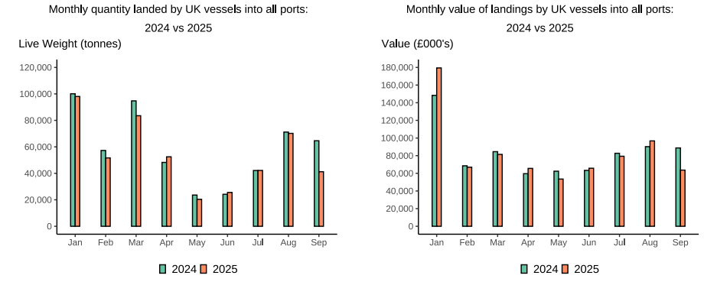

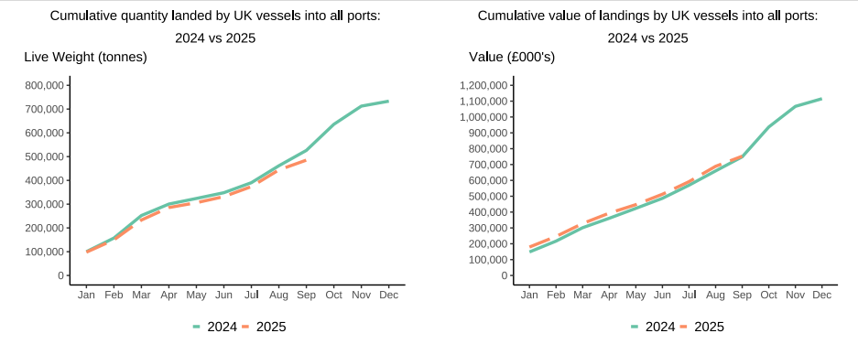

In this release, fishing activity recorded from January to September 2025 is compared to 2024. All quantities are reported as live weight tonnage and values are at first sale in pounds sterling (£000s).
Cumulatively for 2025, the value of landings increased slightly (1%) compared to 2024. Quantity of landings has decreased by 8% compared to tonnage landed in between January - September 2024.
For breakdown and comparisons of value and quantity landed for individual months see Highlights - Time Series Data tab.

Highlights - September
Highlights - September 2025

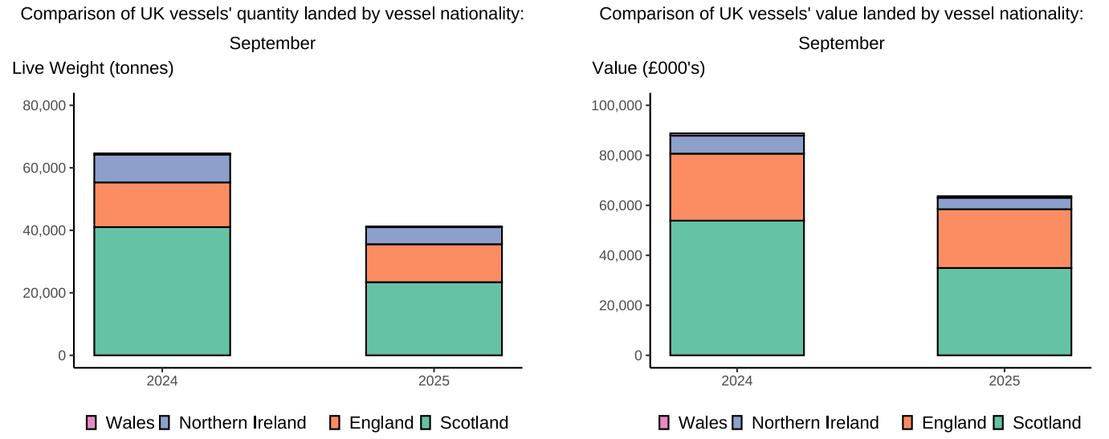

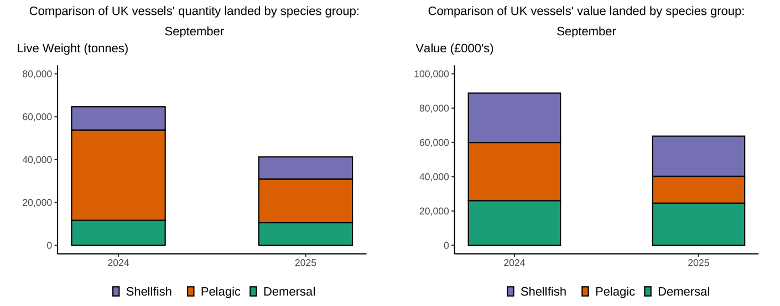

 | `

Here, fishing activity recorded in September 2025 is compared to activity in September 2024. All quantities are reported as live weight tonnes and values are at first sale in pounds sterling (£000's).
The total quantity of landings by UK vessels (tonnes) decreased in September 2025 compared to 2024, down 36%. The value of landings in September 2025 (£63.7m) decreased compared to 2024 down by 28%.
Landings of species groups typically fluctuate over the year due to seasonality of UK stocks. Landings in September 2025 were comprised of more Pelagic species (49%) compared to the other species groups (Table 6). This was driven by uptake of Herring which made up 85% of the total live weight (17,280 tonnes) of Pelagic species landed in September 2025. Demersal species comprised the majority of the value landed (39%), with Shellfish species also high at 37% as both species groups typically fetch a high price per tonne.
The landings into UK ports (by UK and foreign vessels) in September 2025 decreased, down by 21% compared to 2024 (Table 5). The value landed showed a decrease (down by 16%) compared to 2024.
Landings of UK vessels into Foreign ports in September 2025 have significantly dropped when compared to the same month in 2024, down 69% (Table 1b).

