Cover Sheet
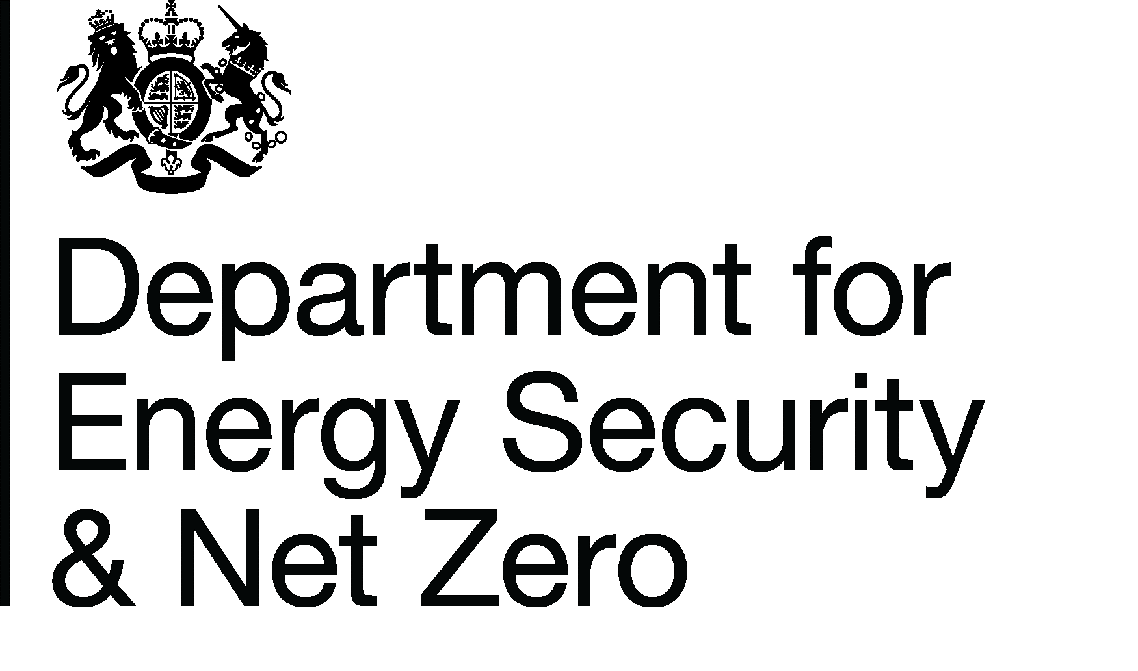
Energy Prices Domestic Prices
Percentage of domestic gas customers by region and supplier type
Publication date: 27/06/2024
Data period: Series paused
Next update: N/A
About this data
Data in these tables shows the percentage of domestic gas customers in each Public Electricity Supplier region (for consistency with the electricity tables) split by supplier type and payment type.
This release refers to 'Home suppliers', this denotes companies that were the former public gas supplier (British Gas) or their subsidaries and parent companes.
'Non-home suppliers' are new entrant suppliers to the market or former public gas suppliers operating outside of their former distribution areas.
Equivalent data for electricity is available in Table 2.4.1, see the Website link below for related series.
This series has been paused following the removal of the home and non-home split for this statistical series
Further information
Quarterly Energy Prices Publication (opens in a new window)
Quarterly domestic energy customer number proportions website (opens in a new window)
Domestic price statistics data sources and methodologies (opens in a new window)
Revisions policy standards for official statistics (opens in a new window)
Digest of United Kingdom Energy Statistics (DUKES): glossary and acronyms (opens in a new window)
Contacts
Energy Prices Statistics Team
020 7215 5073
energyprices.stats@energysecurity.gov.uk
Press Office (media enquiries)
0207 215 1000
newsdesk@energysecurity.gov.uk

Chart
Chart 2.5.1: Percentage of domestic gas customers not with home suppliers, Great Britain, quarter ending December 2023

 | Regional Average | GB average
London | 63 | 70
Merseyside & North Wales | 67 | 70
Eastern | 69 | 70
North West | 69 | 70
South West | 69 | 70
Yorkshire | 69 | 70
West Midlands | 70 | 70
East Midlands | 71 | 70
South Scotland | 71 | 70
South East | 72 | 70
Southern | 72 | 70
North East | 74 | 70
North Scotland | 74 | 70
South Wales | 77 | 70

Return to Contents Page

