Cover Sheet
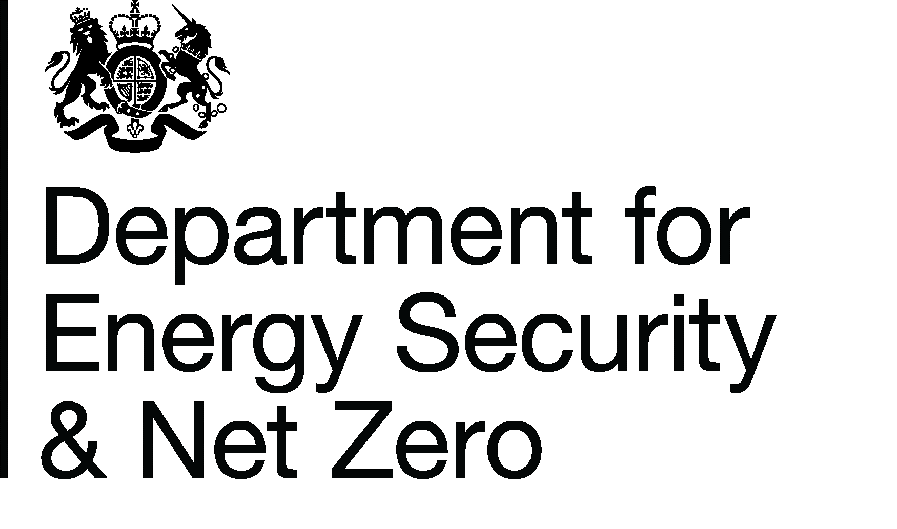
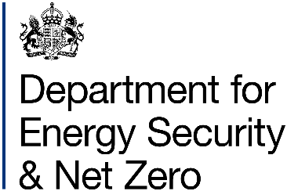
Energy Prices Domestic Prices
Regional variation of payment method for Economy 7 and other time of use electricity
Publication date: 30/09/2025
Data period: New data for quarter ending June 2025
Next update: 18/12/2025
About this data
Data in these tables shows the percentage of regional (Public Electricity Supplier region) variation in payment method of Economy 7 and other time of use electricity customers.
Public Electricity Suppliers (PES) were the 14 electricity companies created when the electricity market was privatised in the 1990s, following the Electricity Act 1989
Payment methods in this release are categorised as either Credit, Direct Debit or Prepayment.
Data for all electricity customers, not just time of use tariffs, are available in Table 2.4.2.
Further information
Quarterly Energy Prices Publication (opens in a new window)
Quarterly domestic energy customer number proportions website (opens in a new window)
Domestic price statistics data sources and methodologies (opens in a new window)
Revisions policy and standards for official statistics (opens in a new window)
Digest of United Kingdom Energy Statistics (DUKES): glossary and acronyms (opens in a new window)
Contacts
Energy Prices Statistics Team
020 7215 1445
energyprices.stats@energysecurity.gov.uk
Press Office (media enquiries)
0207 215 1000
newsdesk@energysecurity.gov.uk

Chart
Chart 2.4.3: Regional variation of payment method for Economy 7 and other time of use electricity tariffs, United Kingdom, quarter ending June 2025

 | Direct Debit | Credit | Prepayment
East Midlands | 77 | 14 | 8
South Wales | 75 | 16 | 9
North East | 73 | 18 | 10
North West | 72 | 17 | 11
Yorkshire | 72 | 16 | 12
Southern | 71 | 16 | 12
West Midlands | 71 | 15 | 14
Eastern | 70 | 16 | 14
Merseyside & North Wales | 70 | 15 | 15
South East | 68 | 17 | 14
South West | 65 | 17 | 17
Northern Ireland | 65 | 8 | 27
London | 58 | 26 | 16
North Scotland | 57 | 20 | 23
South Scotland | 54 | 20 | 26

Return to Contents Page

