Figure 1
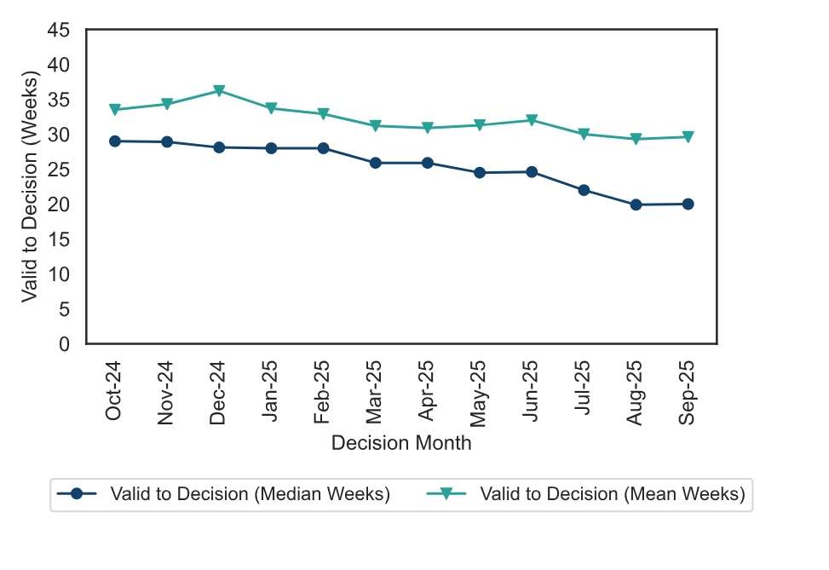
Figure 1: Mean and Median time to decision; October 2024 to September 2025

Figure 2
Figure 2: Number of events held, decisions issued and median time between valid date & decision date; October 2024 to September 2025
Source: Horizon
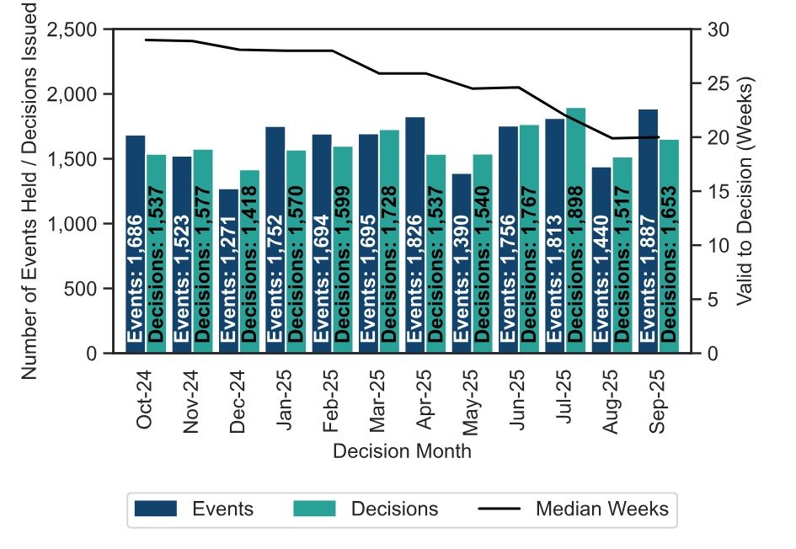

Figure 3
Figure 3: Number of cases received, closed and open; October 2024 to September 2025
Source: Horizon and Picaso
Note 1: there is a known anomaly that means that the number of open cases does not exactly follow the volumes of cases closed or received (for example the number of open cases can increase between months even though the number closed exceeded the number received). The main reasons for this have been identified and are detailed in the Background Quality Report. The inspectorate are Investigating how to introduce new processes to improve the quality of this data which once complete may result in revisions to the number of open cases.
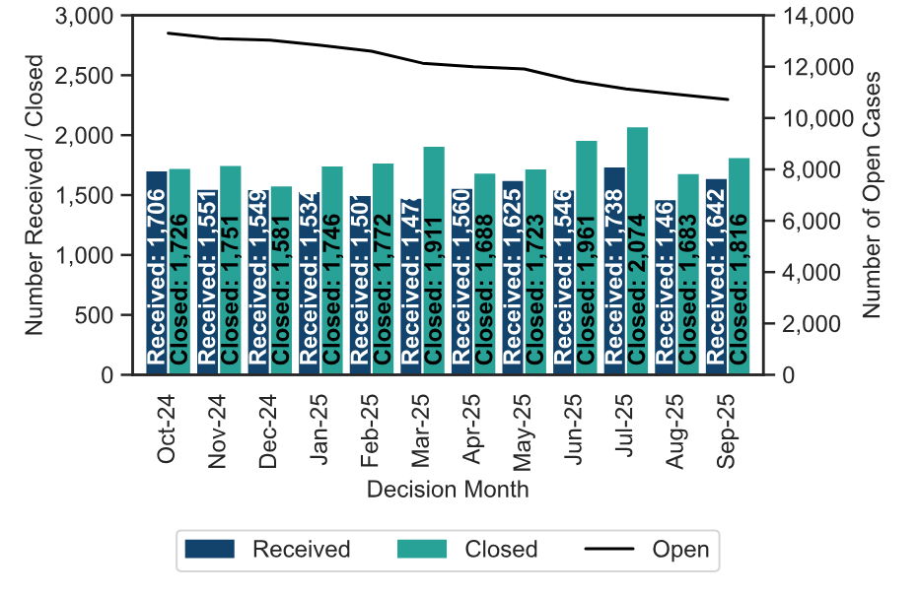

Figure 4
Figure 4 – Appeal Decisions by Procedure; October 2024 to September 2025
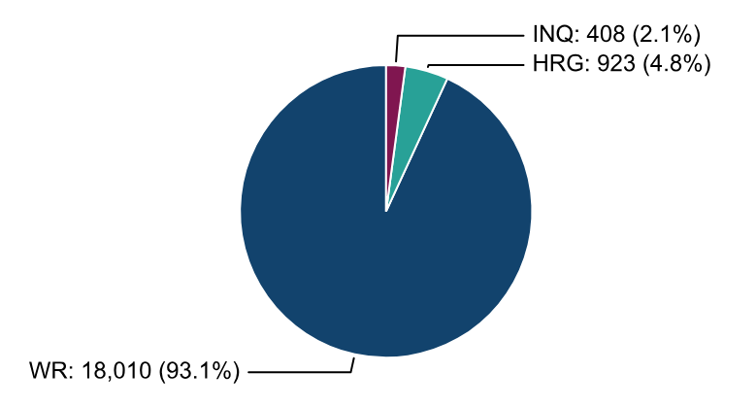

Figure 5
Figure 5: Mean, Median Time to Decision, Rosewell Inquiry Process; October 2024 to September 2025
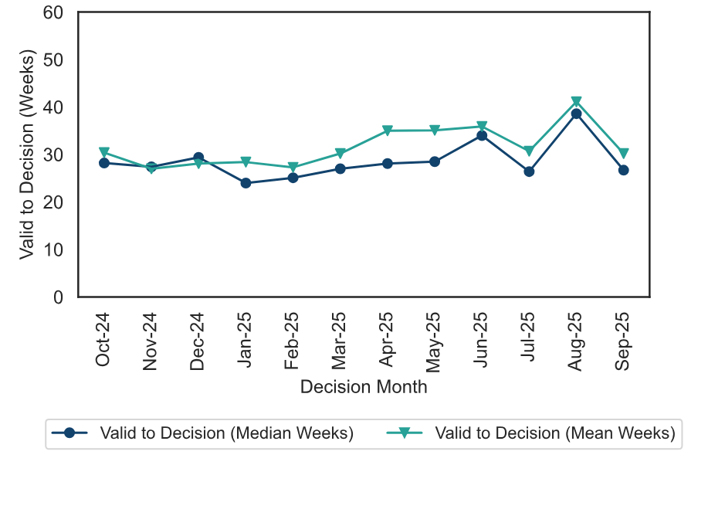

Figure 6
Figure 6 – Appeal Decisions by Casework Category; October 2024 to September 2025
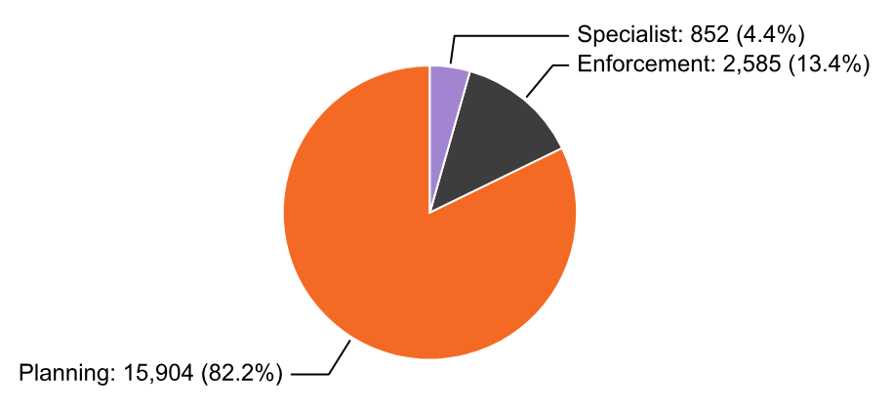

Figure 7
Figure 7 – Median time to decision by casework area; October 2024 to September 2025
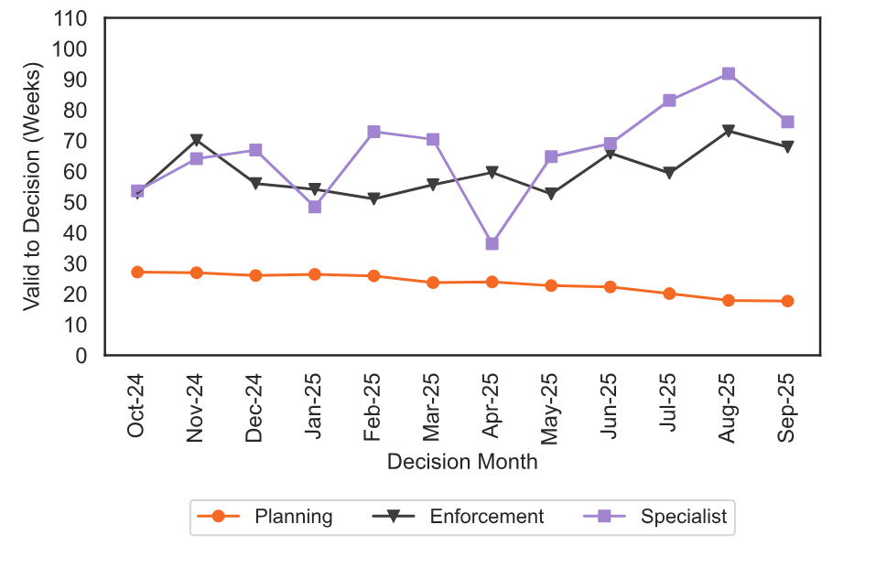

Annex C
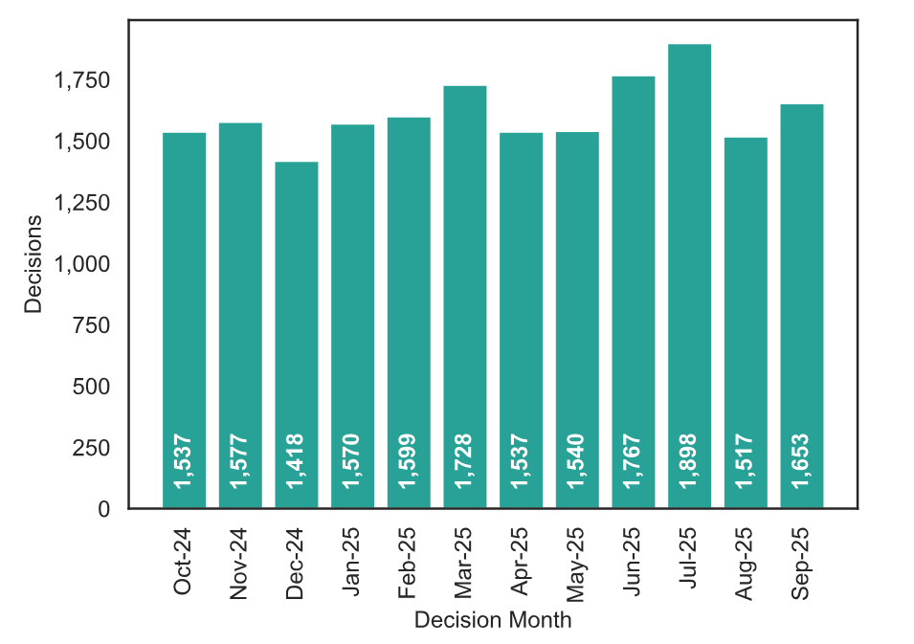
Annex C– Appeal Decisions; October 2024 to September 2025
Source: Horizon

