Contents
Central Government's Assurance Directory

Table of Contents

 | Information for User

Diagram 1: Visual representation of the Risk Control Framework
i. | User Guide
ii. | Sitemap
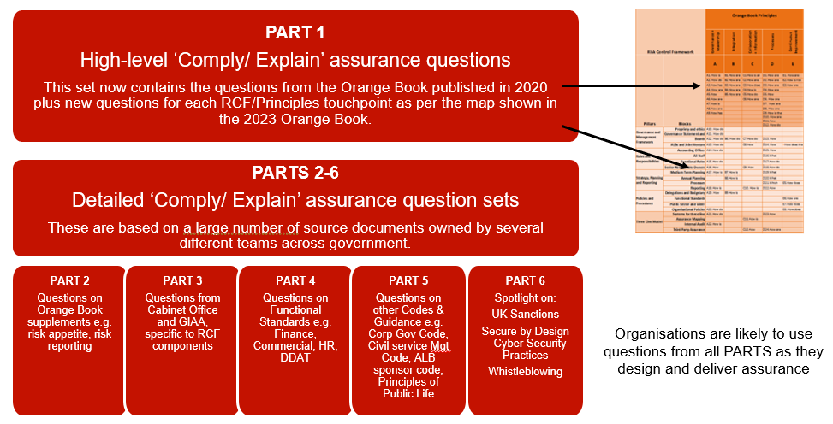

 | Question Sets

Part 1 | Orange Book 75 Questions
Part 2 | Orange Book Supplementary Guidance
Part 3 | Risk Control Framework
Part 3a | How Parts 4 5 & 6 link to the RCF
Part 4 | Functional Standards
Part 5 | Other Codes, Guidance, Standards
Part 6 | Spotlight on:
 | UK Sanctions
 | Secure by Design - Cyber Security Practices
 | Whistleblowing

Control log of Changes: Version 4 - September 25
Tab | Reason for Change | Cell/Tab reference
Introduction | Updated to include link to the CGAD Quick Guide plus central government's expectations. | D7
Contents | Change of title for iii. Matrix to 3a. How Parts 4 5 6 link to the RCF | C10
User Guide | Change of title and position of Matrix tab to 3a. How Parts 4 5 & 6 link to the RCF | C24
Sitemap | Addition of link to Part 3a How Parts 4 5 & 6 link to the RCF | G11
3a. How Parts link to RCF | Repositioning of previous iii. Matrix to '3a. How Parts 4 5 6 link to the RCF' | Tab 3a.
Part 4 Functional Standards | Updated links and contact details on main landing tab plus individual tabs. Inclusion of links to Functional Standards Continous Improvement Assessment Frameworks where available. | All tabs
FS 002 Project Delivery | Updated to Sept 25 version, new links plus amendments to Qs 2,3,5 & 9 linked to updates to Principles. Link to new CIAF Sept 25 | FS 002 Proj Del
FS 003 People | Renamed People - plus updated to August 25 version, new links plus amendment to Q1 delete 'UK and/or devolved government' to align with principles. | FS 003 People
FS 010 Analysis | Updated to August 25 version, new links plus amendment to Q3 addition of word 'clearly' to align with principles. | FS 010 Analysis
Amber Book | New addition - 28 April 2025 | Amber
Managing Public Money | Update to MPM June 25, update to questions 1-7, & 10. For full details of changes to Managing Public Money see DAO letter 02/25 | MPM
 | DAO 02/25
ADAO Accounts Directions | Accounts Direction - link updated to latest version 24/25 | ADAO Accs Directions
DAO Letters | Now incorporates list of letters issued - 2025 | DAO Letters
Part 6 UK Sanctions | All links updated | Part 6 UK Sanctions

Part 1 OB 75 Questions
Central Government's Assurance Directory
 |  |  | 75 questions covering all Orange Book Principles and RCF Framework Components
Overview
These questions should assist in assessing how the risk management principles are applied to support the efficient and effective operation of the risk management framework. They should be used in conjunction with the principles set out in the Orange Book Part I. They are not intended to be exhaustive and not all will be applicable in all circumstances. If the answers to the questions raise concerns, consideration should be given to whether action is needed to address possible areas for improvement. It is anticipated that as a minimum government departments will use these 75 questions to support the 'comply or explain' disclosure requirement because they explicitly address and link to every pillar and block of the RCF.
https://www.gov.uk/government/publications/orange-book
Version: May 2023 |  | Orange Book Principles
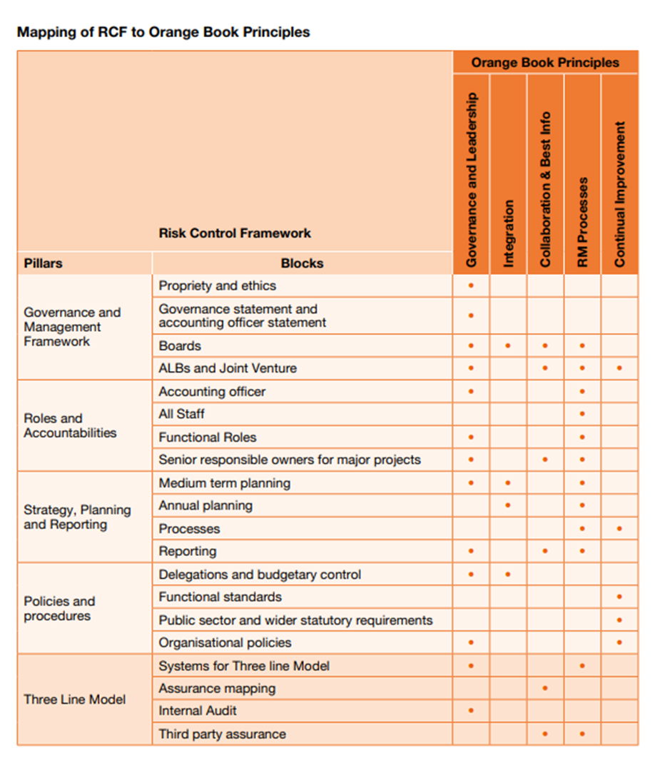
Diagram 2: Pg 35, Section F: Structure of the Risk Control Framework Orange Book May 2023
 |  | Governance + Leadership | Integration | Collaboration + Information | Processes | Continuous Improvement
 |  | A | B | C | D | E
 |  | 1. How is the desired risk culture defined, communicated, and promoted? How is this periodically assessed? | 1. How are risks considered when setting and changing strategy and priorities? | 1. How is an aggregated view of the risk profile informed across the organisation, arm’s length bodies and the extended enterprise supporting the delivery of services? | 1. How are risk taxonomies or categories used to facilitate the identification of risks within the overall risk profile? | 1. How are policies, programmes and projects evaluated to inform learning from experience? How are lessons systematically learned from past events?
 |  | 2. How do human resource policies and performance systems encourage and support desired risk behaviours and discourage inappropriate risk behaviours? | 2. How are risks transparently assessed within the appraisal of options for policies, programmes and projects or other significant commitments? | 2. How are the views of external stakeholders gathered and included within risk considerations? | 2. How are risk criteria set to support consistent interpretation and application in assessing the level of risk? How effective are these in supporting the understanding and consideration of the likelihood and consequences of risks? | 2. How is risk management maturity periodically assessed to identify areas for improvement? Is the view consistent across differing parts or levels of the organisation?
Expand row height for full question |  | 3. How has the nature and extent of the principal risks that the organisation is willing to take in achieving its objectives been determined and used to inform decision making? Is this risk appetite tailored and proportionate to the organisation? | 3. How are emerging risks identified and considered? | 3. How does communication and consultation assist stakeholders to understand the risks faced and the organisation’s response? | 3. How are limitations and influences associated with the information and evidence used with risk assessments highlighted? | 3. How are improvement opportunities identified, prioritised, implemented and monitored?
 |  | 4. How are the board and other governance forums supported to consider the management of risks, and how is this integrated with discussion on other matters? | 4. How are risks to the public assessed and reflected within policy development and implementation? | 4. How is function and professional expertise used to inform strategies, plans, programmes, projects and policies? | 4. How are interdependencies between risks or possible combinations of events (‘domino’ risks) identified and assessed?
 |  | 5. How effective are risk information and insights in supporting decision-making, in terms of the focus and quality of information, its source, its format and its frequency? | 5. How are National Risk Register risks, that are particularly pertinent to the organisation, recognised in risk assessments and discussions? | 5. How do expert functions and professions inform the identification, assessment and management of risks and the design and implementation of controls? | 5. How dynamic is the assessment of risks and the consideration of mitigating actions to reflect new or changing risks or operational efficiencies?
 |  | 6. How are authority, responsibility and accountability for risk management and internal control defined, co-ordinated and documented throughout the organisation? |  | 6. How are functional standards communicated and their adherence monitored across the organisation? | 6. How are exposures to each principal risk assessed against the nature and extent of risks that the organisation is willing to take in achieving its objectives – its risk appetite – to inform options for the selection and development of internal controls?
 |  | 7. How is the designated individual responsible for leading the overall approach to risk management positioned and supported to allow them to exercise their objectivity and influence effective decision-making? |  |  | 7. How are decisions made in balancing the potential benefits of the design and implementation of new or additional controls with the costs, efforts and any disadvantages of different control options?
 |  | 8. How are the necessary skills, knowledge and experience of the organisation’s risk practitioners assessed and supported? |  |  | 8. How are contingency arrangements for high impact risks designed and tested to support continuity, incident and crisis management and resilience?
 |  | 9. How has the necessary commitment to risk management been demonstrated? |  |  | 9. How is the nature, source, format and frequency of the information required to support monitoring of risk management and internal control defined and communicated?
 |  |  |  |  | 10. How are new and changing principal risks highlighted and escalated clearly, easily and more rapidly when required?
 |  |  |  |  | 11. How comprehensive, informative and coordinated are assurance activities in helping achieve objectives and in supporting the effective management of risks?
 |  |  |  |  | 12. How do disclosures on risk management and internal control contribute to the annual report being fair, balanced and understandable?
 |  | Risk Control Framework Components
Pillars | Blocks
Governance and Management Framework | Propriety and ethics | 10. How do governance structures or organisational leaders work together to effectively manage propriety and ethics risks?
 | Governance Statement and accounting officer statement | 11. How do governance and leadership arrangements influence and endorse annual accounting officer statements?
 | Boards | 12. How do boards and committees facilitate good decision making through playing their part in effective risk management? | 6. How do governance and leadership structures ensure that any stakeholder interdependencies are identified and any actions or consequences of decisions made are discussed and considered cohesively and collectively between appropriate parties? | 7. How do board and committee structures collaborate with other relevant bodies (including ALBs) and be informed by up to date cross-cutting and relevant risk reporting? | 13. How is risk management reported through the organisation and how are those reports helping to inform board and committee decision making, how effective is the information provided?
 | Arms Length Bodies and Joint Venture | 13. How do the governance and leadership structures of the organisation address overall risk levels across the entire organisational enterprise, including Arms Length Bodies (ALBs) and any Joint Ventures (JVs)? |  | 8. How effective is risk management between the lead department and ALB/JVs so that cross-cutting risks, cascading risks, shared risks and escalated risks are understood, communicated and managed collaboratively? | 14. How effective is the lead department and ALB/JV risk management processes and do they ensure the right risks are being identified escalated, managed and monitored? | 4. How does the organisation use structured processes to continue to improve both its individual and/ or any collective/joint risk managements systems?
Roles and Accountabilities | Accounting Officer | 14.How do the actions and words of the Accounting Officer (AO) ensure that risk management is effective throughout the organisation? |  |  | 15. How does the AO help in developing and maintaining an effective risk management system?
 | All Staff |  |  |  | 16. What processes do AO's have in place to ensure all staff understand the principles of risk management and the benefits good risk management can bring including how risk management applies to them locally?
 | Functional Roles | 15. How do the actions and words of Function Heads help in developing and maintaining an effective risk management system? |  |  | 17. How do functions within the organisations ensure effective management of functional risks that meet both organisational and central government functional standards/processes?
 | Senior Responsible Owners | 16. How do Senior Responsible Owners (SROs) established appropriate governance structures are in place to ensure effective risk management within their projects? |  | 9. How effective are SROs in ensuring that risk interdependencies are identified, understood and managed and risk management is supported by relevant mission, portfolio, programme and project risk management governance, information and techniques as well as having clear roles and accountabilities? | 18. How do SROs ensure that appropriate risk management processes are followed and are operating effectively at mission, portfolio, programme and project level?
Strategy, Planning and Reporting | Medium Term Planning | 17. How is risk and uncertainty considered in medium term strategy setting? | 7. How is risk and risk management integrated and contributing ( first and second line) to effective discussions and decisions on medium term strategic planning, performance management and finance? |  | 19. What processes are in place to ensure strategic planning, business planning and performance management are integrated with risk management and that risks to delivery and variability of outcomes are identified and managed?
 | Annual Planning |  | 8. How is risk and risk management informing and included (first and second line) within the annual planning cycle and integrated within business performance monitoring? |  | 20. What processes are in place to ensure the annual planning cycle process uses risk management to help inform and drive strategy?
 | Processes |  |  |  | 21. Which policies and procedures lay out the processes to be used for managing risk? | 5. How does the organisation use structured processes to ensure continuous risk management improvement?
 | Reporting | 18. How is risk and risk management effectiveness addressed in reports used by leadership governance structures? |  | 10. How does the organisation ensure that risk management reporting is effectively integrated within broader reporting? | 22. How does the organisation ensure that proper risk reporting processes are followed and that risk related decisions are monitored and tracked?
Policies and Procedures | Delegations and Budgetary Control | 19. How are risks and risk management requirements included in 'letters of delegation' and ongoing monitoring, challenge and reviews, taking place? | 9. How is risk management included as part of delegation and budgetary control responsibilities and regularly monitored and reviewed?
 | Functional Standards |  |  |  |  | 6. How are organisations using the Functional Standards Continual Improvement Assessment Frameworks to improve risk management related requirements in functional standards?
 | Public Sector and wider statutory requirements |  |  |  |  | 7. How does the organisation ensure, and continue to monitor, its compliance to existing and new codes, standards and guidance that AOs are expected to adhere to?
 | Organisational Policies | 20. How do governance and leadership arrangements ensure effectiveness of organisational policies? |  |  |  | 8. How does the organisation ensure that all organisational policies address risk management when created and subsequently updated/reviewed?
Three Line Model | Systems for three line model | 21. How do organisational governance and leadership structures follow the '3 line model'? |  |  | 23. How effective are the risk management/ assurance processes owned and operated by the '3 lines model'?
 | Assurance Mapping |  |  | 11. How is the Risk Control Framework being used by the organisation to provide collaborative and integrated assurance, including the use of assurance maps by the '3 lines'?
 | Internal Audit | 22. How is Internal Audit demonstrating to ARACs that risk and the risk management system are informing and driving annual audit plans?
 | Third Party Assurance |  |  | 12. How does the organisation ensure that 3rd Parties external to the organisation (not just audit) understand the organisation's risk management requirements and collaboration and information sharing expectations? | 24. How are organisations using 3rd Party Assurance findings on risk management considered and any actions monitored and reviewed?

Part 3 RCF
Central Government's Assurance Directory
Risk Control Framework: The Four Pillars
Diagram: Extract from the Orange Book Part II | The RCF covers all controls relevant to government organisations. This includes operational local controls, functional standards and other guidance/ codes and standards. The RCF is part of the broader risk management framework in use in Government as outlined in Part I of the Orange book. The RCF consists of four related Pillars, each with key subcomponents, and an underpinning requirement across the entire RCF of the ‘three lines model’.
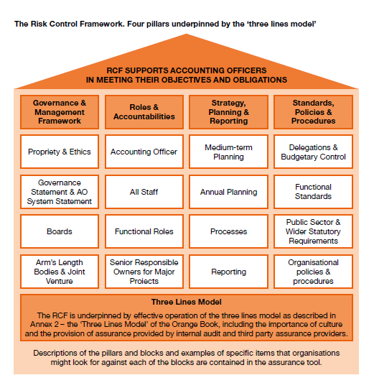

Collapse and Expand for High Level Questions relating to the RCF Pillars and blocks using ± symbols on side bar

Pillar 1: Governance & Management Framework

Pillar 2: Roles & Accountabilities

Pillar 3: Strategy, Planning & Reporting

Pillar 4: Policies & Procedures

Part 4 MoJ FS Matrix
Central Government's Assurance Directory
Extract from Ministry of Justice: Functional Standards Requirements Tool V.02 February 2023. Reproduced with kind permission from MoJ - Apr 23

The Ministry of Justice has produced a toolkit - extract below - which sets out in an easy to digest manner where these interfaces between Functional Standards have been identified.
Overview
Functional Standards exist to create a coherent, effective, and mutually understood way of doing business within government organisations and across organisational boundaries, clarify accountabilities and to provide a stable basis for assurance, risk management and capability improvement.
The Standards were mandated across Government from April 2022, with Accounting Officers asked to assure themselves that they were being implemented within their Department or Arms Length Body proportionately to the level of Functional Activity being performed.
Within each Functional Standard, there are clauses which introduce interdependencies between different functions. For example, in order to carry out Finance functional work in a manner which meets the Finance Functional Standard, certain procedures set out within the Commercial Functional Standard might also require to be followed.
