Cover Sheet
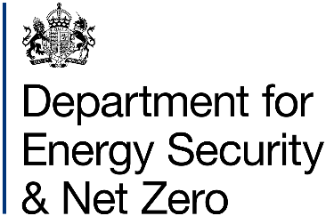
Energy Prices Domestic Prices
Regional variation of payment method for standard electricity
Publication date: 30/09/2025
Data period: New data for quarter ending June 2025
Next update: 18/12/2025
About this data
Data in these tables shows the regional (Public Electricity Supplier region) variation of payment method for domestic standard electricity customers.
Public Electricity Suppliers (PES) were the 14 electricity companies created when the electricity market was privatised in the 1990s, following the Electricity Act 1989
Payment methods in this release are categorised as either Credit, Direct Debit or Prepayment.
Data for time of use tariffs such as Economy 7 are available in Table 2.4.3.
Equivalent data for gas is available in Table 2.5.2, see the Website link below for related series.
Further information
Quarterly Energy Prices Publication (opens in a new window)
Quarterly domestic energy customer number proportions website (opens in a new window)
Domestic price statistics data sources and methodologies (opens in a new window)
Revisions policy and standards for official statistics (opens in a new window)
Digest of United Kingdom Energy Statistics (DUKES): glossary and acronyms (opens in a new window)
Contacts
Energy Prices Statistics Team
020 7215 1445
energyprices.stats@energysecurity.gov.uk
Press Office (media enquiries)
0207 215 1000
newsdesk@energysecurity.gov.uk

Chart
Chart 2.4.2: Regional variation of payment method for standard electricity, United Kingdom, quarter ending June 2025

 | Direct Debit | Credit | Prepayment
Southern | 77 | 14 | 8
East Midlands | 75 | 15 | 10
Eastern | 75 | 17 | 8
South East | 75 | 17 | 8
South West | 75 | 15 | 10
West Midlands | 72 | 16 | 12
North East | 71 | 15 | 14
South Wales | 71 | 15 | 14
North Scotland | 71 | 16 | 13
North West | 70 | 16 | 14
Yorkshire | 70 | 16 | 13
Merseyside & North Wales | 68 | 15 | 17
South Scotland | 68 | 16 | 16
London | 58 | 26 | 16
Northern Ireland | 58 | 14 | 28

Return to Contents Page

