Cover_sheet
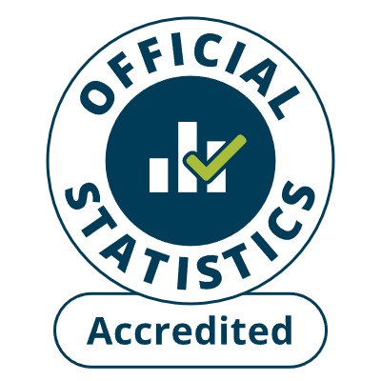
Detailed analysis of non-fire incidents
England April 2024 to March 2025: Data tables
Table 0908
Responsible Statistician: Mateus Ochoa
firestatistics@communities.gov.uk
Press enquiries: NewsDesk@communities.gov.uk
Published: 25 September 2025
Next update: Autumn 2026
Crown copyright © 2025
Contents
We’re always looking to improve the accessibility of our documents.
If you find any problems, or have any feedback, relating to accessibility
Please email us at firestatistics@communities.gov.uk

