Figure 1
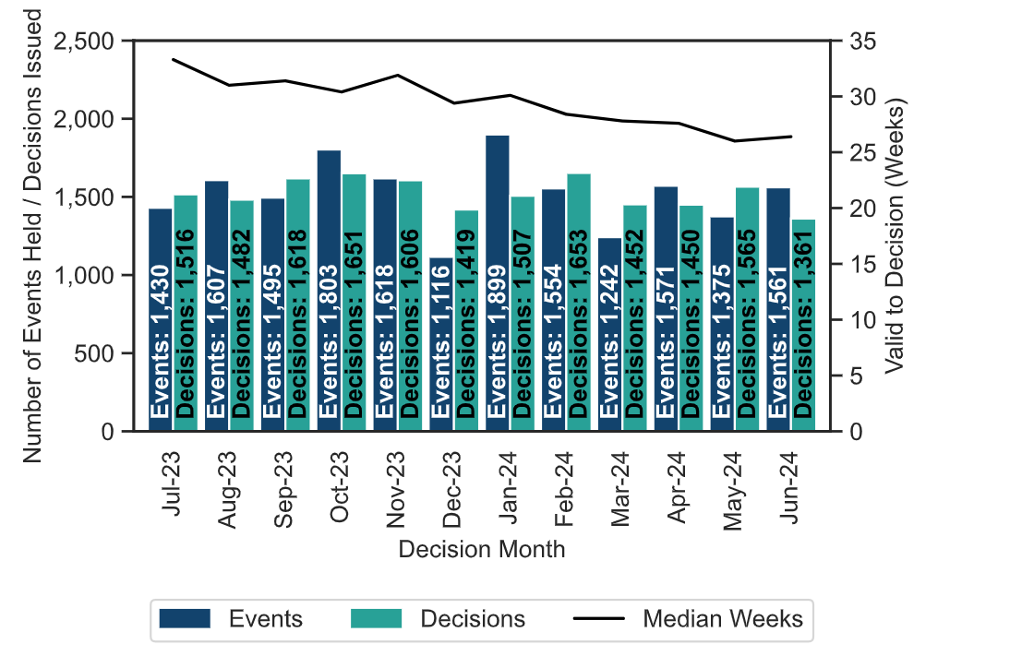
Figure 1: Number of events held, decisions issued and median time between valid date & decision date; July 2023 to June 2024
Source: Horizon, Picaso, Inspector Scheduling System

Figure 2
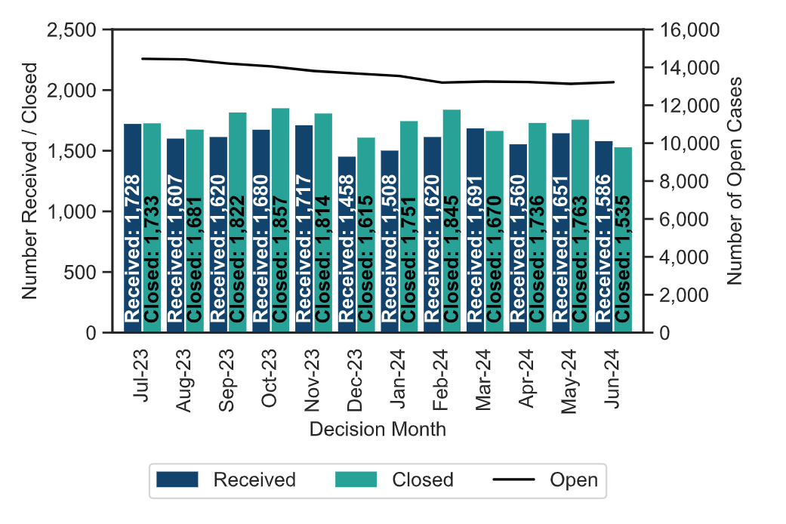
Figure 2: Number of cases received, closed and open; July 2023 to June 2024
Source: Horizon and Picaso
Note 1: there is a known anomaly that means that the number of open cases does not exactly follow the volumes of cases closed or received (for example the number of open cases can increase between months even though the number closed exceeded the number received). The main reasons for this have been identified and are detailed in the Background Quality Report. The inspectorate are Investigating how to introduce new processes to improve the quality of this data which once complete may result in revisions to the number of open cases.

Figure 3
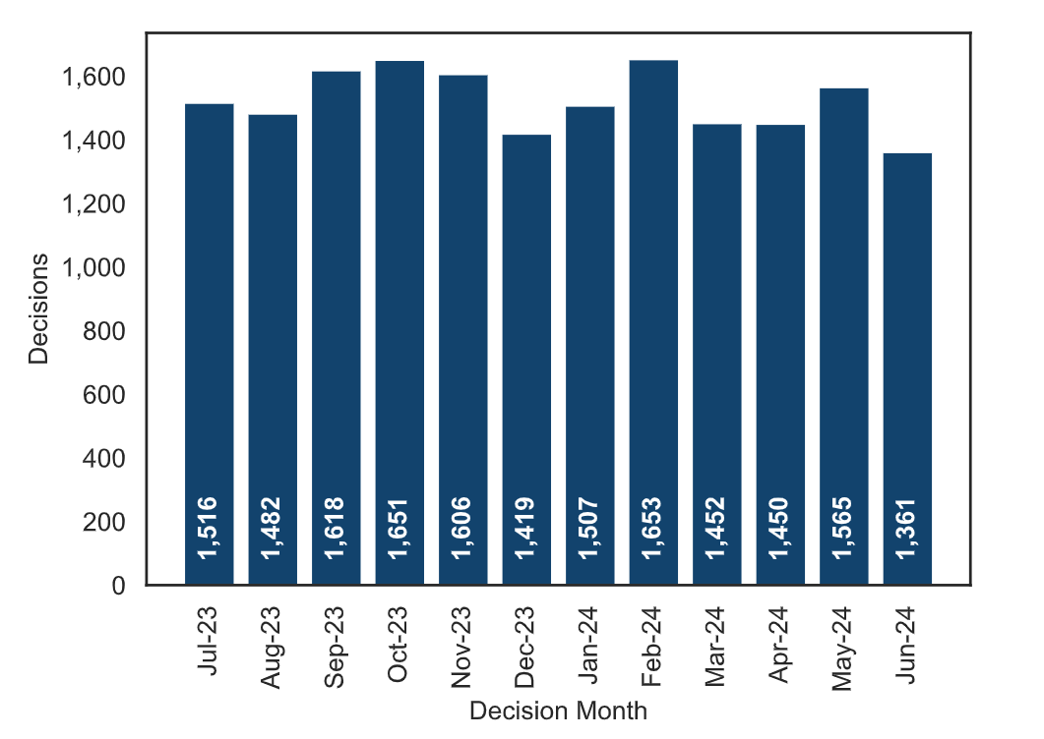
Figure 3 – Appeal Decisions; July 2023 to June 2024
Source: Horizon

Figure 4 By Procedure
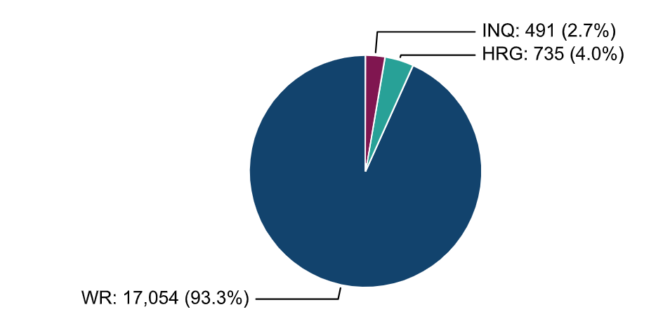
Figure 4 (l) – Appeal Decisions by Procedure; July 2023 to June 2024

Figure 4 by Casework Category
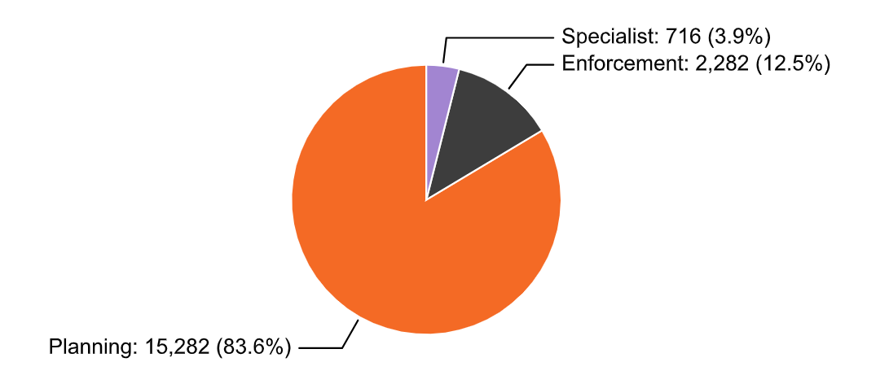
Figure 4 (r) – Appeal Decisions by Casework Category; July 2023 to June 2024

Figure 5
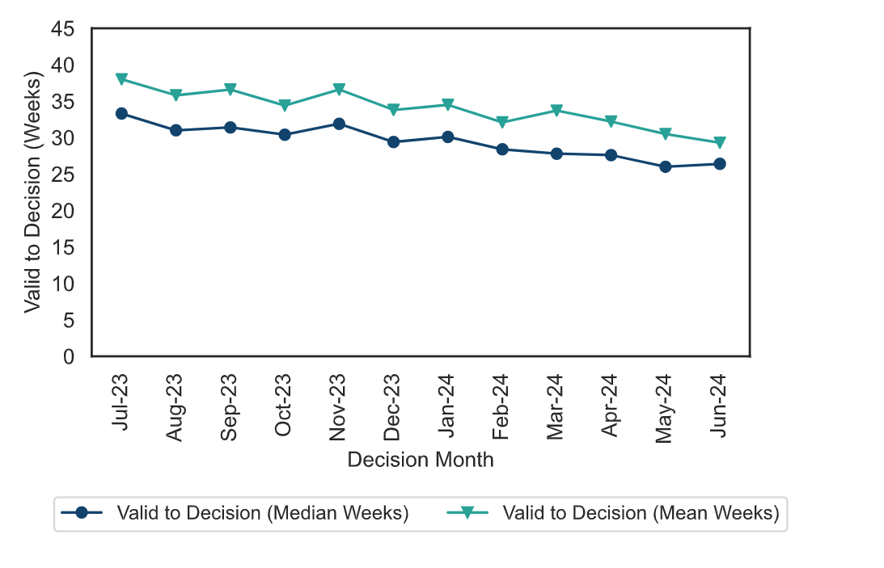
Figure 5: Mean and Median time to decision; July 2023 to June 2024

Figure 6
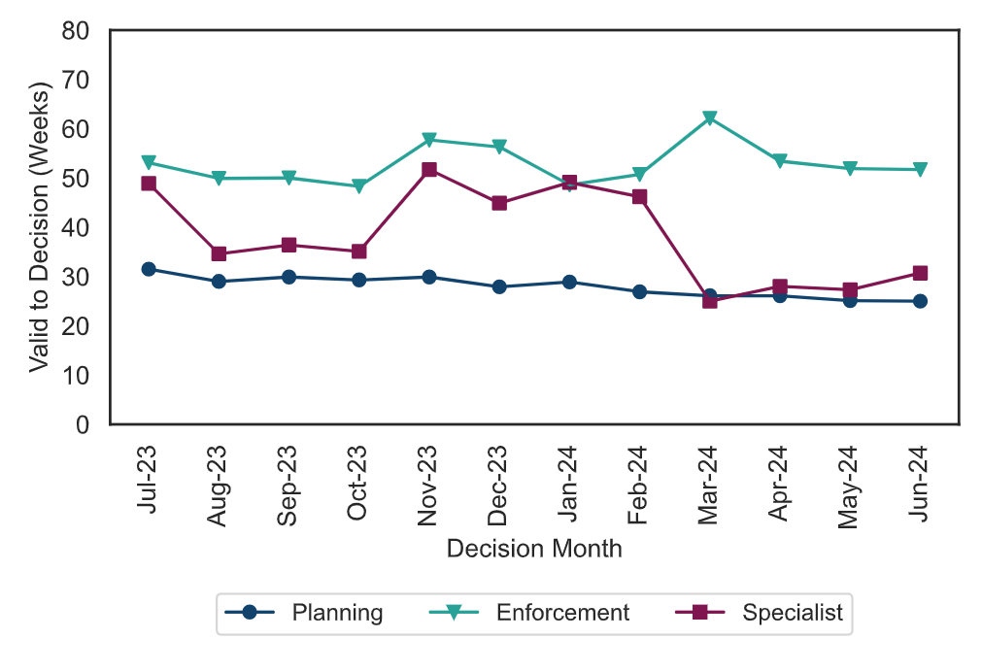
Figure 6 – Median time to decision by casework area; July 2023 to June 2024

Figure 7
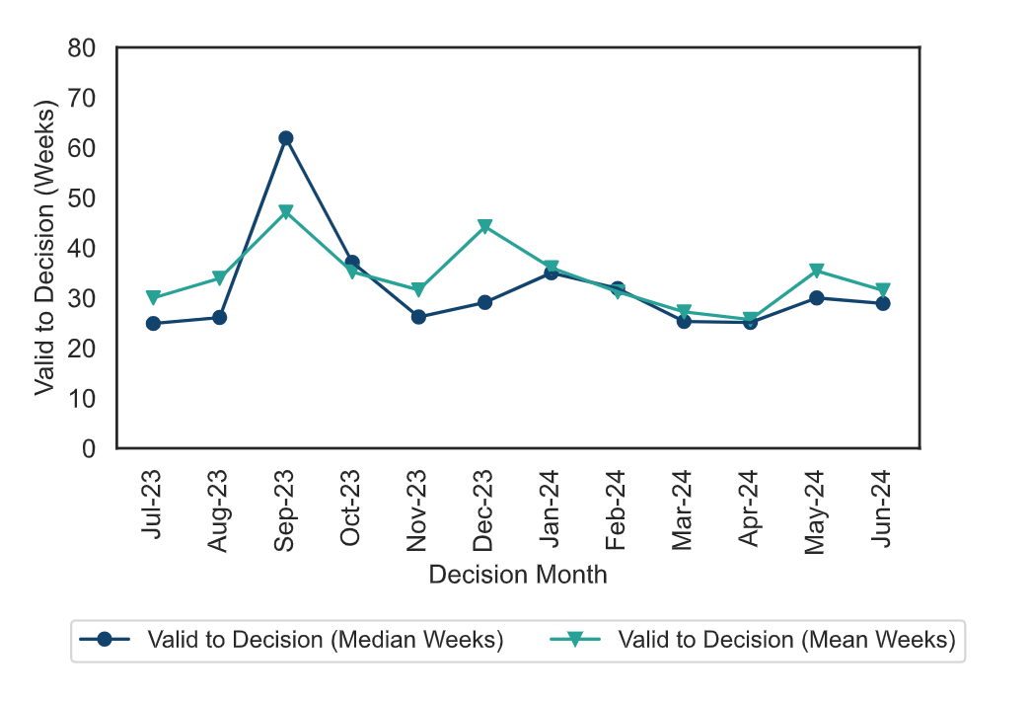
Figure 7: Mean, Median Time to Decision, Rosewell Inquiry Process; July 2023 to June 2024

