Intro

Monthly Provisional UK Sea Fisheries Statistics May 2024

This workbook was updated 28th June 2024

Contents
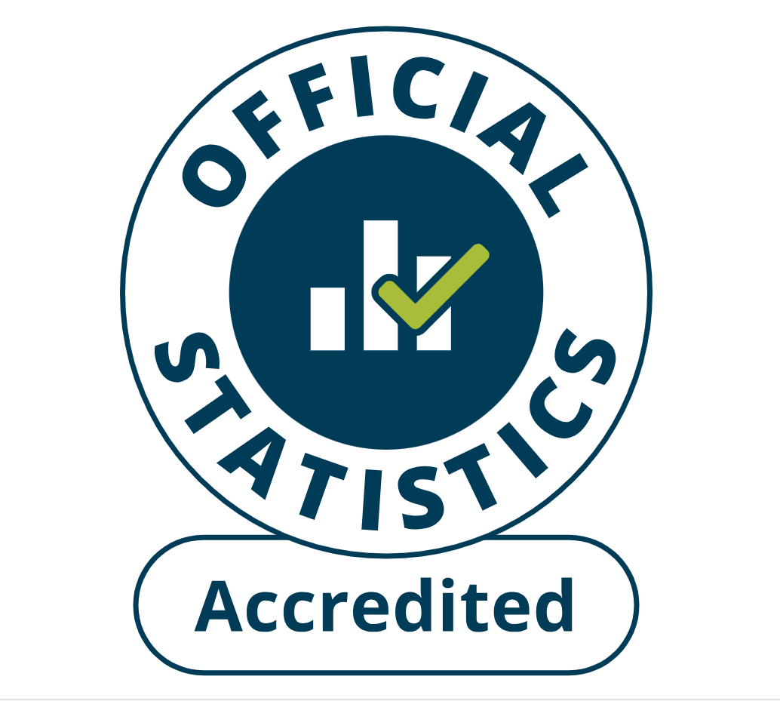
Highlights - Time series | Highlights - Live weight landings (t) and Value (£000's) by month and cumulative totals over the year.
Highlights - Time series Data | Highlights - Breakdown of data used for time series graphs by each month in 2023 & 2024
Highlights - May | Highlights - May (compared to same month in 2023)
Table 1 | Landings by UK vessels into all ports (Live weight (tonnes) and Value (£000's)) by vessel nationality, vessel length and species group (Summary)
Table 1a | Landings of UK vessels into UK ports (Live weight (tonnes) and Value (£000's)) by vessel nationality, vessel length and species group (Summary)
Table 1b | Landings of UK vessels into Foreign ports (Live weight (tonnes) and Value (£000's)) of UK vessels into Foreign ports by vessel nationality, vessel length and species group (Summary)
Table 2 | Landings of UK vessels into UK ports (Live weight (tonnes), Value (£000's) and Price (£/tonne)) by Species
Table 3 | Landings of UK vessels into all ports (Live weight (tonnes), Value (£000's) and Price (£/tonne)) by Species
Table 4 | Landings of foreign vessels into the UK (Live weight (tonnes), Value (£000's) and Price (£/tonne)) by species
Table 5 | Landings into UK ports by all vessels (Live weight (tonnes) and Value (£000's)) by country of landing and port
Table 6 | Landings by all UK vessels into all ports (Live weight (t) and Value (£000's)) by species group and vessel nationality
Table 7 | Landings (Live weight (t) and Value (£000's)) and number of trips of UK vessels in all ports by country and vessel length
Table 8 | Quantity of landings (t) and value landed (£000's) by UK vessels and Foreign vessels into the UK in last 2 years

Intro
This is an Accredited Official statistics publication.
This notice provides an overview of the reported weight and value of landings by UK vessels into the UK and abroad, and by foreign vessels into the UK.
Data are used to provide analysis and evidence to researchers and the media and to respond to ad-hoc requests from fishers, other fishing organisations and the general public. They are also used to formulate and monitor fishing policy for fisheries administrations.
This data is provisional and represents the best available data the MMO holds on fishing activity by the UK fleet and into the UK. Data will be revised each month and lags will be reviewed following protocol documented here: https://www.gov.uk/guidance/fishing-activity-and-landings-data-collection-and-processing.
Please note, the monthly data in these reports for tables 1 to 7 represent a 'snapshot' at the time of release, therefore the totals may not align with the latest published 'underlying dataset', which is downloaded from our 'live' database and presented alongside the monthly reports.
The raw data that feeds into this publication is equivalent to the data used to produce our regular national statistics and is processed and collected as outlined above.
Prior to 2024, activity relating to under 10m for English, Welsh and Isle of Man administered vessels were primarily captured from submitted Sales Notes, however from 2024 this data is obtained from our new 'catch app' recorded data source. Catch app data will provide a more complete and timely assessment of under 10m activity, therefore observed differences from comparisons with historic uptake (as provided in this report) may relate to this new source of data, as opposed to actual changes in behaviour by this group alone.
Also, please note that a small number of ‘Sales Notes’ received after the end of 2023 relating to under 10m activity are yet to be captured on systems, and activity for the year are likely to be incomplete. Although data published here are provisional (until published in September in our annual report) we may consider revising this report if after assessment differences are significant

Highlights - Time Series
Highlights - Time Series showing landings by month and cumulative totals over the year.
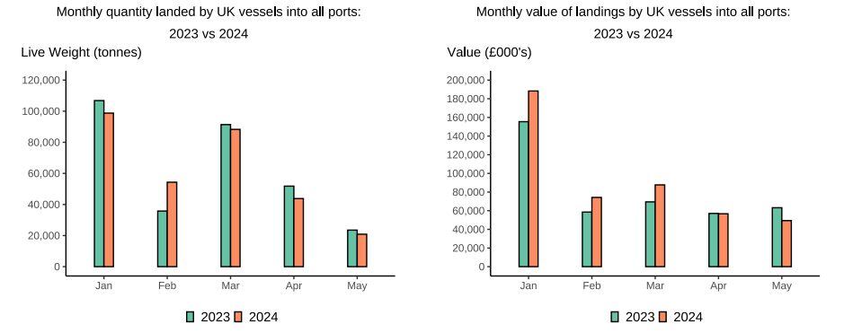

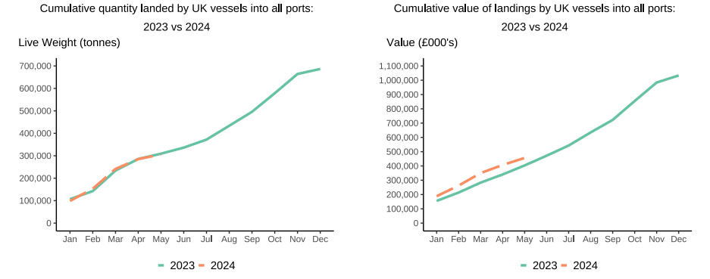

In this release, fishing activity recorded from January to December 2024 is compared to 2023. All quantities are reported as live weight tonnage and values are at first sale in pounds sterling (£000s).
Cumulatively for 2024, the value of landings increased 13% compared to 2023. Quantity of landings has slightly decreased (-1%) compared to tonnage landed in between January - May 2023.
For breakdown and comparisons of value and quantity landed for individual months see Highlights - Time Series Data tab.

Highlights - May
Highlights - May 2024
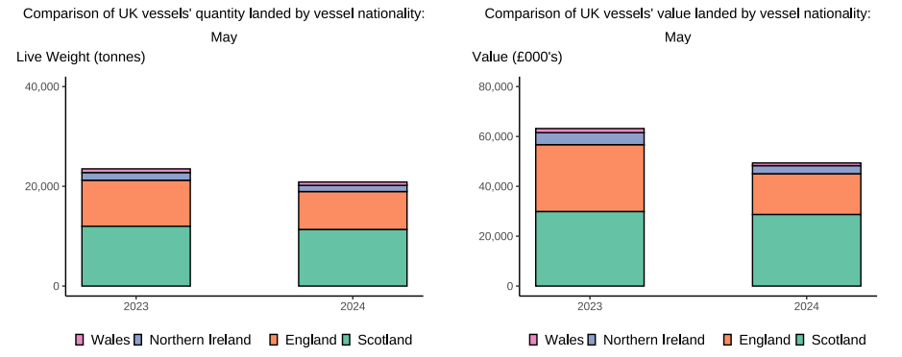

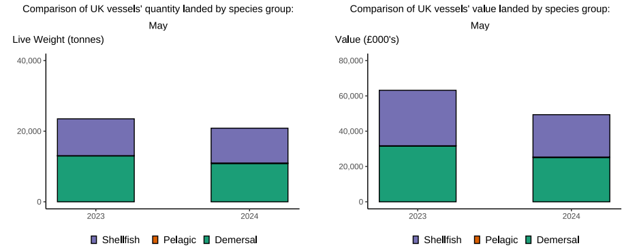

Here, fishing activity recorded in May 2024 is compared to activity in May 2023. All quantities are reported as live weight tonnes and values are at first sale in pounds sterling (£000's).
The total quantity of landings by UK vessels (tonnes) decreased in May 2024 compared to 2023, down 11%. However, the value of landings in May 2024 (£49.4m) decreased compared to 2023 down by 22%.
Landings of species groups typically fluctuate over the year due to seasonality of UK stocks. Landings in May 2024 comprised mostly of Demersal species (52%) (T6). Demersal species also comprised the majority of the value landed (51%), this is because Demersal species typically fetch a higher price. Higher Demersal landings were driven by uptake of Cod and Haddock which are a typically heavily targeted fisheries in the summer months.
The landings into UK ports (by UK and foreign vessels) in May 2024 decreased by 14% compared to 2023 (T5). Value landed also decreased compared to 2023, down 23%.

