Cover

 |  | The Housing and Regeneration Agency

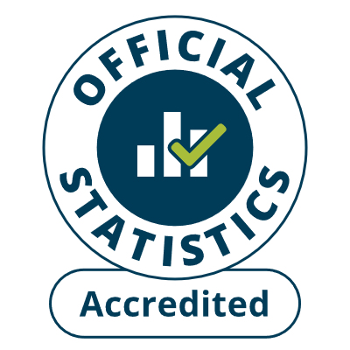

 | Housing Statistics Tables
 | 1 April 2023 – 31 March 2024
 | Published 27 June 2024

enquiries@homesengland.gov.uk
0300 1234 500
gov.uk/homes-england

