Decimal time converter
If necessary, you can use this sheet to convert time in HH:MM format to the decimal format required for submission of your claim. It will only recalculate times entered in the correct format eg 01:30 rather than just 1 or 1.30

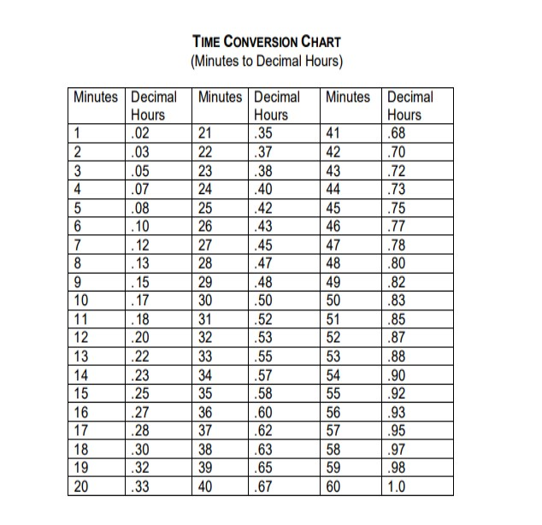
Paste times in HH:MM format into this column | Time in decimal format will be shown here

 |  | 0.00
 |  | 0.00
 |  | 0.00
 |  | 0.00
 |  | 0.00
 |  | 0.00
 |  | 0.00
 |  | 0.00
 |  | 0.00
 |  | 0.00
 |  | 0.00
 |  | 0.00
 |  | 0.00
 |  | 0.00
 |  | 0.00
 |  | 0.00
 |  | 0.00
 |  | 0.00
 |  | 0.00
 |  | 0.00
 |  | 0.00
 |  | 0.00
 |  | 0.00
 |  | 0.00
 |  | 0.00
 |  | 0.00
 |  | 0.00
 |  | 0.00
 |  | 0.00
 |  | 0.00
 |  | 0.00
 |  | 0.00
 |  | 0.00
 |  | 0.00
 |  | 0.00
 |  | 0.00
 |  | 0.00
 |  | 0.00
 |  | 0.00
 |  | 0.00
 |  | 0.00
 |  | 0.00
 |  | 0.00
 |  | 0.00
 |  | 0.00
 |  | 0.00
 |  | 0.00
 |  | 0.00
 |  | 0.00
 |  | 0.00
 |  | 0.00
 |  | 0.00
 |  | 0.00
 |  | 0.00
 |  | 0.00
 |  | 0.00
 |  | 0.00
 |  | 0.00
 |  | 0.00
 |  | 0.00
 |  | 0.00
 |  | 0.00
 |  | 0.00
 |  | 0.00
 |  | 0.00
 |  | 0.00
 |  | 0.00
 |  | 0.00
 |  | 0.00
 |  | 0.00
 |  | 0.00
 |  | 0.00
 |  | 0.00
 |  | 0.00
 |  | 0.00
 |  | 0.00
 |  | 0.00
 |  | 0.00
 |  | 0.00
 |  | 0.00
 |  | 0.00
 |  | 0.00
 |  | 0.00
 |  | 0.00
 |  | 0.00
 |  | 0.00
 |  | 0.00
 |  | 0.00
 |  | 0.00
 |  | 0.00
 |  | 0.00
 |  | 0.00
 |  | 0.00
 |  | 0.00
 |  | 0.00
 |  | 0.00
 |  | 0.00
 |  | 0.00
 |  | 0.00
 |  | 0.00
 |  | 0.00
 |  | 0.00
 |  | 0.00
 |  | 0.00
 |  | 0.00
 |  | 0.00
 |  | 0.00
 |  | 0.00
 |  | 0.00
 |  | 0.00
 |  | 0.00
 |  | 0.00
 |  | 0.00
 |  | 0.00
 |  | 0.00
 |  | 0.00
 |  | 0.00
 |  | 0.00
 |  | 0.00
 |  | 0.00
 |  | 0.00
 |  | 0.00
 |  | 0.00
 |  | 0.00
 |  | 0.00
 |  | 0.00
 |  | 0.00
 |  | 0.00
 |  | 0.00
 |  | 0.00
 |  | 0.00
 |  | 0.00
 |  | 0.00
 |  | 0.00
 |  | 0.00
 |  | 0.00
 |  | 0.00
 |  | 0.00
 |  | 0.00
 |  | 0.00
 |  | 0.00
 |  | 0.00
 |  | 0.00
 |  | 0.00
 |  | 0.00
 |  | 0.00
 |  | 0.00
 |  | 0.00
 |  | 0.00
 |  | 0.00
 |  | 0.00
 |  | 0.00
 |  | 0.00
 |  | 0.00
 |  | 0.00
 |  | 0.00
 |  | 0.00
 |  | 0.00
 |  | 0.00
 |  | 0.00
 |  | 0.00
 |  | 0.00
 |  | 0.00
 |  | 0.00
 |  | 0.00
 |  | 0.00
 |  | 0.00
 |  | 0.00
 |  | 0.00
 |  | 0.00
 |  | 0.00
 |  | 0.00
 |  | 0.00
 |  | 0.00
 |  | 0.00
 |  | 0.00
 |  | 0.00
 |  | 0.00
 |  | 0.00
 |  | 0.00
 |  | 0.00
 |  | 0.00
 |  | 0.00
 |  | 0.00
 |  | 0.00
 |  | 0.00
 |  | 0.00
 |  | 0.00
 |  | 0.00
 |  | 0.00

