Part 2
Risk Control Framework: The Four Pillars
Diagram: Extract from the Orange Book Part II | The RCF covers all controls relevant to government organisations. This includes operational local controls, functional standards and other guidance/ codes and standards. The RCF is part of the broader risk management framework in use in Government as outlined in Part I of the Orange book. The RCF consists of four related Pillars, each with key subcomponents, and an underpinning requirement across the entire RCF of the ‘three lines model’.
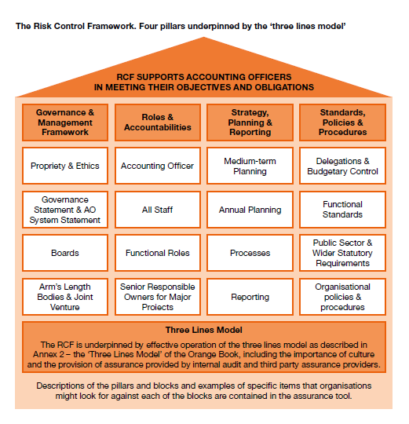

Collapse and Expand for High Level Questions relating to the RCF Pillars and blocks using ± symbols on side bar

Pillar 1: Governance & Management Framework

Pillar 2: Roles & Accountabilities

Pillar 3: Strategy, Planning & Reporting

Pillar 4: Policies & Procedures

Part 3a. Func Standards Matrix
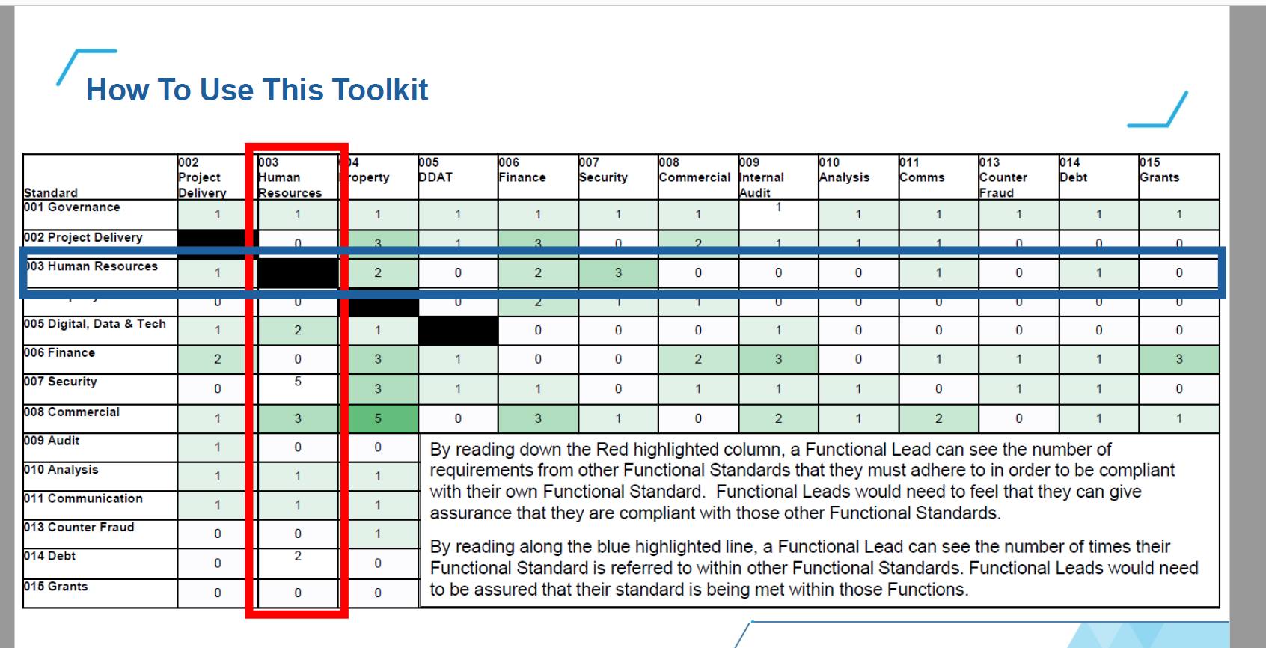
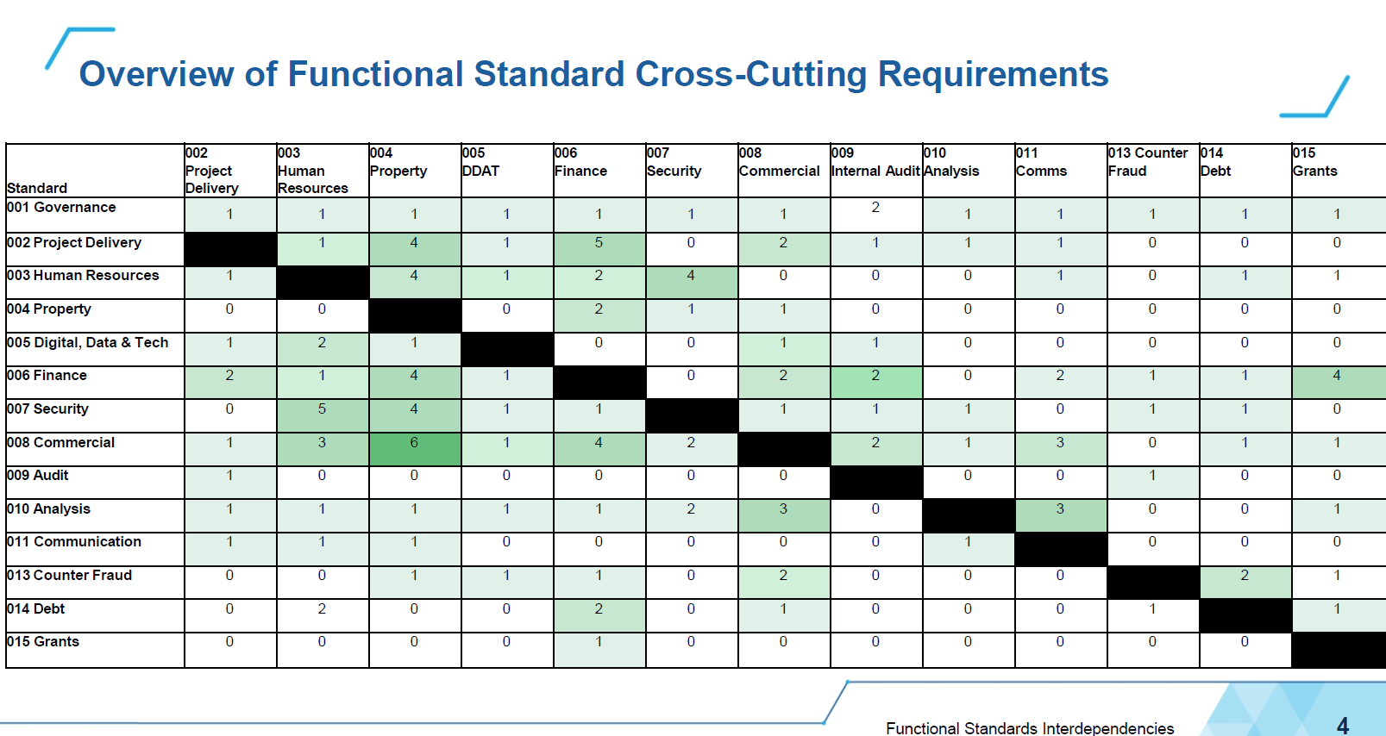
Risk Control Framework
Extract from Ministry of Justice: Functional Standards Requirements Tool V.02 February 2023. Reproduced with kind permission from MoJ - Apr 23
The Ministry of Justice has produced a toolkit - extract below - which sets out in an easy to digest manner where these interfaces between Functional Standards have been identified.
Overview
Functional Standards exist to create a coherent, effective, and mutually understood way of doing business within government organisations and across organisational boundaries, clarify accountabilities and to provide a stable basis for assurance, risk management and capability improvement.
The Standards were mandated across Government from April 2022, with Accounting Officers asked to assure themselves that they were being implemented within their Department or Arms Length Body proportionately to the level of Functional Activity being performed.
Within each Functional Standard, there are clauses which introduce interdependencies between different functions. For example, in order to carry out Finance functional work in a manner which meets the Finance Functional Standard, certain procedures set out within the Commercial Functional Standard might also requre to be followed.

