Cover_sheet

Great British Insulation Scheme (GBIS) Statistics
This spreadsheet contains a selection of data tables to provide an overview of the progression of the Great British Insulation scheme.
The Government announced the scheme at the end of March 2023. The £1 billion scheme will help around 300,000 households across the country with the cost of installing new home insulation. The scheme is scheduled to run until March 2026.
GBIS will run alongside the current Energy Company Obligation scheme (ECO4). Legislation relating to the scheme came into force on 25 July 2023, with delivery on or after 30 March until 24 July 2023 being known as early delivery measures.
This release is based on data provided by Ofgem.

Publication dates
The data tables in this spreadsheet were published at 09:30am Thursday 18th April 2024.

Data Coverage
Data covered in this release is for delivery to the end of February 2024 and associated costs for delivery to the end of December 2023.
Data covered in this release is for Great Britain.

Units, notes and no data
Some cells in the tables refer to notes which can be found beneath the tables on each worksheet. Note markers are presented in square brackets, for example: [n1]. Some cells have no data, when this is the case cell is left blank. An explanation of why there is no data is given at the top of the worksheet. Some column headings give units, when this is the case the units are presented in round brackets to differentiate them from note markers.

Contact Details
Press Enquiries to the Press Officer: 020 7215 5975; or the news desk: 020 7215 1000
Responsible Statisticians: Isi Avbulimen and Mark Piatek
EnergyEfficiency.Stats@beis.gov.uk
07927 579551

This workbook was updated on: | 2024-04-18
The next update for these statistics is: | 2024-05-23

Charts
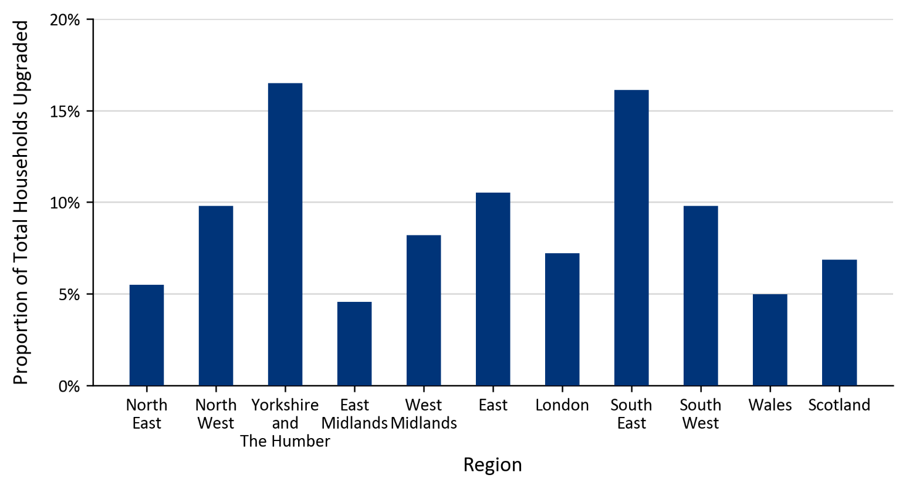
Charts visualising key statistics
This worksheet contains five charts. The charts visualise some of the key statistics within the release.
This worksheet contains blank rows and columns to aid the presentation of the charts.
Chart 1: Number of Measures Installed by Installation Month | Chart 2: Number of Households Upgraded by First Installation Month
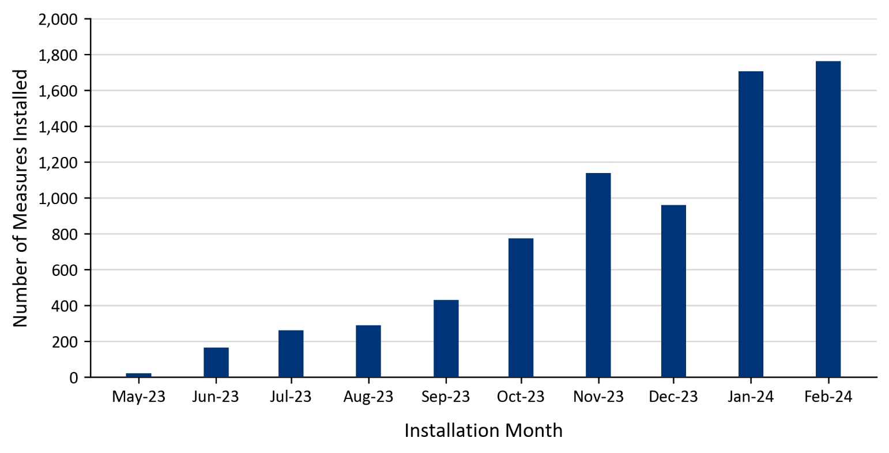 | 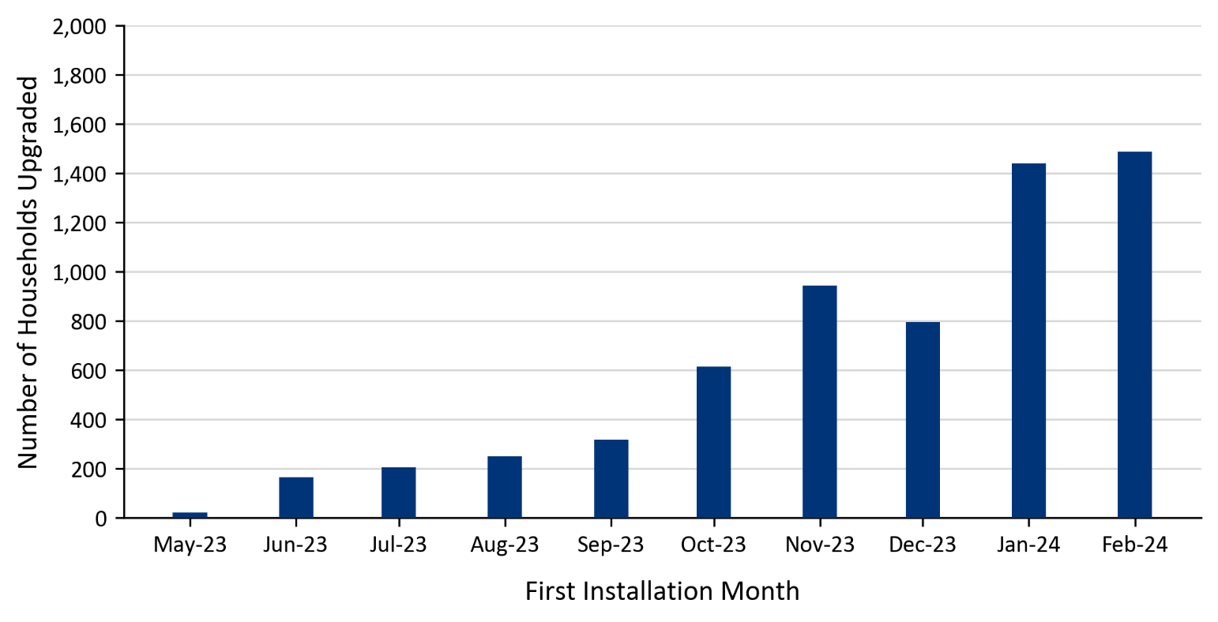
Chart 3: Number of Measures Installed by Measure Type | Chart 4: Proportion of Total Measures Installed by Region
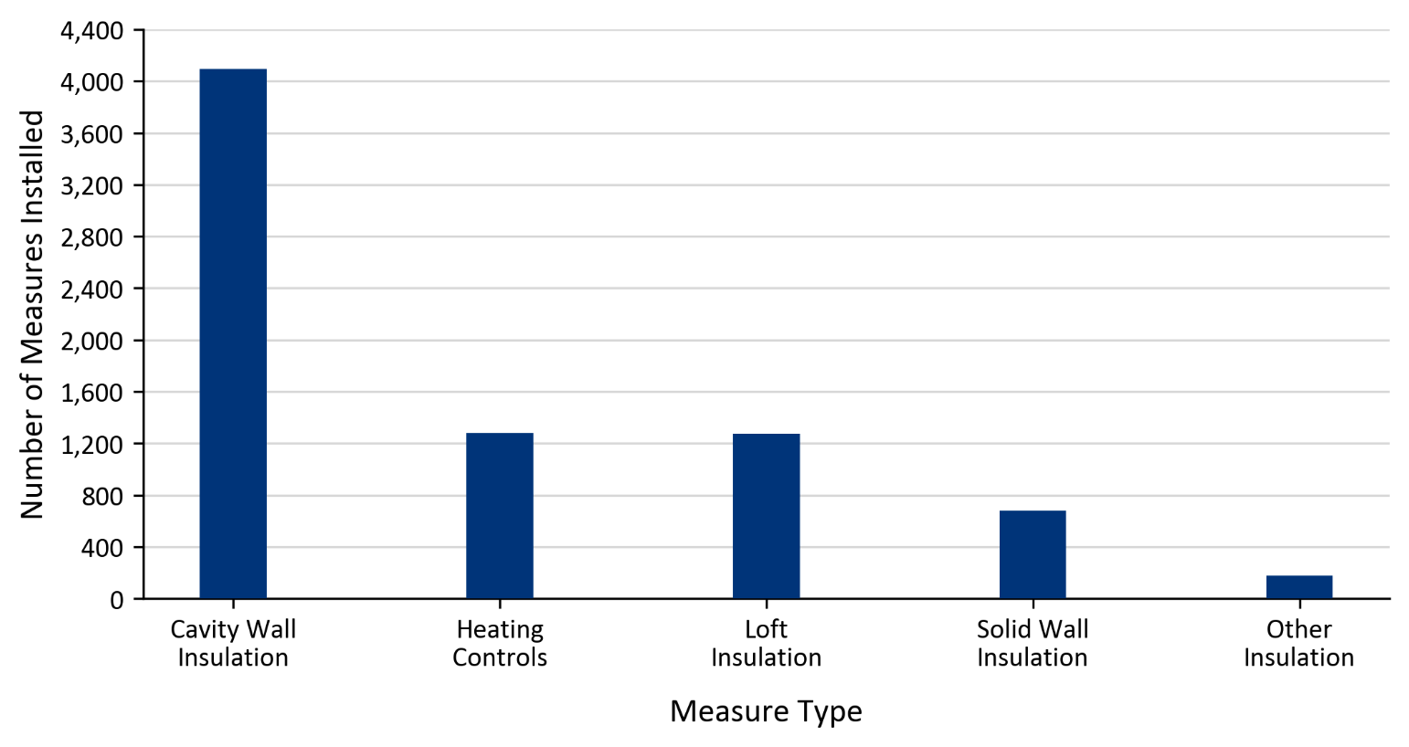 | 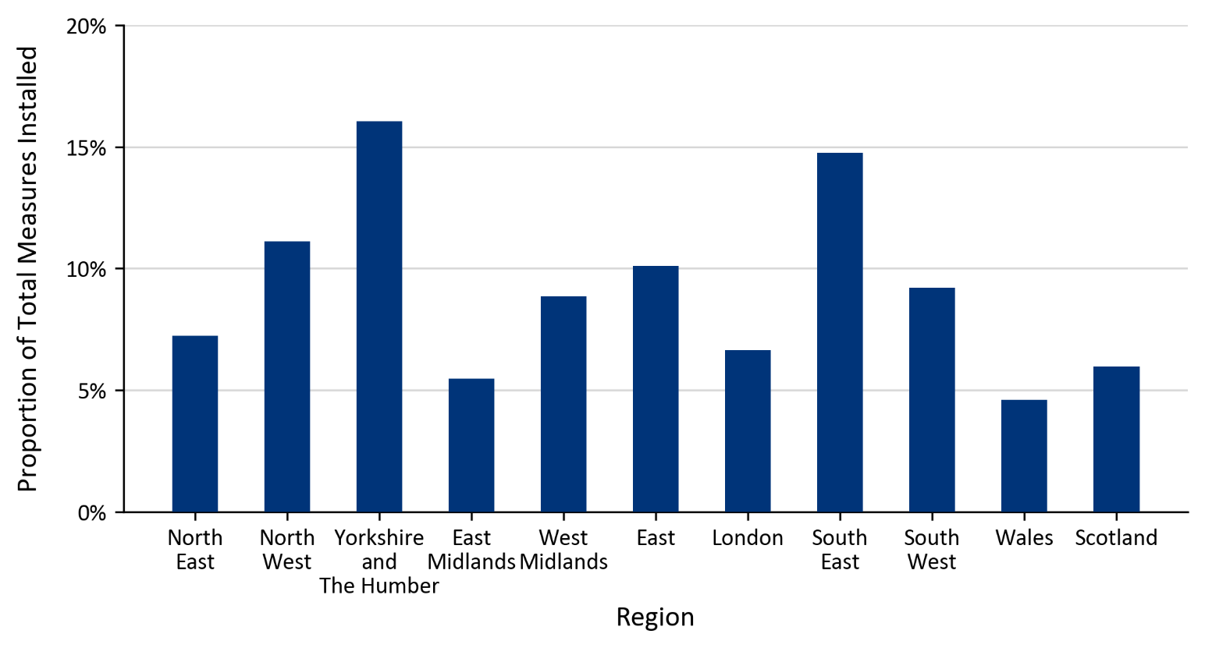
Chart 5: Proportion of Total Households Upgraded by Region

